UT Document Proofs
Job Details: | mct_RsFactNbHazardSport_1_Adv
Target Table Before First Run:- | Number of Records =0

MCT First Run Status In IDMC

Database Screenshot Before

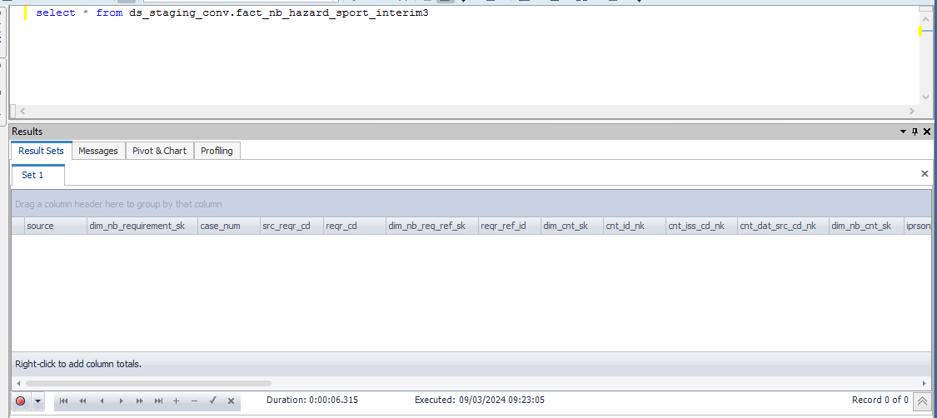

 |  |  |  |  |  |  |  |  |  |  | Database Screenshot After
IDMC Screenshot

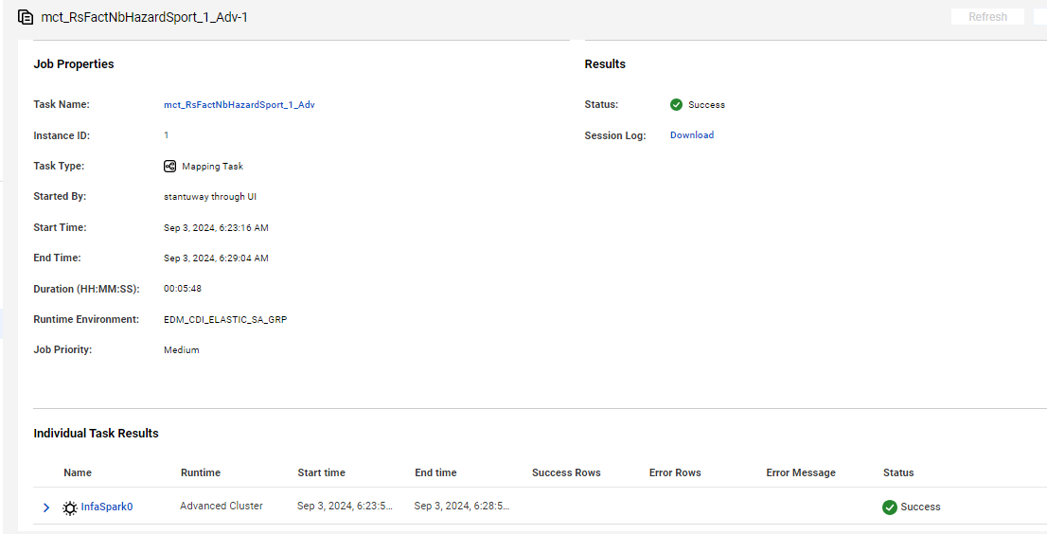
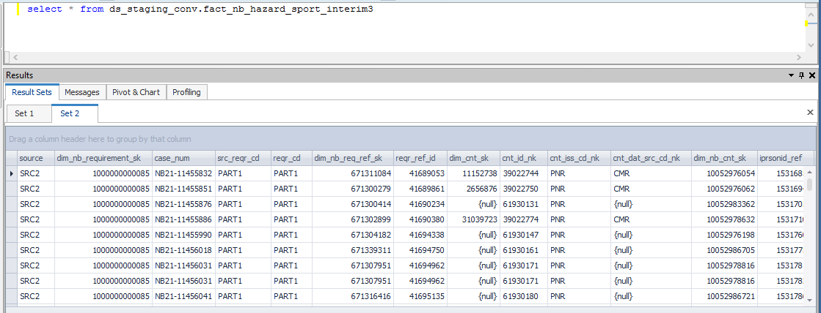

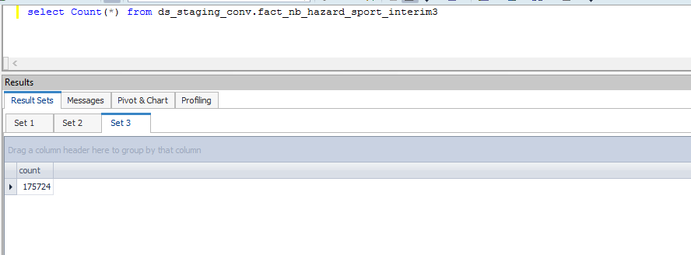

Full Load

source | dim_nb_requirement_sk | case_num | src_reqr_cd | reqr_cd | dim_nb_req_ref_sk | reqr_ref_id | dim_cnt_sk | cnt_id_nk | cnt_iss_cd_nk | cnt_dat_src_cd_nk | dim_nb_cnt_sk | iprsonid_ref | client_ref | status_code | reqr_tp_cd | cntrctid_ref | cntrctid_ref_r | prodctid_ref | plan_id_ref | product_cd | plan_cd | dim_nb_product_sk | plan_ver_num | prodctid_code_c | plan_id_code_c | appl_tp_cd | quest_cd_nk | clr_edh_record_status_in | ur_edh_record_status_in | r_edh_record_status_in | clir_edh_record_status_in | cr_edh_record_status_in | ip_edh_record_status_in | p_edh_record_status_in | clr_status_ref | ur_status_ref | r_status_ref | clir_status_ref | cr_status_ref | ip_status_ref | p_status_ref
SRC2 | 1000000000085 | NB21-11455832 | PART1 | PART1 | 671311084 | 41689053 | 11152738 | 39022744 | PNR | CMR | 10052976054 | 15316859 | 699392354 | Active | NK | 13136899 | 13136899 | 10000000 | 10000338 | WL | WL | 1000000000755 | 108 | WL | WL | New Application | HAZARDOUS |  |  |  |  |  |  |  | 10000000 | 10000000 | 10000000 | 10000000 | 10000000 | 10000000 | 10000000
SRC2 | 1000000000085 | NB21-11455851 | PART1 | PART1 | 671300279 | 41689861 | 2656876 | 39022750 | PNR | CMR | 10052976062 | 15316945 | 699392337 | Active | NK | 13136944 | 13136944 | 10000000 | 10000338 | WL | WL | 1000000000755 | 108 | WL | WL | New Application | HAZARDOUS |  |  |  |  |  |  |  | 10000000 | 10000000 | 10000000 | 10000000 | 10000000 | 10000000 | 10000000
SRC2 | 1000000000085 | NB21-11455876 | PART1 | PART1 | 671300414 | 41690234 |  | 61930131 | PNR |  | 10052983362 | 15317053 | 699392333 | Active | NK | 13136962 | 13136962 | 10000003 | 10000354 | AP | AP | 1000000000690 | 108 | AP | AP | New Application | HAZARDOUS |  |  |  |  |  |  |  | 10000000 | 10000000 | 10000000 | 10000000 | 10000000 | 10000000 | 10000000
SRC2 | 1000000000085 | NB21-11455886 | PART1 | PART1 | 671302899 | 41690380 | 31039723 | 39022774 | PNR | CMR | 10052978632 | 15317105 | 699392301 | Active | NK | 13137037 | 13137037 | 10000087 | 10000383 | CT | CTL | 1000000000801 | 110 | CT | CTL | New Application | HAZARDOUS |  |  |  |  |  |  |  | 10000000 | 10000000 | 10000000 | 10000000 | 10000000 | 10000000 | 10000000
SRC2 | 1000000000085 | NB21-11455990 | PART1 | PART1 | 671304182 | 41694338 |  | 61930147 | PNR |  | 10052976198 | 15317605 | 699392210 | Active | NK | 13137282 | 13137282 | 10000090 | 10000398 | ULPY | ULPYQ | 1000000000541 | 111 | ULPY | ULPYQ | New Application | HAZARDOUS |  |  |  |  |  |  |  | 10000000 | 10000000 | 10000000 | 10000000 | 10000000 | 10000000 | 10000000
SRC2 | 1000000000085 | NB21-11456018 | PART1 | PART1 | 671339311 | 41694750 |  | 61930161 | PNR |  | 10052986705 | 15317757 | 699392182 | Active | NK | 13137333 | 13137333 | 10000090 | 10000397 | ULPY | ULPYNQ | 1000000000672 | 111 | ULPY | ULPYNQ | New Application | HAZARDOUS |  |  |  |  |  |  |  | 10000000 | 10000000 | 10000000 | 10000000 | 10000000 | 10000000 | 10000000
SRC2 | 1000000000085 | NB21-11456031 | PART1 | PART1 | 671307951 | 41694962 |  | 61930171 | PNR |  | 10052978816 | 15317818 | 699392167 | Active | NK | 13137357 | 13137357 | 10000091 | 10000399 | SULPY | SULPYNQ | 1000000000576 | 111 | SULPY | SULPYNQ | New Application | HAZARDOUS |  |  |  |  |  |  |  | 10000000 | 10000000 | 10000000 | 10000000 | 10000000 | 10000000 | 10000000
SRC2 | 1000000000085 | NB21-11456031 | PART1 | PART1 | 671307951 | 41694962 |  | 61930171 | PNR |  | 10052978816 | 15317821 | 699392166 | Active | NK | 13137357 | 13137357 | 10000091 | 10000399 | SULPY | SULPYNQ | 1000000000576 | 111 | SULPY | SULPYNQ | New Application | HAZARDOUS |  |  |  |  |  |  |  | 10000000 | 10000000 | 10000000 | 10000000 | 10000000 | 10000000 | 10000000
SRC2 | 1000000000085 | NB21-11456041 | PART1 | PART1 | 671316416 | 41695135 |  | 61930180 | PNR |  | 10052986721 | 15317869 | 699392149 | Active | NK | 13137378 | 13137378 | 10000090 | 10000398 | ULPY | ULPYQ | 1000000000541 | 111 | ULPY | ULPYQ | New Application | HAZARDOUS |  |  |  |  |  |  |  | 10000000 | 10000000 | 10000000 | 10000000 | 10000000 | 10000000 | 10000000
SRC2 | 1000000000085 | NB21-11456072 | PART1 | PART1 | 671306543 | 41696249 | 11161511 | 39022820 | PNR | CMR | 10052983642 | 15318008 | 699392116 | Active | NK | 13137445 | 13137445 | 10000000 | 10000338 | WL | WL | 1000000000755 | 108 | WL | WL | New Application | HAZARDOUS |  |  |  |  |  |  |  | 10000000 | 10000000 | 10000000 | 10000000 | 10000000 | 10000000 | 10000000

