UT Document Proofs
Job Details: | mct_RsFactNbHazardSport_2
Target Table Before First Run:- | Number of Records =0

MCT First Run Status In IDMC

Database Screenshot Before

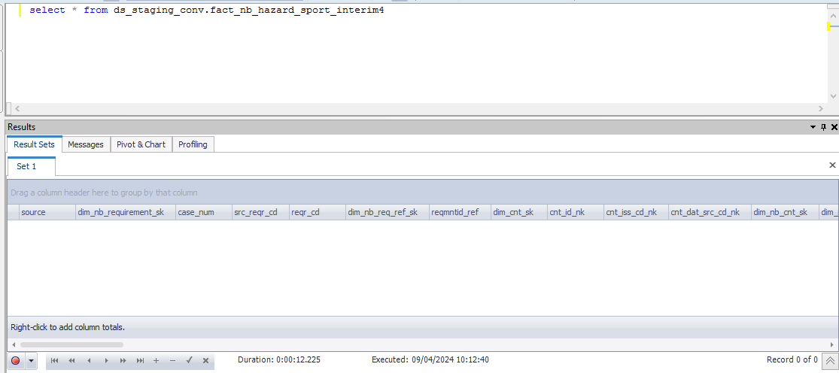

 |  |  |  |  |  |  |  |  |  |  | Database Screenshot After
IDMC Screenshot

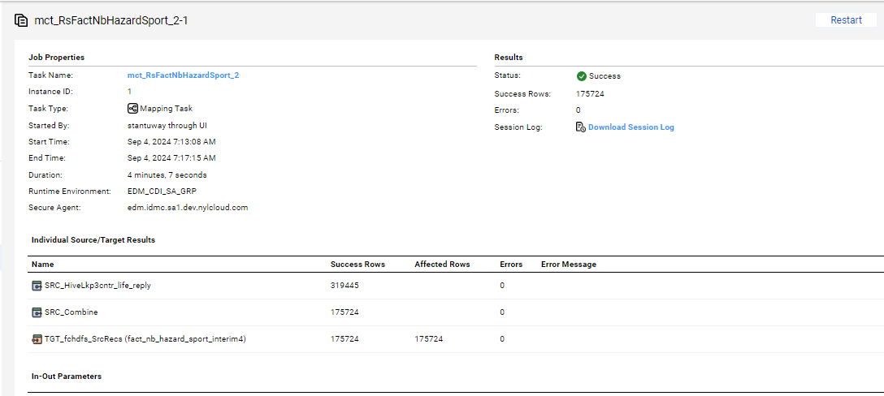
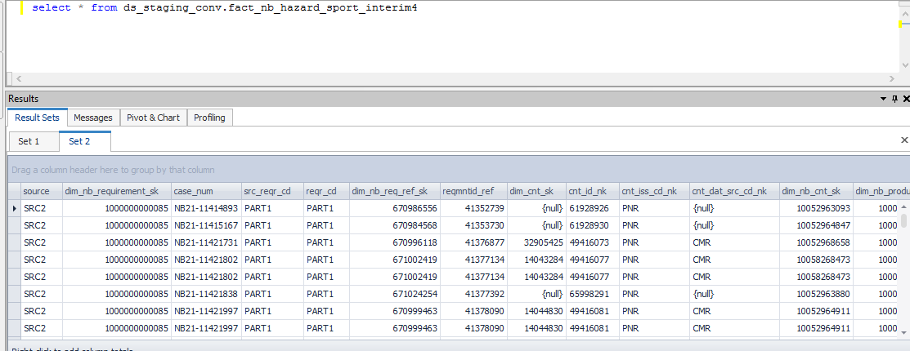

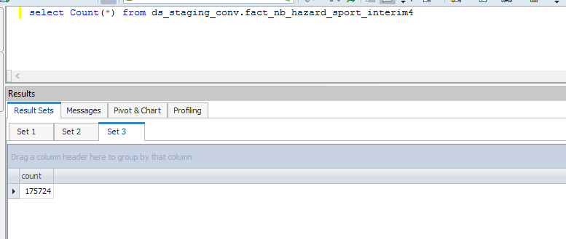

Full Load

source | dim_nb_requirement_sk | case_num | src_reqr_cd | reqr_cd | dim_nb_req_ref_sk | reqmntid_ref | dim_cnt_sk | cnt_id_nk | cnt_iss_cd_nk | cnt_dat_src_cd_nk | dim_nb_cnt_sk | dim_nb_product_sk | product_cd | plan_cd | plan_ver_num | appl_tp_cd | dim_party_sk | dim_nb_applicant_sk | nb_cnt_party_role_nm | dim_nb_party_sk | iprsonid_ref | hazard_dim_quest_sk | scuba_dive_quest_cd | scuba_dive_reply_ind | spcl_dive_tp_ind | mntn_clmb_quest_cd | mntn_clmb_reply_ind | helicpr_ski_quest_cd | helicpr_ski_reply_ind | cave_explr_quest_cd | cave_explr_reply_ind | hotair_baln_quest_cd | hotair_baln_reply_ind | rodeo_rider_quest_cd | rodeo_rider_reply_ind | ultlgt_quest_cd | ultlgt_reply_ind | hang_gliding_quest_cd | hand_glide_reply_ind | sky_dive_quest_cd | sky_dive_reply_ind | auto_race_quest_cd | auto_race_reply_ind | mcycl_race_quest_cd | mcycl_race_reply_ind | powrbt_race_quest_cd | powrbt_race_reply_ind | snwmbl_race_quest_cd | snwmbl_race_reply_ind | atv_race_quest_cd | atv_race_quest_ind | other_race_quest_cd | other_race_reply_ind | client_ref | status_code | reqr_tp_cd | cntrctid_ref | prodctid_ref | ultlgt_fly_pilot_lic_ind | prodctid_code_c | plan_id_code_c | cntrctid_ref_r | plan_id_ref | p_client_ref | party_id_nk | clr_edh_record_status_in | ur_edh_record_status_in | r_edh_record_status_in | clir_edh_record_status_in | cr_edh_record_status_in | ip_edh_record_status_in | p_edh_record_status_in | clr_status_ref | ur_status_ref | r_status_ref | clir_status_ref | cr_status_ref | ip_status_ref | p_status_ref | quest_cd_nk
SRC2 | 1000000000085 | NB21-11414893 | PART1 | PART1 | 670986556 | 41352739 |  | 61928926 | PNR |  | 10052963093 | 1000000000483 | SPUL | SPULNQ | 108 | New Application |  |  |  | 1000085925546 | 15182369 |  |  |  |  |  |  |  |  |  |  |  |  |  |  |  |  |  |  |  |  |  |  |  |  |  |  |  |  |  |  |  |  | 699544457 | Active | NK | 13090811 | 10000055 |  | SPUL | SPULNQ | 13090811 | 10000352 | 699544457 | 699544457 |  |  |  |  |  |  |  | 10000000 | 10000000 | 10000000 | 10000000 | 10000000 | 10000000 | 10000000
SRC2 | 1000000000085 | NB21-11415167 | PART1 | PART1 | 670984568 | 41353730 |  | 61928930 | PNR |  | 10052964847 | 1000000000797 | ULPLTG | ULPLTGNQ | 108 | New Application |  |  |  | 1000085854989 | 15183199 |  |  |  |  |  |  |  |  |  |  |  |  |  |  |  |  |  |  |  |  |  |  |  |  |  |  |  |  |  |  |  |  | 699558600 | Active | NK | 13090879 | 10000060 |  | ULPLTG | ULPLTGNQ | 13090879 | 10000322 | 699558600 | 699558600 |  |  |  |  |  |  |  | 10000000 | 10000000 | 10000000 | 10000000 | 10000000 | 10000000 | 10000000
SRC2 | 1000000000085 | NB21-11421731 | PART1 | PART1 | 670996118 | 41376877 | 32905425 | 49416073 | PNR | CMR | 10052968658 | 1000000000611 | NRTA | NRT | 109 | New Application |  |  |  | 1000085931359 | 15202897 |  |  |  |  |  |  |  |  |  |  |  |  |  |  |  |  |  |  |  |  |  |  |  |  |  |  |  |  |  |  |  |  | 699543704 | Active | NK | 13090966 | 10000085 |  | NRTA | NRT | 13090966 | 10000380 | 699543704 | 699543704 |  |  |  |  |  |  |  | 10000000 | 10000000 | 10000000 | 10000000 | 10000000 | 10000000 | 10000000
SRC2 | 1000000000085 | NB21-11421802 | PART1 | PART1 | 671002419 | 41377134 | 14043284 | 49416077 | PNR | CMR | 10058268473 | 1000000000737 | FPT | FPTNQ | 106 | New Application |  |  |  | 1000085824943 | 15203132 |  |  |  |  |  |  |  |  |  |  |  |  |  |  |  |  |  |  |  |  |  |  |  |  |  |  |  |  |  |  |  |  | 699543692 | Active | NK | 13090984 | 10000047 |  | FPT | FPTNQ | 13090984 | 10000373 | 699543692 | 699543692 |  |  |  |  |  |  |  | 10000000 | 10000000 | 10000000 | 10000000 | 10000000 | 10000000 | 10000000
SRC2 | 1000000000085 | NB21-11421802 | PART1 | PART1 | 671002419 | 41377134 | 14043284 | 49416077 | PNR | CMR | 10058268473 | 1000000000737 | FPT | FPTNQ | 106 | New Application |  |  |  | 1000085877649 | 15203166 |  |  |  |  |  |  |  |  |  |  |  |  |  |  |  |  |  |  |  |  |  |  |  |  |  |  |  |  |  |  |  |  | 699543691 | Active | NK | 13090984 | 10000047 |  | FPT | FPTNQ | 13090984 | 10000373 | 699543691 | 699543691 |  |  |  |  |  |  |  | 10000000 | 10000000 | 10000000 | 10000000 | 10000000 | 10000000 | 10000000
SRC2 | 1000000000085 | NB21-11421838 | PART1 | PART1 | 671024254 | 41377392 |  | 65998291 | PNR |  | 10052963880 | 1000000000687 | VUL | VULNQ | 108 | New Application |  |  |  | 1000085835447 | 15203236 |  |  |  |  |  |  |  |  |  |  |  |  |  |  |  |  |  |  |  |  |  |  |  |  |  |  |  |  |  |  |  |  | 699543688 | Active | NK | 13090999 | 10000004 |  | VUL | VULNQ | 13090999 | 10000334 | 699543688 | 699543688 |  |  |  |  |  |  |  | 10000000 | 10000000 | 10000000 | 10000000 | 10000000 | 10000000 | 10000000
SRC2 | 1000000000085 | NB21-11421997 | PART1 | PART1 | 670999463 | 41378090 | 14044830 | 49416081 | PNR | CMR | 10052964911 | 1000000000737 | FPT | FPTNQ | 106 | New Application |  |  |  | 1000085849395 | 15203786 |  |  |  |  |  |  |  |  |  |  |  |  |  |  |  |  |  |  |  |  |  |  |  |  |  |  |  |  |  |  |  |  | 699550575 | Active | NK | 13091024 | 10000047 |  | FPT | FPTNQ | 13091024 | 10000373 | 699550575 | 699550575 |  |  |  |  |  |  |  | 10000000 | 10000000 | 10000000 | 10000000 | 10000000 | 10000000 | 10000000
SRC2 | 1000000000085 | NB21-11421997 | PART1 | PART1 | 670999463 | 41378090 | 14044830 | 49416081 | PNR | CMR | 10052964911 | 1000000000737 | FPT | FPTNQ | 106 | New Application |  |  |  | 1000085651881 | 15203734 |  |  |  |  |  |  |  |  |  |  |  |  |  |  |  |  |  |  |  |  |  |  |  |  |  |  |  |  |  |  |  |  | 699550576 | Active | NK | 13091024 | 10000047 |  | FPT | FPTNQ | 13091024 | 10000373 | 699550576 | 699550576 |  |  |  |  |  |  |  | 10000000 | 10000000 | 10000000 | 10000000 | 10000000 | 10000000 | 10000000
SRC2 | 1000000000085 | NB21-11423216 | PART1 | PART1 | 671001686 | 41382472 | 6240599 | 49416093 | PNR | CMR | 10052973620 | 1000000000646 | 5YT | 5YT | 106 | New Application |  |  |  | 1000085924326 | 15207441 |  |  |  |  |  |  |  |  |  |  |  |  |  |  |  |  |  |  |  |  |  |  |  |  |  |  |  |  |  |  |  |  | 699543663 | Active | NK | 13091064 | 10000018 |  | 5YT | 5YT | 13091064 | 10000208 | 699543663 | 699543663 |  |  |  |  |  |  |  | 10000000 | 10000000 | 10000000 | 10000000 | 10000000 | 10000000 | 10000000
SRC2 | 1000000000085 | NB21-11423405 | PART1 | PART1 | 671011604 | 41383251 | 14052734 | 49416101 | PNR | CMR | 10052963920 | 1000000000685 | MPWL | MPWL | 108 | New Application |  |  |  | 1000085937065 | 15208028 |  |  |  |  |  |  |  |  |  |  |  |  |  |  |  |  |  |  |  |  |  |  |  |  |  |  |  |  |  |  |  |  | 699543650 | Active | NK | 13091080 | 10000001 |  | MPWL | MPWL | 13091080 | 10000341 | 699543650 | 699543650 |  |  |  |  |  |  |  | 10000000 | 10000000 | 10000000 | 10000000 | 10000000 | 10000000 | 10000000

