UT Document Proofs
Job Details: | mct_RsFactNbHazardSport_3
Target Table Before First Run:- | Number of Records =0

MCT First Run Status In IDMC

Database Screenshot Before

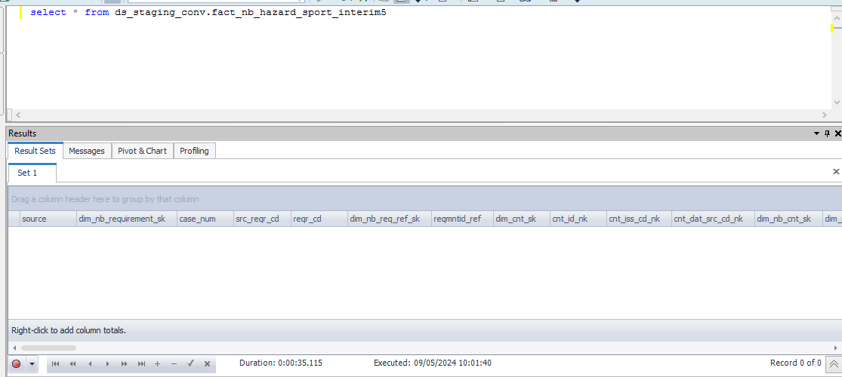

 |  |  |  |  |  |  |  |  |  |  | Database Screenshot After
IDMC Screenshot

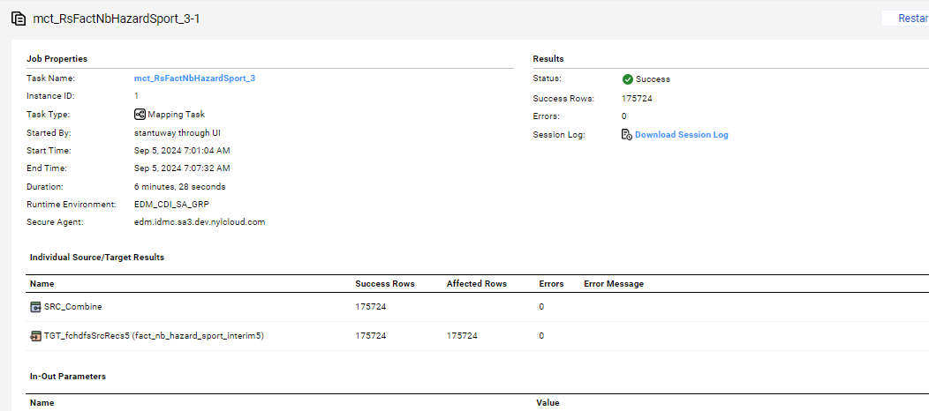
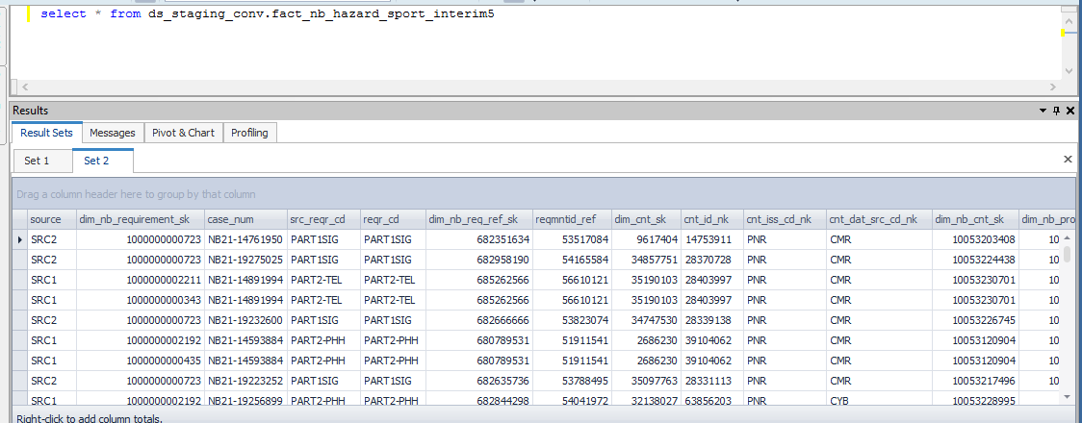

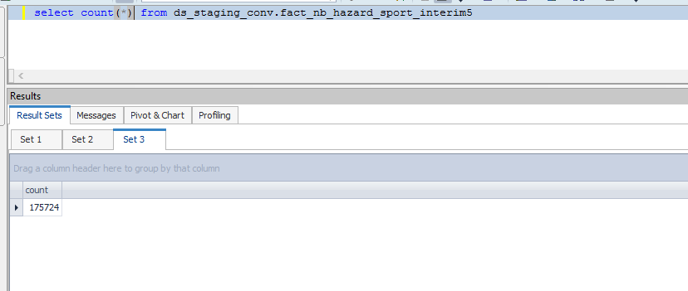

Full Load

source | dim_nb_requirement_sk | case_num | src_reqr_cd | reqr_cd | dim_nb_req_ref_sk | reqmntid_ref | dim_cnt_sk | cnt_id_nk | cnt_iss_cd_nk | cnt_dat_src_cd_nk | dim_nb_cnt_sk | dim_nb_product_sk | product_cd | plan_cd | plan_ver_num | appl_tp_cd | dim_party_sk | dim_nb_applicant_sk | nb_cnt_party_role_nm | dim_nb_party_sk | iprsonid_ref | hazard_dim_quest_sk | scuba_dive_quest_cd | scuba_dive_reply_ind | spcl_dive_tp_ind | mntn_clmb_quest_cd | mntn_clmb_reply_ind | helicpr_ski_quest_cd | helicpr_ski_reply_ind | cave_explr_quest_cd | cave_explr_reply_ind | hotair_baln_quest_cd | hotair_baln_reply_ind | rodeo_rider_quest_cd | rodeo_rider_reply_ind | ultlgt_quest_cd | ultlgt_reply_ind | hang_gliding_quest_cd | hand_glide_reply_ind | sky_dive_quest_cd | sky_dive_reply_ind | auto_race_quest_cd | auto_race_reply_ind | mcycl_race_quest_cd | mcycl_race_reply_ind | powrbt_race_quest_cd | powrbt_race_reply_ind | snwmbl_race_quest_cd | snwmbl_race_reply_ind | atv_race_quest_cd | atv_race_quest_ind | other_race_quest_cd | other_race_reply_ind | spcl_dive_tp_wreck_ind | spcl_dive_tp_cave_ind | spcl_dive_tp_salvage_ind | spcl_dive_tp_ice_ind | spcl_dive_tp_other_ind | spcl_dive_tp_other_dtl_txt | dive_alone_ind | dive_alone_dtl_txt | part_of_clmb_org_ind | clmb_org_dtl_txt | clmb_outsd_low_48_st_ind | clmb_outsd_low_48_st_dtl_txt | clmb_alone_ind | clmb_alone_dtl_txt | heli_ski_outsd_us_ind | heli_ski_outsd_us_dtl_txt | use_profesnl_guide_ind | use_profesnl_guide_dtl_txt | cave_explr_outsd_us_ind | cave_explr_outsd_us_dtl_txt | uwtr_caving_actvt_ind | uwtr_caving_actvt_dtl_txt | hotair_baln_compt_ind | hotair_baln_compt_dtl_txt | rodeo_event_bronco_rider_ind | rodeo_event_bull_rider_ind | rodeo_event_steer_wrslng_ind | rodeo_event_calf_rope_ind | rodeo_event_team_rope_ind | rodeo_event_other_ind | rodeo_event_other_dtl_txt | rodeo_profesnl_compt_ind | rodeo_profesnl_compt_dtl_txt | ultlgt_fly_acdnt_ind | ultlgt_fly_acdnt_dtl_txt | hang_glide_acdnt_ind | hang_glide_acdnt_dtl_txt | cert_other_dtl_txt | cert_tp_desc | last_yr_scuba_dive_num | next_yr_scuba_dive_num | avg_dive_depth_in_feet | hang_glide_loc_nm | max_dive_depth_in_feet | mntn_clmb_exepc_in_yr | mntn_clmb_exepc_in_mth | last_yr_mntn_clmb_num | next_yr_mntn_clmb_num | last_yr_heli_skied_num | next_yr_heli_skied_num | last_yr_cave_explr_num | hotair_baln_yr_in_hr | hotair_baln_height_in_feet | ultlgt_fly_in_hr | yr_hang_glide_in_hr | client_ref | status_code | reqr_tp_cd | cntrctid_ref | prodctid_ref | ultlgt_fly_pilot_lic_ind | prodctid_code_c | plan_id_code_c | cntrctid_ref_r | plan_id_ref | p_client_ref | party_id_nk | clr_edh_record_status_in | ur_edh_record_status_in | r_edh_record_status_in | clir_edh_record_status_in | cr_edh_record_status_in | ip_edh_record_status_in | p_edh_record_status_in | clr_status_ref | ur_status_ref | r_status_ref | clir_status_ref | cr_status_ref | ip_status_ref | p_status_ref | quest_cd_nk
SRC2 | 1000000000723 | NB21-14761950 | PART1SIG | PART1SIG | 682351634 | 53517084 | 9617404 | 14753911 | PNR | CMR | 10053203408 | 1000000000667 | WL | WL | 121 | New Application |  |  |  | 1000085873966 | 16511436 |  |  |  |  |  |  |  |  |  |  |  |  |  |  |  |  |  |  |  |  |  |  |  |  |  |  |  |  |  |  |  |  | Y | Y | Y | Y | Y |  |  |  |  |  |  |  |  |  |  |  |  |  |  |  |  |  |  |  | Y | Y | Y | Y | Y | Y |  |  |  |  |  |  |  |  |  |  |  |  |  |  |  |  |  |  |  |  |  |  |  |  |  | 697499748 | Active | NK | 13555503 | 10000000 |  | WL | WL | 13555503 | 10000531 | 697499748 | 697499748 |  |  |  |  |  |  |  | 10000000 | 10000000 | 10000000 | 10000000 | 10000000 | 10000000 | 10000000
SRC2 | 1000000000723 | NB21-19275025 | PART1SIG | PART1SIG | 682958190 | 54165584 | 34857751 | 28370728 | PNR | CMR | 10053224438 | 1000000000667 | WL | WL | 121 | New Application |  |  |  | 1000085886498 | 16687112 |  |  |  |  |  |  |  |  |  |  |  |  |  |  |  |  |  |  |  |  |  |  |  |  |  |  |  |  |  |  |  |  | Y | Y | Y | Y | Y |  |  |  |  |  |  |  |  |  |  |  |  |  |  |  |  |  |  |  | Y | Y | Y | Y | Y | Y |  |  |  |  |  |  |  |  |  |  |  |  |  |  |  |  |  |  |  |  |  |  |  |  |  | 697455602 | Active | NK | 13596228 | 10000000 |  | WL | WL | 13596228 | 10000531 | 697455602 | 697455602 |  |  |  |  |  |  |  | 10000000 | 10000000 | 10000000 | 10000000 | 10000000 | 10000000 | 10000000
SRC1 | 1000000002211 | NB21-14891994 | PART2-TEL | PART2-TEL | 685262566 | 56610121 | 35190103 | 28403997 | PNR | CMR | 10053230701 | 1000000000667 | WL | WL | 121 | New Application |  | 12 | First Primary Insured | 1000085861220 | 16784922 |  | HA1 | 0 |  | HA9 | 0 | HA10 | 0 |  |  |  |  | HA13 | 0 |  |  | HA16 | 0 | HA8 | 0 |  |  |  |  |  |  |  |  |  |  | HA7 | 0 | Y | Y | Y | Y | Y |  |  |  |  |  |  |  |  |  |  |  |  |  |  |  |  |  |  |  | Y | Y | Y | Y | Y | Y |  |  |  |  |  |  |  |  |  |  |  |  |  |  |  |  |  |  |  |  |  |  |  |  |  | 350890839 | Active | MEDQUEST | 13605844 | 10000000 |  | WL | WL | 13605844 | 10000531 | 350890839 | 350890839 |  |  |  |  |  |  |  | 10000000 | 10000000 | 10000000 | 10000000 | 10000000 | 10000000 | 10000000
SRC1 | 1000000000343 | NB21-14891994 | PART2-TEL | PART2-TEL | 685262566 | 56610121 | 35190103 | 28403997 | PNR | CMR | 10053230701 | 1000000000667 | WL | WL | 121 | New Application |  | 12 | First Primary Insured | 1000085861220 | 16784922 |  | HA1 | 0 |  | HA9 | 0 | HA10 | 0 |  |  |  |  | HA13 | 0 |  |  | HA16 | 0 | HA8 | 0 |  |  |  |  |  |  |  |  |  |  | HA7 | 0 | Y | Y | Y | Y | Y |  |  |  |  |  |  |  |  |  |  |  |  |  |  |  |  |  |  |  | Y | Y | Y | Y | Y | Y |  |  |  |  |  |  |  |  |  |  |  |  |  |  |  |  |  |  |  |  |  |  |  |  |  | 350890839 | Active | MEDQUEST | 13605844 | 10000000 |  | WL | WL | 13605844 | 10000531 | 350890839 | 350890839 |  |  |  |  |  |  |  | 10000000 | 10000000 | 10000000 | 10000000 | 10000000 | 10000000 | 10000000
SRC2 | 1000000000723 | NB21-19232600 | PART1SIG | PART1SIG | 682666666 | 53823074 | 34747530 | 28339138 | PNR | CMR | 10053226745 | 1000000000667 | WL | WL | 121 | New Application |  |  |  | 1000085651718 | 16599491 |  |  |  |  |  |  |  |  |  |  |  |  |  |  |  |  |  |  |  |  |  |  |  |  |  |  |  |  |  |  |  |  | Y | Y | Y | Y | Y |  |  |  |  |  |  |  |  |  |  |  |  |  |  |  |  |  |  |  | Y | Y | Y | Y | Y | Y |  |  |  |  |  |  |  |  |  |  |  |  |  |  |  |  |  |  |  |  |  |  |  |  |  | 350560950 | Active | NK | 13583366 | 10000000 |  | WL | WL | 13583366 | 10000531 | 350560950 | 350560950 |  |  |  |  |  |  |  | 10000000 | 10000000 | 10000000 | 10000000 | 10000000 | 10000000 | 10000000
SRC1 | 1000000002192 | NB21-14593884 | PART2-PHH | PART2-PHH | 680789531 | 51911541 | 2686230 | 39104062 | PNR | CMR | 10053120904 | 1000000000810 | WL | WL | 117 | New Application |  | 12 | First Primary Insured | 1000085743906 | 15983614 |  | HA1 | 0 |  | HA9 | 0 | HA10 | 0 | HA11 | 0 | HA12 | 0 | HA13 | 0 | HA15 | 0 | HA16 | 0 | HA8 | 0 | HA2 | 0 |  |  | HA5 | 0 |  |  |  |  | HA7 | 0 | Y | Y | Y | Y | Y |  |  |  |  |  |  |  |  |  |  |  |  |  |  |  |  |  |  |  | Y | Y | Y | Y | Y | Y |  |  |  |  |  |  |  |  |  |  |  |  |  |  |  |  |  |  |  |  |  |  |  |  |  | 698318477 | Active | MEDQUEST | 13416485 | 10000000 |  | WL | WL | 13416485 | 10000491 | 698318477 | 698318477 |  |  |  |  |  |  |  | 10000000 | 10000000 | 10000000 | 10000000 | 10000000 | 10000000 | 10000000
SRC1 | 1000000000435 | NB21-14593884 | PART2-PHH | PART2-PHH | 680789531 | 51911541 | 2686230 | 39104062 | PNR | CMR | 10053120904 | 1000000000810 | WL | WL | 117 | New Application |  | 12 | First Primary Insured | 1000085743906 | 15983614 |  | HA1 | 0 |  | HA9 | 0 | HA10 | 0 | HA11 | 0 | HA12 | 0 | HA13 | 0 | HA15 | 0 | HA16 | 0 | HA8 | 0 | HA2 | 0 |  |  | HA5 | 0 |  |  |  |  | HA7 | 0 | Y | Y | Y | Y | Y |  |  |  |  |  |  |  |  |  |  |  |  |  |  |  |  |  |  |  | Y | Y | Y | Y | Y | Y |  |  |  |  |  |  |  |  |  |  |  |  |  |  |  |  |  |  |  |  |  |  |  |  |  | 698318477 | Active | MEDQUEST | 13416485 | 10000000 |  | WL | WL | 13416485 | 10000491 | 698318477 | 698318477 |  |  |  |  |  |  |  | 10000000 | 10000000 | 10000000 | 10000000 | 10000000 | 10000000 | 10000000
SRC2 | 1000000000723 | NB21-19223252 | PART1SIG | PART1SIG | 682635736 | 53788495 | 35097763 | 28331113 | PNR | CMR | 10053217496 | 1000000000667 | WL | WL | 121 | New Application |  |  |  | 1000085863312 | 16588350 |  |  |  |  |  |  |  |  |  |  |  |  |  |  |  |  |  |  |  |  |  |  |  |  |  |  |  |  |  |  |  |  | Y | Y | Y | Y | Y |  |  |  |  |  |  |  |  |  |  |  |  |  |  |  |  |  |  |  | Y | Y | Y | Y | Y | Y |  |  |  |  |  |  |  |  |  |  |  |  |  |  |  |  |  |  |  |  |  |  |  |  |  |  | Active | NK | 13580493 | 10000000 |  | WL | WL | 13580493 | 10000531 |  | 0 |  |  |  |  |  |  |  | 10000000 | 10000000 | 10000000 | 10000000 | 10000000 | 10000000 | 10000000
SRC1 | 1000000002192 | NB21-19256899 | PART2-PHH | PART2-PHH | 682844298 | 54041972 | 32138027 | 63856203 | PNR | CYB | 10053228995 |  | VUL | VULHCV |  | New Application |  | 12 | First Primary Insured | 1000085721017 | 16651961 |  |  |  |  |  |  |  |  |  |  |  |  |  |  |  |  |  |  |  |  |  |  |  |  |  |  |  |  |  |  |  |  | Y | Y | Y | Y | Y |  |  |  |  |  |  |  |  |  |  |  |  |  |  |  |  |  |  |  | Y | Y | Y | Y | Y | Y |  |  |  |  |  |  |  |  |  |  |  |  |  |  |  |  |  |  |  |  |  |  |  |  |  | 350682493 | Active | MEDQUEST | 13592035 | 10000004 |  | VUL | VULHCV | 13592035 | 10000557 | 350682493 | 350682493 |  |  |  |  |  |  |  | 10000000 | 10000000 | 10000000 | 10000000 | 10000000 | 10000000 | 10000000
SRC1 | 1000000000435 | NB21-19256899 | PART2-PHH | PART2-PHH | 682844298 | 54041972 | 32138027 | 63856203 | PNR | CYB | 10053228995 |  | VUL | VULHCV |  | New Application |  | 12 | First Primary Insured | 1000085721017 | 16651961 |  |  |  |  |  |  |  |  |  |  |  |  |  |  |  |  |  |  |  |  |  |  |  |  |  |  |  |  |  |  |  |  | Y | Y | Y | Y | Y |  |  |  |  |  |  |  |  |  |  |  |  |  |  |  |  |  |  |  | Y | Y | Y | Y | Y | Y |  |  |  |  |  |  |  |  |  |  |  |  |  |  |  |  |  |  |  |  |  |  |  |  |  | 350682493 | Active | MEDQUEST | 13592035 | 10000004 |  | VUL | VULHCV | 13592035 | 10000557 | 350682493 | 350682493 |  |  |  |  |  |  |  | 10000000 | 10000000 | 10000000 | 10000000 | 10000000 | 10000000 | 10000000

