UT Document Proofs
Job Details: | mct_RsFactNbHazardSport_4_Adv
Target Table Before First Run:- | Number of Records =0

Scenario ID:1 |  |  |  |  |  |  |  |  |  | Database Screenshot
MCT First Run Status In IDMC

IDMC Screenshot

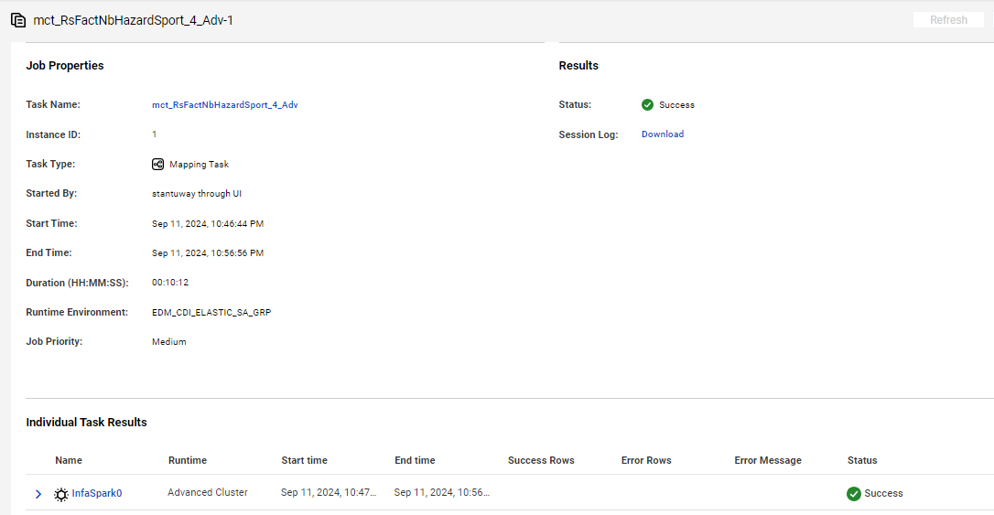
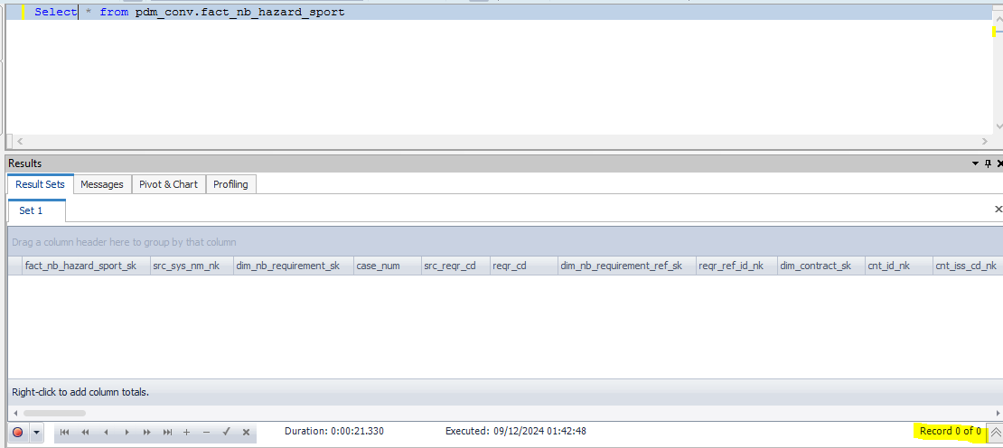

Data flow after first run

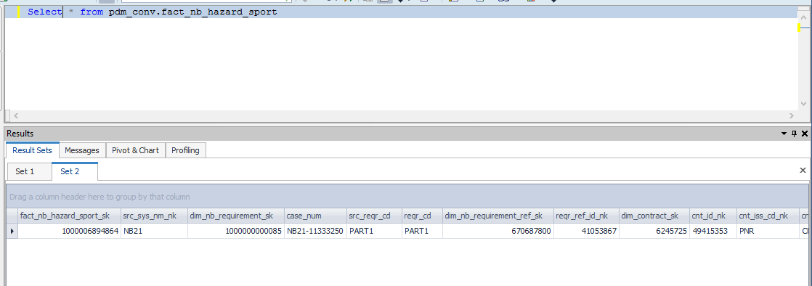

fact_nb_hazard_sport_sk | src_sys_nm_nk | dim_nb_requirement_sk | case_num | src_reqr_cd | reqr_cd | dim_nb_requirement_ref_sk | reqr_ref_id_nk | dim_contract_sk | cnt_id_nk | cnt_iss_cd_nk | cnt_dat_src_cd_nk | dim_nb_contract_sk | dim_nb_product_sk | product_cd | plan_cd | plan_ver_num | appl_tp_cd | dim_party_client_sk | src_cl_id | cl_id_nk | dim_application_party_role_sk | nb_cnt_party_role_nm | dim_nb_applicant_sk | src_iperson_ref_id_nk | hazard_dim_nb_question_sk | hazard_quest_cd_nk | hazard_quest_reply_ind | hazard_quest_reply_desc | hazard_quest_other_dtl_txt | scuba_dive_quest_cd | scuba_dive_reply_ind | cert_tp_desc | cert_other_dtl_txt | last_yr_scuba_dive_num | next_yr_scuba_dive_num | avg_dive_depth_in_feet | max_dive_depth_in_feet | dive_as_occup_ind | dive_as_occup_dtl_txt | spcl_dive_tp_ind | spcl_dive_tp_wreck_ind | spcl_dive_tp_cave_ind | spcl_dive_tp_salvage_ind | spcl_dive_tp_ice_ind | spcl_dive_tp_other_ind | spcl_dive_tp_other_dtl_txt | dive_alone_ind | dive_alone_dtl_txt | mntn_clmb_quest_cd | mntn_clmb_reply_ind | mntn_clmb_tp_ind | mntn_clmb_tp_class_1_nm | mntn_clmb_tp_class_2_nm | mntn_clmb_tp_class_3_nm | mntn_clmb_tp_class_4_nm | mntn_clmb_tp_class_5_nm | mntn_clmb_tp_class_6_nm | mntn_clmb_grade_desc | mntn_clmb_exepc_in_yr | mntn_clmb_exepc_in_mth | last_yr_mntn_clmb_num | next_yr_mntn_clmb_num | part_of_clmb_org_ind | clmb_org_dtl_txt | clmb_outsd_low_48_st_ind | clmb_outsd_low_48_st_dtl_txt | clmb_alone_ind | clmb_alone_dtl_txt | helicpr_ski_quest_cd | helicpr_ski_reply_ind | last_yr_heli_skied_num | next_yr_heli_skied_num | heli_ski_outsd_us_ind | heli_ski_outsd_us_dtl_txt | use_profesnl_guide_ind | use_profesnl_guide_dtl_txt | cave_explr_quest_cd | cave_explr_reply_ind | last_yr_cave_explr_num | cave_explr_outsd_us_ind | cave_explr_outsd_us_dtl_txt | uwtr_caving_actvt_ind | uwtr_caving_actvt_dtl_txt | hotair_baln_quest_cd | hotair_baln_reply_ind | hotair_baln_yr_in_hr | hotair_baln_height_in_feet | hotair_baln_mntn_ocean_ind | hotair_baln_compt_ind | hotair_baln_compt_dtl_txt | rodeo_rider_quest_cd | rodeo_rider_reply_ind | rodeo_event_bronco_rider_ind | rodeo_event_bull_rider_ind | rodeo_event_steer_wrslng_ind | rodeo_event_calf_rope_ind | rodeo_event_team_rope_ind | rodeo_event_other_ind | rodeo_event_other_dtl_txt | rodeo_profesnl_compt_ind | rodeo_profesnl_compt_dtl_txt | ultlgt_quest_cd | ultlgt_reply_ind | ultlgt_fly_in_hr | ultlgt_fly_acdnt_ind | ultlgt_fly_acdnt_dtl_txt | ultlgt_fly_pilot_lic_ind | hang_gliding_quest_cd | hand_glide_reply_ind | yr_hang_glide_in_hr | hang_glide_loc_nm | hang_glide_acdnt_ind | hang_glide_acdnt_dtl_txt | sky_dive_quest_cd | sky_dive_reply_ind | auto_race_quest_cd | auto_race_reply_ind | mcycl_race_quest_cd | mcycl_race_reply_ind | powrbt_race_quest_cd | powrbt_race_reply_ind | snwmbl_race_quest_cd | snwmbl_race_reply_ind | atv_race_quest_cd | atv_race_quest_ind | other_race_quest_cd | other_race_reply_ind | src_rec_sts_cd | edh_record_status_in | edh_created_batch_key | edh_created_ts | edh_created_nm | edh_updated_batch_key | edh_updated_ts | edh_updated_nm
1000006894864 | NB21 | 1000000000085 | NB21-11333250 | PART1 | PART1 | 670687800 | 41053867 | 6245725 | 49415353 | PNR | CMR | 10052967554 | 1000000000755 | WL | WL | 108 | New Application | -99 | 699578649 | 699578649 | -99 | UNKNOWN | 1000085817323 | 14936649 | -99 | UNK | 0 |  |  |  |  |  |  |  |  |  |  |  |  |  |  |  |  |  |  |  |  |  |  |  |  |  |  |  |  |  |  |  |  |  |  |  |  |  |  |  |  |  |  |  |  |  |  |  |  |  |  |  |  |  |  |  |  |  |  |  |  |  |  |  |  |  |  |  |  |  |  |  |  |  |  |  |  |  |  |  |  |  |  |  |  |  |  |  |  |  |  |  |  |  |  |  |  |  |  |  |  | Active | A | 20240911140533 | 9/12/24 | m_RsFactNbHazardSport_4_Adv

Scenario ID:2
NO Change Records

After Second Run count | 0 Record proceed/No Change With Data

IDMC Screenshot |  |  |  |  |  | DB Screenshot

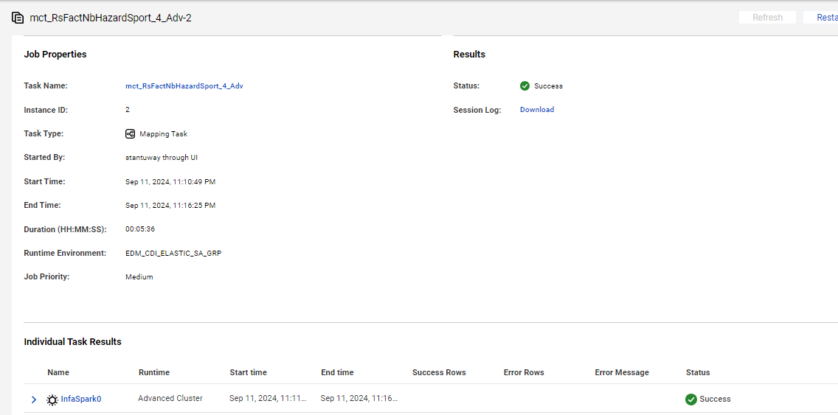
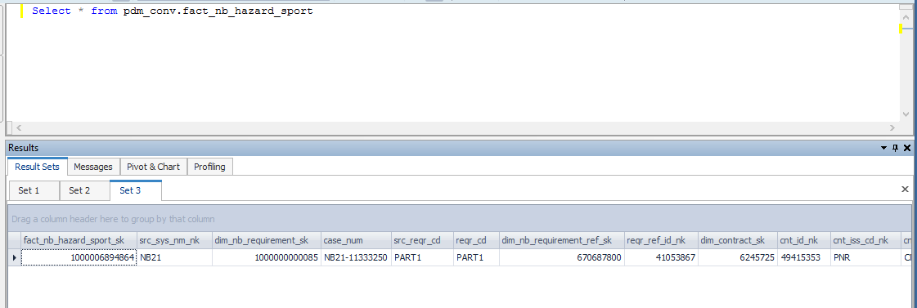

Second run data flow

fact_nb_hazard_sport_sk | src_sys_nm_nk | dim_nb_requirement_sk | case_num | src_reqr_cd | reqr_cd | dim_nb_requirement_ref_sk | reqr_ref_id_nk | dim_contract_sk | cnt_id_nk | cnt_iss_cd_nk | cnt_dat_src_cd_nk | dim_nb_contract_sk | dim_nb_product_sk | product_cd | plan_cd | plan_ver_num | appl_tp_cd | dim_party_client_sk | src_cl_id | cl_id_nk | dim_application_party_role_sk | nb_cnt_party_role_nm | dim_nb_applicant_sk | src_iperson_ref_id_nk | hazard_dim_nb_question_sk | hazard_quest_cd_nk | hazard_quest_reply_ind | hazard_quest_reply_desc | hazard_quest_other_dtl_txt | scuba_dive_quest_cd | scuba_dive_reply_ind | cert_tp_desc | cert_other_dtl_txt | last_yr_scuba_dive_num | next_yr_scuba_dive_num | avg_dive_depth_in_feet | max_dive_depth_in_feet | dive_as_occup_ind | dive_as_occup_dtl_txt | spcl_dive_tp_ind | spcl_dive_tp_wreck_ind | spcl_dive_tp_cave_ind | spcl_dive_tp_salvage_ind | spcl_dive_tp_ice_ind | spcl_dive_tp_other_ind | spcl_dive_tp_other_dtl_txt | dive_alone_ind | dive_alone_dtl_txt | mntn_clmb_quest_cd | mntn_clmb_reply_ind | mntn_clmb_tp_ind | mntn_clmb_tp_class_1_nm | mntn_clmb_tp_class_2_nm | mntn_clmb_tp_class_3_nm | mntn_clmb_tp_class_4_nm | mntn_clmb_tp_class_5_nm | mntn_clmb_tp_class_6_nm | mntn_clmb_grade_desc | mntn_clmb_exepc_in_yr | mntn_clmb_exepc_in_mth | last_yr_mntn_clmb_num | next_yr_mntn_clmb_num | part_of_clmb_org_ind | clmb_org_dtl_txt | clmb_outsd_low_48_st_ind | clmb_outsd_low_48_st_dtl_txt | clmb_alone_ind | clmb_alone_dtl_txt | helicpr_ski_quest_cd | helicpr_ski_reply_ind | last_yr_heli_skied_num | next_yr_heli_skied_num | heli_ski_outsd_us_ind | heli_ski_outsd_us_dtl_txt | use_profesnl_guide_ind | use_profesnl_guide_dtl_txt | cave_explr_quest_cd | cave_explr_reply_ind | last_yr_cave_explr_num | cave_explr_outsd_us_ind | cave_explr_outsd_us_dtl_txt | uwtr_caving_actvt_ind | uwtr_caving_actvt_dtl_txt | hotair_baln_quest_cd | hotair_baln_reply_ind | hotair_baln_yr_in_hr | hotair_baln_height_in_feet | hotair_baln_mntn_ocean_ind | hotair_baln_compt_ind | hotair_baln_compt_dtl_txt | rodeo_rider_quest_cd | rodeo_rider_reply_ind | rodeo_event_bronco_rider_ind | rodeo_event_bull_rider_ind | rodeo_event_steer_wrslng_ind | rodeo_event_calf_rope_ind | rodeo_event_team_rope_ind | rodeo_event_other_ind | rodeo_event_other_dtl_txt | rodeo_profesnl_compt_ind | rodeo_profesnl_compt_dtl_txt | ultlgt_quest_cd | ultlgt_reply_ind | ultlgt_fly_in_hr | ultlgt_fly_acdnt_ind | ultlgt_fly_acdnt_dtl_txt | ultlgt_fly_pilot_lic_ind | hang_gliding_quest_cd | hand_glide_reply_ind | yr_hang_glide_in_hr | hang_glide_loc_nm | hang_glide_acdnt_ind | hang_glide_acdnt_dtl_txt | sky_dive_quest_cd | sky_dive_reply_ind | auto_race_quest_cd | auto_race_reply_ind | mcycl_race_quest_cd | mcycl_race_reply_ind | powrbt_race_quest_cd | powrbt_race_reply_ind | snwmbl_race_quest_cd | snwmbl_race_reply_ind | atv_race_quest_cd | atv_race_quest_ind | other_race_quest_cd | other_race_reply_ind | src_rec_sts_cd | edh_record_status_in | edh_created_batch_key | edh_created_ts | edh_created_nm | edh_updated_batch_key | edh_updated_ts | edh_updated_nm
1000006894864 | NB21 | 1000000000085 | NB21-11333250 | PART1 | PART1 | 670687800 | 41053867 | 6245725 | 49415353 | PNR | CMR | 10052967554 | 1000000000755 | WL | WL | 108 | New Application | -99 | 699578649 | 699578649 | -99 | UNKNOWN | 1000085817323 | 14936649 | -99 | UNK | 0 |  |  |  |  |  |  |  |  |  |  |  |  |  |  |  |  |  |  |  |  |  |  |  |  |  |  |  |  |  |  |  |  |  |  |  |  |  |  |  |  |  |  |  |  |  |  |  |  |  |  |  |  |  |  |  |  |  |  |  |  |  |  |  |  |  |  |  |  |  |  |  |  |  |  |  |  |  |  |  |  |  |  |  |  |  |  |  |  |  |  |  |  |  |  |  |  |  |  |  |  | Active | A | 20240911140533 | 9/12/24 | m_RsFactNbHazardSport_4_Adv

Scenario ID:3
Update Scenario

Before executing the job

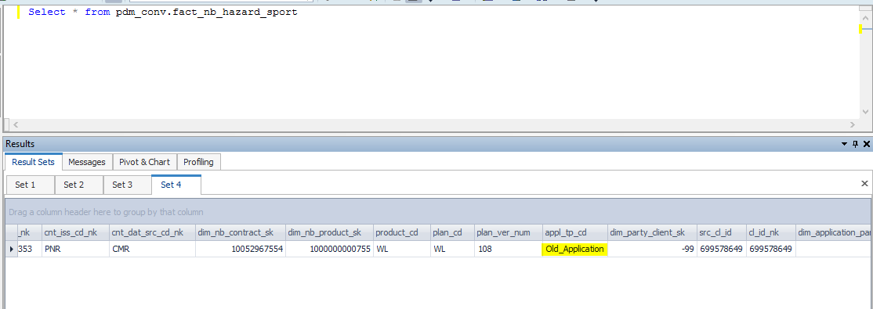

Data Flow before executing the update scenario

fact_nb_hazard_sport_sk | src_sys_nm_nk | dim_nb_requirement_sk | case_num | src_reqr_cd | reqr_cd | dim_nb_requirement_ref_sk | reqr_ref_id_nk | dim_contract_sk | cnt_id_nk | cnt_iss_cd_nk | cnt_dat_src_cd_nk | dim_nb_contract_sk | dim_nb_product_sk | product_cd | plan_cd | plan_ver_num | appl_tp_cd | dim_party_client_sk | src_cl_id | cl_id_nk | dim_application_party_role_sk | nb_cnt_party_role_nm | dim_nb_applicant_sk | src_iperson_ref_id_nk | hazard_dim_nb_question_sk | hazard_quest_cd_nk | hazard_quest_reply_ind | hazard_quest_reply_desc | hazard_quest_other_dtl_txt | scuba_dive_quest_cd | scuba_dive_reply_ind | cert_tp_desc | cert_other_dtl_txt | last_yr_scuba_dive_num | next_yr_scuba_dive_num | avg_dive_depth_in_feet | max_dive_depth_in_feet | dive_as_occup_ind | dive_as_occup_dtl_txt | spcl_dive_tp_ind | spcl_dive_tp_wreck_ind | spcl_dive_tp_cave_ind | spcl_dive_tp_salvage_ind | spcl_dive_tp_ice_ind | spcl_dive_tp_other_ind | spcl_dive_tp_other_dtl_txt | dive_alone_ind | dive_alone_dtl_txt | mntn_clmb_quest_cd | mntn_clmb_reply_ind | mntn_clmb_tp_ind | mntn_clmb_tp_class_1_nm | mntn_clmb_tp_class_2_nm | mntn_clmb_tp_class_3_nm | mntn_clmb_tp_class_4_nm | mntn_clmb_tp_class_5_nm | mntn_clmb_tp_class_6_nm | mntn_clmb_grade_desc | mntn_clmb_exepc_in_yr | mntn_clmb_exepc_in_mth | last_yr_mntn_clmb_num | next_yr_mntn_clmb_num | part_of_clmb_org_ind | clmb_org_dtl_txt | clmb_outsd_low_48_st_ind | clmb_outsd_low_48_st_dtl_txt | clmb_alone_ind | clmb_alone_dtl_txt | helicpr_ski_quest_cd | helicpr_ski_reply_ind | last_yr_heli_skied_num | next_yr_heli_skied_num | heli_ski_outsd_us_ind | heli_ski_outsd_us_dtl_txt | use_profesnl_guide_ind | use_profesnl_guide_dtl_txt | cave_explr_quest_cd | cave_explr_reply_ind | last_yr_cave_explr_num | cave_explr_outsd_us_ind | cave_explr_outsd_us_dtl_txt | uwtr_caving_actvt_ind | uwtr_caving_actvt_dtl_txt | hotair_baln_quest_cd | hotair_baln_reply_ind | hotair_baln_yr_in_hr | hotair_baln_height_in_feet | hotair_baln_mntn_ocean_ind | hotair_baln_compt_ind | hotair_baln_compt_dtl_txt | rodeo_rider_quest_cd | rodeo_rider_reply_ind | rodeo_event_bronco_rider_ind | rodeo_event_bull_rider_ind | rodeo_event_steer_wrslng_ind | rodeo_event_calf_rope_ind | rodeo_event_team_rope_ind | rodeo_event_other_ind | rodeo_event_other_dtl_txt | rodeo_profesnl_compt_ind | rodeo_profesnl_compt_dtl_txt | ultlgt_quest_cd | ultlgt_reply_ind | ultlgt_fly_in_hr | ultlgt_fly_acdnt_ind | ultlgt_fly_acdnt_dtl_txt | ultlgt_fly_pilot_lic_ind | hang_gliding_quest_cd | hand_glide_reply_ind | yr_hang_glide_in_hr | hang_glide_loc_nm | hang_glide_acdnt_ind | hang_glide_acdnt_dtl_txt | sky_dive_quest_cd | sky_dive_reply_ind | auto_race_quest_cd | auto_race_reply_ind | mcycl_race_quest_cd | mcycl_race_reply_ind | powrbt_race_quest_cd | powrbt_race_reply_ind | snwmbl_race_quest_cd | snwmbl_race_reply_ind | atv_race_quest_cd | atv_race_quest_ind | other_race_quest_cd | other_race_reply_ind | src_rec_sts_cd | edh_record_status_in | edh_created_batch_key | edh_created_ts | edh_created_nm | edh_updated_batch_key | edh_updated_ts | edh_updated_nm
1000006894864 | NB21 | 1000000000085 | NB21-11333250 | PART1 | PART1 | 670687800 | 41053867 | 6245725 | 49415353 | PNR | CMR | 10052967554 | 1000000000755 | WL | WL | 108 | Old_Application | -99 | 699578649 | 699578649 | -99 | UNKNOWN | 1000085817323 | 14936649 | -99 | UNK | 0 |  |  |  |  |  |  |  |  |  |  |  |  |  |  |  |  |  |  |  |  |  |  |  |  |  |  |  |  |  |  |  |  |  |  |  |  |  |  |  |  |  |  |  |  |  |  |  |  |  |  |  |  |  |  |  |  |  |  |  |  |  |  |  |  |  |  |  |  |  |  |  |  |  |  |  |  |  |  |  |  |  |  |  |  |  |  |  |  |  |  |  |  |  |  |  |  |  |  |  |  | Active | A | 20240911140533 | 9/12/24 | m_RsFactNbHazardSport_4_Adv

After executing the job

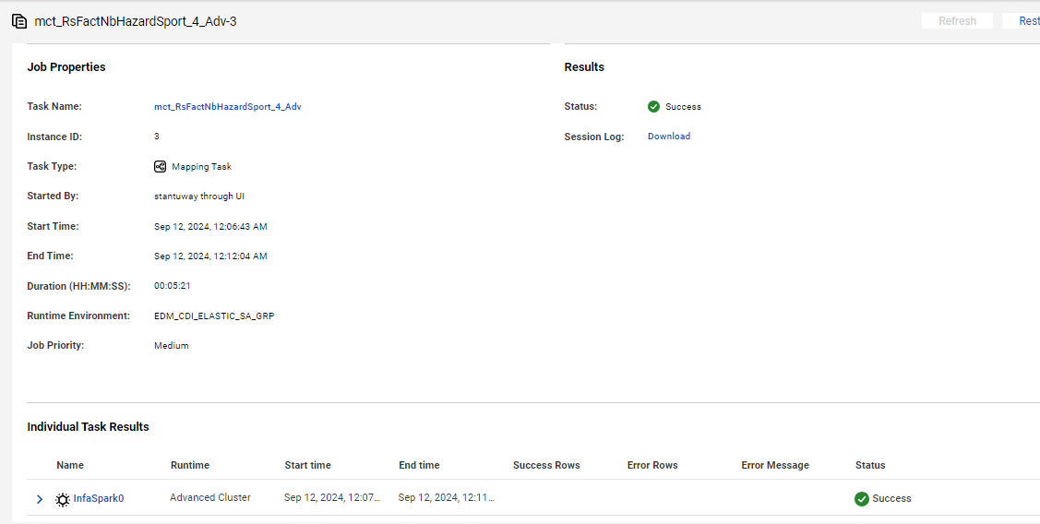
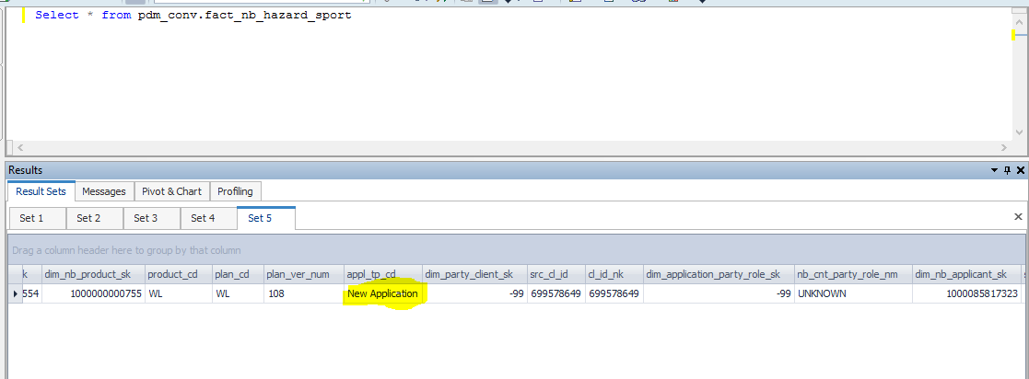

After Update the data flow in target

fact_nb_hazard_sport_sk | src_sys_nm_nk | dim_nb_requirement_sk | case_num | src_reqr_cd | reqr_cd | dim_nb_requirement_ref_sk | reqr_ref_id_nk | dim_contract_sk | cnt_id_nk | cnt_iss_cd_nk | cnt_dat_src_cd_nk | dim_nb_contract_sk | dim_nb_product_sk | product_cd | plan_cd | plan_ver_num | appl_tp_cd | dim_party_client_sk | src_cl_id | cl_id_nk | dim_application_party_role_sk | nb_cnt_party_role_nm | dim_nb_applicant_sk | src_iperson_ref_id_nk | hazard_dim_nb_question_sk | hazard_quest_cd_nk | hazard_quest_reply_ind | hazard_quest_reply_desc | hazard_quest_other_dtl_txt | scuba_dive_quest_cd | scuba_dive_reply_ind | cert_tp_desc | cert_other_dtl_txt | last_yr_scuba_dive_num | next_yr_scuba_dive_num | avg_dive_depth_in_feet | max_dive_depth_in_feet | dive_as_occup_ind | dive_as_occup_dtl_txt | spcl_dive_tp_ind | spcl_dive_tp_wreck_ind | spcl_dive_tp_cave_ind | spcl_dive_tp_salvage_ind | spcl_dive_tp_ice_ind | spcl_dive_tp_other_ind | spcl_dive_tp_other_dtl_txt | dive_alone_ind | dive_alone_dtl_txt | mntn_clmb_quest_cd | mntn_clmb_reply_ind | mntn_clmb_tp_ind | mntn_clmb_tp_class_1_nm | mntn_clmb_tp_class_2_nm | mntn_clmb_tp_class_3_nm | mntn_clmb_tp_class_4_nm | mntn_clmb_tp_class_5_nm | mntn_clmb_tp_class_6_nm | mntn_clmb_grade_desc | mntn_clmb_exepc_in_yr | mntn_clmb_exepc_in_mth | last_yr_mntn_clmb_num | next_yr_mntn_clmb_num | part_of_clmb_org_ind | clmb_org_dtl_txt | clmb_outsd_low_48_st_ind | clmb_outsd_low_48_st_dtl_txt | clmb_alone_ind | clmb_alone_dtl_txt | helicpr_ski_quest_cd | helicpr_ski_reply_ind | last_yr_heli_skied_num | next_yr_heli_skied_num | heli_ski_outsd_us_ind | heli_ski_outsd_us_dtl_txt | use_profesnl_guide_ind | use_profesnl_guide_dtl_txt | cave_explr_quest_cd | cave_explr_reply_ind | last_yr_cave_explr_num | cave_explr_outsd_us_ind | cave_explr_outsd_us_dtl_txt | uwtr_caving_actvt_ind | uwtr_caving_actvt_dtl_txt | hotair_baln_quest_cd | hotair_baln_reply_ind | hotair_baln_yr_in_hr | hotair_baln_height_in_feet | hotair_baln_mntn_ocean_ind | hotair_baln_compt_ind | hotair_baln_compt_dtl_txt | rodeo_rider_quest_cd | rodeo_rider_reply_ind | rodeo_event_bronco_rider_ind | rodeo_event_bull_rider_ind | rodeo_event_steer_wrslng_ind | rodeo_event_calf_rope_ind | rodeo_event_team_rope_ind | rodeo_event_other_ind | rodeo_event_other_dtl_txt | rodeo_profesnl_compt_ind | rodeo_profesnl_compt_dtl_txt | ultlgt_quest_cd | ultlgt_reply_ind | ultlgt_fly_in_hr | ultlgt_fly_acdnt_ind | ultlgt_fly_acdnt_dtl_txt | ultlgt_fly_pilot_lic_ind | hang_gliding_quest_cd | hand_glide_reply_ind | yr_hang_glide_in_hr | hang_glide_loc_nm | hang_glide_acdnt_ind | hang_glide_acdnt_dtl_txt | sky_dive_quest_cd | sky_dive_reply_ind | auto_race_quest_cd | auto_race_reply_ind | mcycl_race_quest_cd | mcycl_race_reply_ind | powrbt_race_quest_cd | powrbt_race_reply_ind | snwmbl_race_quest_cd | snwmbl_race_reply_ind | atv_race_quest_cd | atv_race_quest_ind | other_race_quest_cd | other_race_reply_ind | src_rec_sts_cd | edh_record_status_in | edh_created_batch_key | edh_created_ts | edh_created_nm | edh_updated_batch_key | edh_updated_ts | edh_updated_nm
1000006894864 | NB21 | 1000000000085 | NB21-11333250 | PART1 | PART1 | 670687800 | 41053867 | 6245725 | 49415353 | PNR | CMR | 10052967554 | 1000000000755 | WL | WL | 108 | New Application | -99 | 699578649 | 699578649 | -99 | UNKNOWN | 1000085817323 | 14936649 | -99 | UNK | 0 |  |  |  |  |  |  |  |  |  |  |  |  |  |  |  |  |  |  |  |  |  |  |  |  |  |  |  |  |  |  |  |  |  |  |  |  |  |  |  |  |  |  |  |  |  |  |  |  |  |  |  |  |  |  |  |  |  |  |  |  |  |  |  |  |  |  |  |  |  |  |  |  |  |  |  |  |  |  |  |  |  |  |  |  |  |  |  |  |  |  |  |  |  |  |  |  |  |  |  |  | Active | A | 20240911140533 | 9/12/24 | m_RsFactNbHazardSport_4_Adv | 20240911140533 | 9/12/24 | m_RsFactNbHazardSport_4_Adv

Scenario ID: 4
Delete Scenario

Source Query proccesing Record

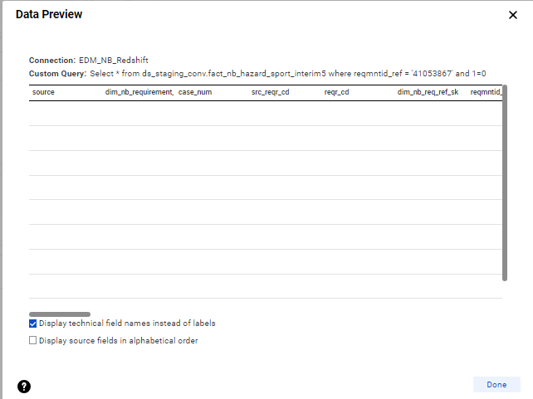

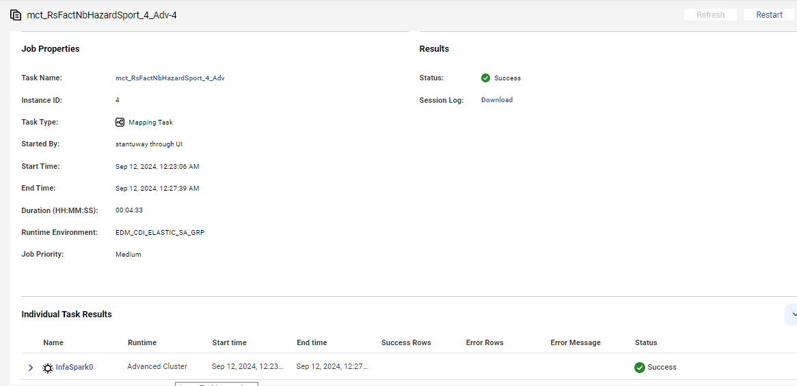
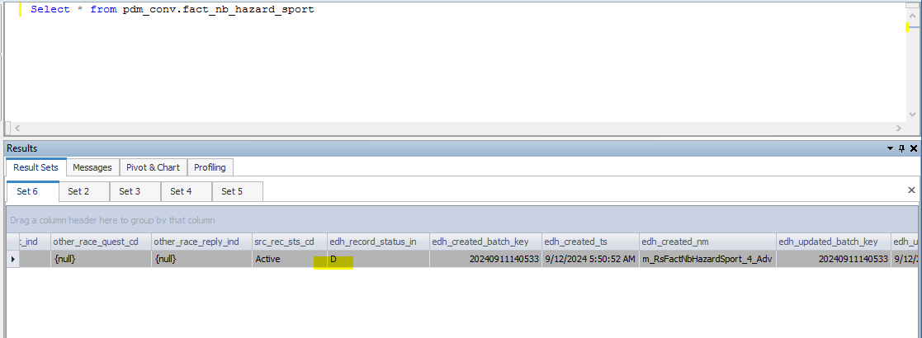

fact_nb_hazard_sport_sk | src_sys_nm_nk | dim_nb_requirement_sk | case_num | src_reqr_cd | reqr_cd | dim_nb_requirement_ref_sk | reqr_ref_id_nk | dim_contract_sk | cnt_id_nk | cnt_iss_cd_nk | cnt_dat_src_cd_nk | dim_nb_contract_sk | dim_nb_product_sk | product_cd | plan_cd | plan_ver_num | appl_tp_cd | dim_party_client_sk | src_cl_id | cl_id_nk | dim_application_party_role_sk | nb_cnt_party_role_nm | dim_nb_applicant_sk | src_iperson_ref_id_nk | hazard_dim_nb_question_sk | hazard_quest_cd_nk | hazard_quest_reply_ind | hazard_quest_reply_desc | hazard_quest_other_dtl_txt | scuba_dive_quest_cd | scuba_dive_reply_ind | cert_tp_desc | cert_other_dtl_txt | last_yr_scuba_dive_num | next_yr_scuba_dive_num | avg_dive_depth_in_feet | max_dive_depth_in_feet | dive_as_occup_ind | dive_as_occup_dtl_txt | spcl_dive_tp_ind | spcl_dive_tp_wreck_ind | spcl_dive_tp_cave_ind | spcl_dive_tp_salvage_ind | spcl_dive_tp_ice_ind | spcl_dive_tp_other_ind | spcl_dive_tp_other_dtl_txt | dive_alone_ind | dive_alone_dtl_txt | mntn_clmb_quest_cd | mntn_clmb_reply_ind | mntn_clmb_tp_ind | mntn_clmb_tp_class_1_nm | mntn_clmb_tp_class_2_nm | mntn_clmb_tp_class_3_nm | mntn_clmb_tp_class_4_nm | mntn_clmb_tp_class_5_nm | mntn_clmb_tp_class_6_nm | mntn_clmb_grade_desc | mntn_clmb_exepc_in_yr | mntn_clmb_exepc_in_mth | last_yr_mntn_clmb_num | next_yr_mntn_clmb_num | part_of_clmb_org_ind | clmb_org_dtl_txt | clmb_outsd_low_48_st_ind | clmb_outsd_low_48_st_dtl_txt | clmb_alone_ind | clmb_alone_dtl_txt | helicpr_ski_quest_cd | helicpr_ski_reply_ind | last_yr_heli_skied_num | next_yr_heli_skied_num | heli_ski_outsd_us_ind | heli_ski_outsd_us_dtl_txt | use_profesnl_guide_ind | use_profesnl_guide_dtl_txt | cave_explr_quest_cd | cave_explr_reply_ind | last_yr_cave_explr_num | cave_explr_outsd_us_ind | cave_explr_outsd_us_dtl_txt | uwtr_caving_actvt_ind | uwtr_caving_actvt_dtl_txt | hotair_baln_quest_cd | hotair_baln_reply_ind | hotair_baln_yr_in_hr | hotair_baln_height_in_feet | hotair_baln_mntn_ocean_ind | hotair_baln_compt_ind | hotair_baln_compt_dtl_txt | rodeo_rider_quest_cd | rodeo_rider_reply_ind | rodeo_event_bronco_rider_ind | rodeo_event_bull_rider_ind | rodeo_event_steer_wrslng_ind | rodeo_event_calf_rope_ind | rodeo_event_team_rope_ind | rodeo_event_other_ind | rodeo_event_other_dtl_txt | rodeo_profesnl_compt_ind | rodeo_profesnl_compt_dtl_txt | ultlgt_quest_cd | ultlgt_reply_ind | ultlgt_fly_in_hr | ultlgt_fly_acdnt_ind | ultlgt_fly_acdnt_dtl_txt | ultlgt_fly_pilot_lic_ind | hang_gliding_quest_cd | hand_glide_reply_ind | yr_hang_glide_in_hr | hang_glide_loc_nm | hang_glide_acdnt_ind | hang_glide_acdnt_dtl_txt | sky_dive_quest_cd | sky_dive_reply_ind | auto_race_quest_cd | auto_race_reply_ind | mcycl_race_quest_cd | mcycl_race_reply_ind | powrbt_race_quest_cd | powrbt_race_reply_ind | snwmbl_race_quest_cd | snwmbl_race_reply_ind | atv_race_quest_cd | atv_race_quest_ind | other_race_quest_cd | other_race_reply_ind | src_rec_sts_cd | edh_record_status_in | edh_created_batch_key | edh_created_ts | edh_created_nm | edh_updated_batch_key | edh_updated_ts | edh_updated_nm
1000006894864 | NB21 | 1000000000085 | NB21-11333250 | PART1 | PART1 | 670687800 | 41053867 | 6245725 | 49415353 | PNR | CMR | 10052967554 | 1000000000755 | WL | WL | 108 | New Application | -99 | 699578649 | 699578649 | -99 | UNKNOWN | 1000085817323 | 14936649 | -99 | UNK | 0 |  |  |  |  |  |  |  |  |  |  |  |  |  |  |  |  |  |  |  |  |  |  |  |  |  |  |  |  |  |  |  |  |  |  |  |  |  |  |  |  |  |  |  |  |  |  |  |  |  |  |  |  |  |  |  |  |  |  |  |  |  |  |  |  |  |  |  |  |  |  |  |  |  |  |  |  |  |  |  |  |  |  |  |  |  |  |  |  |  |  |  |  |  |  |  |  |  |  |  |  | Active | D | 20240911140533 | 9/12/24 | m_RsFactNbHazardSport_4_Adv | 20240911140533 | 9/12/24 | m_RsFactNbHazardSport_4_Adv

Scenario ID:5
Full Load

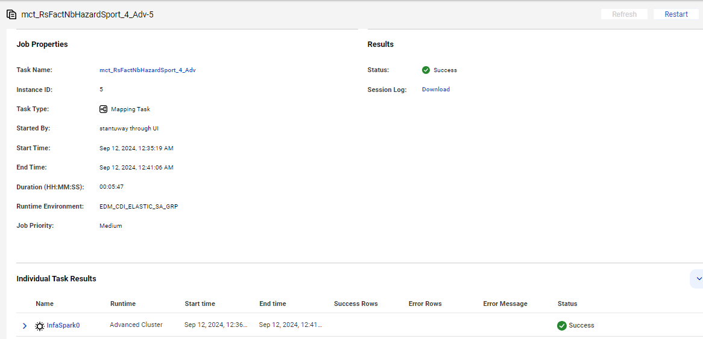
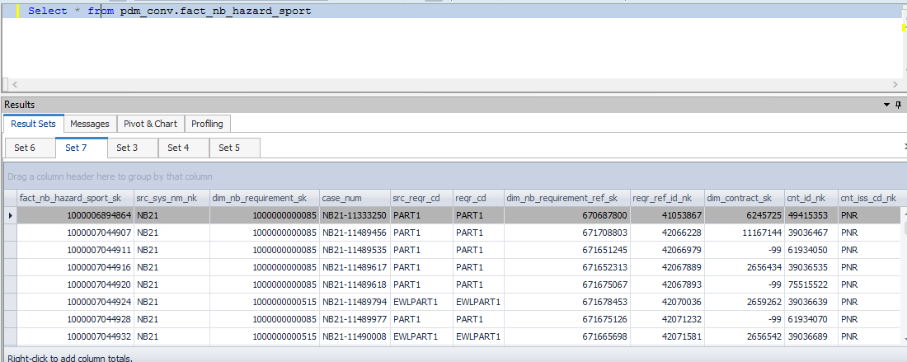

Data Flow after Full Load

fact_nb_hazard_sport_sk | src_sys_nm_nk | dim_nb_requirement_sk | case_num | src_reqr_cd | reqr_cd | dim_nb_requirement_ref_sk | reqr_ref_id_nk | dim_contract_sk | cnt_id_nk | cnt_iss_cd_nk | cnt_dat_src_cd_nk | dim_nb_contract_sk | dim_nb_product_sk | product_cd | plan_cd | plan_ver_num | appl_tp_cd | dim_party_client_sk | src_cl_id | cl_id_nk | dim_application_party_role_sk | nb_cnt_party_role_nm | dim_nb_applicant_sk | src_iperson_ref_id_nk | hazard_dim_nb_question_sk | hazard_quest_cd_nk | hazard_quest_reply_ind | hazard_quest_reply_desc | hazard_quest_other_dtl_txt | scuba_dive_quest_cd | scuba_dive_reply_ind | cert_tp_desc | cert_other_dtl_txt | last_yr_scuba_dive_num | next_yr_scuba_dive_num | avg_dive_depth_in_feet | max_dive_depth_in_feet | dive_as_occup_ind | dive_as_occup_dtl_txt | spcl_dive_tp_ind | spcl_dive_tp_wreck_ind | spcl_dive_tp_cave_ind | spcl_dive_tp_salvage_ind | spcl_dive_tp_ice_ind | spcl_dive_tp_other_ind | spcl_dive_tp_other_dtl_txt | dive_alone_ind | dive_alone_dtl_txt | mntn_clmb_quest_cd | mntn_clmb_reply_ind | mntn_clmb_tp_ind | mntn_clmb_tp_class_1_nm | mntn_clmb_tp_class_2_nm | mntn_clmb_tp_class_3_nm | mntn_clmb_tp_class_4_nm | mntn_clmb_tp_class_5_nm | mntn_clmb_tp_class_6_nm | mntn_clmb_grade_desc | mntn_clmb_exepc_in_yr | mntn_clmb_exepc_in_mth | last_yr_mntn_clmb_num | next_yr_mntn_clmb_num | part_of_clmb_org_ind | clmb_org_dtl_txt | clmb_outsd_low_48_st_ind | clmb_outsd_low_48_st_dtl_txt | clmb_alone_ind | clmb_alone_dtl_txt | helicpr_ski_quest_cd | helicpr_ski_reply_ind | last_yr_heli_skied_num | next_yr_heli_skied_num | heli_ski_outsd_us_ind | heli_ski_outsd_us_dtl_txt | use_profesnl_guide_ind | use_profesnl_guide_dtl_txt | cave_explr_quest_cd | cave_explr_reply_ind | last_yr_cave_explr_num | cave_explr_outsd_us_ind | cave_explr_outsd_us_dtl_txt | uwtr_caving_actvt_ind | uwtr_caving_actvt_dtl_txt | hotair_baln_quest_cd | hotair_baln_reply_ind | hotair_baln_yr_in_hr | hotair_baln_height_in_feet | hotair_baln_mntn_ocean_ind | hotair_baln_compt_ind | hotair_baln_compt_dtl_txt | rodeo_rider_quest_cd | rodeo_rider_reply_ind | rodeo_event_bronco_rider_ind | rodeo_event_bull_rider_ind | rodeo_event_steer_wrslng_ind | rodeo_event_calf_rope_ind | rodeo_event_team_rope_ind | rodeo_event_other_ind | rodeo_event_other_dtl_txt | rodeo_profesnl_compt_ind | rodeo_profesnl_compt_dtl_txt | ultlgt_quest_cd | ultlgt_reply_ind | ultlgt_fly_in_hr | ultlgt_fly_acdnt_ind | ultlgt_fly_acdnt_dtl_txt | ultlgt_fly_pilot_lic_ind | hang_gliding_quest_cd | hand_glide_reply_ind | yr_hang_glide_in_hr | hang_glide_loc_nm | hang_glide_acdnt_ind | hang_glide_acdnt_dtl_txt | sky_dive_quest_cd | sky_dive_reply_ind | auto_race_quest_cd | auto_race_reply_ind | mcycl_race_quest_cd | mcycl_race_reply_ind | powrbt_race_quest_cd | powrbt_race_reply_ind | snwmbl_race_quest_cd | snwmbl_race_reply_ind | atv_race_quest_cd | atv_race_quest_ind | other_race_quest_cd | other_race_reply_ind | src_rec_sts_cd | edh_record_status_in | edh_created_batch_key | edh_created_ts | edh_created_nm | edh_updated_batch_key | edh_updated_ts | edh_updated_nm
1000006894864 | NB21 | 1000000000085 | NB21-11333250 | PART1 | PART1 | 670687800 | 41053867 | 6245725 | 49415353 | PNR | CMR | 10052967554 | 1000000000755 | WL | WL | 108 | New Application | -99 | 699578649 | 699578649 | -99 | UNKNOWN | 1000085817323 | 14936649 | -99 | UNK | 0 |  |  |  |  |  |  |  |  |  |  |  |  |  |  |  |  |  |  |  |  |  |  |  |  |  |  |  |  |  |  |  |  |  |  |  |  |  |  |  |  |  |  |  |  |  |  |  |  |  |  |  |  |  |  |  |  |  |  |  |  |  |  |  |  |  |  |  |  |  |  |  |  |  |  |  |  |  |  |  |  |  |  |  |  |  |  |  |  |  |  |  |  |  |  |  |  |  |  |  |  | Active | A | 20240911140533 | 9/12/24 | m_RsFactNbHazardSport_4_Adv | 20240911140533 | 9/12/24 | m_RsFactNbHazardSport_4_Adv
1000007044907 | NB21 | 1000000000085 | NB21-11489456 | PART1 | PART1 | 671708803 | 42066228 | 11167144 | 39036467 | PNR | CMR | 10053011901 | 1000000000590 | WL | WL | 113 | New Application | -99 | 699019987 | 699019987 | -99 | UNKNOWN | 1000085884208 | 15446799 | -99 | UNK | 0 |  |  |  |  |  |  |  |  |  |  |  |  |  |  |  |  |  |  |  |  |  |  |  |  |  |  |  |  |  |  |  |  |  |  |  |  |  |  |  |  |  |  |  |  |  |  |  |  |  |  |  |  |  |  |  |  |  |  |  |  |  |  |  |  |  |  |  |  |  |  |  |  |  |  |  |  |  |  |  |  |  |  |  |  |  |  |  |  |  |  |  |  |  |  |  |  |  |  |  |  | Active | A | 20240911140533 | 9/12/24 | m_RsFactNbHazardSport_4_Adv
1000007044911 | NB21 | 1000000000085 | NB21-11489535 | PART1 | PART1 | 671651245 | 42066979 | -99 | 61934050 | PNR | UNK | 10053014911 | 1000000000648 | ULP | ULNPNQ | 111 | New Application | -99 | 699019972 | 699019972 | -99 | UNKNOWN | 1000085867644 | 15447000 | -99 | UNK | 0 |  |  |  |  |  |  |  |  |  |  |  |  |  |  |  |  |  |  |  |  |  |  |  |  |  |  |  |  |  |  |  |  |  |  |  |  |  |  |  |  |  |  |  |  |  |  |  |  |  |  |  |  |  |  |  |  |  |  |  |  |  |  |  |  |  |  |  |  |  |  |  |  |  |  |  |  |  |  |  |  |  |  |  |  |  |  |  |  |  |  |  |  |  |  |  |  |  |  |  |  | Active | A | 20240911140533 | 9/12/24 | m_RsFactNbHazardSport_4_Adv
1000007044916 | NB21 | 1000000000085 | NB21-11489617 | PART1 | PART1 | 671652313 | 42067889 | 2656434 | 39036535 | PNR | CMR | 10053012045 | 1000000000715 | LPL | LPL | 113 | New Application | -99 | 699019912 | 699019912 | -99 | UNKNOWN | 1000085832670 | 15447350 | -99 | UNK | 0 |  |  |  |  |  |  |  |  |  |  |  |  |  |  |  |  |  |  |  |  |  |  |  |  |  |  |  |  |  |  |  |  |  |  |  |  |  |  |  |  |  |  |  |  |  |  |  |  |  |  |  |  |  |  |  |  |  |  |  |  |  |  |  |  |  |  |  |  |  |  |  |  |  |  |  |  |  |  |  |  |  |  |  |  |  |  |  |  |  |  |  |  |  |  |  |  |  |  |  |  | Active | A | 20240911140533 | 9/12/24 | m_RsFactNbHazardSport_4_Adv
1000007044920 | NB21 | 1000000000085 | NB21-11489618 | PART1 | PART1 | 671675067 | 42067893 | -99 | 75515522 | PNR | UNK | 10053012053 | 1000000000601 | SVUL | SVULNQ | 112 | New Application | -99 | 699019804 | 699019804 | -99 | UNKNOWN | 1000085676492 | 15447358 | -99 | UNK | 0 |  |  |  |  |  |  |  |  |  |  |  |  |  |  |  |  |  |  |  |  |  |  |  |  |  |  |  |  |  |  |  |  |  |  |  |  |  |  |  |  |  |  |  |  |  |  |  |  |  |  |  |  |  |  |  |  |  |  |  |  |  |  |  |  |  |  |  |  |  |  |  |  |  |  |  |  |  |  |  |  |  |  |  |  |  |  |  |  |  |  |  |  |  |  |  |  |  |  |  |  | Active | A | 20240911140533 | 9/12/24 | m_RsFactNbHazardSport_4_Adv
1000007044924 | NB21 | 1000000000515 | NB21-11489794 | EWLPART1 | EWLPART1 | 671678453 | 42070036 | 2659262 | 39036639 | PNR | CMR | 10053018770 | 1000000000666 | EWLSI | EWLSI | 113 | New Application | -99 | 699019787 | 699019787 | 12 | First Primary Insured | 1000085939701 | 15448014 | -99 | UNK |  |  |  |  |  |  |  |  |  |  |  |  |  |  |  |  |  |  |  |  |  |  |  |  |  |  |  |  |  |  |  |  |  |  |  |  |  |  |  |  |  |  |  |  |  |  |  |  |  |  |  |  |  |  |  |  |  |  |  |  |  |  |  |  |  |  |  |  |  |  |  |  |  |  |  |  |  |  |  |  |  |  |  |  |  |  |  |  |  |  |  |  |  |  |  |  |  |  |  |  |  | Active | A | 20240911140533 | 9/12/24 | m_RsFactNbHazardSport_4_Adv
1000007044928 | NB21 | 1000000000085 | NB21-11489977 | PART1 | PART1 | 671675126 | 42071232 | -99 | 61934070 | PNR | UNK | 10053016987 | 1000000000648 | ULP | ULNPNQ | 111 | New Application | -99 | 699019330 | 699019330 | -99 | UNKNOWN | 1000085895128 | 15448620 | -99 | UNK | 0 |  |  |  |  |  |  |  |  |  |  |  |  |  |  |  |  |  |  |  |  |  |  |  |  |  |  |  |  |  |  |  |  |  |  |  |  |  |  |  |  |  |  |  |  |  |  |  |  |  |  |  |  |  |  |  |  |  |  |  |  |  |  |  |  |  |  |  |  |  |  |  |  |  |  |  |  |  |  |  |  |  |  |  |  |  |  |  |  |  |  |  |  |  |  |  |  |  |  |  |  | Active | A | 20240911140533 | 9/12/24 | m_RsFactNbHazardSport_4_Adv
1000007044932 | NB21 | 1000000000515 | NB21-11490008 | EWLPART1 | EWLPART1 | 671665698 | 42071581 | 2656542 | 39036689 | PNR | CMR | 10053022281 | 1000000000666 | EWLSI | EWLSI | 113 | New Application | -99 | 699019242 | 699019242 | 12 | First Primary Insured | 1000085893892 | 15448758 | -99 | UNK |  |  |  |  |  |  |  |  |  |  |  |  |  |  |  |  |  |  |  |  |  |  |  |  |  |  |  |  |  |  |  |  |  |  |  |  |  |  |  |  |  |  |  |  |  |  |  |  |  |  |  |  |  |  |  |  |  |  |  |  |  |  |  |  |  |  |  |  |  |  |  |  |  |  |  |  |  |  |  |  |  |  |  |  |  |  |  |  |  |  |  |  |  |  |  |  |  |  |  |  |  | Active | A | 20240911140533 | 9/12/24 | m_RsFactNbHazardSport_4_Adv
1000007044936 | NB21 | 1000000000085 | NB21-11490024 | PART1 | PART1 | 671675774 | 42071801 | -99 | 61934073 | PNR | UNK | 10053015271 | 1000000000648 | ULP | ULNPNQ | 111 | New Application | -99 | 699019139 | 699019139 | -99 | UNKNOWN | 1000085892351 | 15448826 | -99 | UNK | 0 |  |  |  |  |  |  |  |  |  |  |  |  |  |  |  |  |  |  |  |  |  |  |  |  |  |  |  |  |  |  |  |  |  |  |  |  |  |  |  |  |  |  |  |  |  |  |  |  |  |  |  |  |  |  |  |  |  |  |  |  |  |  |  |  |  |  |  |  |  |  |  |  |  |  |  |  |  |  |  |  |  |  |  |  |  |  |  |  |  |  |  |  |  |  |  |  |  |  |  |  | Active | A | 20240911140533 | 9/12/24 | m_RsFactNbHazardSport_4_Adv
1000007044939 | NB21 | 1000000000085 | NB21-11490075 | PART1 | PART1 | 671676326 | 42072390 | 2662580 | 39036748 | PNR | CMR | 10053013264 | 1000000000737 | FPT | FPTNQ | 106 | New Application | -99 | 699018865 | 699018865 | -99 | UNKNOWN | 1000085896565 | 15449026 | -99 | UNK | 0 |  |  |  |  |  |  |  |  |  |  |  |  |  |  |  |  |  |  |  |  |  |  |  |  |  |  |  |  |  |  |  |  |  |  |  |  |  |  |  |  |  |  |  |  |  |  |  |  |  |  |  |  |  |  |  |  |  |  |  |  |  |  |  |  |  |  |  |  |  |  |  |  |  |  |  |  |  |  |  |  |  |  |  |  |  |  |  |  |  |  |  |  |  |  |  |  |  |  |  |  | Active | A | 20240911140533 | 9/12/24 | m_RsFactNbHazardSport_4_Adv

