UT Document Proofs
Job Details: | mct_RsFactNbHazardSport_Extract
Target Table Before First Run:- | Number of Records =0

MCT First Run Status In IDMC

Database Screenshot Before

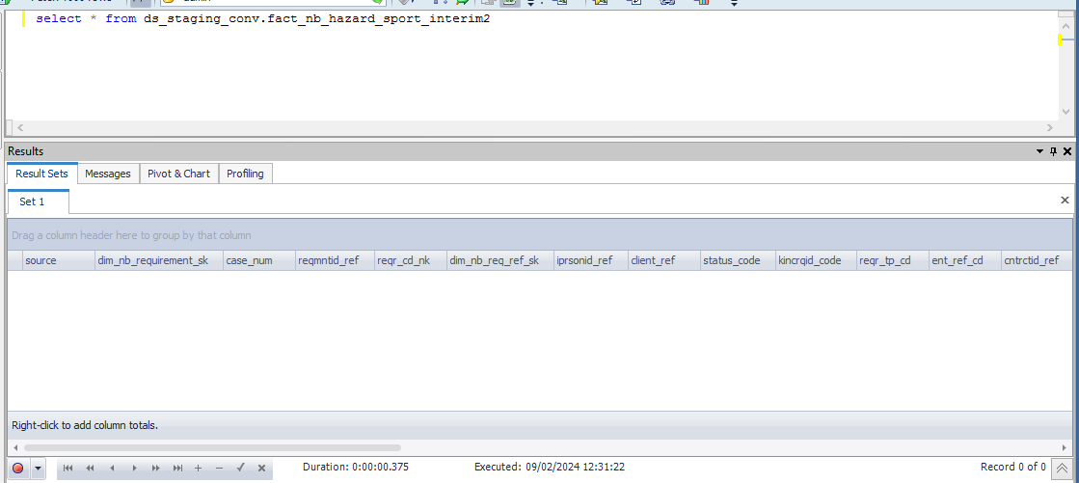

 |  |  |  |  |  |  |  |  |  |  | Database Screenshot After
IDMC Screenshot

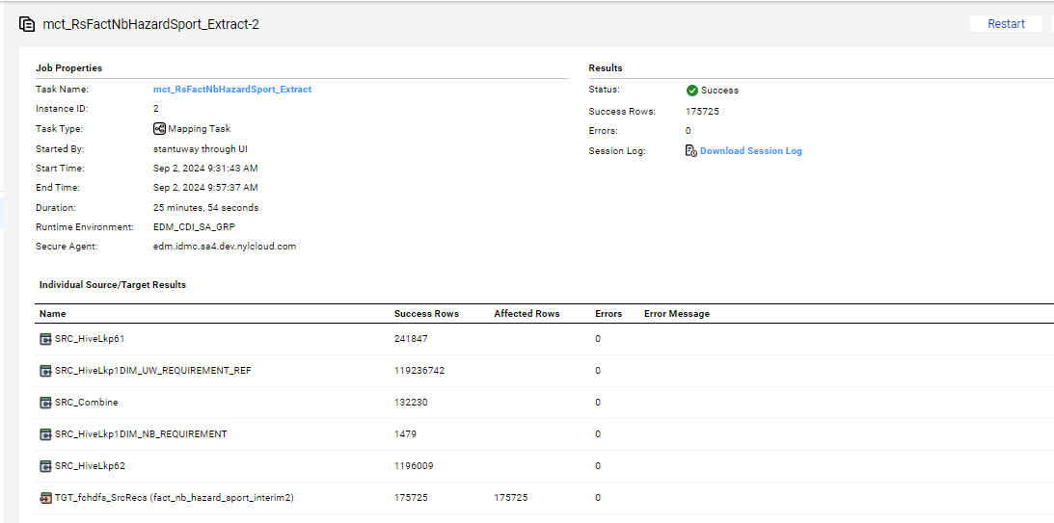
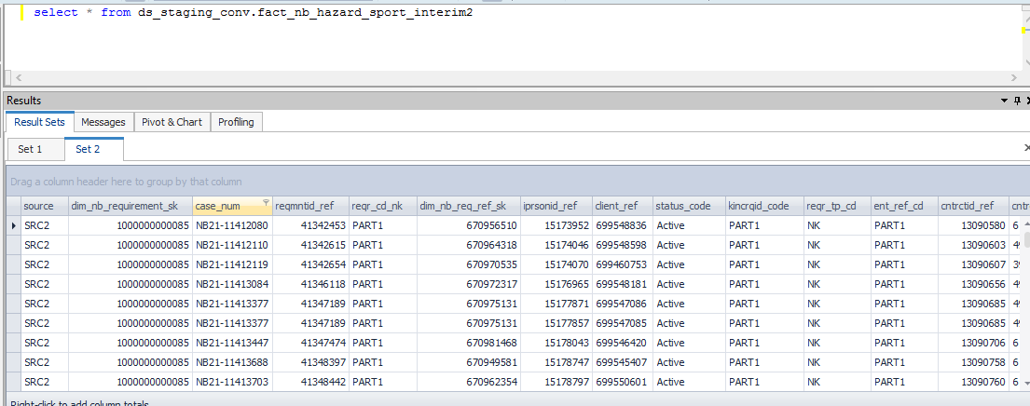

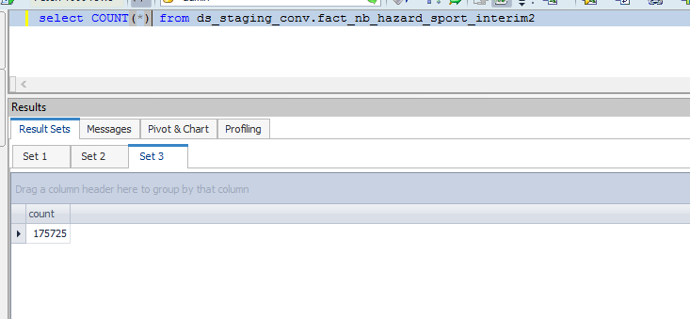

Full Load

source | dim_nb_requirement_sk | case_num | reqmntid_ref | reqr_cd_nk | dim_nb_req_ref_sk | iprsonid_ref | client_ref | status_code | kincrqid_code | reqr_tp_cd | ent_ref_cd | cntrctid_ref | cntrctid_number_ct | issue_code_decode | cntrctid_ref_ct | clr_edh_record_status_in | ur_edh_record_status_in | r_edh_record_status_in | clir_edh_record_status_in | cr_edh_record_status_in | ip_edh_record_status_in | p_edh_record_status_in | clr_status_ref | ur_status_ref | r_status_ref | clir_status_ref | cr_status_ref | ip_status_ref | p_status_ref
SRC2 | 1000000000085 | NB21-11412080 | 41342453 | PART1 | 670956510 | 15173952 | 699548836 | Active | PART1 | NK | PART1 | 13090580 | 61928888 | PNR | 13090580 |  |  |  |  |  |  |  | 10000000 | 10000000 | 10000000 | 10000000 | 10000000 | 10000000 | 10000000
SRC2 | 1000000000085 | NB21-11412110 | 41342615 | PART1 | 670964318 | 15174046 | 699548598 | Active | PART1 | NK | PART1 | 13090603 | 49416053 | PNR | 13090603 |  |  |  |  |  |  |  | 10000000 | 10000000 | 10000000 | 10000000 | 10000000 | 10000000 | 10000000
SRC2 | 1000000000085 | NB21-11412119 | 41342654 | PART1 | 670970535 | 15174070 | 699460753 | Active | PART1 | NK | PART1 | 13090607 | 39003059 | PNR | 13090607 |  |  |  |  |  |  |  | 10000000 | 10000000 | 10000000 | 10000000 | 10000000 | 10000000 | 10000000
SRC2 | 1000000000085 | NB21-11413084 | 41346118 | PART1 | 670972317 | 15176965 | 699548181 | Active | PART1 | NK | PART1 | 13090656 | 49416058 | PNR | 13090656 |  |  |  |  |  |  |  | 10000000 | 10000000 | 10000000 | 10000000 | 10000000 | 10000000 | 10000000
SRC2 | 1000000000085 | NB21-11413377 | 41347189 | PART1 | 670975131 | 15177871 | 699547086 | Active | PART1 | NK | PART1 | 13090685 | 49416059 | PNR | 13090685 |  |  |  |  |  |  |  | 10000000 | 10000000 | 10000000 | 10000000 | 10000000 | 10000000 | 10000000
SRC2 | 1000000000085 | NB21-11413377 | 41347189 | PART1 | 670975131 | 15177857 | 699547085 | Active | PART1 | NK | PART1 | 13090685 | 49416059 | PNR | 13090685 |  |  |  |  |  |  |  | 10000000 | 10000000 | 10000000 | 10000000 | 10000000 | 10000000 | 10000000
SRC2 | 1000000000085 | NB21-11413447 | 41347474 | PART1 | 670981468 | 15178043 | 699546420 | Active | PART1 | NK | PART1 | 13090706 | 61928904 | PNR | 13090706 |  |  |  |  |  |  |  | 10000000 | 10000000 | 10000000 | 10000000 | 10000000 | 10000000 | 10000000
SRC2 | 1000000000085 | NB21-11413688 | 41348397 | PART1 | 670949581 | 15178747 | 699545407 | Active | PART1 | NK | PART1 | 13090758 | 61928918 | PNR | 13090758 |  |  |  |  |  |  |  | 10000000 | 10000000 | 10000000 | 10000000 | 10000000 | 10000000 | 10000000
SRC2 | 1000000000085 | NB21-11413703 | 41348442 | PART1 | 670962354 | 15178797 | 699550601 | Active | PART1 | NK | PART1 | 13090760 | 61928919 | PNR | 13090760 |  |  |  |  |  |  |  | 10000000 | 10000000 | 10000000 | 10000000 | 10000000 | 10000000 | 10000000
SRC2 | 1000000000085 | NB21-11414578 | 41351524 | PART1 | 670977045 | 15181418 | 699544523 | Active | PART1 | NK | PART1 | 13090767 | 49416060 | PNR | 13090767 |  |  |  |  |  |  |  | 10000000 | 10000000 | 10000000 | 10000000 | 10000000 | 10000000 | 10000000

