UT Document Proofs
Job Details: | mct_RsFactNbHazardSport_SrcExtract
Target Table Before First Run:- | Number of Records =0

MCT First Run Status In IDMC

Database Screenshot Before

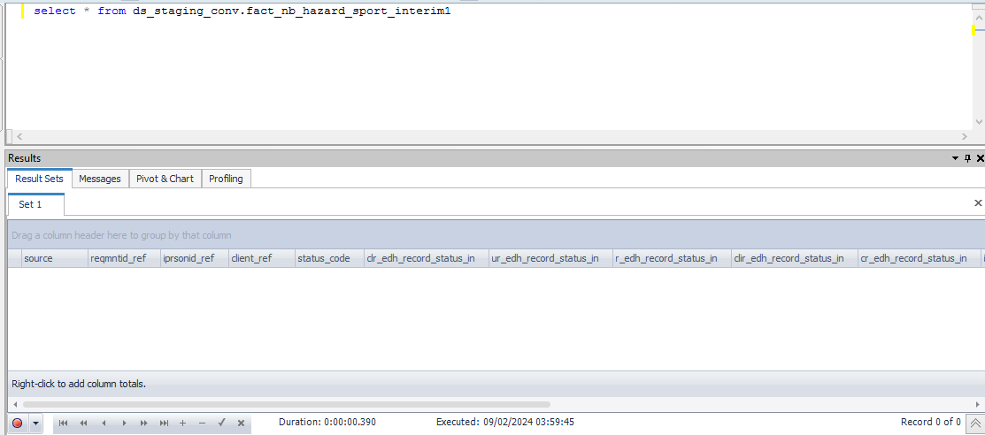

 |  |  |  |  |  |  |  |  |  |  | Database Screenshot After
IDMC Screenshot

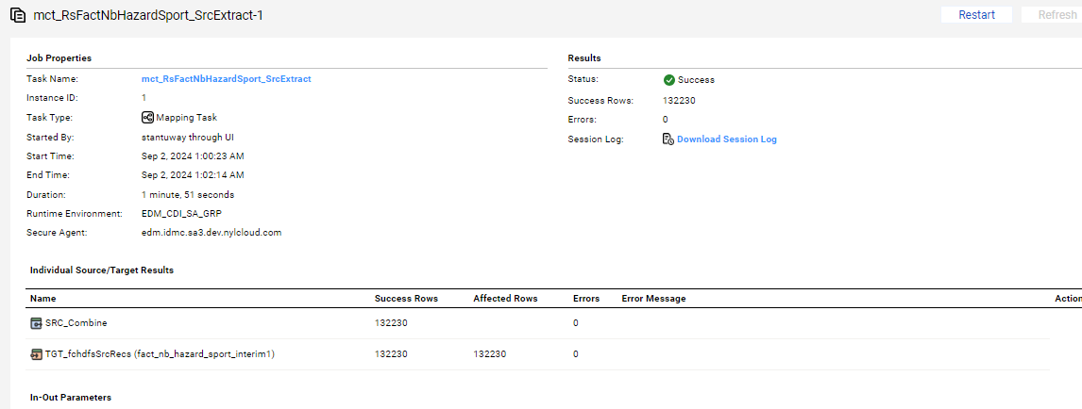
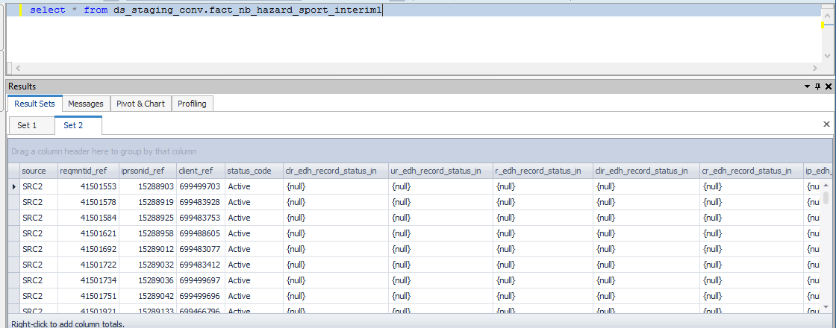

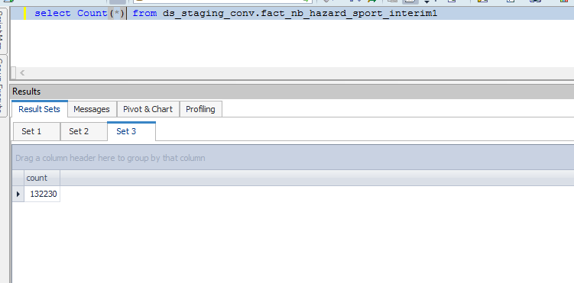

Full Load

source | reqmntid_ref | iprsonid_ref | client_ref | status_code | clr_edh_record_status_in | ur_edh_record_status_in | r_edh_record_status_in | clir_edh_record_status_in | cr_edh_record_status_in | ip_edh_record_status_in | p_edh_record_status_in | clr_status_ref | ur_status_ref | r_status_ref | clir_status_ref | cr_status_ref | ip_status_ref | p_status_ref
SRC2 | 41501553 | 15288903 | 699499703 | Active |  |  |  |  |  |  |  | 10000000 | 10000000 | 10000000 | 10000000 | 10000000 | 10000000 | 10000000
SRC2 | 41501578 | 15288919 | 699483928 | Active |  |  |  |  |  |  |  | 10000000 | 10000000 | 10000000 | 10000000 | 10000000 | 10000000 | 10000000
SRC2 | 41501584 | 15288925 | 699483753 | Active |  |  |  |  |  |  |  | 10000000 | 10000000 | 10000000 | 10000000 | 10000000 | 10000000 | 10000000
SRC2 | 41501621 | 15288958 | 699488605 | Active |  |  |  |  |  |  |  | 10000000 | 10000000 | 10000000 | 10000000 | 10000000 | 10000000 | 10000000
SRC2 | 41501692 | 15289012 | 699483077 | Active |  |  |  |  |  |  |  | 10000000 | 10000000 | 10000000 | 10000000 | 10000000 | 10000000 | 10000000
SRC2 | 41501722 | 15289032 | 699483412 | Active |  |  |  |  |  |  |  | 10000000 | 10000000 | 10000000 | 10000000 | 10000000 | 10000000 | 10000000
SRC2 | 41501734 | 15289036 | 699499697 | Active |  |  |  |  |  |  |  | 10000000 | 10000000 | 10000000 | 10000000 | 10000000 | 10000000 | 10000000
SRC2 | 41501751 | 15289042 | 699499696 | Active |  |  |  |  |  |  |  | 10000000 | 10000000 | 10000000 | 10000000 | 10000000 | 10000000 | 10000000
SRC2 | 41501921 | 15289133 | 699466796 | Active |  |  |  |  |  |  |  | 10000000 | 10000000 | 10000000 | 10000000 | 10000000 | 10000000 | 10000000
SRC2 | 41501977 | 15289177 | 699466792 | Active |  |  |  |  |  |  |  | 10000000 | 10000000 | 10000000 | 10000000 | 10000000 | 10000000 | 10000000

