UT Document Proofs
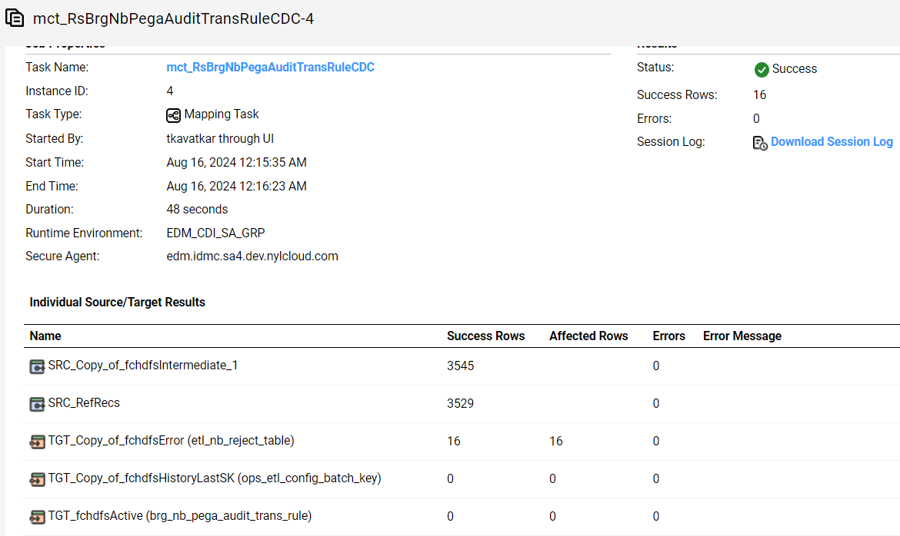
Job Details: | mct_RsBrgNbPegaAuditTransRuleCDC
Target Table Before First Run:- | Number of Records =0

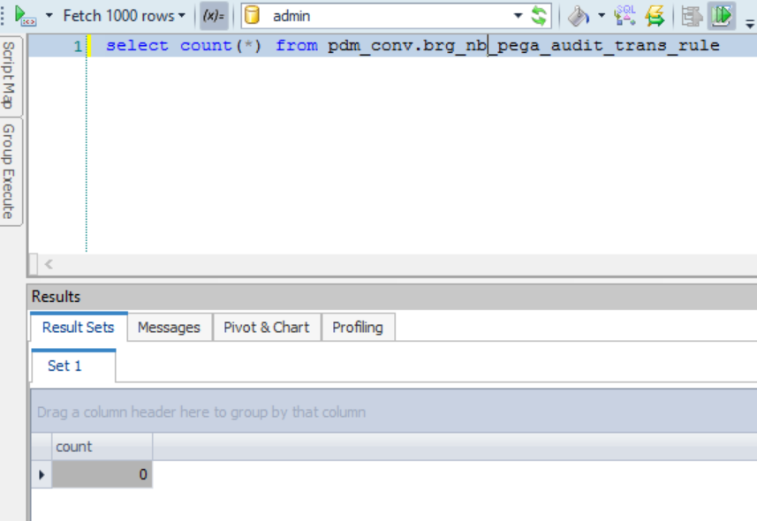

Scenario ID:1
Full Load into Target

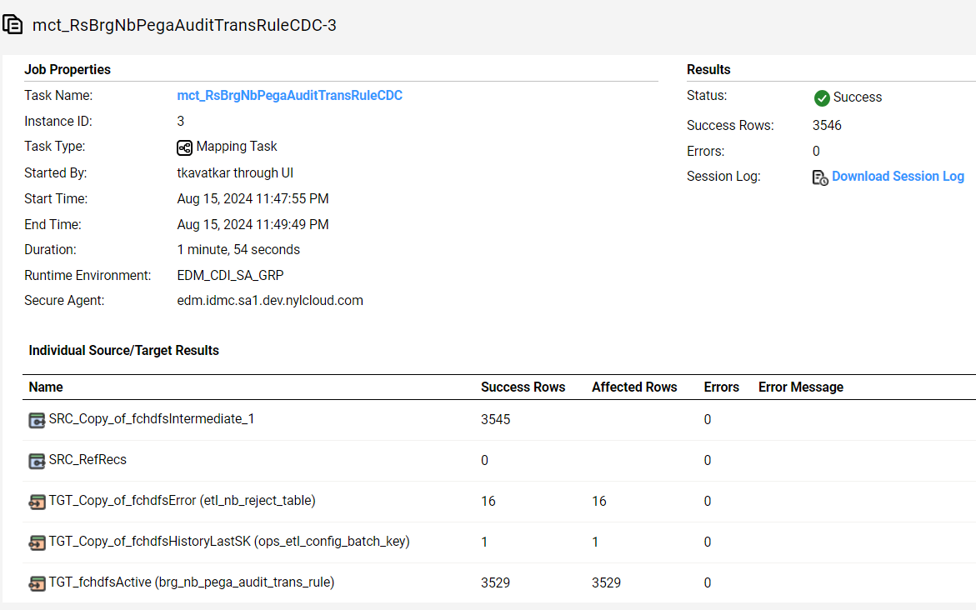

Database :-

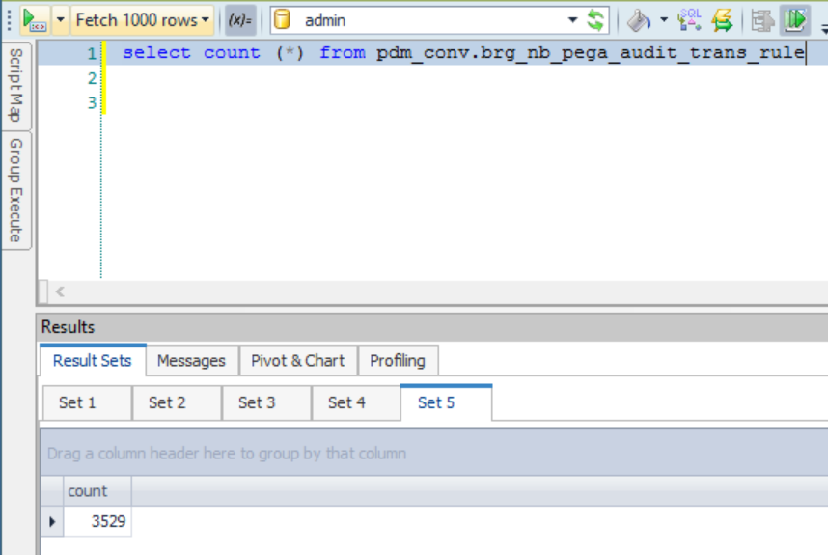

brg_nb_pega_audit_trans_rule_sk | src_sys_nm_nk | fact_nb_pega_audit_trans_sk | case_num | dim_contract_sk | cnt_id_nk | cnt_iss_cd_nk | cnt_dat_src_cd_nk | dim_nb_contract_sk | src_cnt_id | dim_nb_applicant_sk | dim_party_client_sk | src_cl_id | cl_id_nk | pega_trans_id | pega_trans_guid | rule_key_num | rule_nm | rule_val | src_nm | rule_tp | rsn_cd | rsn_desc | rsn_dtl_desc | model_fail_rsn_rank | input_dat_nm | input_dat_val | case_excld_ind | rule_updt_ts | src_rec_sts_cd | edh_record_status_in | edh_created_batch_key | edh_created_ts | edh_created_nm | edh_updated_batch_key | edh_updated_ts | edh_updated_nm
1000236657001 | NB21 | 1000000124 | NB21-20169051 | 35061525 | 28422068 | PNR | CMR | 10044900950 | 28422068 | -99 | -99 | 351069868 | 351069868 | f6fa7779-03f8-4d38-b65b-309fdb1d9d0b | LIFTREQ1378295-d2e1 | 16 | Motorcycle Racing Exclusion | INCLUDE | TeleApp | Exclusion | NF | NF | NF |  | Motorcycle Riding Indicator | FALSE | F | 11/21/23 | Active | A | 20240810105732 | 8/16/24 | m_RsBrgNbPegaAuditTransRuleCDC
1000236657008 | NB21 | 1000000167 | NB21-15540336 | 9603419 | 14733315 | PNR | CMR | 10050453357 | 14733315 | -99 | -99 | 697387329 | 697387329 | e46d4563-4cbc-4d06-bc72-e8095f708329 |  | 4 | TAAR Eligibility | INCLUDE | NB Web Service | Eligibility | NF | NF | NF |  | TAAR | 250000 | F | 11/21/23 | Active | A | 20240810105732 | 8/16/24 | m_RsBrgNbPegaAuditTransRuleCDC
1000236657010 | NB21 | 1000000167 | NB21-15540336 | 9603419 | 14733315 | PNR | CMR | 10050453357 | 14733315 | -99 | -99 | 697387329 | 697387329 | e46d4563-4cbc-4d06-bc72-e8095f708329 |  | 14 | Foreign Resident Exclusion | INCLUDE | TeleApp | Exclusion | NF | NF | NF |  | No of Days Live Outside For Past Year | NF | F | 11/21/23 | Active | A | 20240810105732 | 8/16/24 | m_RsBrgNbPegaAuditTransRuleCDC
1000236657023 | NB21 | 1000000124 | NB21-20169051 | 35061525 | 28422068 | PNR | CMR | 10044900950 | 28422068 | -99 | -99 | 351069868 | 351069868 | f6fa7779-03f8-4d38-b65b-309fdb1d9d0b | LIFTREQ1378295-d2e1 | 6 | Application Type Eligibility | INCLUDE | Part 1 | Eligibility | NF | NF | NF |  | In Person Indicator | TRUE | F | 11/21/23 | Active | A | 20240810105732 | 8/16/24 | m_RsBrgNbPegaAuditTransRuleCDC
1000236657037 | NB21 | 1000000167 | NB21-15540336 | 9603419 | 14733315 | PNR | CMR | 10050453357 | 14733315 | -99 | -99 | 697387329 | 697387329 | e46d4563-4cbc-4d06-bc72-e8095f708329 |  | 21 | Automobile Racing Exclusion | INCLUDE | TeleApp | Exclusion | NF | NF | NF |  | Automobile Racing Indicator | FALSE | F | 11/21/23 | Active | A | 20240810105732 | 8/16/24 | m_RsBrgNbPegaAuditTransRuleCDC
1000236657038 | NB21 | 1000000135 | NB21-20173796 | -99 | 28426322 | PNR | UNK | 10044913004 | 28426322 | -99 | -99 | 351069759 | 351069759 | b4733d31-085a-4169-9513-a8072bcb4e21 | LIFTREQ1020776-d10e1 | 11 | Foreign Resident Exclusion | NF | TeleApp | Exclusion | COM00001 | Missing Input | Missing Input |  | NF | NF | U | 11/21/23 | Active | A | 20240810105732 | 8/16/24 | m_RsBrgNbPegaAuditTransRuleCDC
1000236657040 | NB21 | 1000000121 | NB21-20175456 | 35330214 | 28426331 | PNR | CMR | 10044918034 | 28426331 | -99 | -99 | 351069790 | 351069790 | ba446bee-8818-4923-a654-e2beed7559cd | LIFTREQ1021560-d14e1 | 3 | Foreign Resident Eligibility | INCLUDE | TeleApp | Eligibility | NF | NF | NF |  | No of Days Live Outside For Past Year | NF | F | 11/21/23 | Active | A | 20240810105732 | 8/16/24 | m_RsBrgNbPegaAuditTransRuleCDC
1000236657066 | NB21 | 1000000167 | NB21-15540336 | 9603419 | 14733315 | PNR | CMR | 10050453357 | 14733315 | -99 | -99 | 697387329 | 697387329 | e46d4563-4cbc-4d06-bc72-e8095f708329 |  | 24 | Cave Exploration Exclusion | INCLUDE | TeleApp | Exclusion | NF | NF | NF |  | Cave Exploration Indicator | FALSE | F | 11/21/23 | Active | A | 20240810105732 | 8/16/24 | m_RsBrgNbPegaAuditTransRuleCDC
1000236657796 | NB21 | 1000000167 | NB21-15540336 | 9603419 | 14733315 | PNR | CMR | 10050453357 | 14733315 | -99 | -99 | 697387329 | 697387329 | e46d4563-4cbc-4d06-bc72-e8095f708329 |  | 34 | Calculate BMI | 23.62529217 | TeleApp | Calculation | NF | NF | NF |  | Height Feet | 5 | U | 11/21/23 | Active | A | 20240810105732 | 8/16/24 | m_RsBrgNbPegaAuditTransRuleCDC
1000236657804 | NB21 | 1000000124 | NB21-20169051 | 35061525 | 28422068 | PNR | CMR | 10044900950 | 28422068 | -99 | -99 | 351069868 | 351069868 | f6fa7779-03f8-4d38-b65b-309fdb1d9d0b | LIFTREQ1378295-d2e1 | 30 | Skydiving Exclusion | INCLUDE | TeleApp | Exclusion | NF | NF | NF |  | Skydiving Indicator | FALSE | F | 11/21/23 | Active | A | 20240810105732 | 8/16/24 | m_RsBrgNbPegaAuditTransRuleCDC

Scenario ID:2
No Change Records

