UT Document Proofs
Job Details: | mct_RsBrgNbPegaAuditTransRule_Adv
Target Table Before First Run:- | Number of Records =0

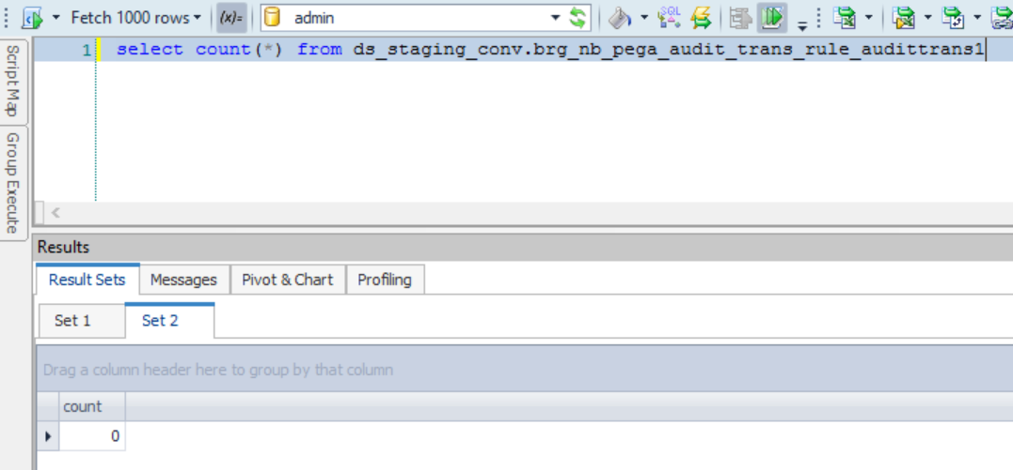

Scenario ID:1
MCT First Run Status In IDMC

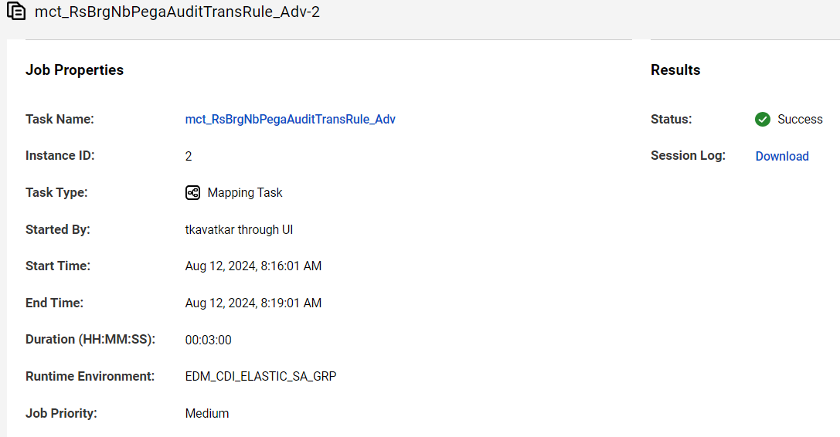

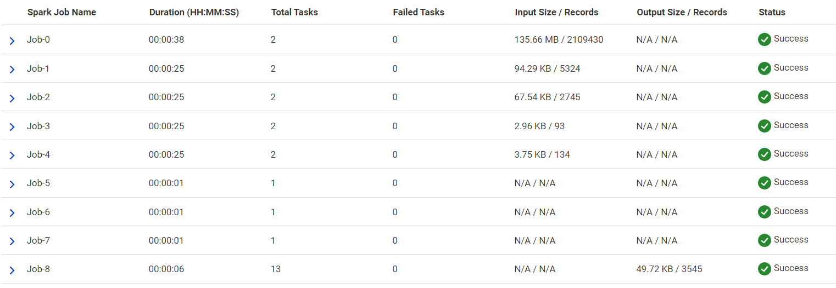

Database :-

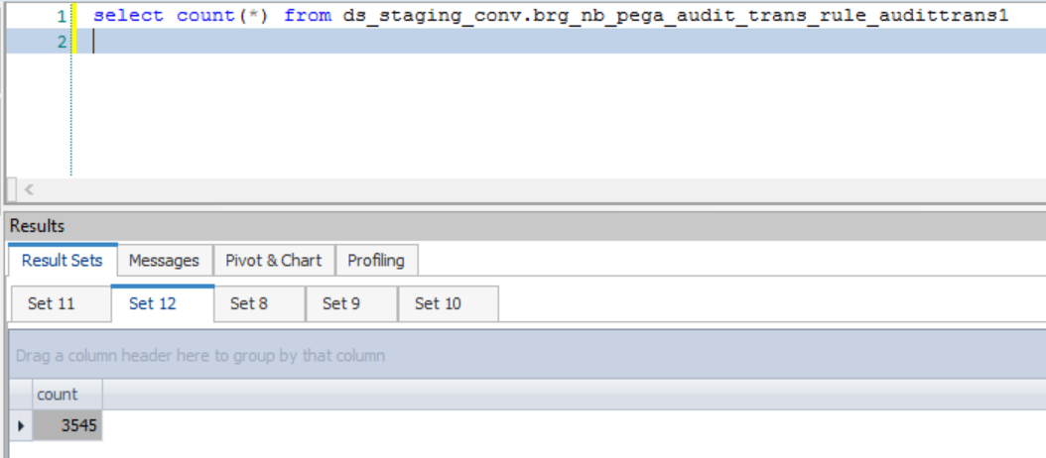

src_sys_nm_nk | fact_nb_pega_audit_trans_sk | case_num | dim_contract_sk | cnt_id_nk | cnt_iss_cd_nk | cnt_dat_src_cd_nk | dim_nb_contract_sk | src_cnt_ref_id | dim_nb_applicant_sk | dim_party_client_sk | src_cl_id | cl_id_nk | pega_trans_id | pega_trans_guid | rule_key_num | rule_nm | rule_val | src_nm | rule_tp | rsn_cd | rsn_desc | rsn_dtl_desc | model_fail_rsn_rank | input_dat_nm | input_dat_val | case_eligibility_tp | rule_updt_ts | src_rec_sts_cd | edh_record_status_in
NB21 | 1000000139 | NB21-20175855 | 35054915 | 28426256 | PNR | CMR | 10044904512 | 28426256 | -99 | -99 | 351069058 | 351069058 | 73386174-c2cf-4e73-b44e-caa5c5420acd | 85905159 | 1 | Age Eligibility | INCLUDE | Part 1 | Eligibility | NF | NF | NF |  | Age | 33 | F | 11/21/23 | Active | A
NB21 | 1000000139 | NB21-20175855 | 35054915 | 28426256 | PNR | CMR | 10044904512 | 28426256 | -99 | -99 | 351069058 | 351069058 | 73386174-c2cf-4e73-b44e-caa5c5420acd | 85905159 | 10 | Rider Eligibility | INCLUDE | Part 1 | Eligibility | NF | NF | NF |  | Application Type | Current | F | 11/21/23 | Active | A
NB21 | 1000000139 | NB21-20175855 | 35054915 | 28426256 | PNR | CMR | 10044904512 | 28426256 | -99 | -99 | 351069058 | 351069058 | 73386174-c2cf-4e73-b44e-caa5c5420acd | 85905159 | 10 | Rider Eligibility | INCLUDE | Part 1 | Eligibility | NF | NF | NF |  | Rider Name | LBR | F | 11/21/23 | Active | A
NB21 | 1000000139 | NB21-20175855 | 35054915 | 28426256 | PNR | CMR | 10044904512 | 28426256 | -99 | -99 | 351069058 | 351069058 | 73386174-c2cf-4e73-b44e-caa5c5420acd | 85905159 | 11 | Reusable EBD Eligibility | INCLUDE | NB Web Service | Eligibility | NF | NF | NF |  | Reusable EBD | FALSE | F | 11/21/23 | Active | A
NB21 | 1000000139 | NB21-20175855 | 35054915 | 28426256 | PNR | CMR | 10044904512 | 28426256 | -99 | -99 | 351069058 | 351069058 | 73386174-c2cf-4e73-b44e-caa5c5420acd | 85905159 | 12 | Jurisdiction Eligibility | INCLUDE | Part 1 | Eligibility | NF | NF | NF |  | Jurisdiction | AL | F | 11/21/23 | Active | A
NB21 | 1000000139 | NB21-20175855 | 35054915 | 28426256 | PNR | CMR | 10044904512 | 28426256 | -99 | -99 | 351069058 | 351069058 | 73386174-c2cf-4e73-b44e-caa5c5420acd | 85905159 | 13 | Agent Enhanced Review Eligibility | INCLUDE | Part 1 | Eligibility | NF | NF | NF |  | Agent ID | 128109 | F | 11/21/23 | Active | A
NB21 | 1000000139 | NB21-20175855 | 35054915 | 28426256 | PNR | CMR | 10044904512 | 28426256 | -99 | -99 | 351069058 | 351069058 | 73386174-c2cf-4e73-b44e-caa5c5420acd | 85905159 | 13 | Agent Enhanced Review Eligibility | INCLUDE | Part 1 | Eligibility | NF | NF | NF |  | Agent Enhanced Review | FALSE | F | 11/21/23 | Active | A
NB21 | 1000000139 | NB21-20175855 | 35054915 | 28426256 | PNR | CMR | 10044904512 | 28426256 | -99 | -99 | 351069058 | 351069058 | 73386174-c2cf-4e73-b44e-caa5c5420acd | 85905159 | 14 | Foreign Resident Exclusion | INCLUDE | SCP2 | Exclusion | NF | NF | NF |  | Foreign Travel | FALSE | F | 11/21/23 | Active | A
NB21 | 1000000139 | NB21-20175855 | 35054915 | 28426256 | PNR | CMR | 10044904512 | 28426256 | -99 | -99 | 351069058 | 351069058 | 73386174-c2cf-4e73-b44e-caa5c5420acd | 85905159 | 14 | Foreign Resident Exclusion | INCLUDE | SCP2 | Exclusion | NF | NF | NF |  | No of Days Live Outside For Past Year | NF | F | 11/21/23 | Active | A
NB21 | 1000000139 | NB21-20175855 | 35054915 | 28426256 | PNR | CMR | 10044904512 | 28426256 | -99 | -99 | 351069058 | 351069058 | 73386174-c2cf-4e73-b44e-caa5c5420acd | 85905159 | 14 | Foreign Resident Exclusion | INCLUDE | SCP2 | Exclusion | NF | NF | NF |  | State | ME | F | 11/21/23 | Active | A

