UT Document Proofs
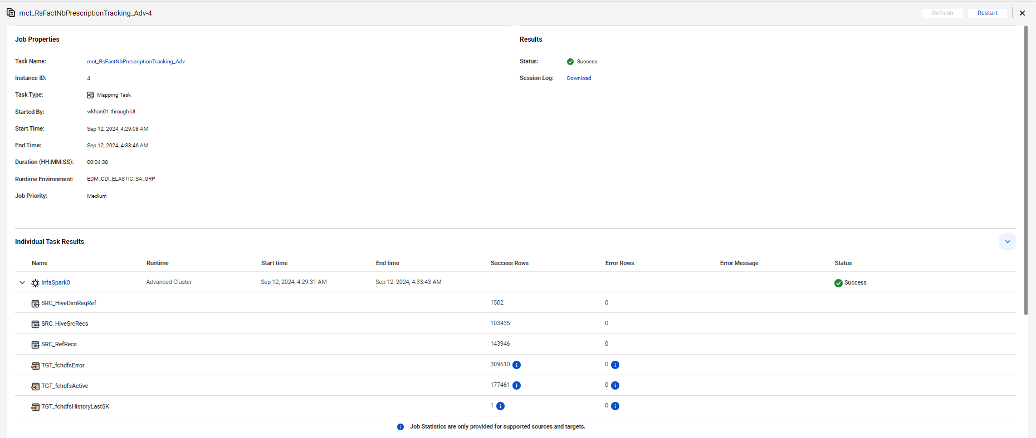
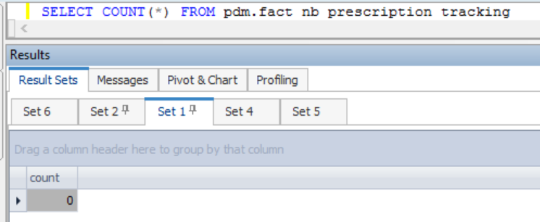

CASE 1 |  | Insert 1 Record | where reqr_ref_id = 147971509

fact_nb_prescription_tracking_sk | src_sys_nm_nk | dim_nb_requirement_ref_sk | src_reqr_cd | reqr_cd | reqr_ref_id | reqr_create_dt | dim_nb_contract_sk | dim_contract_sk | cnt_id_nk | cnt_iss_cd_nk | dat_src_cd_nk | cnt_tp_desc | dim_nb_product_sk | product_cd | plan_cd | plan_ver_num | appl_tp_cd | dim_nb_applicant_sk | dim_party_client_sk | cl_id_nk | src_cl_id | prescr_sts_ref_id | prescr_track_id | prescr_ordr_sts_cd | prescr_ordr_sts_desc | prescr_applicant_sts_cd | prescr_applicant_sts_desc | prescr_submit_ordr_req_dt | prescr_submit_ordr_resp_dt | prescr_submit_ordr_result_cd | prescr_submit_ordr_result_txt | prescr_retrv_ordr_req_dt | prescr_retrv_ordr_resp_dt | prescr_retrv_ordr_result_cd | prescr_retrv_ordr_result_txt | ret_num | prescr_resp_url_addr | err_msg_txt | chksum | src_rec_sts_cd | edh_record_status_in | edh_created_batch_key | edh_created_ts | edh_created_nm | edh_updated_batch_key | edh_updated_ts | edh_updated_nm | risk_score | risk_score_cmpnt | crdt_ordr_ind | crdt_hit_ind | medhit_fltr_clm_cnt
1000002781590 | NB21 | 766753298 |  | RxD | 147971509 |  |  |  |  |  |  |  |  |  |  |  |  |  |  |  |  | 10241689 | C8562000-9FA3-54A3-E053-29443E0A56BE | N | No Match | N | No Match |  |  | 1 | time taken: 1.615001 seconds |  |  | 1 |  | 0 | https://testirix.millimanintelliscript.com/OrderDetail.aspx?OrderId=8846766 |  | 003212b2f3a92453f797233b1fd695ba | Inactive | D | 20240911114944 | 9/12/24 | m_RsFactNbPrescriptionTracking_Adv

CASE 2 |  | Rerun | No change

fact_nb_prescription_tracking_sk | src_sys_nm_nk | dim_nb_requirement_ref_sk | src_reqr_cd | reqr_cd | reqr_ref_id | reqr_create_dt | dim_nb_contract_sk | dim_contract_sk | cnt_id_nk | cnt_iss_cd_nk | dat_src_cd_nk | cnt_tp_desc | dim_nb_product_sk | product_cd | plan_cd | plan_ver_num | appl_tp_cd | dim_nb_applicant_sk | dim_party_client_sk | cl_id_nk | src_cl_id | prescr_sts_ref_id | prescr_track_id | prescr_ordr_sts_cd | prescr_ordr_sts_desc | prescr_applicant_sts_cd | prescr_applicant_sts_desc | prescr_submit_ordr_req_dt | prescr_submit_ordr_resp_dt | prescr_submit_ordr_result_cd | prescr_submit_ordr_result_txt | prescr_retrv_ordr_req_dt | prescr_retrv_ordr_resp_dt | prescr_retrv_ordr_result_cd | prescr_retrv_ordr_result_txt | ret_num | prescr_resp_url_addr | err_msg_txt | chksum | src_rec_sts_cd | edh_record_status_in | edh_created_batch_key | edh_created_ts | edh_created_nm | edh_updated_batch_key | edh_updated_ts | edh_updated_nm | risk_score | risk_score_cmpnt | crdt_ordr_ind | crdt_hit_ind | medhit_fltr_clm_cnt
1000002781590 | NB21 | 766753298 |  | RxD | 147971509 |  |  |  |  |  |  |  |  |  |  |  |  |  |  |  |  | 10241689 | C8562000-9FA3-54A3-E053-29443E0A56BE | N | No Match | N | No Match |  |  | 1 | time taken: 1.615001 seconds |  |  | 1 |  | 0 | https://testirix.millimanintelliscript.com/OrderDetail.aspx?OrderId=8846766 |  | 003212b2f3a92453f797233b1fd695ba | Inactive | D | 20240911114944 | 9/12/24 | m_RsFactNbPrescriptionTracking_Adv
TRUE | TRUE | TRUE | TRUE | TRUE | TRUE | TRUE | TRUE | TRUE | TRUE | TRUE | TRUE | TRUE | TRUE | TRUE | TRUE | TRUE | TRUE | TRUE | TRUE | TRUE | TRUE | TRUE | TRUE | TRUE | TRUE | TRUE | TRUE | TRUE | TRUE | TRUE | TRUE | TRUE | TRUE | TRUE | TRUE | TRUE | TRUE | TRUE | TRUE | TRUE | TRUE | TRUE | TRUE | TRUE | TRUE | TRUE | TRUE | TRUE | TRUE | TRUE | TRUE | TRUE

CASE 3 |  | Update | UPDATE pdm_conv.fact_nb_prescription_tracking SET chksum = '1234567890' , src_rec_sts_cd = 'InActive' where reqr_ref_id = 147971509

Before run:-
fact_nb_prescription_tracking_sk | src_sys_nm_nk | dim_nb_requirement_ref_sk | src_reqr_cd | reqr_cd | reqr_ref_id | reqr_create_dt | dim_nb_contract_sk | dim_contract_sk | cnt_id_nk | cnt_iss_cd_nk | dat_src_cd_nk | cnt_tp_desc | dim_nb_product_sk | product_cd | plan_cd | plan_ver_num | appl_tp_cd | dim_nb_applicant_sk | dim_party_client_sk | cl_id_nk | src_cl_id | prescr_sts_ref_id | prescr_track_id | prescr_ordr_sts_cd | prescr_ordr_sts_desc | prescr_applicant_sts_cd | prescr_applicant_sts_desc | prescr_submit_ordr_req_dt | prescr_submit_ordr_resp_dt | prescr_submit_ordr_result_cd | prescr_submit_ordr_result_txt | prescr_retrv_ordr_req_dt | prescr_retrv_ordr_resp_dt | prescr_retrv_ordr_result_cd | prescr_retrv_ordr_result_txt | ret_num | prescr_resp_url_addr | err_msg_txt | chksum | src_rec_sts_cd | edh_record_status_in | edh_created_batch_key | edh_created_ts | edh_created_nm | edh_updated_batch_key | edh_updated_ts | edh_updated_nm | risk_score | risk_score_cmpnt | crdt_ordr_ind | crdt_hit_ind | medhit_fltr_clm_cnt
1000002781590 | NB21 | 766753298 |  | RxD | 147971509 |  |  |  |  |  |  |  |  |  |  |  |  |  |  |  |  | 10241689 | C8562000-9FA3-54A3-E053-29443E0A56BE | N | No Match | N | No Match |  |  | 1 | time taken: 1.615001 seconds |  |  | 1 |  | 0 | https://testirix.millimanintelliscript.com/OrderDetail.aspx?OrderId=8846766 |  | 003212b2f3a92453f797233b1fd695ba | Active | A | 20240911114944 | 9/12/24 | m_RsFactNbPrescriptionTracking_Adv

After run:-
fact_nb_prescription_tracking_sk | src_sys_nm_nk | dim_nb_requirement_ref_sk | src_reqr_cd | reqr_cd | reqr_ref_id | reqr_create_dt | dim_nb_contract_sk | dim_contract_sk | cnt_id_nk | cnt_iss_cd_nk | dat_src_cd_nk | cnt_tp_desc | dim_nb_product_sk | product_cd | plan_cd | plan_ver_num | appl_tp_cd | dim_nb_applicant_sk | dim_party_client_sk | cl_id_nk | src_cl_id | prescr_sts_ref_id | prescr_track_id | prescr_ordr_sts_cd | prescr_ordr_sts_desc | prescr_applicant_sts_cd | prescr_applicant_sts_desc | prescr_submit_ordr_req_dt | prescr_submit_ordr_resp_dt | prescr_submit_ordr_result_cd | prescr_submit_ordr_result_txt | prescr_retrv_ordr_req_dt | prescr_retrv_ordr_resp_dt | prescr_retrv_ordr_result_cd | prescr_retrv_ordr_result_txt | ret_num | prescr_resp_url_addr | err_msg_txt | chksum | src_rec_sts_cd | edh_record_status_in | edh_created_batch_key | edh_created_ts | edh_created_nm | edh_updated_batch_key | edh_updated_ts | edh_updated_nm | risk_score | risk_score_cmpnt | crdt_ordr_ind | crdt_hit_ind | medhit_fltr_clm_cnt
1000002781590 | NB21 | 766753298 |  | RxD | 147971509 |  |  |  |  |  |  |  |  |  |  |  |  |  |  |  |  | 10241689 | C8562000-9FA3-54A3-E053-29443E0A56BE | N | No Match | N | No Match |  |  | 1 | time taken: 1.615001 seconds |  |  | 1 |  | 0 | https://testirix.millimanintelliscript.com/OrderDetail.aspx?OrderId=8846766 |  | 1234567890 | InActive | D | 20240911114944 | 9/12/24 | m_RsFactNbPrescriptionTracking_Adv | 20240911114944 | 9/12/24 | m_RsFactNbPrescriptionTracking_Adv
1000002925220 | NB21 | 766753298 |  | RxD | 147971509 |  |  |  |  |  |  |  |  |  |  |  |  |  |  |  |  | 10241689 | C8562000-9FA3-54A3-E053-29443E0A56BE | N | No Match | N | No Match |  |  | 1 | time taken: 1.615001 seconds |  |  | 1 |  | 0 | https://testirix.millimanintelliscript.com/OrderDetail.aspx?OrderId=8846766 |  | 003212b2f3a92453f797233b1fd695ba | Active | A | 20240911114944 | 9/12/24 | m_RsFactNbPrescriptionTracking_Adv

CASE 4 |  | DELETE | where reqr_ref_id = 147971509

fact_nb_prescription_tracking_sk | src_sys_nm_nk | dim_nb_requirement_ref_sk | src_reqr_cd | reqr_cd | reqr_ref_id | reqr_create_dt | dim_nb_contract_sk | dim_contract_sk | cnt_id_nk | cnt_iss_cd_nk | dat_src_cd_nk | cnt_tp_desc | dim_nb_product_sk | product_cd | plan_cd | plan_ver_num | appl_tp_cd | dim_nb_applicant_sk | dim_party_client_sk | cl_id_nk | src_cl_id | prescr_sts_ref_id | prescr_track_id | prescr_ordr_sts_cd | prescr_ordr_sts_desc | prescr_applicant_sts_cd | prescr_applicant_sts_desc | prescr_submit_ordr_req_dt | prescr_submit_ordr_resp_dt | prescr_submit_ordr_result_cd | prescr_submit_ordr_result_txt | prescr_retrv_ordr_req_dt | prescr_retrv_ordr_resp_dt | prescr_retrv_ordr_result_cd | prescr_retrv_ordr_result_txt | ret_num | prescr_resp_url_addr | err_msg_txt | chksum | src_rec_sts_cd | edh_record_status_in | edh_created_batch_key | edh_created_ts | edh_created_nm | edh_updated_batch_key | edh_updated_ts | edh_updated_nm | risk_score | risk_score_cmpnt | crdt_ordr_ind | crdt_hit_ind | medhit_fltr_clm_cnt
1000002925220 | NB21 | 766753298 |  | RxD | 147971509 |  |  |  |  |  |  |  |  |  |  |  |  |  |  |  |  | 10241689 | C8562000-9FA3-54A3-E053-29443E0A56BE | N | No Match | N | No Match |  |  | 1 | time taken: 1.615001 seconds |  |  | 1 |  | 0 | https://testirix.millimanintelliscript.com/OrderDetail.aspx?OrderId=8846766 |  | 003212b2f3a92453f797233b1fd695ba | Inactive | D | 20240911114944 | 9/12/24 | m_RsFactNbPrescriptionTracking_Adv

CASE 5 |  | Full Load

