UT Document Proofs
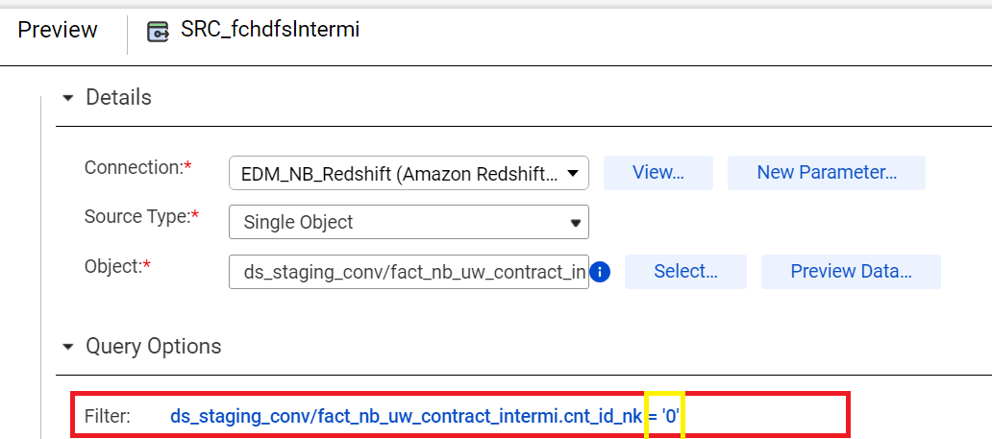
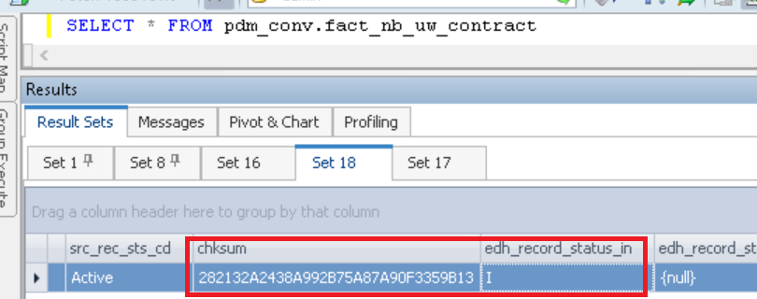
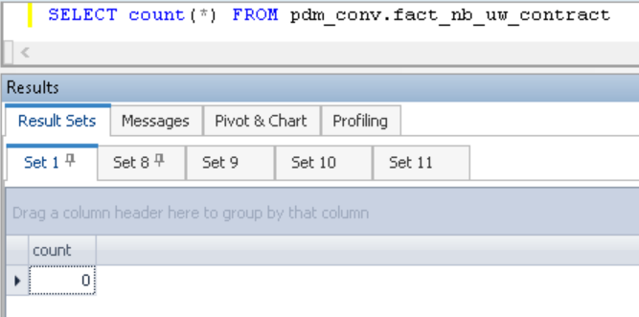

case1 |  | Inserted one record |  |  | SELECT * FROM ds_staging_conv.fact_nb_uw_contract_intermi where cnt_id_nk = 49415937

src_sys_nm_nk | case_num | cnt_id_nk | src_cnt_ref_id | dim_nb_contract_sk | dim_nb_product_sk | product_cd | plan_cd | plan_ver_num | plan_nm | appl_tp_desc | auto_uw_ind | dim_nb_status_sk | uw_cnt_sts_cd | uw_cnt_sts_dt | dim_uw_location_sk | uw_srvc_cntr_cd_nk | dim_organization_sk | go_cd | go_cd_nk | go_cd_nm | dim_cnt_sk | cnt_iss_cd_nk | cnt_dat_src_cd_nk | uw_cnt_propsl_dt_sk | uw_cnt_propsl_dt | cnt_initial_uw_start_dt_sk | cnt_initial_uw_start_dt | ltst_uw_restart_dt | uw_final_cmpl_dt | four_mth_taar_amt | primary_insured_2_yr_taar_amt | est_annual_prem_amt | accel_case_yn_ind | acsv_except_ind | rgasup_ind | sys_push_ind | updt_mib_yn_ind | ftis_calc_tp_cd | route_back_to_uw_ind | has_assoc_policy_ind | adv_commission_dcsn_ind | adv_commission_sts_cd | adv_commision_dt | addl_offer_ltr_allow_yn_ind | addl_offer_ltr_appr_ind | addl_offer_ltr_pct_num | addl_offer_ltr_max_allow_amt | addl_offer_ltr_initial_offer_a | addl_offer_ltr_appr_amt | addl_offer_ltr_dcln_dim_rsn_sk | addl_offer_ltr_dcln_rsn_cd | addl_offer_ltr_dcln_other_rsn | cnt_tca_strt_dt | cnt_tca_end_dt | cnt_tca_exp_dt | cnt_tca_wthdrn_dt | aatc_cmpgn_elg_yn_ind | uw_dcsn_tp_cd | modal_prem_amt | trans_uw_ind | cnt_rec_sts_cd | cnt_rec_sts_dt | src_rec_sts_cd | edh_record_status_in | first_dcsn_dt | first_dcsn_risk_class_nm | last_dcsn_dt | last_dcsn_risk_class_nm | nyl_express_iss_result
NB21 | NB21-11400215 | 49415937 | 13089708 | 10052963544 | 1000000000755 | WL | WL | 108 | Whole Life | New Application | Y | 1000000000025 | AwRqmnts |  | 1000000000015 | H | 3450 | D44 | D44 | COLORADO | 14052698 | PNR | CMR | -99 |  | 218403 | 2010-02-01 |  |  |  | 10000001 |  |  |  |  |  |  |  |  | N |  |  |  |  |  |  |  |  |  | -99 |  |  |  |  |  |  |  | Traditional | 76056.01 |  | Active |  | Active | A |  |  |  |  | N/A

case2 |  | Rerun |  | No change

case3 |  | Update |  | UPDATE ds_staging_conv.fact_nb_uw_contract_intermi where product_cd = 'WLL' and chksum='282132A2438A992B75A87A90F3359B14';

Updated records

fact_nb_uw_contract_sk | src_sys_nm_nk | case_num | cnt_id_nk | src_cnt_ref_id | dim_nb_contract_sk | dim_nb_product_sk | product_cd | plan_cd | plan_ver_num | plan_nm | appl_tp_desc | auto_uw_ind | dim_nb_status_sk | nb_cnt_sts_cd | nb_cnt_sts_dt | dim_nb_uw_location_sk | uw_srvc_cntr_cd_nk | dim_organization_sk | src_go_cd_nk | go_cd_nk | go_cd_nm | dim_contract_sk | cnt_iss_cd_nk | cnt_dat_src_cd_nk | nb_cnt_propsl_date_sk | nb_cnt_propsl_dt | initial_uw_start_date_sk | initial_uw_start_dt | ltst_uw_restart_dt | final_uw_cmpl_dt | four_mth_taar_amt | primary_insured_2_yr_taar_amt | est_annual_prem_amt | accel_case_yn_ind | acsv_except_ind | rgasup_ind | sys_push_ind | updt_mib_yn_ind | ftis_calc_tp_cd | route_back_to_uw_ind | has_assoc_policy_ind | adv_commission_dcsn_ind | adv_commission_sts_cd | adv_commision_dt | addl_offer_ltr_allow_yn_ind | addl_offer_ltr_appr_ind | addl_offer_ltr_pct_num | addl_offer_ltr_max_allow_amt | addl_offer_ltr_initial_offer_amt | addl_offer_ltr_appr_amt | addl_offer_ltr_dcln_dim_rsn_sk | addl_offer_ltr_dcln_rsn_cd | addl_offer_ltr_dcln_other_rsn | cnt_tca_strt_dt | cnt_tca_end_dt | cnt_tca_exp_dt | cnt_tca_wthdrn_dt | aatc_cmpgn_elg_yn_ind | uw_dcsn_tp_cd | modal_prem_amt | cnt_rec_sts_cd | cnt_rec_sts_dt | src_rec_sts_cd | chksum | edh_record_status_in | edh_record_start_ts | edh_record_end_ts | edh_created_batch_key | edh_created_ts | edh_created_nm | edh_updated_batch_key | edh_updated_ts | edh_updated_nm | trans_uw_ind | first_dcsn_dt | first_dcsn_risk_class_nm | last_dcsn_dt | last_dcsn_risk_class_nm | nyl_express_iss_result
1000001584058 | NB21 | NB21-11400215 | 49415937 | 13089708 | 10052963544 | 1000000000755 | WLL | WL | 108 | Whole Life | New Application | Y | 1000000000025 | AwRqmnts |  | 1000000000015 | H | 3450 | D44 | D44 | COLORADO | 14052698 | PNR | CMR | -99 |  | 218403 |  |  |  |  | 10000001 |  |  |  |  |  |  |  |  | N |  |  |  |  |  |  |  |  |  | -99 |  |  |  |  |  |  |  | Traditional | 76056.01 | Active |  | Active | 282132A2438A992B75A87A90F3359B13 | I |  |  | 2023121113 |  | m_RsFactNbUwContract_2_Adv | 2023121113 | 8/21/24 | m_RsFactNbUwContract_2_Adv |  |  |  |  |  | N/A

case4 | Delete

added filter at source side |  |  | cnt_id_nk | "=" | 0

