UT Document Proofs
Job Details: | m_RsBrgNbTravelAdverse
Target Table Before First Run:- | Number of Records =0

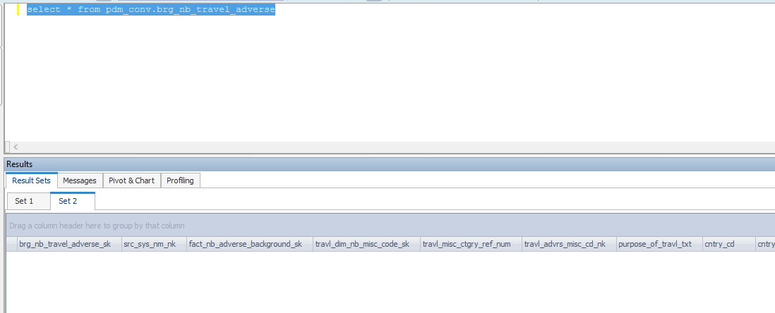

Scenario ID:1
MCT First Run Status In IDMC | All Recordrs in sourse table needs to be inserted in Target Table

for first run Count | 1 Record insert into Target Table

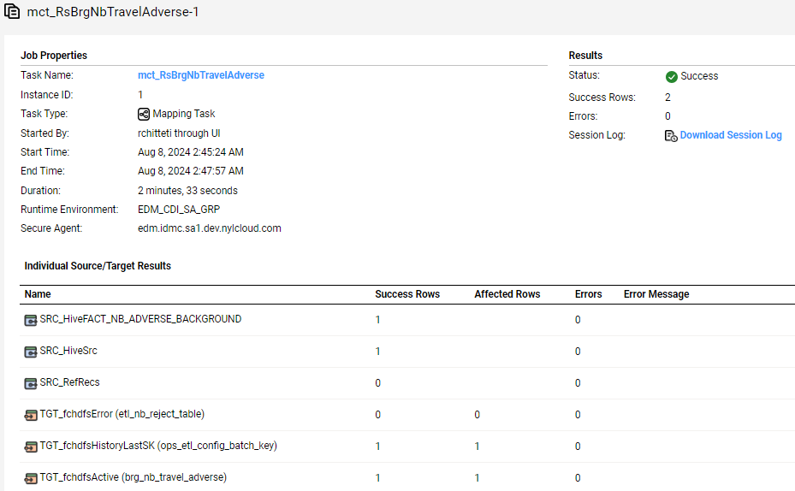
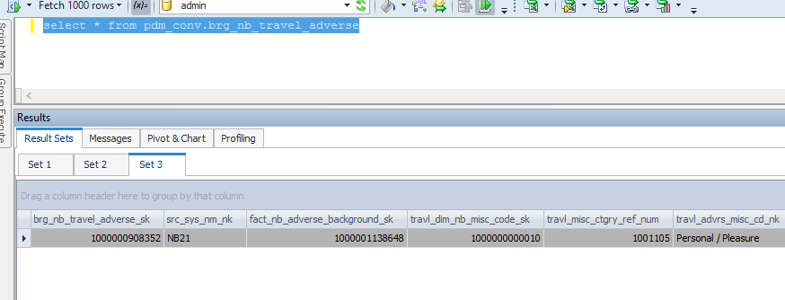

brg_nb_travel_adverse_sk | src_sys_nm_nk | fact_nb_adverse_background_sk | travl_dim_nb_misc_code_sk | travl_misc_ctgry_ref_num | travl_advrs_misc_cd_nk | purpose_of_travl_txt | cntry_cd | cntry_nm | advrs_uw_ref_id | travl_yr | travl_mth | visit_dur_num | is_visit_dt_apprx_ind | is_visit_dur_apprx_ind | visit_dur_unit_cd | src_rec_sts_cd | edh_record_status_in | edh_created_batch_key | edh_created_ts | edh_created_nm | edh_updated_batch_key | edh_updated_ts | edh_updated_nm | go_cd_nk | go_cd_nm | issuing_dim_external_organization_sk | issuing_org_cd_nk | appl_sign_dt_key | policy_delv_dt_key | ascv_except_ind | accel_case_yn_ind | cntual_conv_ind | conv_crdt_use_ind | conv_amt | net_risk_amt | refund_amt | rga_sup_pgm_ind | primary_insured_4_mth_taar_amt | nb_cnt_sts_dim_rsn_sk | nb_cnt_sts_rsn_cd_nk | primary_insured_src_iperson_ref_id | dim_nb_applicant_sk | dim_party_client_sk | src_cl_id | cl_id_nk | primary_ownr_ind | jnt_ownr_ind | jnt_ownr_tp_cd | success_ownr_ind | success_ownr_tp_cd | ownr_same_as_applicant_ind | applicant_same_as_other_role_nm | applicant_inforce_ind | applicant_inforce_amt | appl_post_ind | payor_same_as_other_role_nm | dim_nb_invstmnt_plan_sk | qual_plan_cd_nk | paymt_mode_cd | govt_allot_srvc_branch_cd | allot_tax_secure_id | dim_nb_list_bill_group_sk | list_bill_grp_cd_nk | list_bill_grp_nm_correct_ind | mainstay_num | paypt_num | arrang_num | arrang_nm | arrang_nm_correct_ind | use_8071_8072_cd | bank_acct_holder_nm | dim_nb_bank_acct_secure_sk | bank_route_transit_num | bank_acct_tp_cd | bill_dy_num | assoc_num | futr_bill_mth_num | cash_prest_before_iss_ind | secdary_addrse_ind | secdary_addrse_tp_cd | third_party_trans_ind | third_party_trans_dtl_txt | third_party_comp_ind | third_party_comp_dtl_txt | viatcl_auth_med_ind | viatcl_auth_med_dtl_txt | reduce_paidup_laps_ind | non_trnsfr_opt_ind | split_dollar_opt_txt | dim_nb_pay_method_sk | initial_pay_mthd_src_cd_nk | tot_paid_amt | doctor_recomm_ind | doctor_recomm_dtl_txt | diag_ind | diag_dtl_txt | unbl_to_work_ind | unbl_to_work_dtl_txt | hosp_admsn_ind | hosp_dtl_txt | chld_premat_ind | chld_premat_dtl_txt | low_birth_weight_ind | low_birth_weight_dtl_txt | chld_disord_ind | chld_disord_dtl_txt | chld_impair_ind | chld_unbl_att_school_reglr_ind | chld_insurability_dtl_txt | auth_copy_req_ind | route_to_aatc_analyst_ind | aatc_policy_dt | gir_doc_submit_ind | prev_policy_bnft_cd | schd_opt_dt | exercise_rider_opt_tp_cd | exercise_opt_rsn_cd | exercise_rider_dtl_txt | gir_ppo_reqr_doc_submit_dt | addl_dtl_ctgry_txt | addl_dtl_frefrm_txt | illustr_sign_ind | illustr_cert_applicant_sign_ind | illustr_cert_applicant_sign_dt | illustr_cert_agent_witness_sign_ind | illustr_cert_agent_witness_sign_dt | unsign_illustr_rsn_cd | other_cov_pend_ind | tot_pend_amt | apl_ind | initial_prem_amt | schd_plan_prem_amt | aamo_ind | modal_prem_pay_period_num | addl_first_yr_prem_amt | ftis_max_prem_amt | ftis_est_annual_prem_amt | ftis_est_base_cov_annual_prem_amt | ftis_target_prem_amt | ftis_target_single_prem_amt | calc_est_minimum_annual_prem_amt | calc_annual_std_base_prem_amt | prem_tp_cd | commission_paybl_on_recpt_of_prem_ind | commission_to_be_coll_by_off_ind | nyl_mode_tp_cd | will_buy_ind | dppo_opt_ind | div_opt_ind | test_7702_opt_ind | life_ins_opt_ind | pod_opt_ind | long_term_opt_ind | acsv_opt_ind | tax_qual_ltc_bnft_ind | payroll_ded_freq | payroll_ded_auth_cmpl_ind | src_rec_sts_cd | edh_record_status_in | edh_created_batch_key | edh_created_ts | edh_created_nm | edh_updated_batch_key | edh_updated_ts | edh_updated_nm
1000000908352 | NB21 | 1000001138648 | 1000000000010 | 1001105 | Personal / Pleasure |  | NO | Norway | 10354064 | 2004 | 2 | 2 | U | U | Month(s) | Active | A | 20240805090411 | 8/8/2024 5:45:49 AM | m_RsBrgNbTravelAdverse |  |  |  | S14 | NORTHERN CALIFORNIA | -99 | NYLIC | 194830 | -98 |  |  |  |  |  |  |  |  |  | -99 | FORECLOSED | 14907777 | -99 | -98 | NF | NF | Y | U | UNKNOWN | N | UNKNOWN | U | Primary Insured | U |  | Y | Primary Insured | -98 | NF | NF | NF | NF | -98 | NF |  | NF | NF | NF | NF |  |  |  | -99 |  |  |  |  |  |  | U | U | N |  | N |  | N |  |  |  |  | -98 | NF |  |  |  |  |  |  |  |  |  |  |  |  |  |  |  |  |  |  | U | U |  |  |  |  |  |  |  |  |  | 560398 | Y |  |  |  |  |  | U |  | N |  |  | Y |  |  |  | 105.00 |  | 0.00 |  |  |  |  | N | Y | Annual |  | N | Y | N | N | N | N | N |  |  |  | Active | A | 20240720074826 | 7/22/2024 1:32:24 AM | m_RsFactNbContractPart1cdc

Scenario ID:2
NO Change Records

After Second Run count | 0 Record proccesing

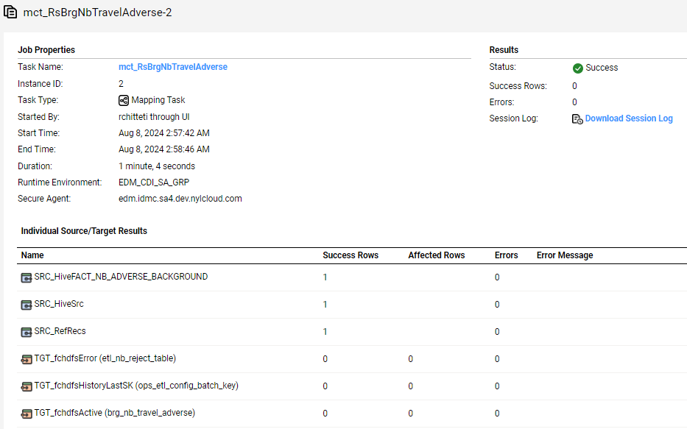
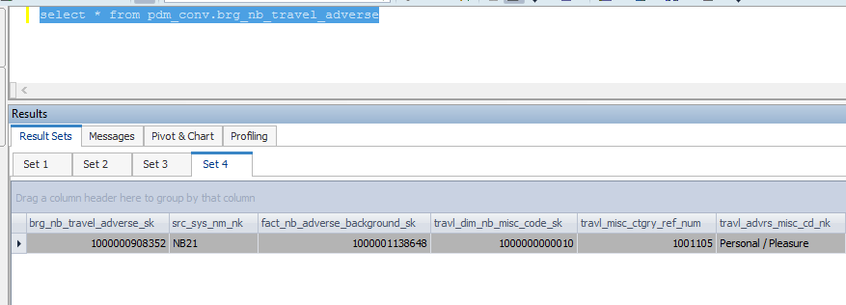

same Record present as before

brg_nb_travel_adverse_sk | src_sys_nm_nk | fact_nb_adverse_background_sk | travl_dim_nb_misc_code_sk | travl_misc_ctgry_ref_num | travl_advrs_misc_cd_nk | purpose_of_travl_txt | cntry_cd | cntry_nm | advrs_uw_ref_id | travl_yr | travl_mth | visit_dur_num | is_visit_dt_apprx_ind | is_visit_dur_apprx_ind | visit_dur_unit_cd | src_rec_sts_cd | edh_record_status_in | edh_created_batch_key | edh_created_ts | edh_created_nm | edh_updated_batch_key | edh_updated_ts | edh_updated_nm | go_cd_nk | go_cd_nm | issuing_dim_external_organization_sk | issuing_org_cd_nk | appl_sign_dt_key | policy_delv_dt_key | ascv_except_ind | accel_case_yn_ind | cntual_conv_ind | conv_crdt_use_ind | conv_amt | net_risk_amt | refund_amt | rga_sup_pgm_ind | primary_insured_4_mth_taar_amt | nb_cnt_sts_dim_rsn_sk | nb_cnt_sts_rsn_cd_nk | primary_insured_src_iperson_ref_id | dim_nb_applicant_sk | dim_party_client_sk | src_cl_id | cl_id_nk | primary_ownr_ind | jnt_ownr_ind | jnt_ownr_tp_cd | success_ownr_ind | success_ownr_tp_cd | ownr_same_as_applicant_ind | applicant_same_as_other_role_nm | applicant_inforce_ind | applicant_inforce_amt | appl_post_ind | payor_same_as_other_role_nm | dim_nb_invstmnt_plan_sk | qual_plan_cd_nk | paymt_mode_cd | govt_allot_srvc_branch_cd | allot_tax_secure_id | dim_nb_list_bill_group_sk | list_bill_grp_cd_nk | list_bill_grp_nm_correct_ind | mainstay_num | paypt_num | arrang_num | arrang_nm | arrang_nm_correct_ind | use_8071_8072_cd | bank_acct_holder_nm | dim_nb_bank_acct_secure_sk | bank_route_transit_num | bank_acct_tp_cd | bill_dy_num | assoc_num | futr_bill_mth_num | cash_prest_before_iss_ind | secdary_addrse_ind | secdary_addrse_tp_cd | third_party_trans_ind | third_party_trans_dtl_txt | third_party_comp_ind | third_party_comp_dtl_txt | viatcl_auth_med_ind | viatcl_auth_med_dtl_txt | reduce_paidup_laps_ind | non_trnsfr_opt_ind | split_dollar_opt_txt | dim_nb_pay_method_sk | initial_pay_mthd_src_cd_nk | tot_paid_amt | doctor_recomm_ind | doctor_recomm_dtl_txt | diag_ind | diag_dtl_txt | unbl_to_work_ind | unbl_to_work_dtl_txt | hosp_admsn_ind | hosp_dtl_txt | chld_premat_ind | chld_premat_dtl_txt | low_birth_weight_ind | low_birth_weight_dtl_txt | chld_disord_ind | chld_disord_dtl_txt | chld_impair_ind | chld_unbl_att_school_reglr_ind | chld_insurability_dtl_txt | auth_copy_req_ind | route_to_aatc_analyst_ind | aatc_policy_dt | gir_doc_submit_ind | prev_policy_bnft_cd | schd_opt_dt | exercise_rider_opt_tp_cd | exercise_opt_rsn_cd | exercise_rider_dtl_txt | gir_ppo_reqr_doc_submit_dt | addl_dtl_ctgry_txt | addl_dtl_frefrm_txt | illustr_sign_ind | illustr_cert_applicant_sign_ind | illustr_cert_applicant_sign_dt | illustr_cert_agent_witness_sign_ind | illustr_cert_agent_witness_sign_dt | unsign_illustr_rsn_cd | other_cov_pend_ind | tot_pend_amt | apl_ind | initial_prem_amt | schd_plan_prem_amt | aamo_ind | modal_prem_pay_period_num | addl_first_yr_prem_amt | ftis_max_prem_amt | ftis_est_annual_prem_amt | ftis_est_base_cov_annual_prem_amt | ftis_target_prem_amt | ftis_target_single_prem_amt | calc_est_minimum_annual_prem_amt | calc_annual_std_base_prem_amt | prem_tp_cd | commission_paybl_on_recpt_of_prem_ind | commission_to_be_coll_by_off_ind | nyl_mode_tp_cd | will_buy_ind | dppo_opt_ind | div_opt_ind | test_7702_opt_ind | life_ins_opt_ind | pod_opt_ind | long_term_opt_ind | acsv_opt_ind | tax_qual_ltc_bnft_ind | payroll_ded_freq | payroll_ded_auth_cmpl_ind | src_rec_sts_cd | edh_record_status_in | edh_created_batch_key | edh_created_ts | edh_created_nm | edh_updated_batch_key | edh_updated_ts | edh_updated_nm
1000000908352 | NB21 | 1000001138648 | 1000000000010 | 1001105 | Personal / Pleasure |  | NO | Norway | 10354064 | 2004 | 2 | 2 | U | U | Month(s) | Active | A | 20240805090411 | 8/8/2024 5:45:49 AM | m_RsBrgNbTravelAdverse |  |  |  | S14 | NORTHERN CALIFORNIA | -99 | NYLIC | 194830 | -98 |  |  |  |  |  |  |  |  |  | -99 | FORECLOSED | 14907777 | -99 | -98 | NF | NF | Y | U | UNKNOWN | N | UNKNOWN | U | Primary Insured | U |  | Y | Primary Insured | -98 | NF | NF | NF | NF | -98 | NF |  | NF | NF | NF | NF |  |  |  | -99 |  |  |  |  |  |  | U | U | N |  | N |  | N |  |  |  |  | -98 | NF |  |  |  |  |  |  |  |  |  |  |  |  |  |  |  |  |  |  | U | U |  |  |  |  |  |  |  |  |  | 560398 | Y |  |  |  |  |  | U |  | N |  |  | Y |  |  |  | 105.00 |  | 0.00 |  |  |  |  | N | Y | Annual |  | N | Y | N | N | N | N | N |  |  |  | Active | A | 20240720074826 | 7/22/2024 1:32:24 AM | m_RsFactNbContractPart1cdc

Duplicate Check
Source Table with Duplicate Records

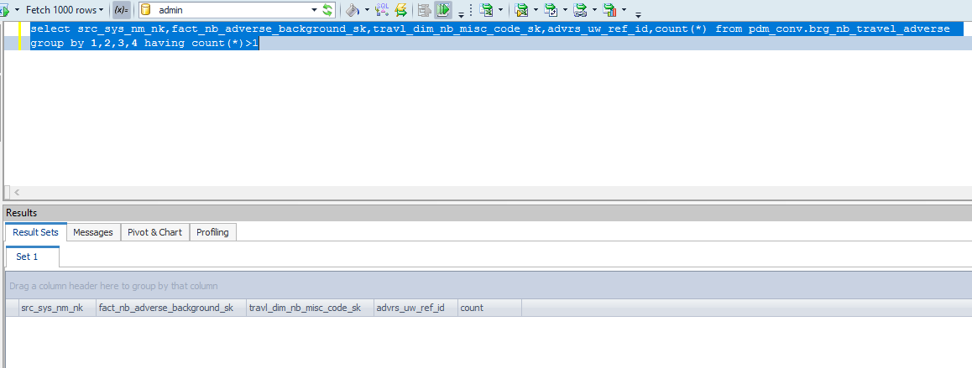

Scenario ID:3
Update Records

Before executing job:

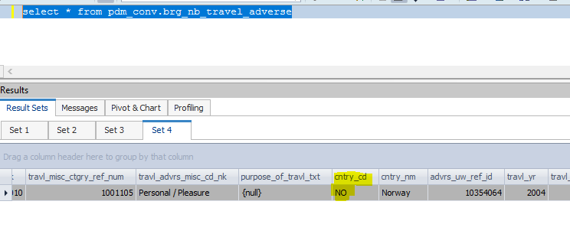

Update query:

After Update the Recored:-

brg_nb_travel_adverse_sk | src_sys_nm_nk | fact_nb_adverse_background_sk | travl_dim_nb_misc_code_sk | travl_misc_ctgry_ref_num | travl_advrs_misc_cd_nk | purpose_of_travl_txt | cntry_cd | cntry_nm | advrs_uw_ref_id | travl_yr | travl_mth | visit_dur_num | is_visit_dt_apprx_ind | is_visit_dur_apprx_ind | visit_dur_unit_cd | src_rec_sts_cd | edh_record_status_in | edh_created_batch_key | edh_created_ts | edh_created_nm | edh_updated_batch_key | edh_updated_ts | edh_updated_nm | go_cd_nk | go_cd_nm | issuing_dim_external_organization_sk | issuing_org_cd_nk | appl_sign_dt_key | policy_delv_dt_key | ascv_except_ind | accel_case_yn_ind | cntual_conv_ind | conv_crdt_use_ind | conv_amt | net_risk_amt | refund_amt | rga_sup_pgm_ind | primary_insured_4_mth_taar_amt | nb_cnt_sts_dim_rsn_sk | nb_cnt_sts_rsn_cd_nk | primary_insured_src_iperson_ref_id | dim_nb_applicant_sk | dim_party_client_sk | src_cl_id | cl_id_nk | primary_ownr_ind | jnt_ownr_ind | jnt_ownr_tp_cd | success_ownr_ind | success_ownr_tp_cd | ownr_same_as_applicant_ind | applicant_same_as_other_role_nm | applicant_inforce_ind | applicant_inforce_amt | appl_post_ind | payor_same_as_other_role_nm | dim_nb_invstmnt_plan_sk | qual_plan_cd_nk | paymt_mode_cd | govt_allot_srvc_branch_cd | allot_tax_secure_id | dim_nb_list_bill_group_sk | list_bill_grp_cd_nk | list_bill_grp_nm_correct_ind | mainstay_num | paypt_num | arrang_num | arrang_nm | arrang_nm_correct_ind | use_8071_8072_cd | bank_acct_holder_nm | dim_nb_bank_acct_secure_sk | bank_route_transit_num | bank_acct_tp_cd | bill_dy_num | assoc_num | futr_bill_mth_num | cash_prest_before_iss_ind | secdary_addrse_ind | secdary_addrse_tp_cd | third_party_trans_ind | third_party_trans_dtl_txt | third_party_comp_ind | third_party_comp_dtl_txt | viatcl_auth_med_ind | viatcl_auth_med_dtl_txt | reduce_paidup_laps_ind | non_trnsfr_opt_ind | split_dollar_opt_txt | dim_nb_pay_method_sk | initial_pay_mthd_src_cd_nk | tot_paid_amt | doctor_recomm_ind | doctor_recomm_dtl_txt | diag_ind | diag_dtl_txt | unbl_to_work_ind | unbl_to_work_dtl_txt | hosp_admsn_ind | hosp_dtl_txt | chld_premat_ind | chld_premat_dtl_txt | low_birth_weight_ind | low_birth_weight_dtl_txt | chld_disord_ind | chld_disord_dtl_txt | chld_impair_ind | chld_unbl_att_school_reglr_ind | chld_insurability_dtl_txt | auth_copy_req_ind | route_to_aatc_analyst_ind | aatc_policy_dt | gir_doc_submit_ind | prev_policy_bnft_cd | schd_opt_dt | exercise_rider_opt_tp_cd | exercise_opt_rsn_cd | exercise_rider_dtl_txt | gir_ppo_reqr_doc_submit_dt | addl_dtl_ctgry_txt | addl_dtl_frefrm_txt | illustr_sign_ind | illustr_cert_applicant_sign_ind | illustr_cert_applicant_sign_dt | illustr_cert_agent_witness_sign_ind | illustr_cert_agent_witness_sign_dt | unsign_illustr_rsn_cd | other_cov_pend_ind | tot_pend_amt | apl_ind | initial_prem_amt | schd_plan_prem_amt | aamo_ind | modal_prem_pay_period_num | addl_first_yr_prem_amt | ftis_max_prem_amt | ftis_est_annual_prem_amt | ftis_est_base_cov_annual_prem_amt | ftis_target_prem_amt | ftis_target_single_prem_amt | calc_est_minimum_annual_prem_amt | calc_annual_std_base_prem_amt | prem_tp_cd | commission_paybl_on_recpt_of_prem_ind | commission_to_be_coll_by_off_ind | nyl_mode_tp_cd | will_buy_ind | dppo_opt_ind | div_opt_ind | test_7702_opt_ind | life_ins_opt_ind | pod_opt_ind | long_term_opt_ind | acsv_opt_ind | tax_qual_ltc_bnft_ind | payroll_ded_freq | payroll_ded_auth_cmpl_ind | src_rec_sts_cd | edh_record_status_in | edh_created_batch_key | edh_created_ts | edh_created_nm | edh_updated_batch_key | edh_updated_ts | edh_updated_nm
1000000908352 | NB21 | 1000001138648 | 1000000000010 | 1001105 | Personal / Pleasure |  | YES | Norway | 10354064 | 2004 | 2 | 2 | U | U | Month(s) | Active | A | 20240805090411 | 8/8/2024 5:45:49 AM | m_RsBrgNbTravelAdverse |  |  |  | S14 | NORTHERN CALIFORNIA | -99 | NYLIC | 194830 | -98 |  |  |  |  |  |  |  |  |  | -99 | FORECLOSED | 14907777 | -99 | -98 | NF | NF | Y | U | UNKNOWN | N | UNKNOWN | U | Primary Insured | U |  | Y | Primary Insured | -98 | NF | NF | NF | NF | -98 | NF |  | NF | NF | NF | NF |  |  |  | -99 |  |  |  |  |  |  | U | U | N |  | N |  | N |  |  |  |  | -98 | NF |  |  |  |  |  |  |  |  |  |  |  |  |  |  |  |  |  |  | U | U |  |  |  |  |  |  |  |  |  | 560398 | Y |  |  |  |  |  | U |  | N |  |  | Y |  |  |  | 105.00 |  | 0.00 |  |  |  |  | N | Y | ABCD |  | N | Y | N | N | N | N | N |  |  |  | Active | A | 20240720074826 | 7/22/2024 1:32:24 AM | m_RsFactNbContractPart1cdc

After executing job:


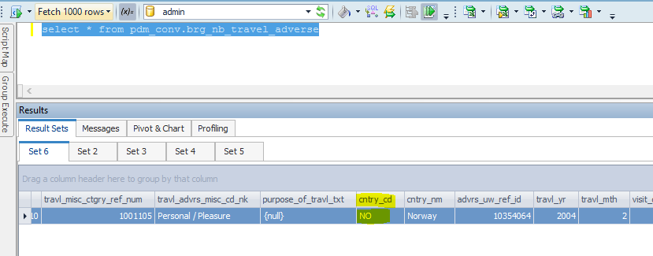

brg_nb_travel_adverse_sk | src_sys_nm_nk | fact_nb_adverse_background_sk | travl_dim_nb_misc_code_sk | travl_misc_ctgry_ref_num | travl_advrs_misc_cd_nk | purpose_of_travl_txt | cntry_cd | cntry_nm | advrs_uw_ref_id | travl_yr | travl_mth | visit_dur_num | is_visit_dt_apprx_ind | is_visit_dur_apprx_ind | visit_dur_unit_cd | src_rec_sts_cd | edh_record_status_in | edh_created_batch_key | edh_created_ts | edh_created_nm | edh_updated_batch_key | edh_updated_ts | edh_updated_nm | go_cd_nk | go_cd_nm | issuing_dim_external_organization_sk | issuing_org_cd_nk | appl_sign_dt_key | policy_delv_dt_key | ascv_except_ind | accel_case_yn_ind | cntual_conv_ind | conv_crdt_use_ind | conv_amt | net_risk_amt | refund_amt | rga_sup_pgm_ind | primary_insured_4_mth_taar_amt | nb_cnt_sts_dim_rsn_sk | nb_cnt_sts_rsn_cd_nk | primary_insured_src_iperson_ref_id | dim_nb_applicant_sk | dim_party_client_sk | src_cl_id | cl_id_nk | primary_ownr_ind | jnt_ownr_ind | jnt_ownr_tp_cd | success_ownr_ind | success_ownr_tp_cd | ownr_same_as_applicant_ind | applicant_same_as_other_role_nm | applicant_inforce_ind | applicant_inforce_amt | appl_post_ind | payor_same_as_other_role_nm | dim_nb_invstmnt_plan_sk | qual_plan_cd_nk | paymt_mode_cd | govt_allot_srvc_branch_cd | allot_tax_secure_id | dim_nb_list_bill_group_sk | list_bill_grp_cd_nk | list_bill_grp_nm_correct_ind | mainstay_num | paypt_num | arrang_num | arrang_nm | arrang_nm_correct_ind | use_8071_8072_cd | bank_acct_holder_nm | dim_nb_bank_acct_secure_sk | bank_route_transit_num | bank_acct_tp_cd | bill_dy_num | assoc_num | futr_bill_mth_num | cash_prest_before_iss_ind | secdary_addrse_ind | secdary_addrse_tp_cd | third_party_trans_ind | third_party_trans_dtl_txt | third_party_comp_ind | third_party_comp_dtl_txt | viatcl_auth_med_ind | viatcl_auth_med_dtl_txt | reduce_paidup_laps_ind | non_trnsfr_opt_ind | split_dollar_opt_txt | dim_nb_pay_method_sk | initial_pay_mthd_src_cd_nk | tot_paid_amt | doctor_recomm_ind | doctor_recomm_dtl_txt | diag_ind | diag_dtl_txt | unbl_to_work_ind | unbl_to_work_dtl_txt | hosp_admsn_ind | hosp_dtl_txt | chld_premat_ind | chld_premat_dtl_txt | low_birth_weight_ind | low_birth_weight_dtl_txt | chld_disord_ind | chld_disord_dtl_txt | chld_impair_ind | chld_unbl_att_school_reglr_ind | chld_insurability_dtl_txt | auth_copy_req_ind | route_to_aatc_analyst_ind | aatc_policy_dt | gir_doc_submit_ind | prev_policy_bnft_cd | schd_opt_dt | exercise_rider_opt_tp_cd | exercise_opt_rsn_cd | exercise_rider_dtl_txt | gir_ppo_reqr_doc_submit_dt | addl_dtl_ctgry_txt | addl_dtl_frefrm_txt | illustr_sign_ind | illustr_cert_applicant_sign_ind | illustr_cert_applicant_sign_dt | illustr_cert_agent_witness_sign_ind | illustr_cert_agent_witness_sign_dt | unsign_illustr_rsn_cd | other_cov_pend_ind | tot_pend_amt | apl_ind | initial_prem_amt | schd_plan_prem_amt | aamo_ind | modal_prem_pay_period_num | addl_first_yr_prem_amt | ftis_max_prem_amt | ftis_est_annual_prem_amt | ftis_est_base_cov_annual_prem_amt | ftis_target_prem_amt | ftis_target_single_prem_amt | calc_est_minimum_annual_prem_amt | calc_annual_std_base_prem_amt | prem_tp_cd | commission_paybl_on_recpt_of_prem_ind | commission_to_be_coll_by_off_ind | nyl_mode_tp_cd | will_buy_ind | dppo_opt_ind | div_opt_ind | test_7702_opt_ind | life_ins_opt_ind | pod_opt_ind | long_term_opt_ind | acsv_opt_ind | tax_qual_ltc_bnft_ind | payroll_ded_freq | payroll_ded_auth_cmpl_ind | src_rec_sts_cd | edh_record_status_in | edh_created_batch_key | edh_created_ts | edh_created_nm | edh_updated_batch_key | edh_updated_ts | edh_updated_nm
1000000908352 | NB21 | 1000001138648 | 1000000000010 | 1001105 | Personal / Pleasure |  | NO | Norway | 10354064 | 2004 | 2 | 2 | U | U | Month(s) | Active | A | 20240805090411 | 8/8/2024 5:45:49 AM | m_RsBrgNbTravelAdverse | 20240805090411 | 8/8/2024 6:30:15 AM | m_RsBrgNbTravelAdverse | S14 | NORTHERN CALIFORNIA | -99 | NYLIC | 194830 | -98 |  |  |  |  |  |  |  |  |  | -99 | FORECLOSED | 14907777 | -99 | -98 | NF | NF | Y | U | UNKNOWN | N | UNKNOWN | U | Primary Insured | U |  | Y | Primary Insured | -98 | NF | NF | NF | NF | -98 | NF |  | NF | NF | NF | NF |  |  |  | -99 |  |  |  |  |  |  | U | U | N |  | N |  | N |  |  |  |  | -98 | NF |  |  |  |  |  |  |  |  |  |  |  |  |  |  |  |  |  |  | U | U |  |  |  |  |  |  |  |  |  | 560398 | Y |  |  |  |  |  | U |  | N |  |  | Y |  |  |  | 105.00 |  | 0.00 |  |  |  |  | N | Y | Annual |  | N | Y | N | N | N | N | N |  |  |  | Active | A | 20240720074826 | 7/22/2024 1:32:24 AM | m_RsFactNbContractPart1cdc | 20240720074826 | 7/22/2024 1:50:18 AM | m_RsFactNbContractPart1cdc

Scenario ID: 4
Delete Scenario

Source Query proccesing Record

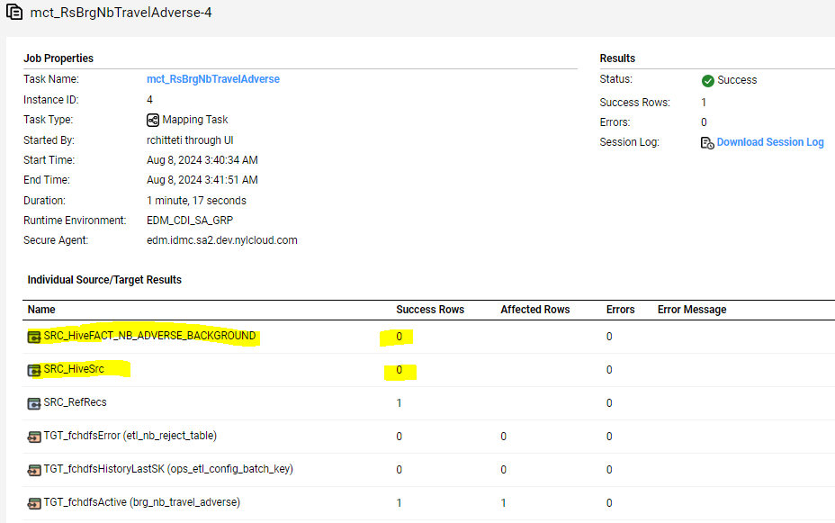

brg_nb_travel_adverse_sk | src_sys_nm_nk | fact_nb_adverse_background_sk | travl_dim_nb_misc_code_sk | travl_misc_ctgry_ref_num | travl_advrs_misc_cd_nk | purpose_of_travl_txt | cntry_cd | cntry_nm | advrs_uw_ref_id | travl_yr | travl_mth | visit_dur_num | is_visit_dt_apprx_ind | is_visit_dur_apprx_ind | visit_dur_unit_cd | src_rec_sts_cd | edh_record_status_in | edh_created_batch_key | edh_created_ts | edh_created_nm | edh_updated_batch_key | edh_updated_ts | edh_updated_nm | go_cd_nk | go_cd_nm | issuing_dim_external_organization_sk | issuing_org_cd_nk | appl_sign_dt_key | policy_delv_dt_key | ascv_except_ind | accel_case_yn_ind | cntual_conv_ind | conv_crdt_use_ind | conv_amt | net_risk_amt | refund_amt | rga_sup_pgm_ind | primary_insured_4_mth_taar_amt | nb_cnt_sts_dim_rsn_sk | nb_cnt_sts_rsn_cd_nk | primary_insured_src_iperson_ref_id | dim_nb_applicant_sk | dim_party_client_sk | src_cl_id | cl_id_nk | primary_ownr_ind | jnt_ownr_ind | jnt_ownr_tp_cd | success_ownr_ind | success_ownr_tp_cd | ownr_same_as_applicant_ind | applicant_same_as_other_role_nm | applicant_inforce_ind | applicant_inforce_amt | appl_post_ind | payor_same_as_other_role_nm | dim_nb_invstmnt_plan_sk | qual_plan_cd_nk | paymt_mode_cd | govt_allot_srvc_branch_cd | allot_tax_secure_id | dim_nb_list_bill_group_sk | list_bill_grp_cd_nk | list_bill_grp_nm_correct_ind | mainstay_num | paypt_num | arrang_num | arrang_nm | arrang_nm_correct_ind | use_8071_8072_cd | bank_acct_holder_nm | dim_nb_bank_acct_secure_sk | bank_route_transit_num | bank_acct_tp_cd | bill_dy_num | assoc_num | futr_bill_mth_num | cash_prest_before_iss_ind | secdary_addrse_ind | secdary_addrse_tp_cd | third_party_trans_ind | third_party_trans_dtl_txt | third_party_comp_ind | third_party_comp_dtl_txt | viatcl_auth_med_ind | viatcl_auth_med_dtl_txt | reduce_paidup_laps_ind | non_trnsfr_opt_ind | split_dollar_opt_txt | dim_nb_pay_method_sk | initial_pay_mthd_src_cd_nk | tot_paid_amt | doctor_recomm_ind | doctor_recomm_dtl_txt | diag_ind | diag_dtl_txt | unbl_to_work_ind | unbl_to_work_dtl_txt | hosp_admsn_ind | hosp_dtl_txt | chld_premat_ind | chld_premat_dtl_txt | low_birth_weight_ind | low_birth_weight_dtl_txt | chld_disord_ind | chld_disord_dtl_txt | chld_impair_ind | chld_unbl_att_school_reglr_ind | chld_insurability_dtl_txt | auth_copy_req_ind | route_to_aatc_analyst_ind | aatc_policy_dt | gir_doc_submit_ind | prev_policy_bnft_cd | schd_opt_dt | exercise_rider_opt_tp_cd | exercise_opt_rsn_cd | exercise_rider_dtl_txt | gir_ppo_reqr_doc_submit_dt | addl_dtl_ctgry_txt | addl_dtl_frefrm_txt | illustr_sign_ind | illustr_cert_applicant_sign_ind | illustr_cert_applicant_sign_dt | illustr_cert_agent_witness_sign_ind | illustr_cert_agent_witness_sign_dt | unsign_illustr_rsn_cd | other_cov_pend_ind | tot_pend_amt | apl_ind | initial_prem_amt | schd_plan_prem_amt | aamo_ind | modal_prem_pay_period_num | addl_first_yr_prem_amt | ftis_max_prem_amt | ftis_est_annual_prem_amt | ftis_est_base_cov_annual_prem_amt | ftis_target_prem_amt | ftis_target_single_prem_amt | calc_est_minimum_annual_prem_amt | calc_annual_std_base_prem_amt | prem_tp_cd | commission_paybl_on_recpt_of_prem_ind | commission_to_be_coll_by_off_ind | nyl_mode_tp_cd | will_buy_ind | dppo_opt_ind | div_opt_ind | test_7702_opt_ind | life_ins_opt_ind | pod_opt_ind | long_term_opt_ind | acsv_opt_ind | tax_qual_ltc_bnft_ind | payroll_ded_freq | payroll_ded_auth_cmpl_ind | src_rec_sts_cd | edh_record_status_in | edh_created_batch_key | edh_created_ts | edh_created_nm | edh_updated_batch_key | edh_updated_ts | edh_updated_nm
1000000908352 | NB21 | 1000001138648 | 1000000000010 | 1001105 | Personal / Pleasure |  | NO | Norway | 10354064 | 2004 | 2 | 2 | U | U | Month(s) | Active | D | 20240805090411 | 8/8/2024 5:45:49 AM | m_RsBrgNbTravelAdverse | 20240805090411 | 8/8/2024 6:40:58 AM | m_RsBrgNbTravelAdverse | S14 | NORTHERN CALIFORNIA | -99 | NYLIC | 194830 | -98 |  |  |  |  |  |  |  |  |  | -99 | FORECLOSED | 14907777 | -99 | -98 | NF | NF | Y | U | UNKNOWN | N | UNKNOWN | U | Primary Insured | U |  | Y | Primary Insured | -98 | NF | NF | NF | NF | -98 | NF |  | NF | NF | NF | NF |  |  |  | -99 |  |  |  |  |  |  | U | U | N |  | N |  | N |  |  |  |  | -98 | NF |  |  |  |  |  |  |  |  |  |  |  |  |  |  |  |  |  |  | U | U |  |  |  |  |  |  |  |  |  | 560398 | Y |  |  |  |  |  | U |  | N |  |  | Y |  |  |  | 105.00 |  | 0.00 |  |  |  |  | N | Y | Annual |  | N | Y | N | N | N | N | N |  |  |  | Active | D | 20240720074826 | 7/22/2024 1:32:24 AM | m_RsFactNbContractPart1cdc | 20240720074826 | 7/22/2024 1:56:03 AM | m_RsFactNbContractPart1cdc

Scenario ID:5
Full Load | 90 Success Rows

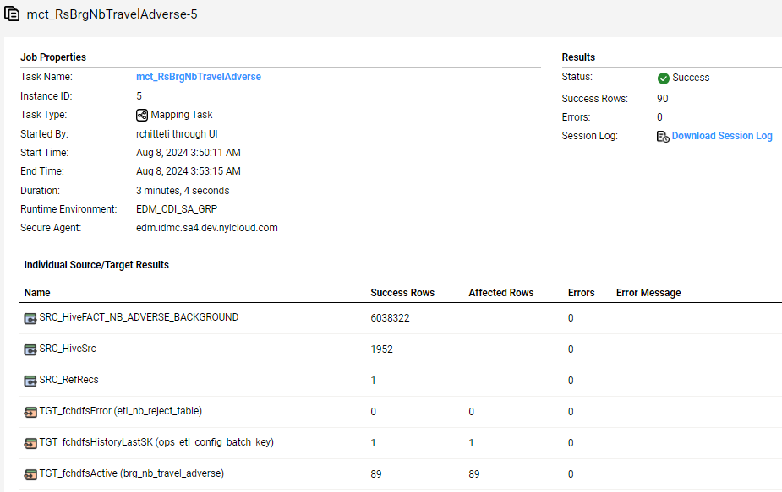
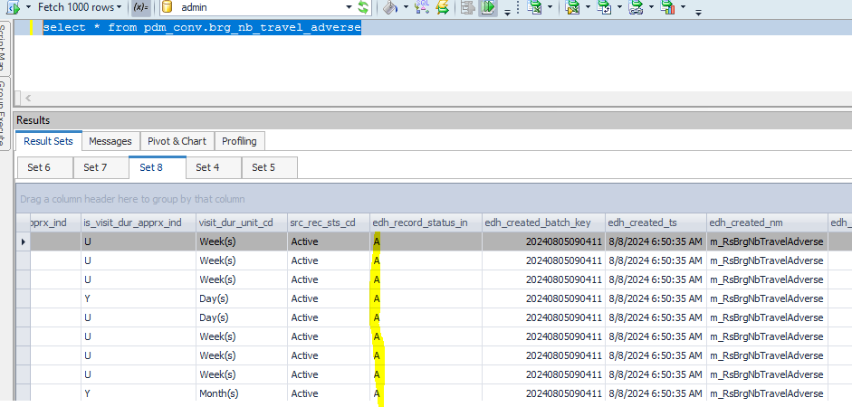

brg_nb_travel_adverse_sk | src_sys_nm_nk | fact_nb_adverse_background_sk | travl_dim_nb_misc_code_sk | travl_misc_ctgry_ref_num | travl_advrs_misc_cd_nk | purpose_of_travl_txt | cntry_cd | cntry_nm | advrs_uw_ref_id | travl_yr | travl_mth | visit_dur_num | is_visit_dt_apprx_ind | is_visit_dur_apprx_ind | visit_dur_unit_cd | src_rec_sts_cd | edh_record_status_in | edh_created_batch_key | edh_created_ts | edh_created_nm | edh_updated_batch_key | edh_updated_ts | edh_updated_nm | go_cd_nk | go_cd_nm | issuing_dim_external_organization_sk | issuing_org_cd_nk | appl_sign_dt_key | policy_delv_dt_key | ascv_except_ind | accel_case_yn_ind | cntual_conv_ind | conv_crdt_use_ind | conv_amt | net_risk_amt | refund_amt | rga_sup_pgm_ind | primary_insured_4_mth_taar_amt | nb_cnt_sts_dim_rsn_sk | nb_cnt_sts_rsn_cd_nk | primary_insured_src_iperson_ref_id | dim_nb_applicant_sk | dim_party_client_sk | src_cl_id | cl_id_nk | primary_ownr_ind | jnt_ownr_ind | jnt_ownr_tp_cd | success_ownr_ind | success_ownr_tp_cd | ownr_same_as_applicant_ind | applicant_same_as_other_role_nm | applicant_inforce_ind | applicant_inforce_amt | appl_post_ind | payor_same_as_other_role_nm | dim_nb_invstmnt_plan_sk | qual_plan_cd_nk | paymt_mode_cd | govt_allot_srvc_branch_cd | allot_tax_secure_id | dim_nb_list_bill_group_sk | list_bill_grp_cd_nk | list_bill_grp_nm_correct_ind | mainstay_num | paypt_num | arrang_num | arrang_nm | arrang_nm_correct_ind | use_8071_8072_cd | bank_acct_holder_nm | dim_nb_bank_acct_secure_sk | bank_route_transit_num | bank_acct_tp_cd | bill_dy_num | assoc_num | futr_bill_mth_num | cash_prest_before_iss_ind | secdary_addrse_ind | secdary_addrse_tp_cd | third_party_trans_ind | third_party_trans_dtl_txt | third_party_comp_ind | third_party_comp_dtl_txt | viatcl_auth_med_ind | viatcl_auth_med_dtl_txt | reduce_paidup_laps_ind | non_trnsfr_opt_ind | split_dollar_opt_txt | dim_nb_pay_method_sk | initial_pay_mthd_src_cd_nk | tot_paid_amt | doctor_recomm_ind | doctor_recomm_dtl_txt | diag_ind | diag_dtl_txt | unbl_to_work_ind | unbl_to_work_dtl_txt | hosp_admsn_ind | hosp_dtl_txt | chld_premat_ind | chld_premat_dtl_txt | low_birth_weight_ind | low_birth_weight_dtl_txt | chld_disord_ind | chld_disord_dtl_txt | chld_impair_ind | chld_unbl_att_school_reglr_ind | chld_insurability_dtl_txt | auth_copy_req_ind | route_to_aatc_analyst_ind | aatc_policy_dt | gir_doc_submit_ind | prev_policy_bnft_cd | schd_opt_dt | exercise_rider_opt_tp_cd | exercise_opt_rsn_cd | exercise_rider_dtl_txt | gir_ppo_reqr_doc_submit_dt | addl_dtl_ctgry_txt | addl_dtl_frefrm_txt | illustr_sign_ind | illustr_cert_applicant_sign_ind | illustr_cert_applicant_sign_dt | illustr_cert_agent_witness_sign_ind | illustr_cert_agent_witness_sign_dt | unsign_illustr_rsn_cd | other_cov_pend_ind | tot_pend_amt | apl_ind | initial_prem_amt | schd_plan_prem_amt | aamo_ind | modal_prem_pay_period_num | addl_first_yr_prem_amt | ftis_max_prem_amt | ftis_est_annual_prem_amt | ftis_est_base_cov_annual_prem_amt | ftis_target_prem_amt | ftis_target_single_prem_amt | calc_est_minimum_annual_prem_amt | calc_annual_std_base_prem_amt | prem_tp_cd | commission_paybl_on_recpt_of_prem_ind | commission_to_be_coll_by_off_ind | nyl_mode_tp_cd | will_buy_ind | dppo_opt_ind | div_opt_ind | test_7702_opt_ind | life_ins_opt_ind | pod_opt_ind | long_term_opt_ind | acsv_opt_ind | tax_qual_ltc_bnft_ind | payroll_ded_freq | payroll_ded_auth_cmpl_ind | src_rec_sts_cd | edh_record_status_in | edh_created_batch_key | edh_created_ts | edh_created_nm | edh_updated_batch_key | edh_updated_ts | edh_updated_nm
1000000908352 | NB21 | 1000001138648 | 1000000000010 | 1001105 | Personal / Pleasure |  | NO | Norway | 10354064 | 2004 | 2 | 2 | U | U | Month(s) | Active | A | 20240805090411 | 8/8/2024 5:45:49 AM | m_RsBrgNbTravelAdverse | 20240805090411 | 8/8/2024 6:50:35 AM | m_RsBrgNbTravelAdverse | L61 | KANSAS CITY BROKERAGE | -98 | NF | 189797 | -98 |  |  |  |  |  |  |  |  |  | -98 | NF | 14906154 | 1000085901403 | -98 | NF | NF | Y | U | UNKNOWN | N | UNKNOWN | U | Primary Insured | U |  | N | Primary Insured | -98 | NF | NF | NF | NF | -98 | NF |  | NF | NF | NF | NF |  |  |  | -99 |  |  |  |  |  |  | U | U |  |  |  |  |  |  |  |  |  | -98 | NF |  |  |  |  |  |  |  |  |  |  |  |  |  |  |  |  |  |  | Y | U |  |  |  |  |  |  |  |  |  | 1859745 | Y |  |  |  |  |  | U |  | N | 10000.00 | 10000.00 | N |  |  | 190355.30 |  |  | 8885.00 |  |  |  |  | N | Y | Quarterly |  | N | Y | Y | Y | N | N | N |  |  |  | Active | A | 20240720074826 | 7/22/2024 2:02:01 AM | m_RsFactNbContractPart1cdc
1000000908356 | NB21 | 1000001786248 | 1000000000010 | 1001105 | Personal / Pleasure |  | DZ | Algeria | 10371138 | 2022 | 5 | 5 | U | U | Day(s) | Active | A | 20240805090411 | 8/8/2024 6:50:35 AM | m_RsBrgNbTravelAdverse |  |  |  | A11 | NASHVILLE | -98 | NF | 194830 | -98 |  |  |  |  |  |  |  |  |  | -98 | NF | 14906159 | 1000085823622 | -98 | NF | NF | N | U | UNKNOWN | N | UNKNOWN | U | Other | U |  | N | Owner | -98 | NF | NF | NF | NF | -98 | NF |  | NF | NF | NF | NF |  |  |  | -99 |  |  |  |  |  |  | U | U |  |  |  |  |  |  |  |  |  | -98 | NF |  |  |  |  |  |  |  |  |  |  |  |  |  |  |  |  |  |  | Y | U |  |  |  |  |  |  |  |  |  | 75774 | Y |  |  |  |  |  | U |  | Y |  |  | N |  |  |  | 122200.01 |  | 0.00 |  |  |  |  | N | Y | Annual |  | N | Y | N | N | N | N | N |  |  |  | Active | A | 20240720074826 | 7/22/2024 2:02:01 AM | m_RsFactNbContractPart1cdc
1000000908370 | NB21 | 1000001753124 | 1000000000010 | 1001105 | Personal / Pleasure | case information country personal add new | AL | Albania | 10369710 | 2021 | 1 | 99 | U | U | Day(s) | Active | A | 20240805090411 | 8/8/2024 6:50:35 AM | m_RsBrgNbTravelAdverse |  |  |  | D56 | WISCONSIN | -98 | NF | 194830 | -98 |  |  |  |  |  |  |  |  |  | -98 | NF | 14906182 | 1000085896051 | -98 | NF | NF | N | U | UNKNOWN | N | UNKNOWN | U | Owner | U |  | Y | Owner | -98 | NF | NF | NF | NF | -98 | NF |  | NF | NF | NF | NF |  |  |  | -99 |  |  |  |  |  |  | U | U |  |  |  |  |  |  |  |  |  | -98 | NF |  |  |  |  |  |  |  |  |  |  |  |  |  |  |  |  |  |  | Y | U |  |  |  |  |  |  |  |  |  | 1405714 | Y |  |  |  |  |  | U |  | Y |  |  | N |  |  |  | 5700.00 |  | 0.00 |  |  |  |  | N | Y | Check-O-Matic |  | N | Y | N | N | N | N | N |  |  |  | Active | A | 20240720074826 | 7/22/2024 2:02:01 AM | m_RsFactNbContractPart1cdc
1000000908371 | NB21 | 1000001750801 | 1000000000010 | 1001105 | Personal / Pleasure | additional comments existing case pipeline state visit | BJ | Benin | 10369341 | 2020 | 6 | 99 | U | U | Day(s) | Active | A | 20240805090411 | 8/8/2024 6:50:35 AM | m_RsBrgNbTravelAdverse |  |  |  | D44 | COLORADO | -98 | NF | 194828 | 218501 | U | N | N | U |  |  |  | U | 1800000 | -98 | NF | 14906201 | 1000010304596 | -98 | NF | NF | Y | U | UNKNOWN | N | UNKNOWN | U | Primary Insured | U |  | N | Primary Insured | -98 | NF | NF | NF | NF | -98 | NF |  | NF | NF | NF | NF |  |  |  | -99 |  |  |  |  |  |  | U | U |  |  |  |  |  |  | U | U |  | -98 | NF |  |  |  |  |  |  |  |  |  |  |  |  |  |  |  | U | U |  | Y | U |  | U | UNKNOWN |  | UNKNOWN | UNKNOWN |  |  |  | 1078957 | Y |  |  |  |  | UNKNOWN | U |  | Y |  |  | N |  |  |  | 20515.00 |  | 0.00 |  |  |  |  | N | Y | Annual |  | N | Y | N | N | N | N | N |  |  |  | Active | A | 20240720074826 | 7/22/2024 2:02:01 AM | m_RsFactNbContractPart1cdc
1000000908373 | NB21 | 1000001745278 | 1000000000036 | 1001105 | Business | Travels details kim on the team on the which | BW | Botswana | 10368954 | 2020 | 12 | 1 | U | Y | Month(s) | Active | A | 20240805090411 | 8/8/2024 6:50:35 AM | m_RsBrgNbTravelAdverse |  |  |  | A68 | CINCINNATI | -98 | NF | 194830 | -98 |  |  |  |  |  |  |  |  |  | -98 | NF | 14906210 | 1000085651589 | -98 | NF | NF | Y | U | UNKNOWN | N | UNKNOWN | U | Primary Insured | U |  | N | Primary Insured | -98 | NF | NF | NF | NF | -98 | NF |  | NF | NF | NF | NF |  |  |  | -99 |  |  |  |  |  |  | U | U |  |  |  |  |  |  |  |  |  | -98 | NF |  |  |  |  |  |  |  |  |  |  |  |  |  |  |  |  |  |  | Y | U |  |  |  |  |  |  |  |  |  | 698500 | Y |  |  |  |  |  | U |  | Y |  |  | N |  |  |  | 1302.51 |  | 0.00 |  |  |  |  | N | Y | Annual |  | N | Y | N | N | N | N | N |  |  |  | Active | A | 20240720074826 | 7/22/2024 2:02:01 AM | m_RsFactNbContractPart1cdc
1000000908374 | NB21 | 1000001745278 | 1000000000036 | 1001105 | Business | Travels details kim on the team on the which | IO | British Indian Ocean Territory | 10368955 | 2022 | 1 | 1 | U | U | Week(s) | Active | A | 20240805090411 | 8/8/2024 6:50:35 AM | m_RsBrgNbTravelAdverse |  |  |  | A02 | CENTRAL ALABAMA | -98 | NF | 194830 | -98 |  |  |  |  |  |  |  |  |  | -98 | NF | 14906212 | 1000085817045 | -98 | NF | NF | Y | U | UNKNOWN | N | UNKNOWN | U | Primary Insured | U |  | N | Primary Insured | -98 | NF | NF | NF | NF | -98 | NF |  | NF | NF | NF | NF |  |  |  | -99 |  |  |  |  |  |  | U | U |  |  |  |  |  |  |  |  |  | -98 | NF |  |  |  |  |  |  |  |  |  |  |  |  |  |  |  |  |  |  | U | U |  |  |  |  |  |  |  |  |  | 536466 | Y |  |  |  |  |  | U |  | N | 55000.00 |  | U |  |  |  |  |  |  |  |  |  |  | N | Y | Lump Sum |  | N | N | Y | Y | N | N | N |  |  |  | Active | A | 20240720074826 | 7/22/2024 2:02:01 AM | m_RsFactNbContractPart1cdc
1000000908383 | NB21 | 1000001736061 | 1000000000010 | 1001105 | Personal / Pleasure |  | CR | Costa Rica | 10368721 | 2020 | 2 | 10 | U | U | Day(s) | Active | A | 20240805090411 | 8/8/2024 6:50:35 AM | m_RsBrgNbTravelAdverse |  |  |  | A02 | CENTRAL ALABAMA | -98 | NF | 194830 | -98 |  |  |  |  |  |  |  |  |  | -99 | FORECLOSED | 14906221 | 1000085894246 | -98 | NF | NF | Y | U | UNKNOWN | N | UNKNOWN | U | Primary Insured | U |  | Y | Primary Insured | -98 | NF | NF | NF | NF | -98 | NF |  | NF | NF | NF | NF |  |  |  | -99 |  |  |  |  |  |  | U | U |  |  |  |  |  |  |  |  |  | -98 | NF |  |  |  |  |  |  |  |  |  |  |  |  |  |  |  |  |  |  | U | U |  |  |  |  |  |  |  |  |  | 565459 | Y |  |  |  |  |  | U |  | U |  |  | N |  |  |  | 8845.00 |  | 0.00 |  |  |  |  | N | Y | Annual |  | N | Y | N | N | N | N | N |  |  |  | Active | A | 20240720074826 | 7/22/2024 2:02:01 AM | m_RsFactNbContractPart1cdc
1000000908385 | NB21 | 1000001731837 | 1000000000010 | 1001105 | Personal / Pleasure |  | AD | Andorra | 10368523 | 2019 | 12 | 1 | U | U | Month(s) | Active | A | 20240805090411 | 8/8/2024 6:50:35 AM | m_RsBrgNbTravelAdverse |  |  |  | A02 | CENTRAL ALABAMA | -98 | NF | 194830 | -98 |  |  |  |  |  |  |  |  |  | -99 | REQNOTFURN | 14906235 | 1000085841740 | -98 | NF | NF | Y | U | UNKNOWN | N | UNKNOWN | U | Primary Insured | U |  | Y | Primary Insured | -98 | NF | NF | NF | NF | -98 | NF |  | NF | NF | NF | NF |  |  |  | -99 |  |  |  |  |  |  | U | U |  |  |  |  |  |  |  |  |  | -98 | NF |  |  |  |  |  |  |  |  |  |  |  |  |  |  |  |  |  |  | U | U |  |  |  |  |  |  |  |  |  | 248593 | Y |  |  |  |  |  | U |  | U |  |  | N |  |  |  | 6270.00 |  | 0.00 |  |  |  |  | N | Y | Annual |  | N | Y | N | N | N | N | N |  |  |  | Active | A | 20240720074826 | 7/22/2024 2:02:01 AM | m_RsFactNbContractPart1cdc
1000000908399 | NB21 | 1000001699314 | 1000000000010 | 1001105 | Personal / Pleasure |  | FR | France | 10365600 | 2017 | 12 | 1 | U | U | Month(s) | Active | A | 20240805090411 | 8/8/2024 6:50:35 AM | m_RsBrgNbTravelAdverse |  |  |  | S58 | ARIZONA | -98 | NF | 194830 | -98 |  |  |  |  |  |  |  |  |  | -98 | NF | 14906244 | 1000085790687 | -98 | NF | NF | Y | U | UNKNOWN | N | UNKNOWN | U | Primary Insured | U |  | Y | Primary Insured | -98 | NF | NF | NF | NF | -98 | NF |  | NF | NF | NF | NF |  |  |  | -99 |  |  |  |  |  |  | U | U |  |  |  |  |  |  |  |  |  | -98 | NF |  |  |  |  |  |  |  |  |  |  |  |  |  |  |  |  |  |  | Y | U |  |  |  |  |  |  |  |  |  | 500517 | Y |  |  |  |  |  | U |  | Y |  |  | N |  |  |  | 4500.00 |  | 0.00 |  |  |  |  | N | Y | Check-O-Matic |  | N | Y | N | N | N | N | N |  |  |  | Active | A | 20240720074826 | 7/22/2024 2:02:01 AM | m_RsFactNbContractPart1cdc
1000000908412 | NB21 | 1000001593810 | 1000000000010 | 1001105 | Personal / Pleasure | Stated he will be taking a 7 day cruise. Will be visiting Cozumel, Belize and several destinations on same trip, |  |  |  |  |  |  |  |  |  |  |  |  |  |  |  |  |  | A02 | CENTRAL ALABAMA | -98 | NF | 194830 | -98 |  |  |  |  |  |  |  |  |  | -99 | FORECLOSED | 14906257 | 1000085924788 | -98 | NF | NF | Y | U | UNKNOWN | N | UNKNOWN | U | Primary Insured | U |  | Y | Primary Insured | -98 | NF | NF | NF | NF | -98 | NF |  | NF | NF | NF | NF |  |  |  | -99 |  |  |  |  |  |  | U | U |  |  |  |  |  |  |  |  |  | -98 | NF |  |  |  |  |  |  |  |  |  |  |  |  |  |  |  |  |  |  | U | U |  |  |  |  |  |  |  |  |  | 1367613 | Y |  |  |  |  |  | U |  | U |  |  | N |  |  |  | 7810.00 |  | 0.00 |  |  |  |  | N | Y | Annual |  | N | Y | N | N | N | N | N |  |  |  | Active | A | 20240720074826 | 7/22/2024 2:02:01 AM | m_RsFactNbContractPart1cdc

