Post Offices
📋 All Main Post Offices List & Image Reference Template
No. | Post Office Code | Province / Branch | District / Location EN | Phone Number | Reference Image / Document
1 | BANP001 | BAN | Serei Saophoan | 0316000285
2 | BATP001 | BAT | Battambang | 0972277127
3 | CHAP001 | CHA | Kampong Cham | 067981954
4 | CHHP001 | CHH | Kampong Chhnang | 0978887079
5 | KAMP001 | KAM | Kampot | 0979758982
6 | KANP001 | KAN | Ta Khmau | 0716646043
7 | KOHP001 | KOH | Khemmeakrakphumin | 0975942942
8 | KRAP001 | KRA | Kracheh | 0979171178
9 | MONP001 | MON | Mondulkiri | 0716696816
10 | ODDP001 | ODD | Samraong | 0979520168
11 | PNPP001 | PNP | Chamkar Mon | 0886479090 | 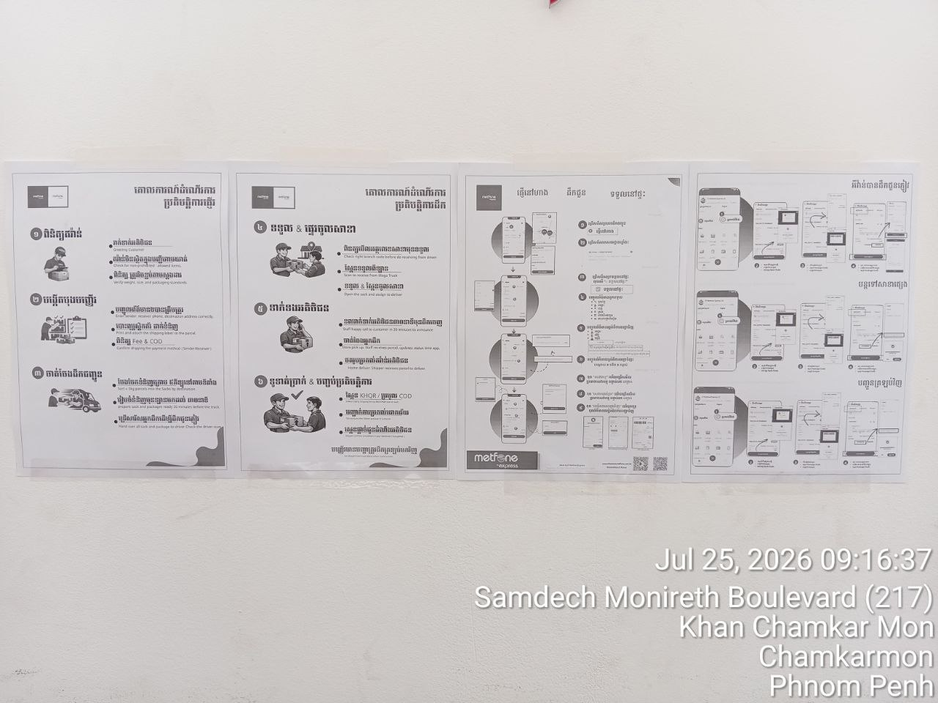
12 | PNPP002 | PNP | Mean Chey 01 | 0713951242
13 | PNPP003 | PNP | Mean Chey 02 | 0315500998
14 | PNPP004 | PNP | Preaek Pnov | 0717674227
15 | PNPP005 | PNP | Chbar Ampov | 0975582123 | 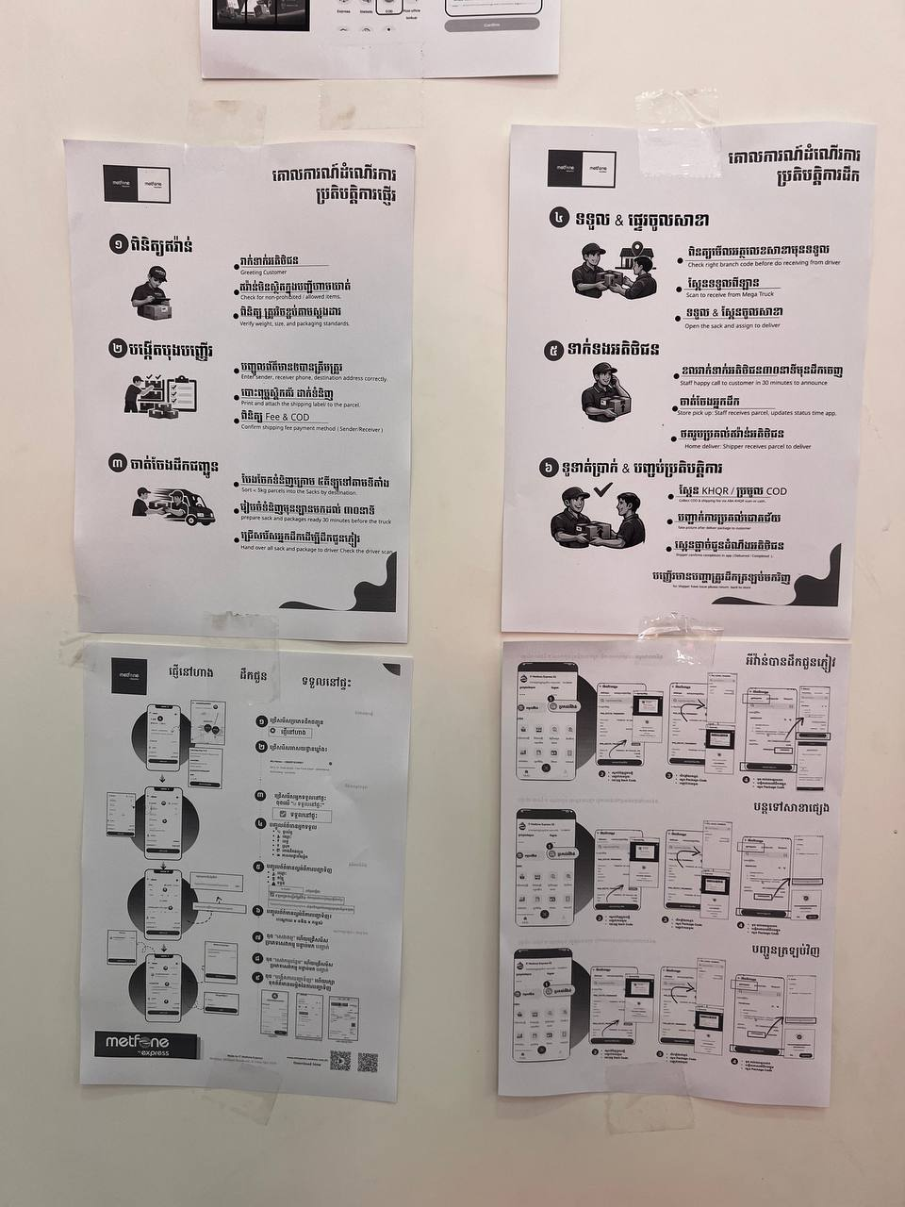
16 | PNPP006 | PNP | Tuol Kouk | 0976243981 | 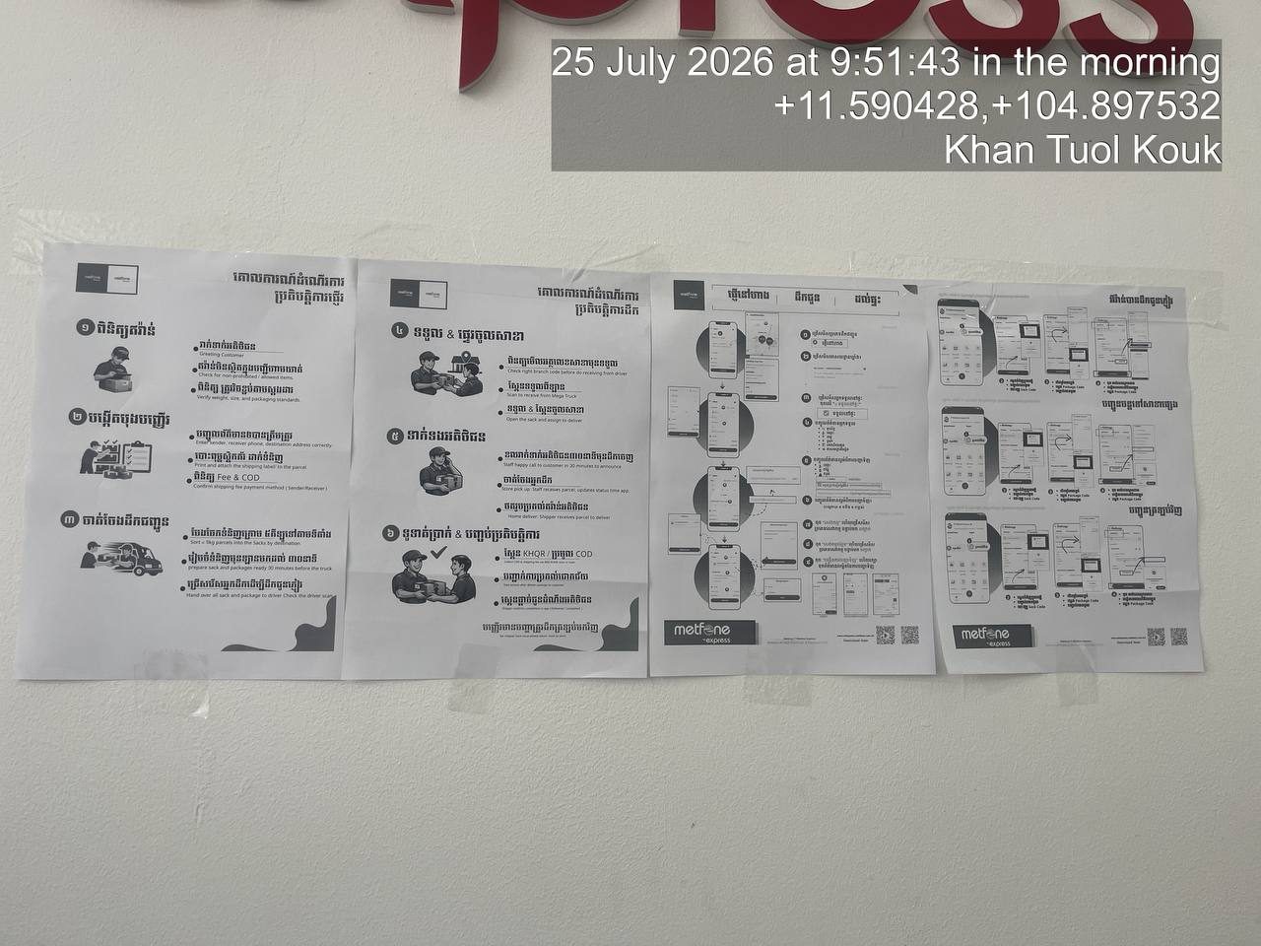
17 | PNPP007 | PNP | Boeng Keng Kang | 0977681433 | 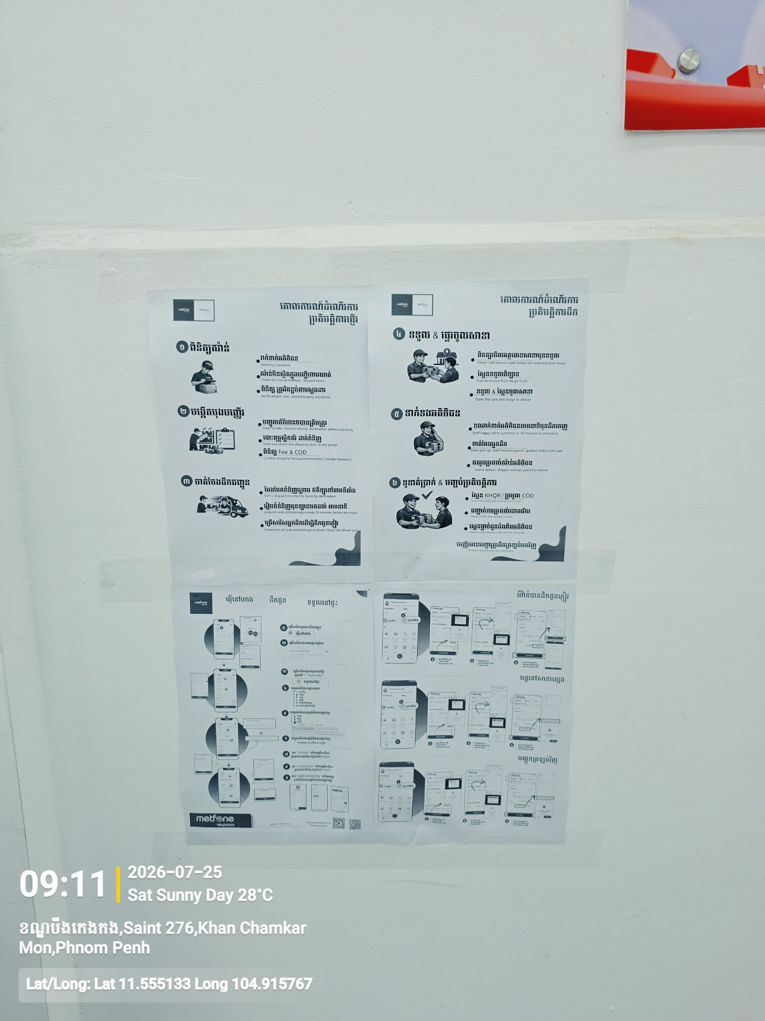
18 | PNPP008 | PNP | Pou Saen Chey 01 | 0977872172 | 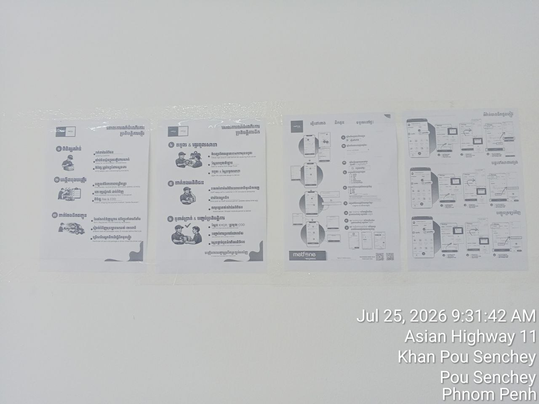
19 | PNPP009 | PNP | Pou Saen Chey 02 | 0712265139
20 | PNPP010 | PNP | Chraoy Chongvar | 068288779
21 | PNPP011 | PNP | Dangkao | 0883331768
22 | PNPP012 | PNP | Kamboul
23 | PNPP013 | PNP | Saen Sokh | 0889432820
24 | PNPP014 | PNP | Doun Penh | 0888985557
25 | PNPP015 | PNP | Phnom Penh Sub-Office 15 | 0881234567
26 | PREP001 | PRE | Prey Veng | 0712930022 | 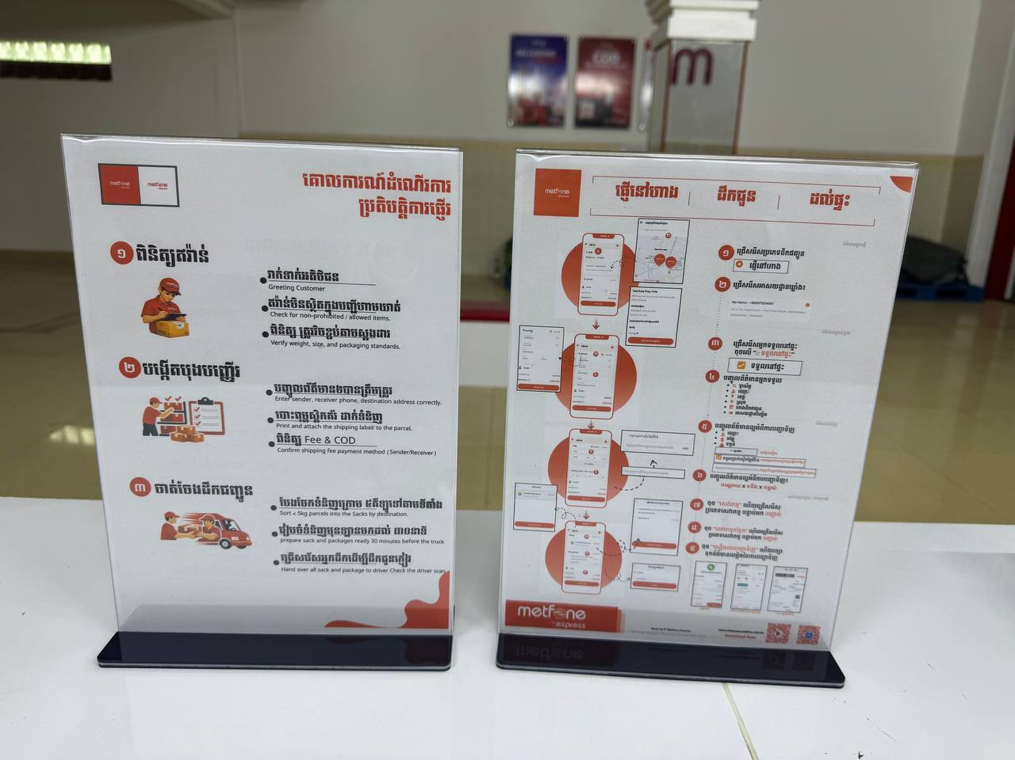 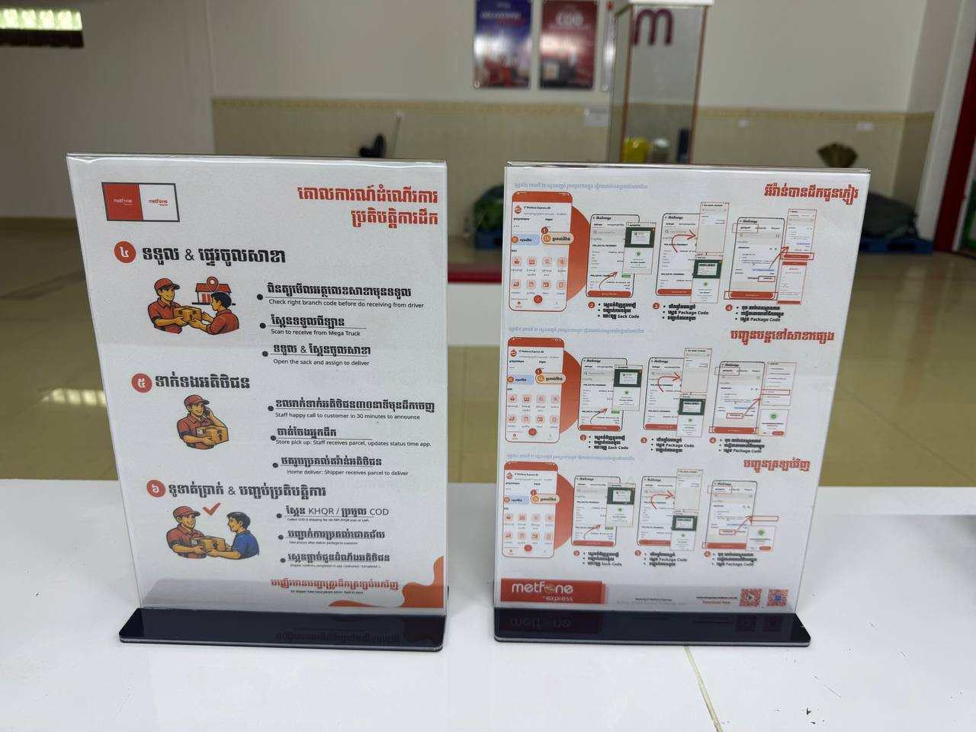
27 | PRHP001 | PRH | Preah Vihear | 0974477281
28 | PURP001 | PUR | Pousat | 0977738488
29 | ROTP001 | ROT | Ratanakiri | 0972959859
30 | SIEP001 | SIE | Siem Reab | 0976241999 | 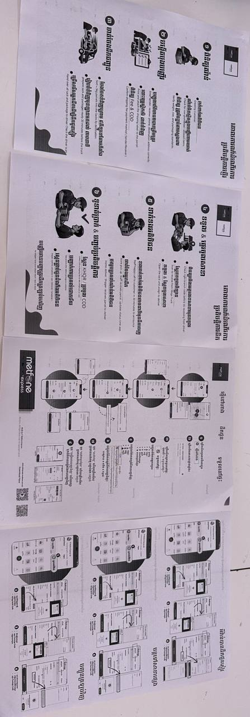
31 | SIHP001 | SIH | Preah Sihanouk | 0972158568 | Error Printer
32 | SPEP001 | SPE | Chbar Mon | 0715554858 | No yet
33 | STUP001 | STU | Stung Treng | 0978797000 | Not yet
34 | SVAP001 | SVA | Svay Rieng | 0979938909 | Not yet
35 | TAKP001 | TAK | Doun Kaev | 0885749816 | Not yet
36 | TBKP001 | TBK | Suong | 0319777797 | 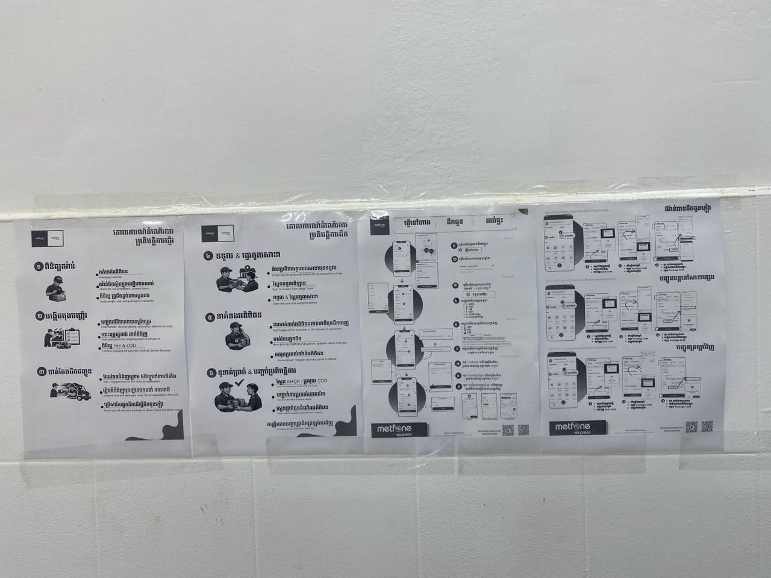
37 | THOP001 | THO | Stueng Saen | 0882133448 | Not yet
38 | THOP001 | THO | Steung Sean | 0313756464 | Not yet
 | MONP001 | MON | Sen Monorom | 716696816 | 