Check_List
Location
 | + Location Internal Project: | \\hc-ut40346c\NHI5HC\hieunguyen\0000_Project
 | + Location Internal Your Output: | \\hc-ut40346c\NHI5HC\hieunguyen\0000_Project\001_Prj\01_COEM\01_Output_Package

 | Please ensure your push correct the Package name with the TaskGroup
 | + Location Internal Your Release Output: | \\hc-ut40346c\NHI5HC\hieunguyen\0000_Project\001_Prj\01_COEM\02_Release_Package

 | + Location for delivery to internal team: | \\hc-ut40745c\Ban_Vien_external\Release\Gen_9.3

 | Project | Tester | Task Group | Effort (days) | UT_Status
 | REN_CDV | EXTERNAL Nguyen Tai Hau (Ban Vien, RBVH/EPS45) | T200 | 5.1 | Done |  | EXTERNAL Nguyen Trung Hieu (Ban Vien, RBVH/EPS45)
 |  | EXTERNAL Nguyen Duy Bang (Ban Vien, RBVH/EPS45) | T201 | 5.2 | Done |  | EXTERNAL Nguyen Tai Hau (Ban Vien, RBVH/EPS45)
 |  | EXTERNAL Do Anh Huy (Ban Vien, RBVH/EPS45) | T202 | 5.7 | Done |  | EXTERNAL Nguyen Duy Bang (Ban Vien, RBVH/EPS45)
 |  | EXTERNAL Nguyen Thanh Phuong (Ban Vien, RBVH/EPS45) | T203 | 3.5 | Done |  | EXTERNAL Luu Cong Dac (Ban Vien, RBVH/EPS45)
 |  | EXTERNAL Duong Chi Khang (Ban Vien, RBVH/EPS45) | T204 | 5.0 | Done |  | EXTERNAL Do Anh Huy (Ban Vien, RBVH/EPS45)
 |  | EXTERNAL Luu Cong Dac (Ban Vien, RBVH/EPS45) | T205 | 5.3 | Done |  | EXTERNAL Duong Chi Khang (Ban Vien, RBVH/EPS45)
 |  | EXTERNAL Nguyen Tuan Duong (Ban Vien, RBVH/EPS45) | T206 | 4.6 | Done
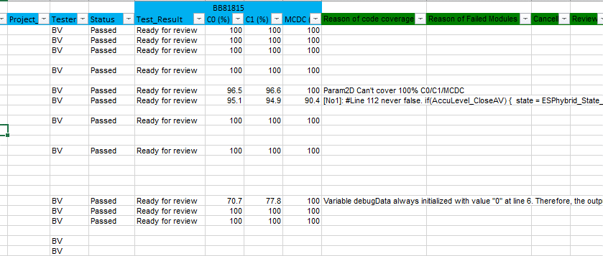
 |  |  |  |  |  |  | EXTERNAL Nguyen Tuan Duong (Ban Vien, RBVH/EPS45)
 | Project | Tester | Task Group | Effort (days) | UT_Status |  | EXTERNAL Nguyen Thanh Phuong (Ban Vien, RBVH/EPS45)
 | PSA_EMP2V3_BL5S6_15ASW_22June | EXTERNAL Nguyen Tai Hau (Ban Vien, RBVH/EPS45) | T200 | 4.1 | Done
 |  | EXTERNAL Duong Chi Khang (Ban Vien, RBVH/EPS45) | T201 | 0.7 | Done

How to fill status

 |  |  |  |  |  | 0 | 0 | hieu.nguyen-trung
 |  |  |  |  |  | 32.64 | 40.72 | hau.nguyen-tai | EXTERNAL Nguyen Tai Hau (Ban Vien, RBVH/EPS45)
 |  |  |  |  |  | 0 | 41.76 | bang.nguyen-duy | EXTERNAL Nguyen Duy Bang (Ban Vien, RBVH/EPS45)
 |  |  |  |  |  | 0 | 42.16 | dac.luu-cong | EXTERNAL Luu Cong Dac (Ban Vien, RBVH/EPS45)
 |  |  |  |  |  | 0 | 36.4 | duong.nguyen-tuan
 |  |  |  |  |  | 0 | 0 | loc.do-phu
 |  |  |  |  |  | 0 | 0 | thanh.nguyen-kim
 |  |  |  |  |  | 0 | 0 | chung.ly
 |  |  |  |  |  | 0 | 45.52 | huy.do-anh | EXTERNAL Do Anh Huy (Ban Vien, RBVH/EPS45)
 |  |  |  |  |  | 0 | 27.68 | phuong.nguyen-thanh
 |  |  |  |  |  | 5.6 | 39.92 | khang.duong-chi | EXTERNAL Duong Chi Khang (Ban Vien, RBVH/EPS45)
 |  |  |  |  |  | 0 | 0 | chuong.nguyen-minh
 |  |  |  |  |  | 0 | 0 | nam.phan-the
 |  |  |  |  |  | 0 | 0 | huy.nguyen-hoang

 | Status: Passed/Failed
 | Test_Result: Ready for review

