Check_List
Location
 | + Location Internal Project: | \\hc-ut40346c\NHI5HC\hieunguyen\0000_Project
 | + Location Internal Your Output: | \\hc-ut40346c\NHI5HC\hieunguyen\0000_Project\001_Prj\01_COEM\01_Output_Package

 | Please ensure your push correct the Package name with the TaskGroup
 | + Location Internal Your Release Output: | \\hc-ut40346c\NHI5HC\hieunguyen\0000_Project\001_Prj\01_COEM\02_Release_Package

 | + Location for delivery to internal team: | \\hc-ut40745c\Ban_Vien_external\Release\Gen_9.3

 | Project | Tester | Task Group | Effort (days) | UT_Status
 | TOY_847B_MPT_Release1 | EXTERNAL Luu Cong Dac (Ban Vien, RBVH/EPS45) | T500 | 0.65 | Done | EXTERNAL Nguyen Trung Hieu (Ban Vien, RBVH/EPS45)
 |  | EXTERNAL Do Anh Huy (Ban Vien, RBVH/EPS45) | T502 | 1.6 | Done | EXTERNAL Nguyen Tai Hau (Ban Vien, RBVH/EPS45)
 |  | EXTERNAL Nguyen Duy Bang (Ban Vien, RBVH/EPS45) | T501 | 0.75 | Done | EXTERNAL Nguyen Duy Bang (Ban Vien, RBVH/EPS45)
 |  | EXTERNAL Luu Cong Dac (Ban Vien, RBVH/EPS45) | T503 | 1.2 | Done | EXTERNAL Luu Cong Dac (Ban Vien, RBVH/EPS45)
 |  |  |  |  |  | EXTERNAL Do Anh Huy (Ban Vien, RBVH/EPS45)

How to fill status
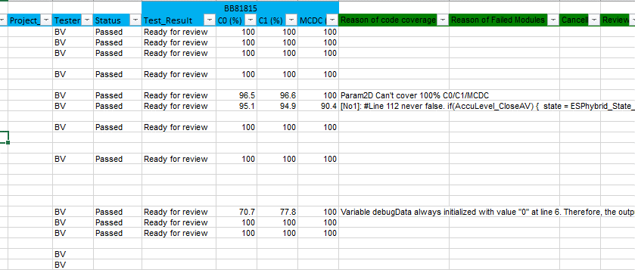

 | Status: Passed/Failed
 | Test_Result: Ready for review

