PHP
Installation
Download Thread Safe | https://windows.php.net/qa/
php-7.3.5-Win32-VC15-x64.zip

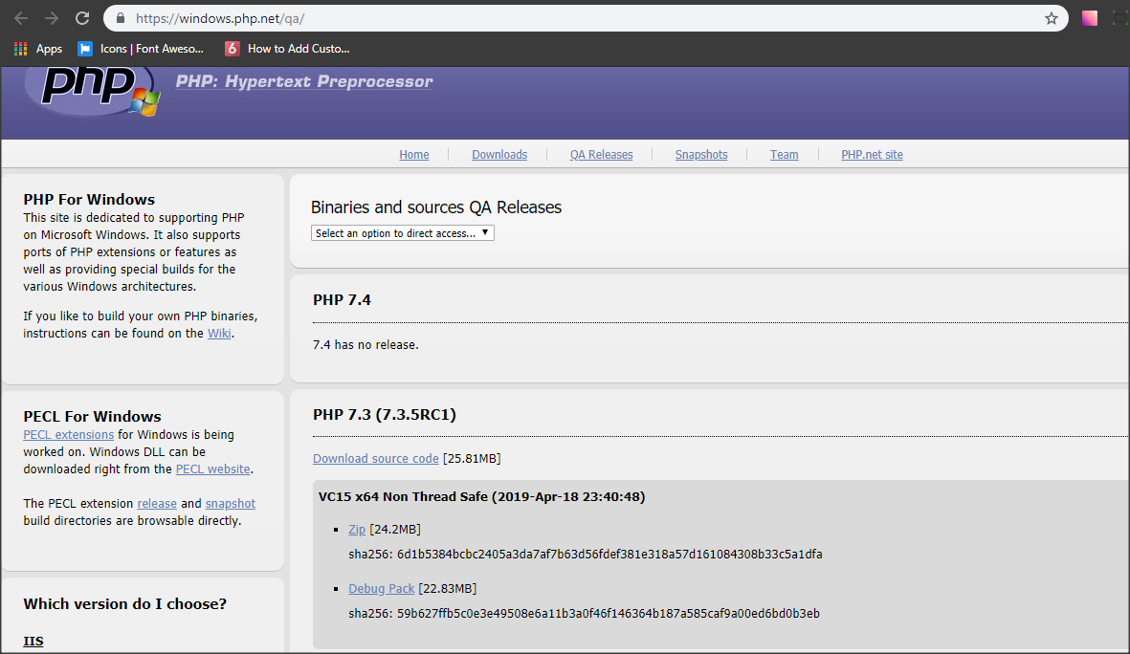

Extract file
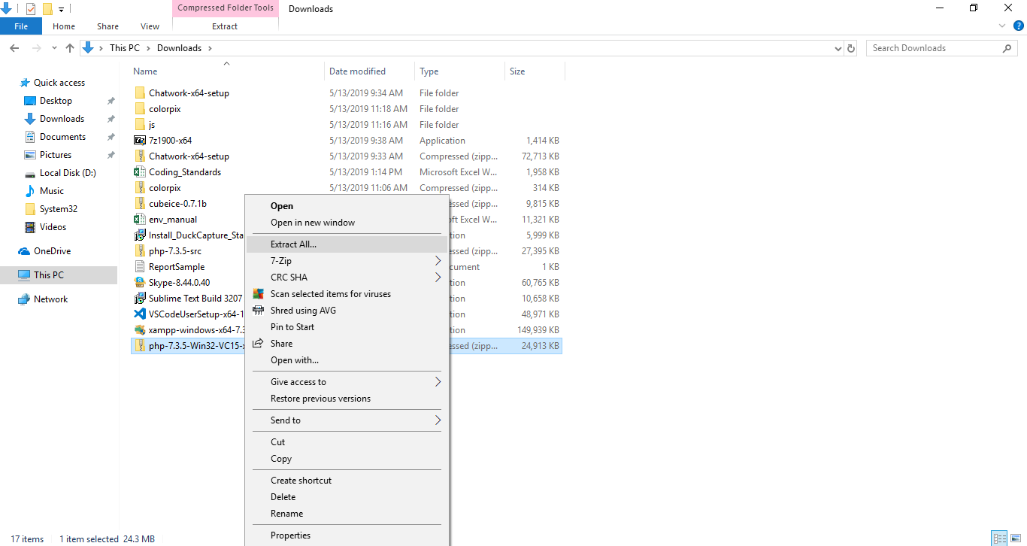

PHP Base Directory
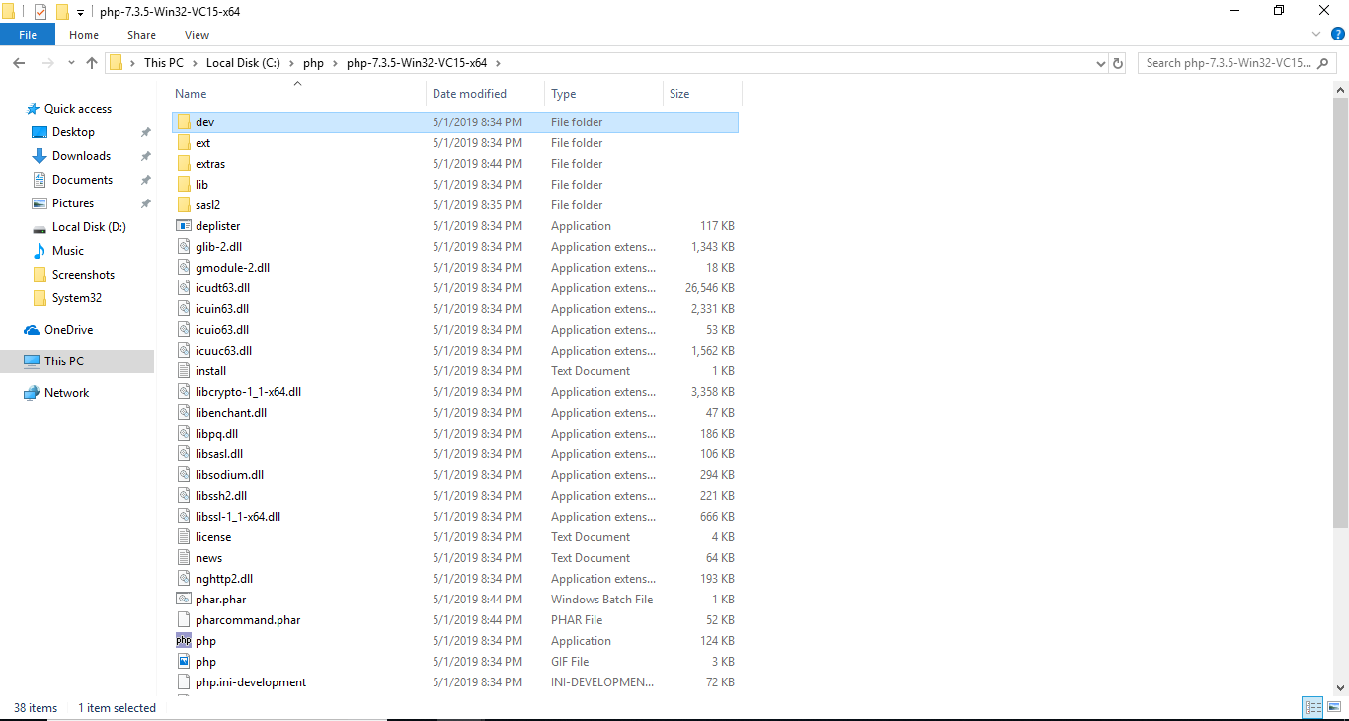

Settings of php.ini

extension_dir = "ext"
extension=php_curl.dll
extension=php_fileinfo.dll
extension=php_gd2.dll
extension=php_mbstring.dll
extension=php_mysql.dll
extension=php_openssl.dll

[mbstring]
mbstring.language = Japanese
mbstring.internal_encoding = UTF-8
mbstring.http_input = pass
mbstring.http_output = pass
mbstring.encoding_translation = Off
mbstring.detect_order = UTF-8,SJIS,EUC-JP,JIS,ASCII
mbstring.substitute_character = none
mbstring.func_overload = 0
mbstring.strict_detection = Off
;mbstring.http_output_conv_mimetype=

date.timezone = Asia/Rangoon

Apache
Installation
download Apache 2.4.39 Win64 |  | https://www.apachelounge.com/download/
httpd-2.4.39-win64-VC15.zip

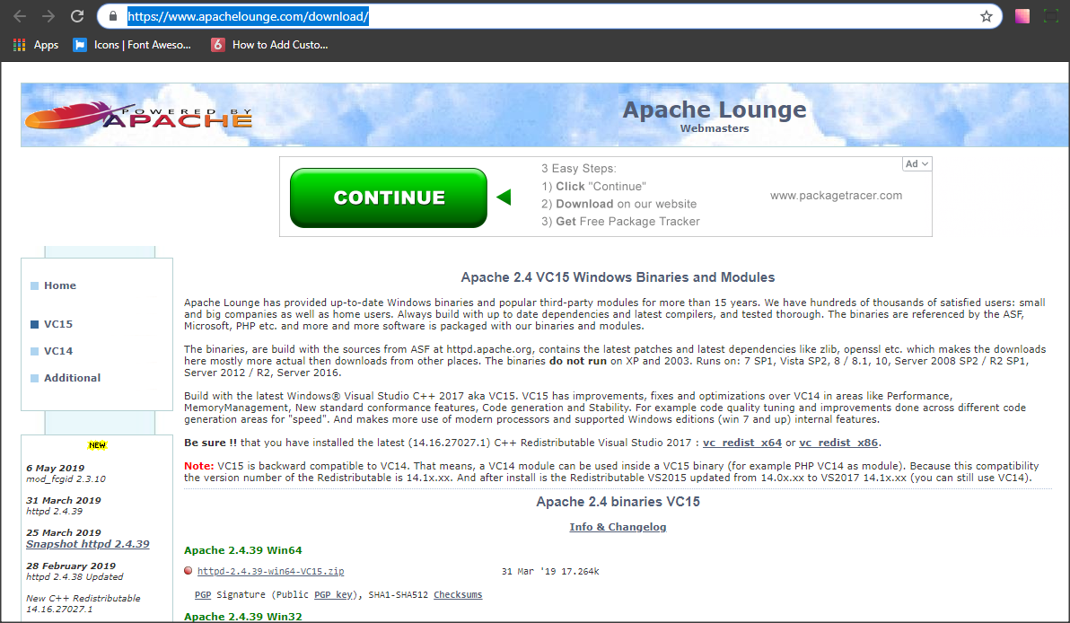

Extract file

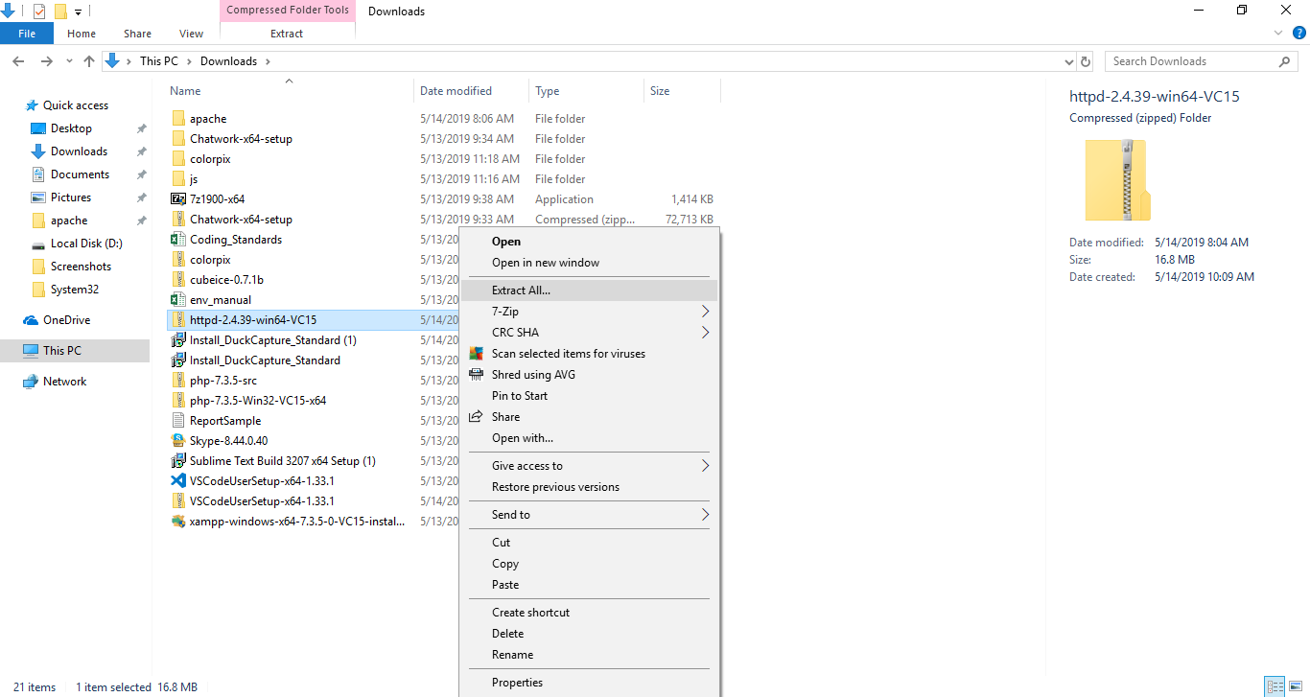

Apache Base Directory

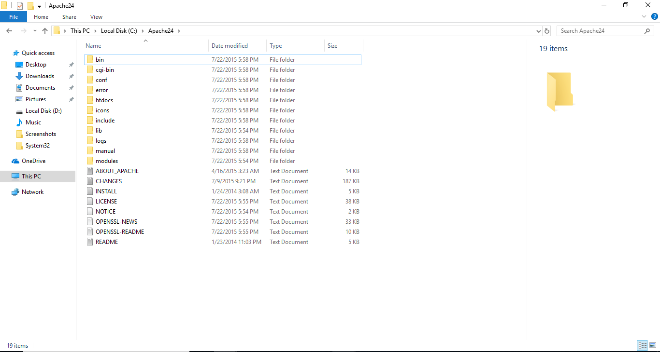

Setting of httpd.conf

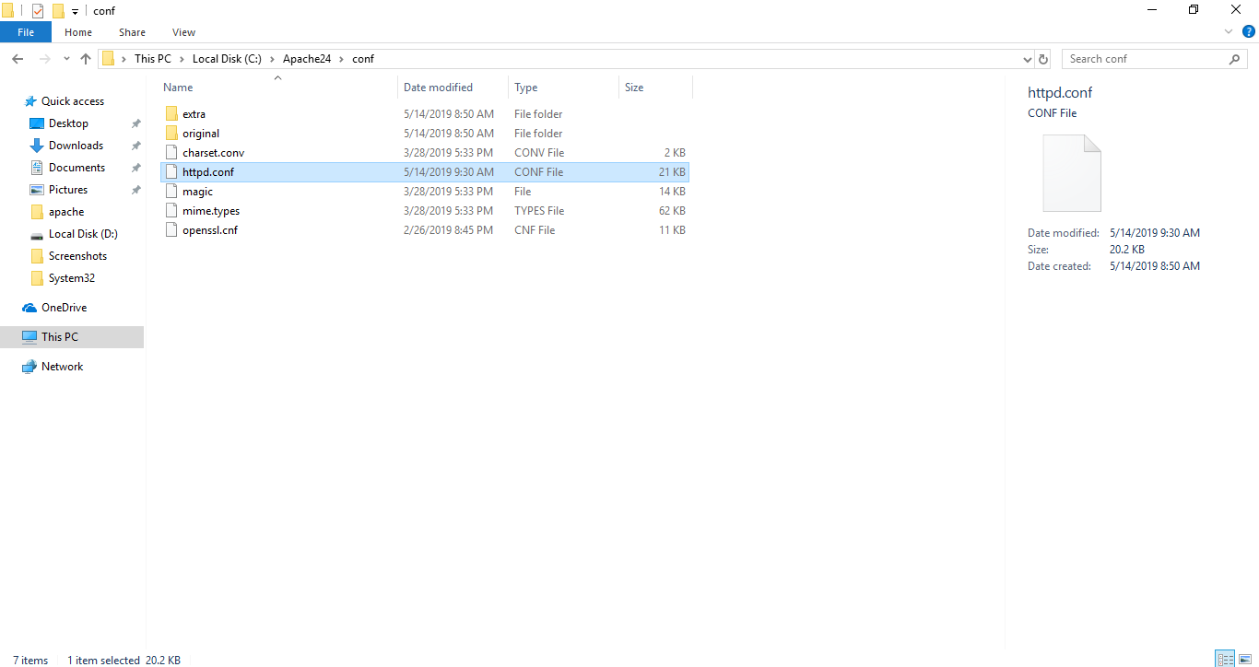

Define SRVROOT "c:/Apache24"

ServerRoot "${SRVROOT}"

#Listen 12.34.56.78:80
Listen 80
ServerName localhost:80

AllowOverride None | to change |  | AllowOverride All

#LoadModule rewrite_module modules/mod_rewrite.so |  |  |  | remove '#'
LoadModule rewrite_module modules/mod_rewrite.so

Register apache service

open cmd run as administrator

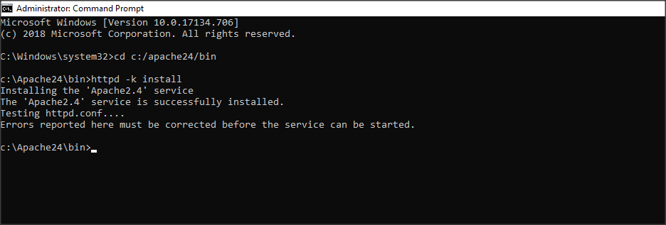

start Apache2.4 services | (run box -> services.msc -> enter)
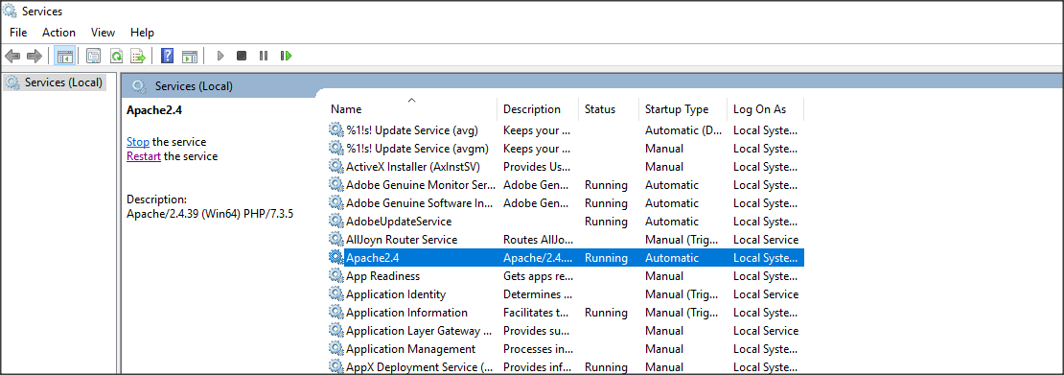

Enter url: localhost


And Setting of httpd.conf |  | //To connect PHP and Apache server

PHPIniDir "C:/php/php-7.3.5-Win32-VC15-x64" |  |  |  |  | //You must copy
AddHandler application/x-httpd-php .php
LoadModule php7_module "C:/php/php-7.3.5-Win32-VC15-x64/php7apache2_4.dll"

restart Apache2.4 services

Contents of index.php
<?php phpinfo(); ?>

Enter url: localhost/index.php
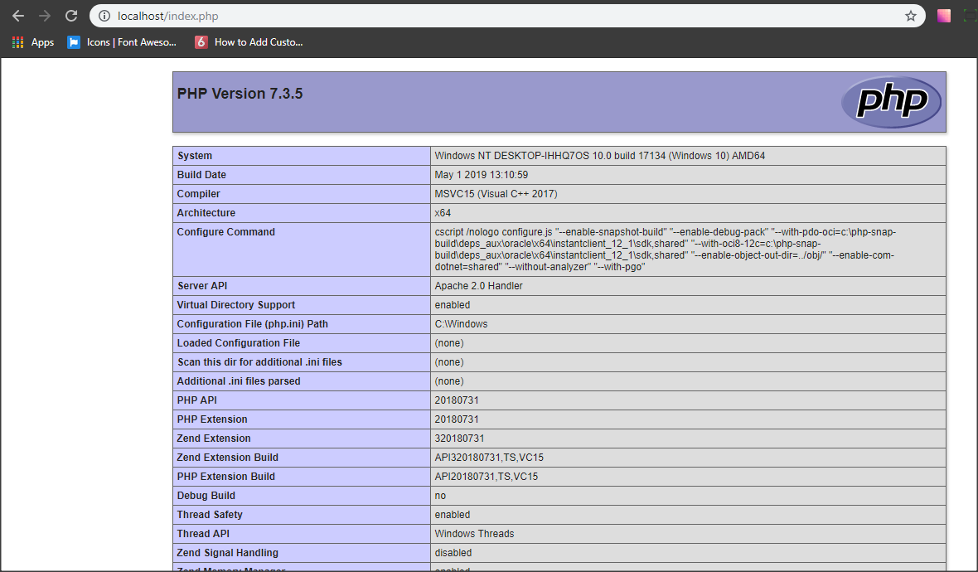

Setting of httpd-vhosts.conf

Listen 8001 |  |  | //You must copy
<VirtualHost *:8001>
DocumentRoot "C:\laravel\blog\public"
<Directory C:\laravel\blog\public>
DirectoryIndex index.php
AllowOverride ALL
Require all granted
</Directory>
</VirtualHost>

Composer
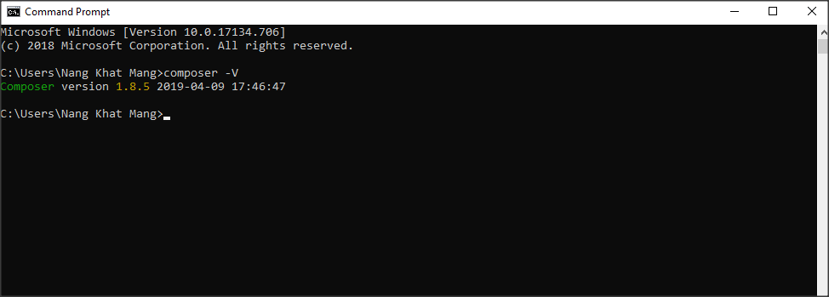
Installer
Composer-Setup.exe | https://getcomposer.org/download/

Installation
click on Next
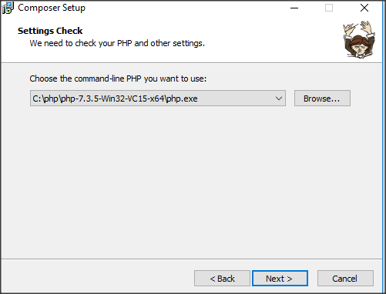

click on Next
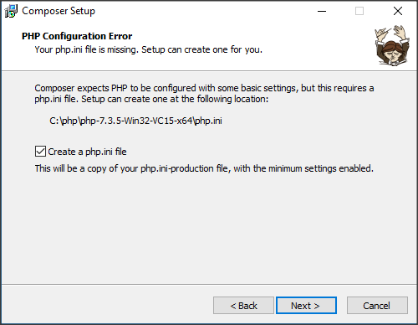

click on Install
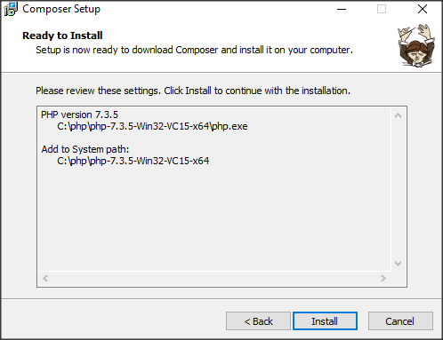

click on Next
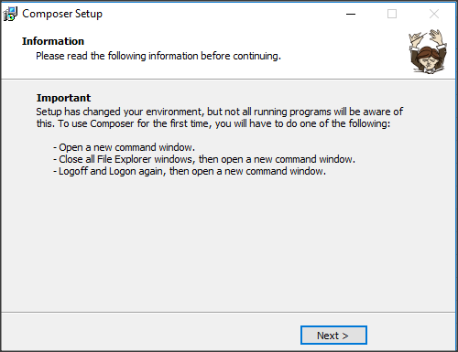

click on Finish
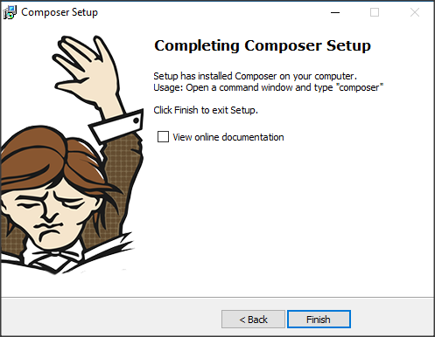

open cmd and write composer -V

MySQL
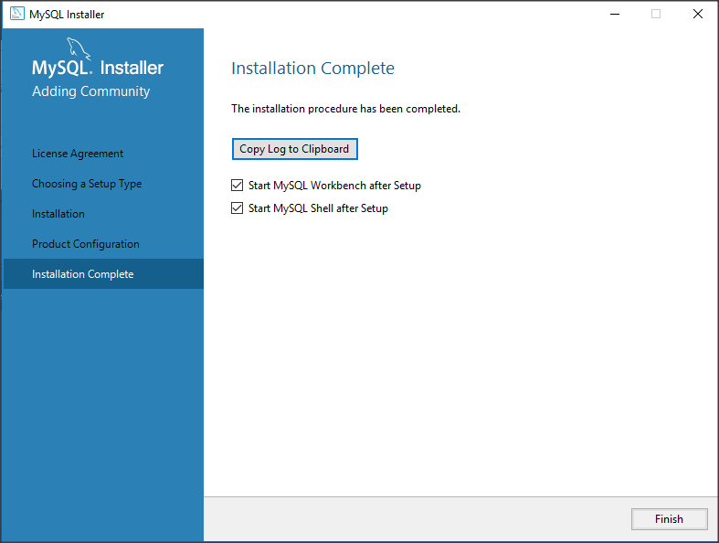
Installer

mysql-installer-web-community-8.0.16.0.msi | https://dev.mysql.com/downloads/windows/installer/8.0.html

download (mysql-installer-web-commuity-8.0.16.0.msi)
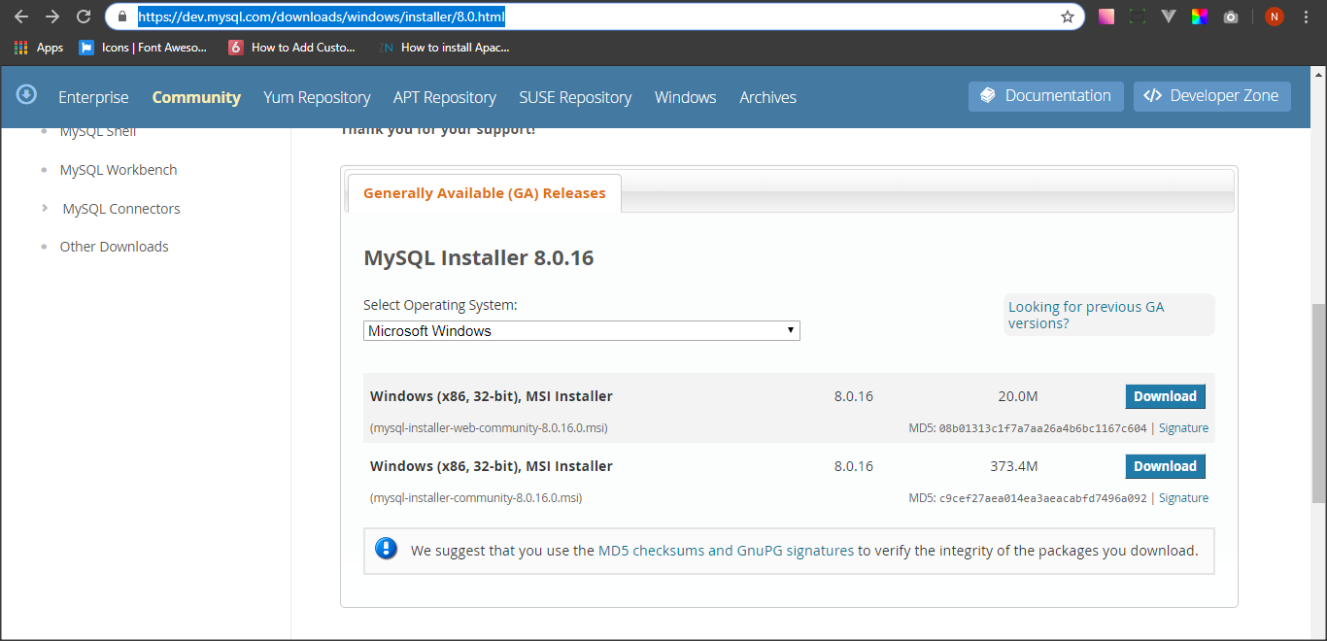

slecct license Agreement and then click on Next
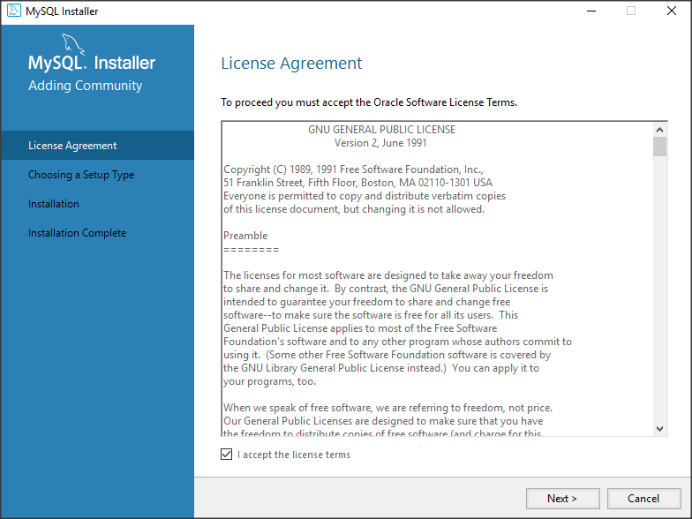

select Developer Default and click on Next
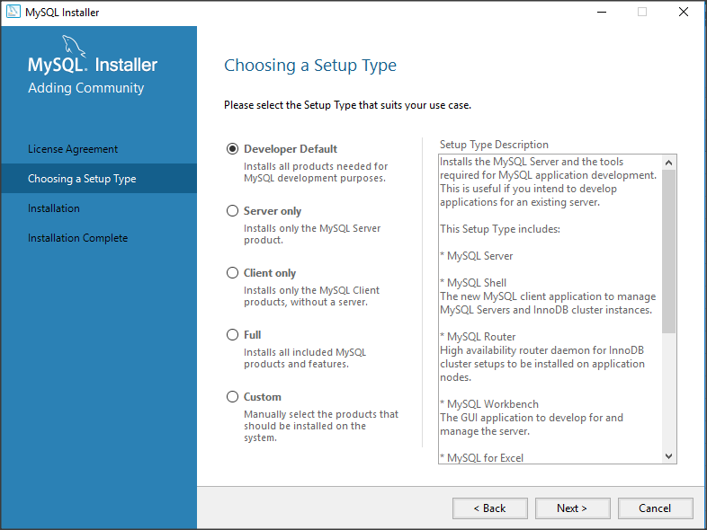

click on Next
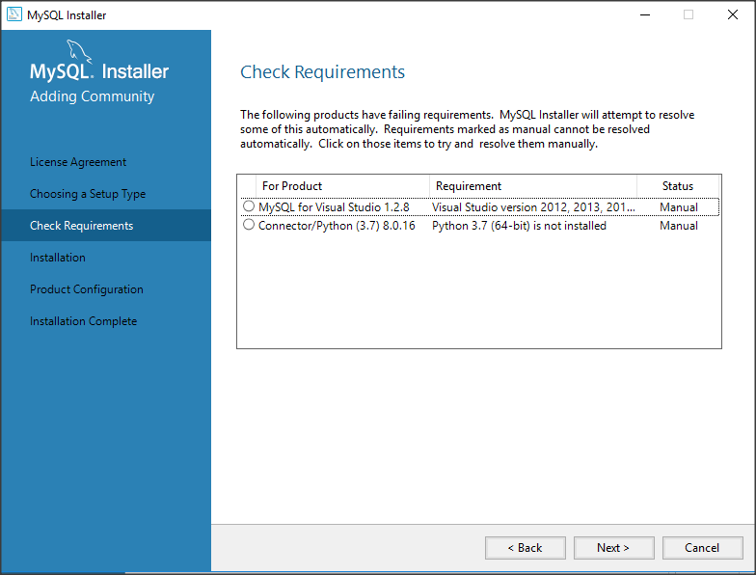

click on Yes
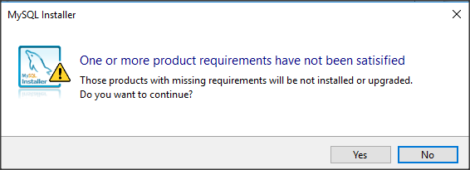

click on Execute

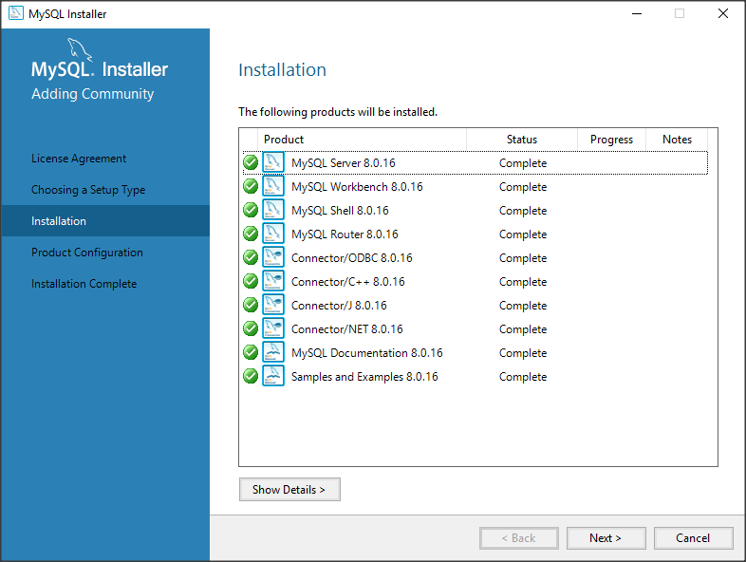
click on Next

click on Next
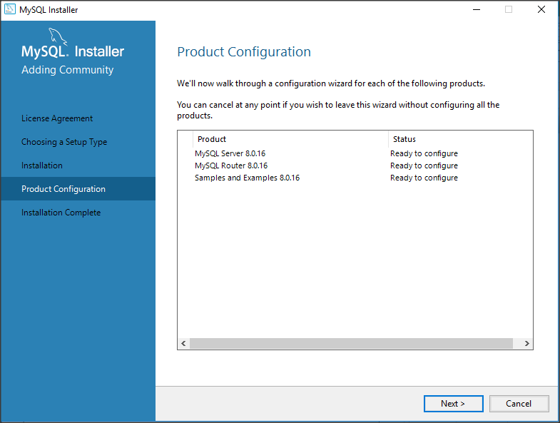

click on Next
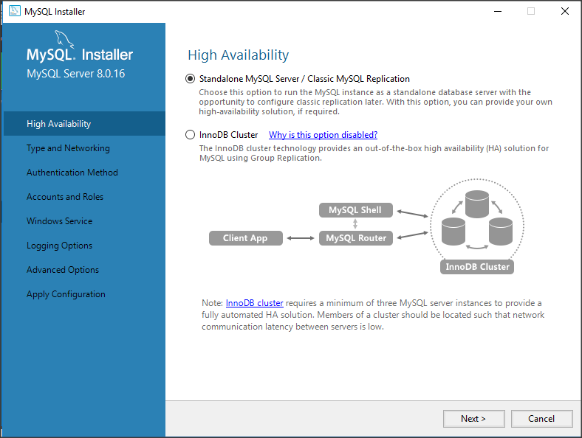

select Development Computer and click on Next
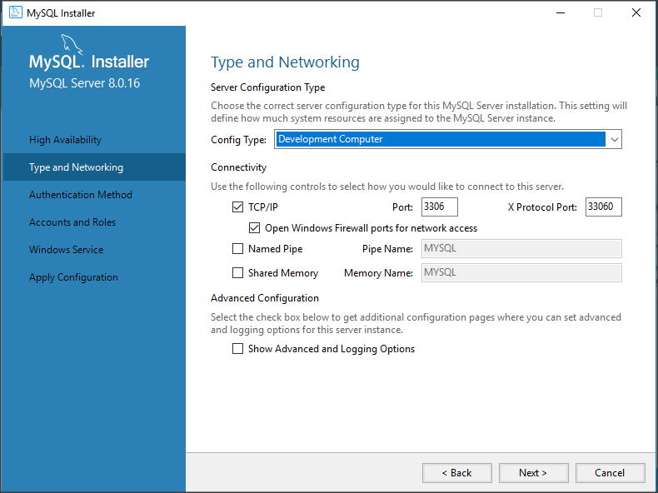

click on Next
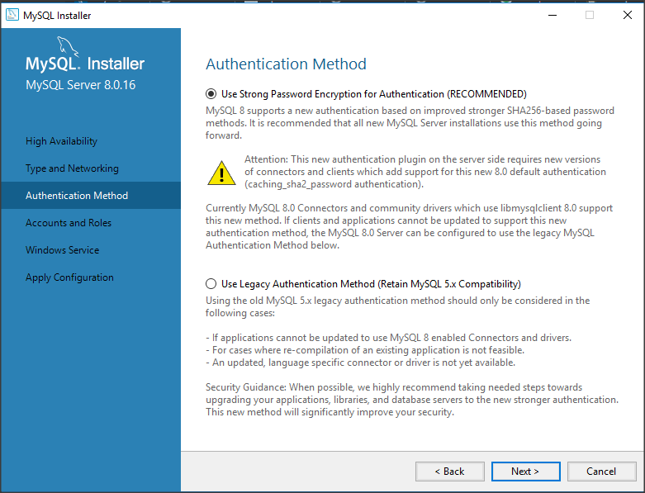

root (Do not forgot your password) and click on Next
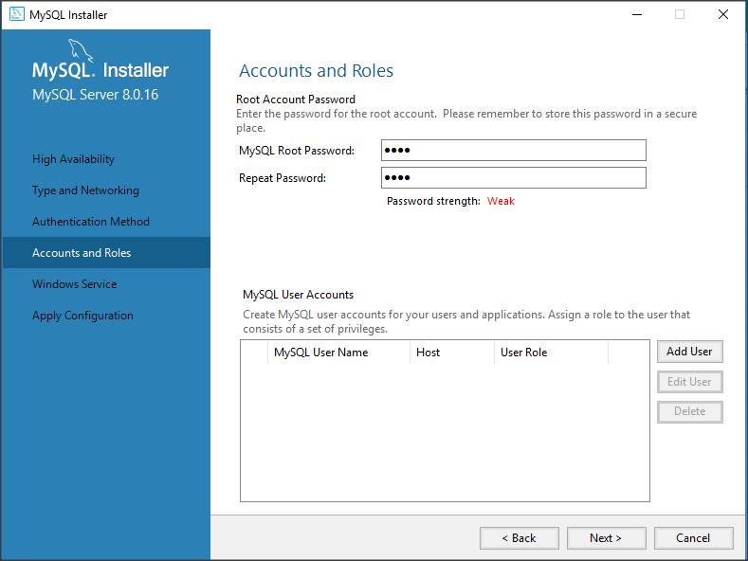

click on Next
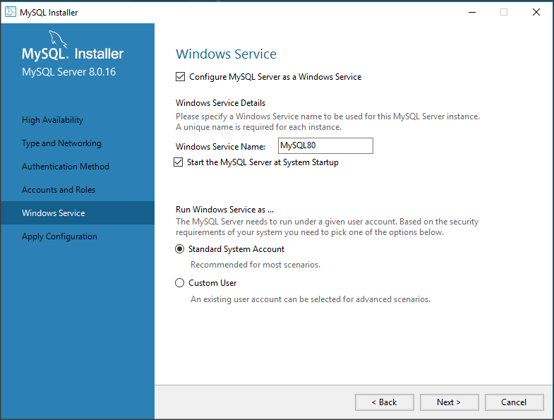

click on Execute
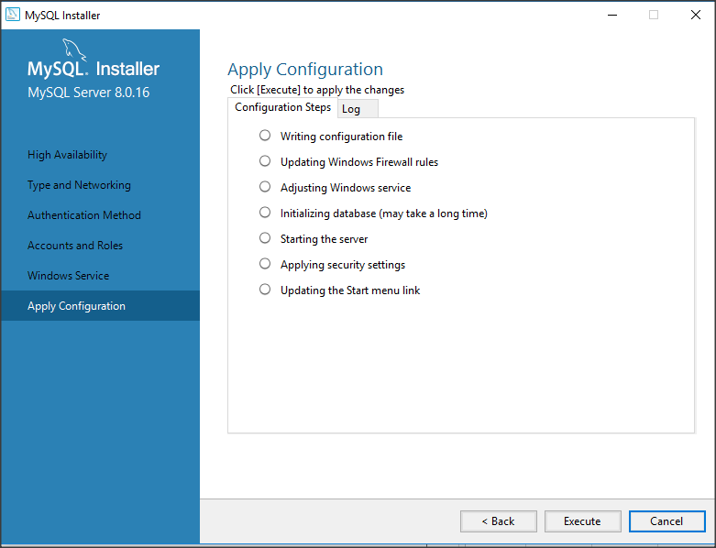

click on Finish
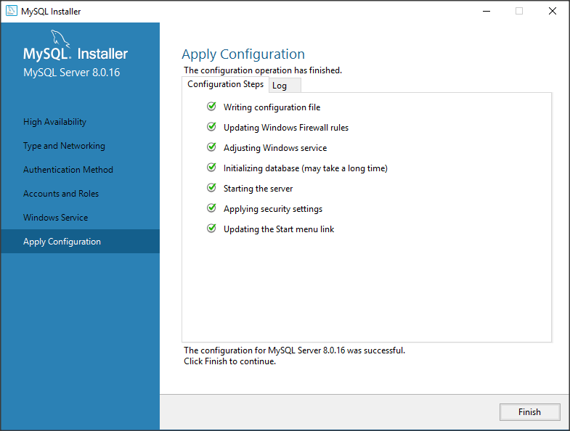

click on Next
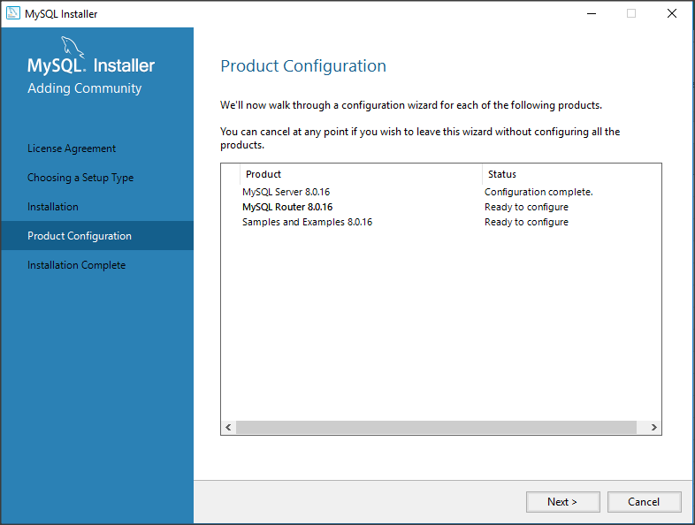

Nothing select and click on Next
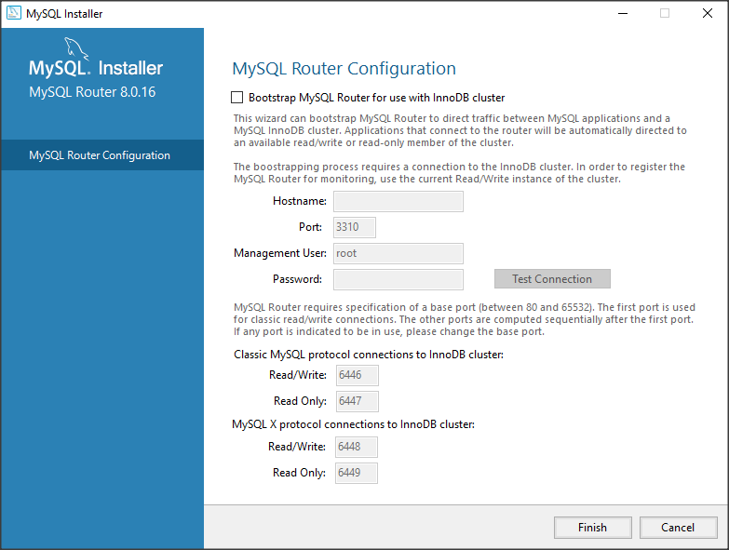

click on Next


root and click on check

click on Next
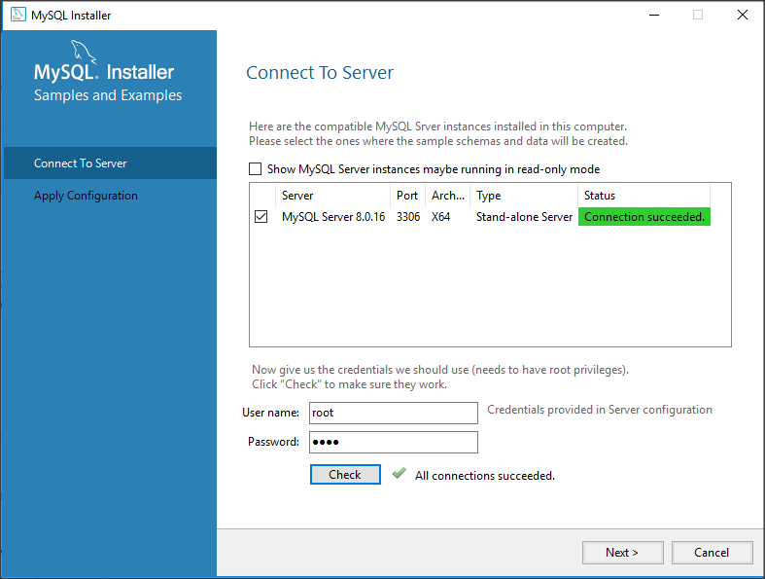

click on Execute
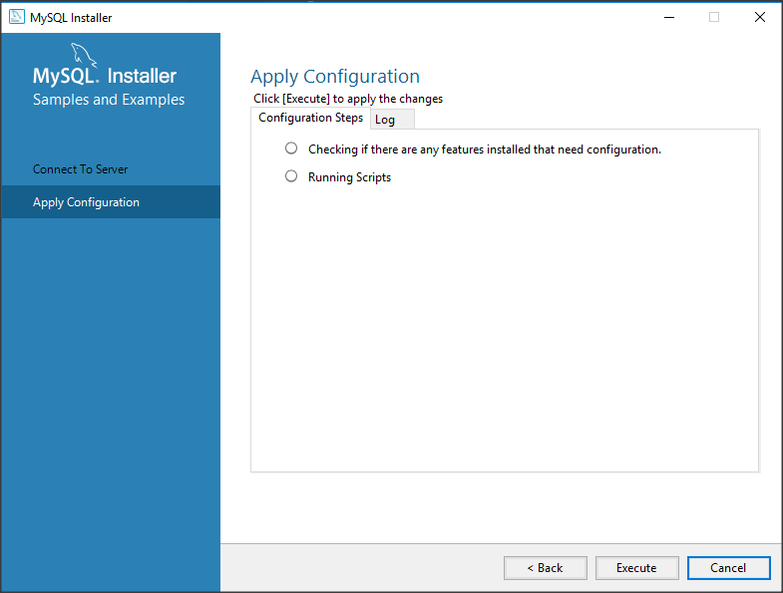

click on Finish
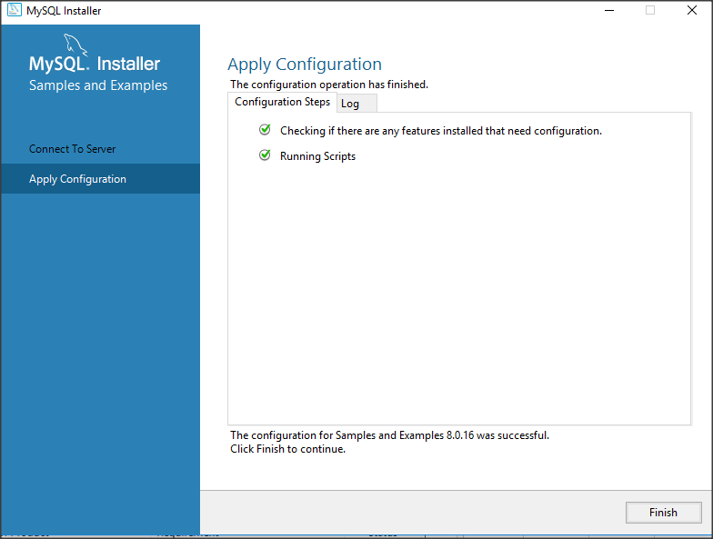

click on Next


click on Finish

