Dashboard
COA Count by Lab
 | COA Count
Janoshik | 14
BT Labs | 3
Kovera Labs | 3
Aminos Analytics | 1
Peptide Research Inventory Dashboard
Metric | Value | Notes
Total COA Records | 27 | Synced from COA Database
Unique Peptides | 10 | AOD-9604, BPC-157, CJC-1295 No DAC, Cagrilintide, KPV, MOTS-C, Retatrutide, SS-31, TB-500, Tirzepatide
Average Purity % | 99.6413 | Populated purity results
Overfilled | 17
Underfilled | 1
On Label/Review | 5
Labs Used | 5 | Aminos Analytics, BT Labs, Freedom Diagnostics, Janoshik, Kovera Labs
Latest COA Date | 2026-06-14

Recent / Key Batches | Compound | Lab | Purity % | Cap Color
COA-0024 | Retatrutide | Freedom Diagnostics | 99.860 | Clear Green
COA-0004 | Retatrutide | Kovera Labs | 99.491 | Not Listed
COA-0003 | Retatrutide | Kovera Labs | 99.654 | Not Listed
COA-0001 |  |  |  | Not Listed
COA-0012 | AOD-9604 | Janoshik | 99.883 | Not Listed
COA-0021 | CJC-1295 No DAC | Janoshik | 99.897 | Not Listed
COA-0022 | Retatrutide | Janoshik | 99.825 | Not Listed
Average Purity by Lab
 | COA Count | Average Purity
Janoshik | 14 | 9957.367%
BT Labs | 3 | 9973.333%
Kovera Labs | 3 | 9970.267%
Aminos Analytics | 1 | 9950.000%
COA-0023 | Tirzepatide | Janoshik | 99.731 | Not Listed
COA-0011 | Cagrilintide | Janoshik | 99.040 | Not Listed
COA-0014 | MOTS-C | Janoshik | 99.055 | Not Listed
COA-0016 | TB-500 | Janoshik | 99.085 | Not Listed
COA-0019 | SS-31 | Janoshik | 99.950 | Not Listed

COA_Reta30_Kovera
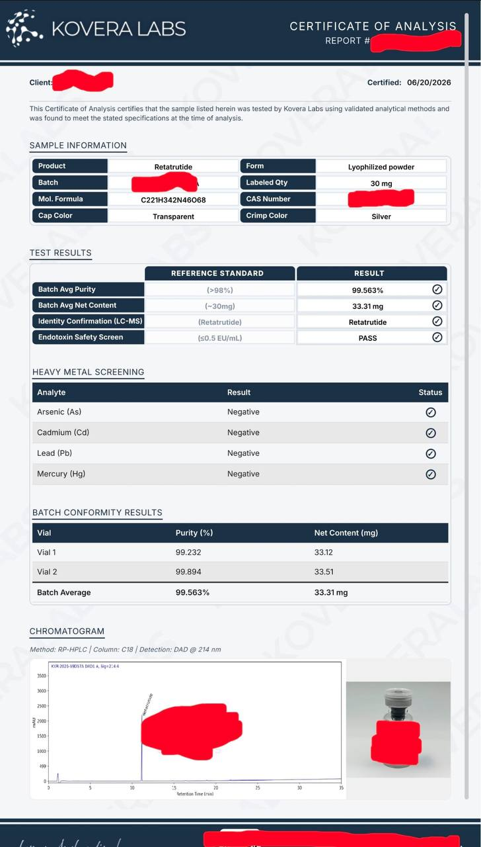
COA_Reta30_Kovera

COA_Reta40_Kovera
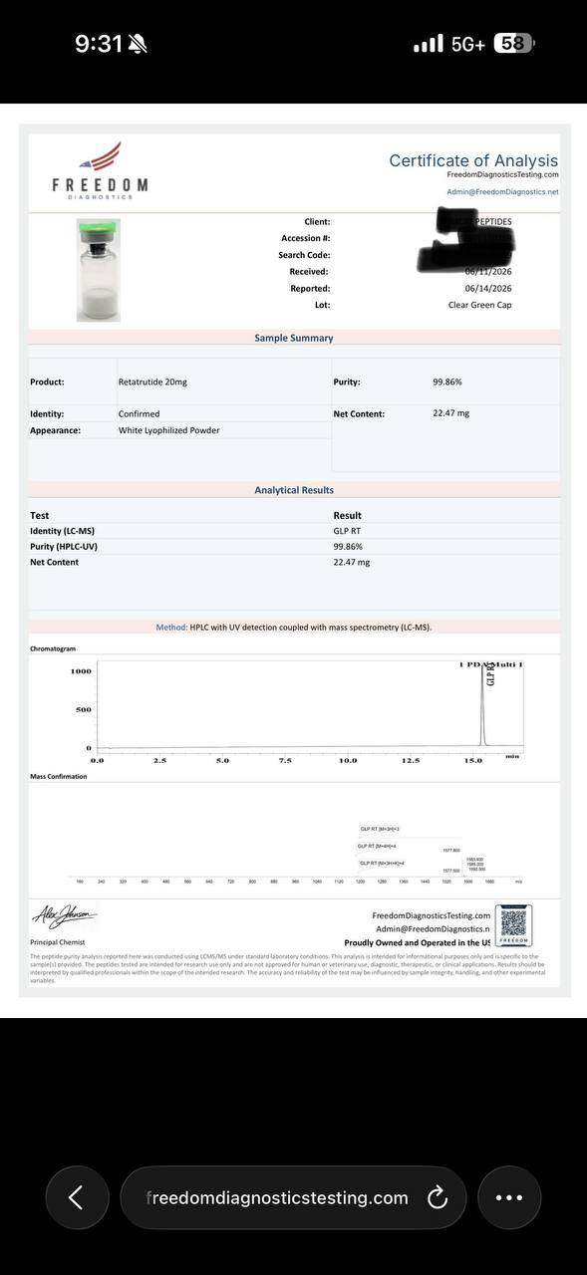
COA_Reta40_Kovera

COA_Adamax_SteriGenix
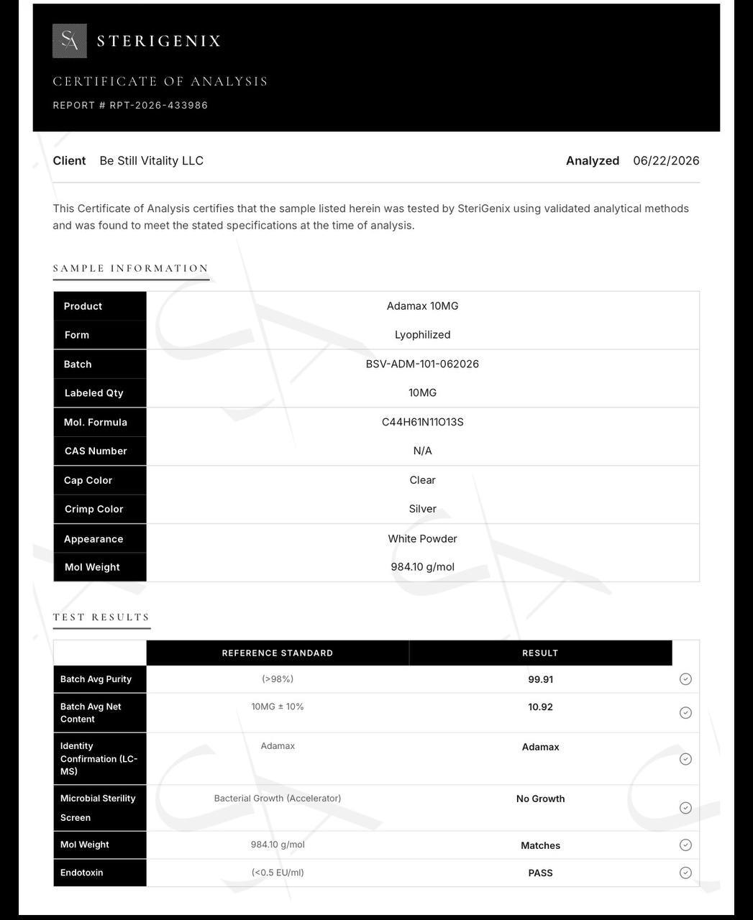
COA_Adamax_SteriGenix

