Models
Source 1 | https://www.sciencedirect.com/science/article/pii/S0032063301000939 |  |  | Source 3 | https://www.sciencedirect.com/science/article/pii/S001910350800448X |  |  | PPI AS1 |  |  |  |  |  |  | PPI AS2 |  |  |  |  |  |  | PPI AS3
 | value | uncertainty |  |  | value | uncertainty
Radius [km] | 2439 | 1 |  | Radius [km] | 2439 | 1 |  | parameter | symbol | value | uncertainty | unit | source |  | reference | symbol | value | uncertainty | unit | source |  | reference | symbol | value | uncertainty | unit | source
Mass [kg] | 3.302E+23 |  |  | Mass [kg] | 3.302E+23 |  |  | planetary mass | Mp | 0.330103 | 0.000021 | 10^24 kg | JPL | https://ssd.jpl.nasa.gov/planets/phys_par.html | planetary mass | Mp | 0.330103 | 0.000021 | 10^24 kg | JPL | https://ssd.jpl.nasa.gov/planets/phys_par.html | planetary mass | Mp | 0.330103 | 0.000021 | 10^24 kg | JPL | https://ssd.jpl.nasa.gov/planets/phys_par.html
Density [kg/m3] | 5430 | 10 |  | Density [kg/m3] | 5434 |  |  | planetary radius | Rp | 2439.4 | 0.1 | km | planetary datasheet |  | planetary radius | Rp | 2439.4 | 0.1 | km | planetary datasheet |  | planetary radius | Rp | 2439.4 | 0.1 | km | planetary datasheet
Moment of Inertia [kgm4] |  |  |  | Moment of Inertia [kgm4] |  |  |  | polar moment of inertia | C/MR2 | 0.346 | 0.014 | - | margot |  | polar moment of inertia | C/MR2 | 0.346 | 0.014 | - | margot |  | polar moment of inertia | C/MR2 | 0.346 | 0.014 | - | margot
C20 | -0.00006 | 0.00002 |  | C20 |  |  |  | outer librating shell MOI | Cm/C | 0.431 | 0.025 | - | margot |  | outer librating shell MOI | Cm/C | 0.431 | 0.025 | - | margot |  | outer librating shell MOI | Cm/C | 0.431 | 0.025 | - | margot
C22 | 0.00001 | 0.000005 |  | C22 |  |  |  |  |  |  |  |  |  |  |  |  |  |  |  |  |  |  | μ_eff | 1.22 |  |  | AS3.S7
Rotation period [days] | 58.6462 |  |  | Rotation period [days] |  |  |  | parameter | symbol | lower bound | upper bound | unit | source |  | validation |  |  |  |  |  |  |  | r_R | 0.8 |  |  | AS3.S7
 |  |  |  |  |  |  |  | crust density | rho_m | 2900 | 3300 | kg/m3 | 4 |  |  |  |  |  |  |  |  |  | r_ρ | 0.54 |  |  | AS3.S7
 |  |  |  |  |  |  |  | shell thickness | t_s | 50 | 200 | km | 4 (100km) +unc |  |  |  |  |  |  |  |  |  | r_∆ρ | 0.65 |  |  | AS3.S7
 |  |  |  |  |  |  |  | core temperature | T_core | 2350 | 2550 | K | 4,P21,Fig5 |  |  |  |  |  |  |  |  |  | v | 0.36 |  |  | AS3.S7
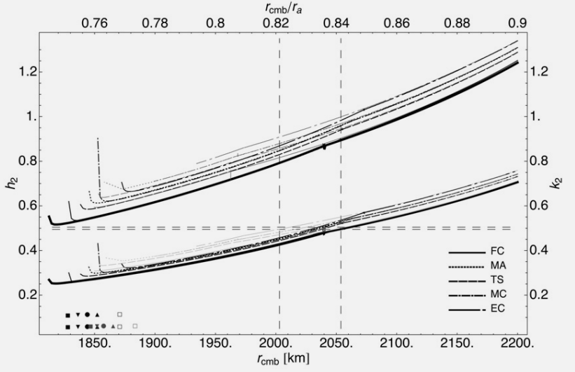
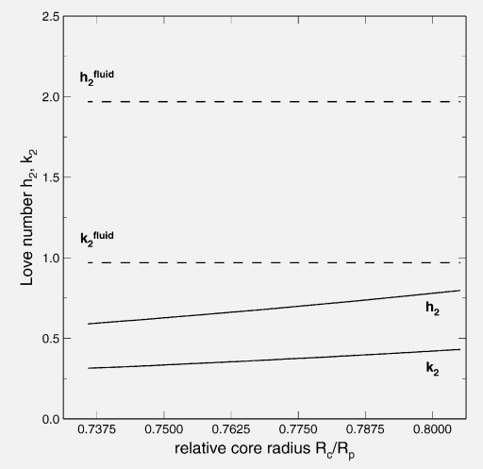
S1.1 | Radius [km] | pressure [GPa] | Density [kg/m3] | S3.base | Radius [km] | pressure [GPa] | Density [kg/m3] | ICB temperature | T_core | 2350 | 2550 | K | assumed isothermal inner core as in 4,P17
surface | 2440 | 0 | 0 | surface | 2439 |  | 0 | CMB temperature | T_CMB | 1600 | 2000 | K | table 1 in 3 |  |  |  |  |  |  |  |  | assumption | symbol | value | uncertainty | unit | source
mantle | 1860 | 7.5 | 3350 | silicate shell | 2339 |  | 2900 or 3300 | surface temperature | T_surf | -180 | 430 | C | NASA | https://science.nasa.gov/mercury/facts/ |  |  |  |  |  |  |  | bulk_modulus | K | 100000 |  | μ | AS3
core | 0 | 39 | 8000 | mantle | 1828-2200 |  |  |  |  | 93.15 | 703.15 |  |  |  |  |  |  |  |  |  |  | shear_ice | μ_ice | 3.3 |  | Gpa | AS3
 |  |  |  | CMB | 1790 |  |  |  |  |  |  |  |  |  | AS2.Mref | boundary [km] | pressure [GPa] | density [kg/m3] | temperature [K] | stifness [GPa] |  | visc_ice | η_ice | 1E+18 |  | Pas | AS3
 |  |  |  | inner core | 0 |  | 8000 | AS1.M2 (Fe,sol - MA, 5.1595%S) | Radius [km] | pressure [GPa] | Density [kg/m3] |  |  |  | crust | 0 | 0 | 3000 | 398.15 | 120 |  | shear_rock | μ_rock | 70 |  | Gpa | AS3
S1.2 | Radius [km] | pressure [GPa] | Density [kg/m3] |  |  |  |  | surface | T_core |  | 0 |  |  |  | MA | 43.1 | 1.493 | 3307.6 | 1099.75 | 129.9 |  | visc_rock | η_rock | 1E+20 |  | Pas | AS3
surface | 2440 | 0 | 0 | S3.FC | Radius [km] | pressure [GPa] | Density [kg/m3] | silicate shell | T_core |  | 2900 |  |  |  | FeS,liq | 2011.0546 | 2.4288 | 7019 | 1800 | -862.70086416
silicate shell | 1850+-3% |  | 3590 | surface | 2439 |  | 0 | mantle | 2011.0546 |  | 3400 |  |  |  | Fe,sol | 1342.6298 | 21.7184 | 7225 | 2450 | 127 |  | validation | value (k2) | uncertainty | value (h2) | uncertainty | source
outer core | 1708 |  | 5450 | silicate shell | 2339 |  | 2900 | CMB | 1342.6298 | 4.3328 | 3700 |  |  |  | center | 2439.4 | 34.4032 | NA | 2450 | NA |  |  | 0.44 | NA | 0.8 | NA | AS3.S7
inner core | 0 |  | 8000 | mantle | 2040 |  | 3400 | inner core | 0 | 35.4032 | 703.15 |  |  |  | X_S | 5.1595 | % |  |  |  |  |  | 0.451 | 0.014 |  |  | AS3.S1
 |  |  |  | CMB | 1790 |  | 3700 |  |  |  |  |  |  |  |  |  |  |  |  |  |  |  |  |  |  |  |  |  |  | Fig17, S3 |  |  |  |  | Fig4,S1
 |  |  |  | inner core | 0 |  | 8000 |  |  |  |  |  |  |  | AS2.M1 | boundary [km] | pressure [GPa] | density [kg/m3] | temperature [K] | stifness [GPa] |  |  | 0.375 | 0.075 | 0.7 | 0.1 | S1, fluid
 |  |  |  |  |  |  |  | AS1.M2 - parametric | Radius [km] | pressure [GPa] | Density [kg/m3] | Temperature | stifness [GPa] |  | crust | 0 | 0 | 3000 | 398.15 | 120 |  |  | 0.35 | 0.2 |  |  | S1, 3-layered
 |  |  |  | S3.MA | Radius [km] | pressure [GPa] | Density [kg/m3] | crust | 0 | 0 | 3000 | 398.15 | 120 |  | MA | 108.43 | 1.493 | 3307.6 | 1099.75 | 129.9 |  |  | 0.5 | 0.25 | 0.9 | 0.4 | S3, sweep RCMB
 |  |  |  | surface | 2439 |  | 0 | MA | 125 | 1.493 | 3307.6 | 1099.75 | 129.9 |  | FeS,liq | 2011.0546 | 2.4288 | 7019 | 1800 | -862.70086416 |  |  | 0.4125 | 0.0125 | 0.825 | 0.075 | S3, RCMB=1326km
 |  |  |  | silicate shell | 2339 |  | 2900 | FeS,liq | 2011.0546 | 2.4288 | 7019 | 1800 | -862.70086416 |  | Fe,sol | 1342.6298 | 21.7184 | 7225 | 2450 | 127
 |  |  |  | mantle | 2050 |  | 3320 | Fe,sol | 1342.6298 | 21.7184 | 7225 | 2450 | 127 |  | center | 2439.4 | 34.4032 | NA | 2450 | NA
 |  |  |  | CMB | 1790 |  | 3420 | center | 2439.4 | 34.4032 | NA | 2450 | NA |  | X_S | 5.1595 | %
 |  |  |  | inner core | 0 |  | 8000 |  |  |  |  |  |  |  |  |  |  |  |  |  |  |  |  | R0 |  | rho0 |  | Ks0 | mu0 | eta0 |  |  |  |  |  |  | Re(h) | Im(h) | Re(k) | Im(k)
 |  |  |  |  |  |  |  | X_S | 5.1595 | % |  |  |  |  | AS2.M2 | boundary [km] | pressure [GPa] | density [kg/m3] | temperature [K] | stifness [GPa] |  | AS3.Mref | depth [km] | boundary [km] | pressure [GPa] | density [kg/m3] | temperature [K] | bulk modulus [GPa] | shear modulus [GPa] | viscosity [Pa s] |  |  |  |  |  | Mref | 0 | 0 | 0 | 0
 |  |  |  | S3.TS | Radius [km] | pressure [GPa] | Density [kg/m3] |  |  |  |  |  |  |  | crust | 0 | 0 | 3000 | 398.15 | 120 |  | crust | 0 | 2439.4 | 0 | 3100 | 398.15 | 120 | 55 | 1E+23
 |  |  |  | surface | 2439 |  | 0 |  |  |  |  |  |  |  | MA | 112.454 | 1.493 | 3307.6 | 1099.75 | 129.9 |  | MA | 112.454 | 2326.946 | 1.3422 | 3307.6 | 1099.75 | 129.9 | 65 | 1.00E+11
 |  |  |  | silicate shell | 2339 |  | 2900 |  |  |  |  |  |  |  | FeS,liq | 2011.0546 | 2.4288 | 7019 | 1800 | -862.70086416 |  | FeS,liq | 1326.051 | 1113.349 | 4.3647 | 7019 | 1800 | 85.9 | 0 | 0
 |  |  |  | mantle | 2050 |  | 3360 |  |  |  |  |  |  |  | Fe,sol | 1342.6298 | 21.7184 | 7225 | 2450 | 127 |  | Fe,sol | 2011.5958 | 427.8042 | 21.8864 | 7225 | 2450 | 127 | 100 | 1E+20
 |  |  |  | CMB | 1790 |  | 3520 |  |  |  |  |  |  |  | center | 2439.4 | 34.4032 | NA | 2450 | NA |  | center | 2439.4 | 0 | 35.419 | NA | 2450 | NA | NA | NA
 |  |  |  | inner core | 0 |  | 8000 |  |  |  |  |  |  |  | X_S | 5.1595 | % |  |  |  |  | X_S | 5.2924 |  | %

 |  |  |  | S3.MC | Radius [km] | pressure [GPa] | Density [kg/m3] |  |  |  |  |  |  |  | AS2.M3 | boundary [km] | pressure [GPa] | density [kg/m3] | temperature [K] | stifness [GPa] |  | AS3.M1_elastic | depth [km] | boundary [km] | pressure [GPa] | density [kg/m3] | temperature [K] | bulk modulus [GPa] | shear modulus [GPa] | viscosity | Re(h) | Im(h) | Re(k) | Im(k) |  |  | Re(h) | Im(h) | Re(k) | Im(k)
 |  |  |  | surface | 2439 |  | 0 |  |  |  |  |  |  |  | crust | 0 | 0 | 3000 | 398.15 | 120 |  | whole | 2439.4 | 0 | NA | 3758.61 | NA | 57.23 | 8.55 | 1.0335975655E+19 | 0.5726 | 0 | 0.3377 | 0 |  | elastic | 0.5726 | 0 | 0.3377 | 0
 |  |  |  | silicate shell | 2339 |  | 2900 |  |  |  |  |  |  |  | MA | 112.454 | 1.493 | 3307.6 | 1099.75 | 129.9 |  |  |  |  |  |  |  |  |  |  |  |  |  |  |  | visco-elastic | -1.9027 | 0.4298 | -0.9962 | 0.0156
 |  |  |  | mantle | 2070 |  | 3280 |  |  |  |  |  |  |  | FeS,liq | 2011.0546 | 2.4288 | 7019 | 1800 | -862.70086416 |  | AS3.M1_viscoelastic | depth [km] | boundary [km] | pressure [GPa] | density [kg/m3] | temperature [K] | bulk modulus [GPa] | shear modulus [GPa] | viscosity | Re(h) | Im(h) | Re(k) | Im(k) |  | ideal fluid | -0.3824 | 0.51 | -0.9988 | 0.0023
 |  |  |  | CMB | 1790 |  | 3390 |  |  |  |  |  |  |  | Fe,sol | 1342.6298 | 21.7184 | 7225 | 2450 | 127 |  | whole | 2439.4 | 0 | NA | 3758.6090581 | NA | 57.225433283 | 8.5484015741 | 1.0335975655E+19 | -1.9027 | 0.4298 | -0.9962 | 0.0156
 |  |  |  | inner core | 0 |  | 8000 |  |  |  |  |  |  |  | center | 2439.4 | 34.4032 | NA | 2450 | NA
 |  |  |  |  |  |  |  |  |  |  |  |  |  |  | X_S | 5.1595 | % |  |  |  |  | AS3.M1_fluid | depth [km] | boundary [km] | pressure [GPa] | density [kg/m3] | temperature [K] | bulk modulus [GPa] | shear modulus [GPa] | viscosity | Re(h) | Im(h) | Re(k) | Im(k)
 |  |  |  | S3.EC | Radius [km] | pressure [GPa] | Density [kg/m3] |  |  |  |  |  |  |  |  |  |  |  |  |  |  | whole | 2439.4 | 0 | NA | 3758.6090581 | NA | 57.225433283 | 8.5484015741 |  | -0.3824 | 0.51 | -0.9988 | 0.0023
 |  |  |  | surface | 2439 |  | 0
 |  |  |  | silicate shell | 2339 |  | 2900 |  |  |  |  |  |  |  |  |  |  |  |  |  |  | AS3.M2 | depth [km] | boundary [km] | pressure [GPa] | density [kg/m3] | temperature [K] | bulk modulus [GPa] | shear modulus [GPa] | viscosity | h | k
 |  |  |  | mantle | 2040 |  | 3090 |  |  |  |  |  |  |  |  |  |  |  |  |  |  | crust | 0 | 2439.4 | 0 | 3100 | 398.15 | 120 | 55 | 1E+23
 |  |  |  | CMB | 1790 |  | 3250 |  |  |  |  |  |  |  |  |  |  |  |  |  |  | MA | 112.454 |  | 1.3422 | 3307.6 | 1099.75 | 129.9 | 65 | 100000000000
 |  |  |  | inner core | 0 |  | 8000 |  |  |  |  |  |  |  |  |  |  |  |  |  |  | FeS,liq | 1326.051 |  | 4.3647 | 7019 | 1800 | 85.9 | 0 | 0
 |  |  |  |  |  |  |  |  |  |  |  |  |  |  |  |  |  |  |  |  |  | Fe,sol | 2011.5958 |  | 21.8864 | 7225 | 2450 | 127 | 100 | 1E+20
 |  |  |  |  |  |  |  |  |  |  |  |  |  |  |  |  |  |  |  |  |  | center | 2439.4 |  | 35.419 | NA | 2450 | NA | NA | NA

