Question 2
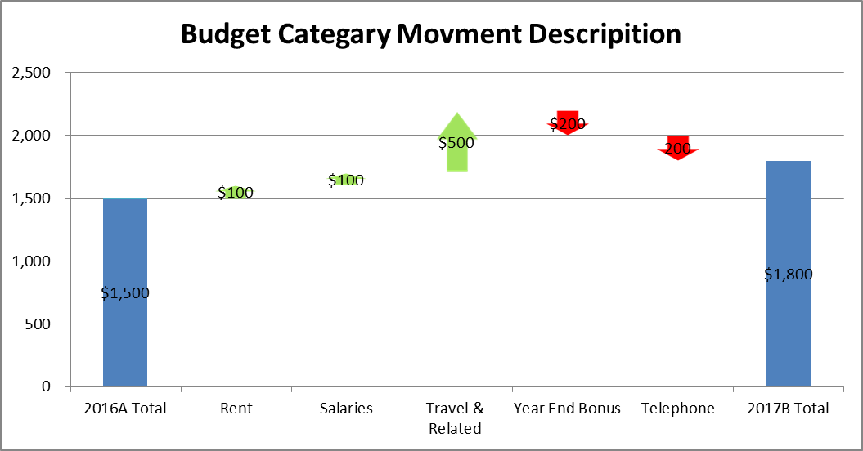
Requirement 2: Pls use the following table to create a chart to show the movment from 2016A to 2017B by category (see below for expected result). When update the table figures, the chart can be automatically updated. (tips: you can create an assistant table as a bridge to link between original table and the chart)制作如下图所示的图标，使得 表格中数字变动的话，图形中的数值也会自动改变。

Budget Category ($'000) | 2016A | 2017B | var. | fin. | 表格图形 | 表格中数字变动的话，图形中的数值也会自动改变。
Rent | 100 | 200 | 100 | 1,500
Salaries | 200 | 300 | 100 | 1,600
Travel & Related | 300 | 800 | 500 | 1,700
Year End Bonus | 400 | 200 | -200 | 2,200
Telephone | 500 | 300 | -200 | 2,000
Total | 1,500 | 1,800 | 300 | 1,800

