Scores_of_modeles_best_accuracy
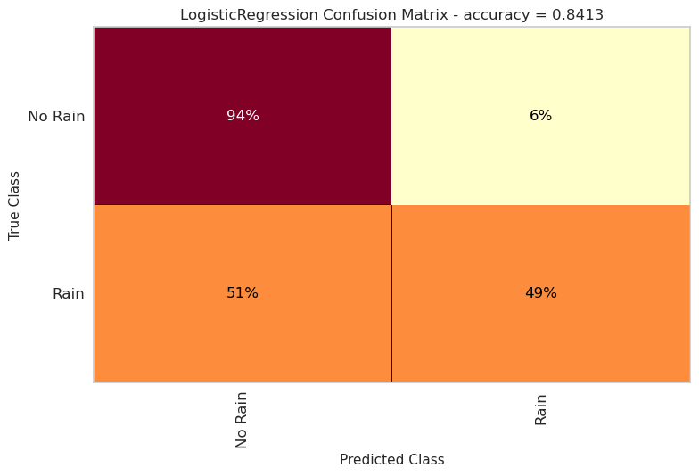
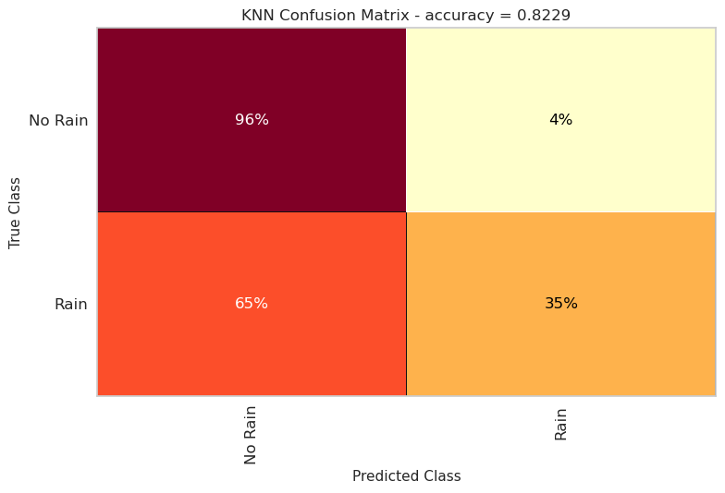
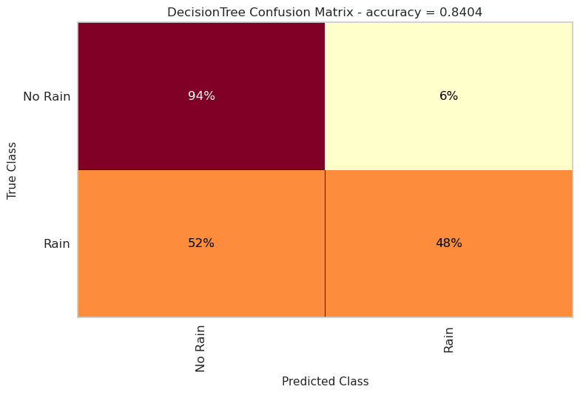


Best accuracy
Model | accuracy | recall | precision | f1 | rocauc
LinearRegression | 0.8413 | 0.4936 | 0.7064 | 0.5811 | 0.7174
KNN | 0.8229 | 0.3484 | 0.7096 | 0.4673 | 0.6537
TreeDecision | 0.8404 | 0.4782 | 0.7112 | 0.5719 | 0.7112
RandomForest | 0.8471 | 0.4868 | 0.7383 | 0.5868 | 0.7187
XGBoost | 0.8542 | 0.5373 | 0.7376 | 0.6217 | 0.7412

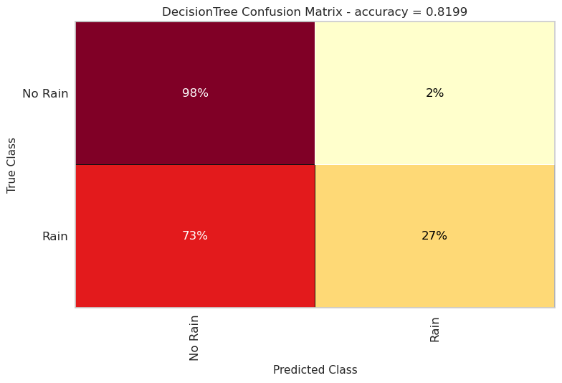

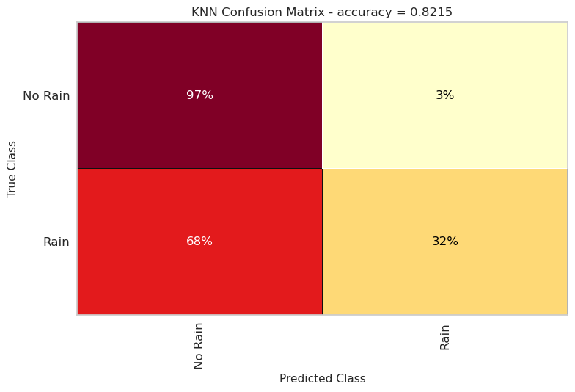
Best precision
Model | accuracy | recall | precision | f1 | rocauc
LinearRegression | 0.8415 | 0.4865 | 0.7115 | 0.5779 | 0.7150
KNN | 0.8215 | 0.3201 | 0.7266 | 0.4444 | 0.6428
TreeDecision | 0.8199 | 0.2664 | 0.7827 | 0.3975 | 0.6226
RandomForest | 0.8217 | 0.2826 | 0.7744 | 0.4141 | 0.6295
XGBoost | 0.8201 | 0.2678 | 0.7825 | 0.3990 | 0.6232


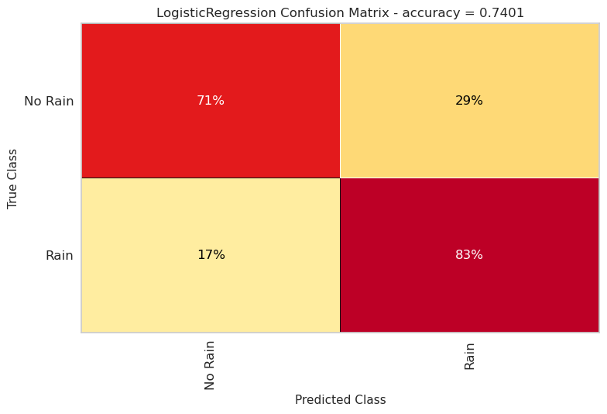
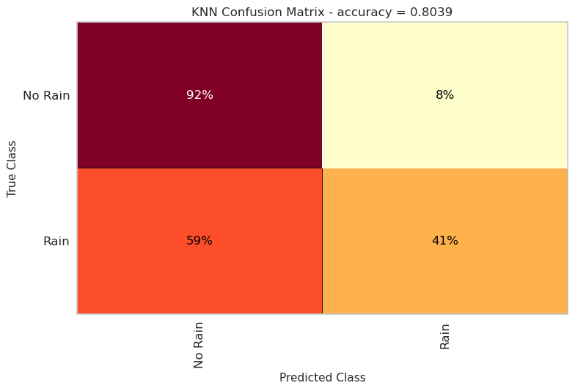
Best recall
Model | accuracy | recall | precision | f1 | rocauc
LinearRegression | 0.7403 | 0.8343 | 0.4551 | 0.5889 | 0.7738
KNN | 0.8039 | 0.4121 | 0.5855 | 0.4837 | 0.6642
TreeDecision | 0.8213 | 0.5002 | 0.6238 | 0.5552 | 0.7068
RandomForest | 0.8484 | 0.5007 | 0.7351 | 0.5957 | 0.7245
XGBoost | 0.8444 | 0.5488 | 0.6899 | 0.6113 | 0.7390




Best f1
Model | accuracy | recall | precision | f1 | rocauc
LinearRegression | 0.8414 | 0.4939 | 0.7064 | 0.5813 | 0.7175
KNN | 0.8178 | 0.3996 | 0.6481 | 0.4944 | 0.6687
TreeDecision | 0.8404 | 0.4715 | 0.7157 | 0.5685 | 0.7089
RandomForest | 0.8469 | 0.4950 | 0.7314 | 0.5904 | 0.7214
XGBoost | 0.8518 | 0.5302 | 0.7313 | 0.6147 | 0.7372

