Documentation per column
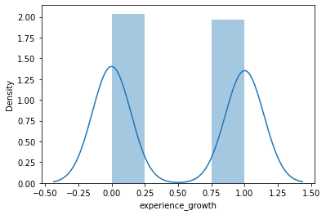
abilities | against_bug | against_dark | against_dragon | against_electric | against_fairy | against_fight | against_fire | against_flying | against_ghost | against_grass | against_ground | against_ice | against_normal | against_poison | against_psychic | against_rock | against_steel | against_water | attack | defense | hp | sp_attack | sp_defense | base_total | base_egg_steps | base_happiness | capture_rate | classfication | experience_growth | height_m | japanese_name | name | percentage_male | pokedex_number | speed | type1 | type2 | weight_kg | generation | is_legendary
If a pokemon has the pressure ability it has a 13/19 (65-70% ish) percent chance of being a legendary. This means that having pressure is a solid indicator of being a legendary. Now I've actually googled this ability out of curiosity. This is apparently a mostly legendary ability: (is this cheating???) https://pokemondb.net/ability/pressure. The rest of the abilities seem to not matter (based on just looking at the data for the current gen). This means I'm going to add a measure in python called has_pressure. Binary Y/N | Non relevant | Non relevant | Non relevant | Non relevant | Non relevant | Non relevant | Non relevant | Non relevant | Non relevant | Non relevant | Non relevant | Non relevant | Non relevant | Non relevant | Non relevant | Non relevant | Non relevant | Non relevant | Scalar | Scalar | Scalar | Scalar | Scalar |  | Originally wanted to turn this into a linear increment. Did not like result. | It seems to matter as max happyness = 50/50 chance for legendary. I played around with the numbers and I feel like I have no clue if this needs normalisation. The top end of happyness is always more than 3 stdevs away from the mean, and the data is never really normally distributed. My biggest concern is with the bottom end of happyness, which is why I have used a log scale. See pictures below for what it looks like | scalar, unchanged, the real world difference is big and the data should reflect this. Also, data is not normally distributed. | Turned into a number, see label to number tab, incremented from 1 based on unique values | 31 out of 34 legendaries are in the top 2 (1.6 mil & 1.8mil) for exp growth. This column matters. The original column shows base xp growth, but the intention of the xp growth is to penalise or buff pokemon. The objective is to use the buff/debuff in the calcuation. If we want to use this column in predicting legendary status, we need to distill it's essence. Therefore, the normalisation is a check if a pokemon has been penalised XP wise. If this is true (XP threshold >1.2 million) this value becomes 1, else its 0 (binary) This one has greater risk of "overfitting" to the training dataset. | Unchanged | Ignored. Name is the same as ID. | Ignored. Name is the same as ID. |  | Ignored. ID. |  |  |  |  | Ignored. Is the same as ID. |  | First run after the current iteration
 |  |  |  |  |  |  |  |  |  |  |  |  |  |  |  |  |  |  |  |  |  |  |  |  |  |  |  |  | Original
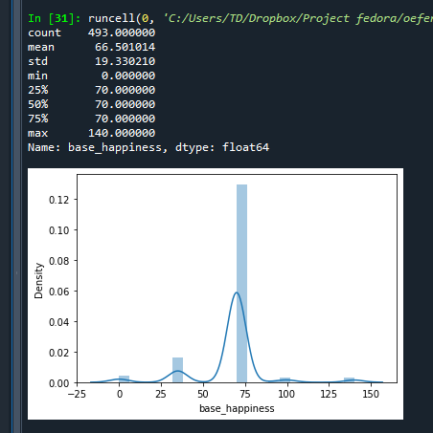
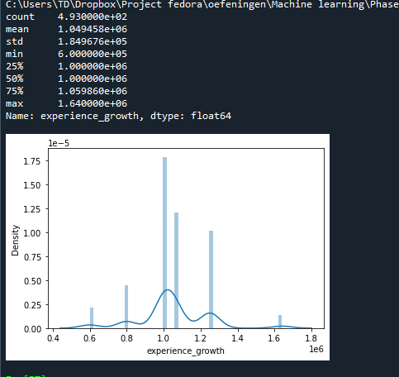
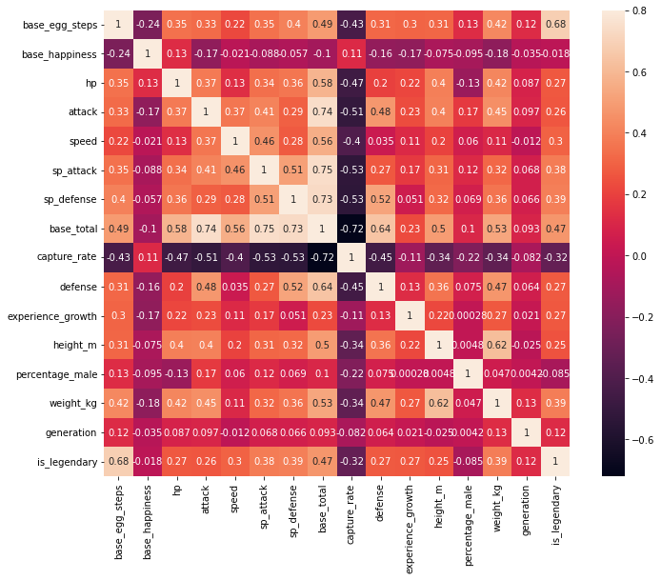
Non column specific statement: This data is not normally distributed in essentially all cases. Therefore I am not using the excel given standardise() function. It'd be counterproductive. |  |  |  |  |  |  |  |  |  |  |  |  |  |  |  |  |  |  |  |  |  |  |  |  |  | Original
 |  |  |  |  |  |  |  |  |  |  |  |  |  |  |  |  |  |  |  |  |  |  |  |  |  |  | Original
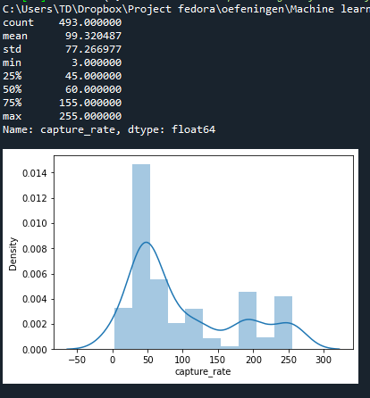
It's actually one of the better predictors:
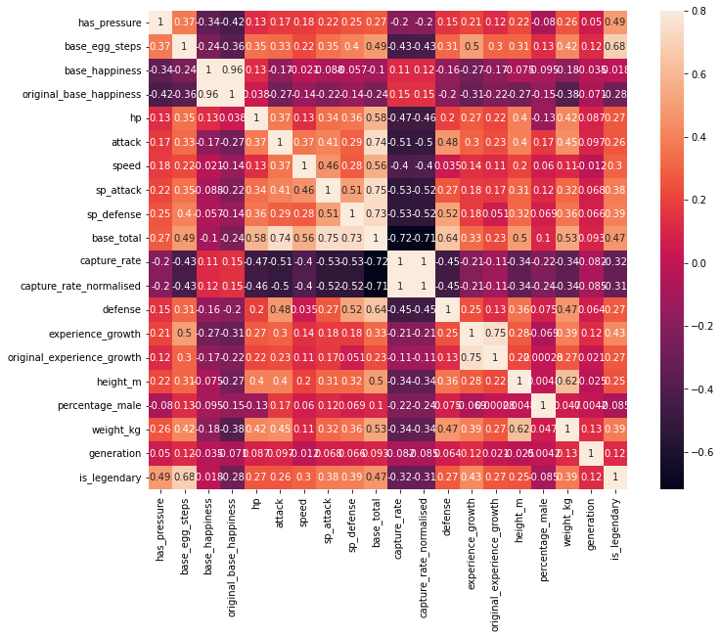

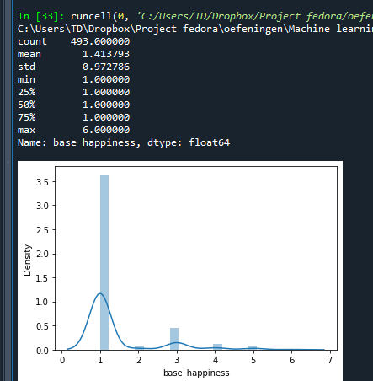
 |  |  |  | 1 = base egg steps
 |  |  |  | 2 = base total |  |  |  |  |  |  |  |  |  |  |  |  |  |  |  |  |  |  |  |  |  | incrementally labelled |  |  | Removing 1 mil from base value
 |  |  |  | 3 = experience growth |  |  |  |  |  |  |  |  |  |  |  |  |  |  |  |  |  |  |  |  |  |  |  |  | 59860
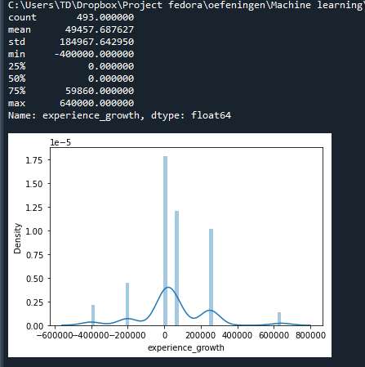
 |  |  |  | 4 = capture rate
 |  |  |  | 5 = has pressure

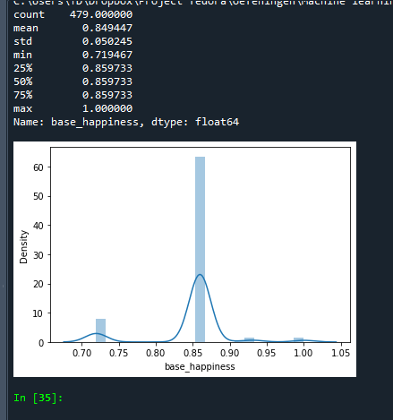
 |  |  |  |  |  |  |  |  |  |  |  |  |  |  |  |  |  |  |  |  |  |  |  |  |  | log label |  |  | making it binary 0 (penalty) or 1 (buff)
 |  |  |  |  |  |  |  |  |  |  |  |  |  |  |  |  |  |  |  |  |  |  |  |  |  |  |  |  | Didn't work because its not specific enough

Shitty thijsmodel
Base egg steps =>9
Legendary
1 = base egg steps
2 = base total |  |  | yes | Impurity
3 = experience growth |  | Impurity |  | 0.0%
4 = capture rate | No | 0.90%
5 = has pressure
Capture rate = 3
 |  |  | yes
Legendary
 |  |  |  | 16.5%
If penenalised |  | 1.70%
 | No
Has XP penalty
Legendary
 |  |  | yes
 |  |  |  | 33.6%
 | No | 1.70%

Has perseverance
Legendary
 |  |  | yes | 43.0%

 | No | 8.50%

Base stats => 580
Legendary
 |  |  | yes | 50.0%

 | No | 0%
Non legendary

