【Voron2.4】300MM尺寸BOM
注：本BOM表中的部件是我自己构建Voron打印机时候的选择，仅供参考，不涉及任何品牌推荐倾向，你也可以自行选择其他合适的部件。

类别/Category | 描述/Description | 数量/Qty | 备注/Notes
紧固件/Fasteners | M5x40 SHCS | 22 |  | 螺栓采购 |  | 电机选择
 | M5x30 BHCS | 22 |  | 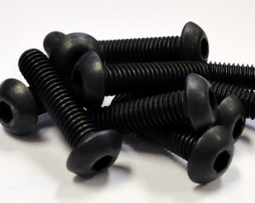 Voron用到的螺栓有三种： |  | 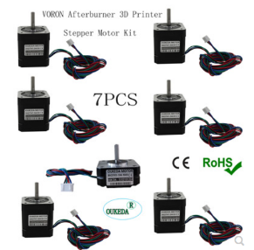 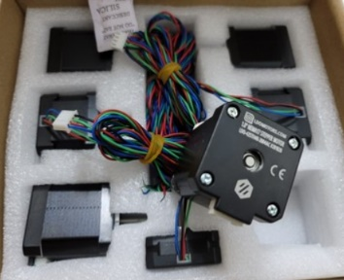
 | M5x16 BHCS | 35
 | M5x10 BHCS | 35
 | M5 Hexnut（螺母） | 16
 | M5 Post-install T-nut | 68
 | M5 1mm Shim | 42
圆柱头内六角/SHCS
半圆头内六角/BHCS
杯头内六角/FHCS
OUKEDA
LDO
 | M4x6 BHCS | 7
 | M4 Knurled Nut (DIN 466-B) | 4
建议采购强度12.9级螺栓，贵不了几块钱的
 | M3x40 SHCS | 30 |  |  |  | 主板选择
Spider
+
专用显示屏
 | M3x30 SHCS | 25
 | M3x20 SHCS | 22
 | M3x16 SHCS | 20
 | M3x12 SHCS | 41 |  | 铝型材紧固件 | 黄铜嵌入螺母
 | M3x10 FHCS | 4 |  | Post-install T-nut：铝型材对应的紧固件 （米思米对应的型号为HNTAJ5-5和HNTAJ3-3） | Threaded Insert
 | M3x8 SHCS | 180
 | M3x6 BHCS | 11
 | M3x6 FHCS | 8
 | M3 Hexnut（螺母） | 6 |  |  |  | 电源滤波器
 | M3 Post-install T-nut | 96 |  |  |  | 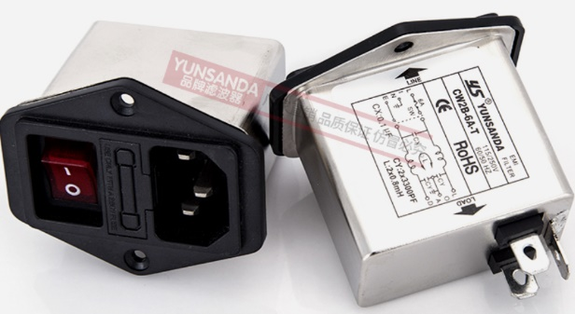
 | M3 Hammer Head T-nuts | 60
 | M3 Washer | 3
 | M3 Threaded Insert | 110
 | M2x10 Self-tapping Screw | 16
运动部件/Motion | GT2 80T Pulley (5mm ID 6mm W) | 4 |  | 传动部件
 | GT2 20T Pulley (5mm ID 6mm W) | 3 |  | 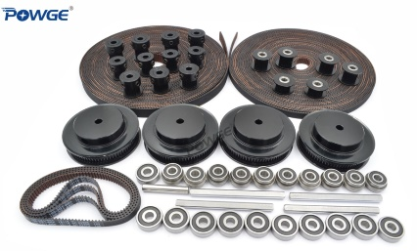 建议直接购买套件，自己选容易漏而且D轴不好买 VoronDesign官方建议的是POWGE保捷传动的套件
 | GT2 20T Pulley (5mm ID 9mm W) | 4
 | GT2 16T Pulley (5mm ID 6mm W) | 4
 | GT2 20T Toothed Idler (5mm ID 6mm W) | 2
 | GT2 20T Toothed Idler (5mm ID 9mm W) | 4 |  |  |  | M3 Hammer Head T-nuts | BMG Extruder Components Kit
 | F695 Bearing | 20 |  |  |  |  | 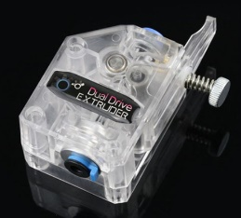
 | 625 Bearing | 12
 | 5x60mm Shaft | 4 | D Cut
 | 5x35mm Shaft (trim to size) | 1
 | GT2 Belt Loop (6mm W) - 188mm | 4
 | GT2 Open Belt LL-2GT-9 (9mm wide) - 1100mm | 4 |  | 直线导轨
 | BMG Extruder Components Kit | 1 |  | 有钱用上银的，性价比用上海林邓的
 | Linear Rail MGN9H 350mm | 6
 | Linear Rail MGN12H 350mm | 1
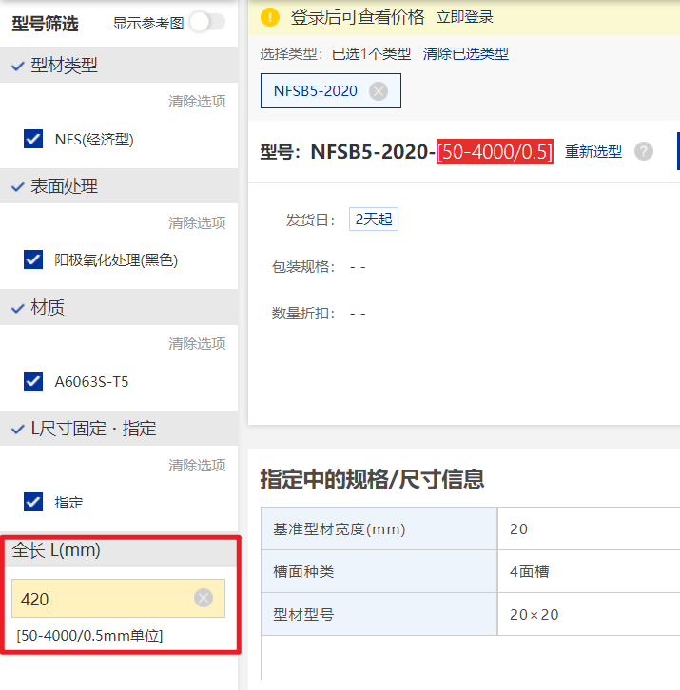
 | GT2 Open Belt LL-2GT-6 (6mm wide) - 1800mm | 2
电气部件/Electronics | Omron D2F-01L Micro Switch | 3
 | Inductive Probe (See sourcing guide) | 1 | 用Klipy-Probe的话不用买 | 微动开关：Omron D2F-01L Micro Switch 建议购买官方推荐的欧姆龙的微动，便宜的微动重复触发精度不高
 | Hotend Kit (24V) | 1
 | 40x40x20 Centrifugal Fan (24V) | 1
 | 40x40x10 Axial Fan (24V) | 1 |  | 挤出头
 | Mini 12864 Display | 1 |  | 有很多选择，官方适配的有Phaetus Dragon/Mosquito/E3DV6等 注：国内买到的Mosquito和E3DV6都是仿的，不过用着也还行 至少我几十块的E3DV6用到现在没什么问题
 | TycoElectronics 10EGG1-1 Filtered Power Inlet (NA/UK) | 1
 | TycoElectronics 10EGG1-2 Filtered Power Inlet (EU) | 1
 | Medium Blow Fuse 5x20mm 4A (220V mains) | 2
 | Medium Blow Fuse 5x20mm 8A (120v mains) | 2
 | Keystone CAT6 Insert (Optional) | 1 | 电源滤波器，建议安装
 | 60x60x20 Fan (24V) | 3
 | Controller with 7+ Stepper outputs | 1
 | TMC2209 Stepper Motor Driver | 7
 | USB Cable for selected controller | 1 |  | 开关电源
1.在这里输入尺寸
 | RaspberryPi 3B+ or better | 1 |  | 这个最好不要省钱，老老实实买明纬的，很多安全事故都是电源引起的 LRS-200-24是给控制板供电的，RS-25-5是给树莓派供电的 如果你的主板有5V供电输出，5V的PSU可以省去
 | Mean Well LRS-200-24 PSU | 1
 | Mean Well RS-25-5 PSU | 1
 | Omron G3A-210B-DC5 SSR | 1
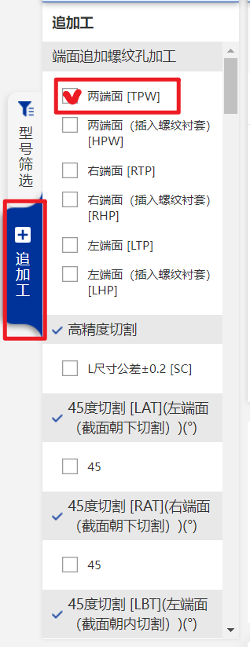
选择追加工方式 BOM表上有
 | DIN Rail Mount Bracket for G3A SSR | 1
 | BAT85 Diode | 1
 | C13 Power Cord | 1
 | Thermal Fuse (125C) | 1 |  | 固态继电器
 | NEMA17 Motor 17HS19-2004S | 6 | 可以选择LDO或者OUKEDA | Omron G3A-210B-DC5 SSR 欧姆龙的国内不太好买，可以买国产的代替 要预留足够的功率，一般500W热床10A以上就行
 | NEMA17 Motor 17HS08-1004S | 1
防震/Vibration Management | Rubber Foot (1.5x.75" | 4 | 38x19mm/橡胶脚垫
框架/Frame | OpenBuilds Billet Angle Corner Connector (2020) | 4 | 铝型材角件
2.需要追加工的件
在左边选择追加工
 | Misumi HFSB5-2020-290 | 1 |  | 铝型材
 | DIN 3 Rails (35mm W) - 415mm | 2 |  | 直接到米思米官网订购：www.misumi.com.cn 官方使用的是HFS系列，你也可以选择经济型的NFS系列
 | Misumi HFSB5-2020-380 | 1
米思米订购方法
 | Misumi HFSB5-2020-400 | 2
 | Misumi HFSB5-2020-420-TPW | 10
 | Misumi HFSB5-2020-480-LCP-RCP | 4
杂项/Misc | Fume Extractor Carbon Filter Element | 1
 | 4mm Threaded Bowden Coupler | 1 | 4mmPTFE送料管
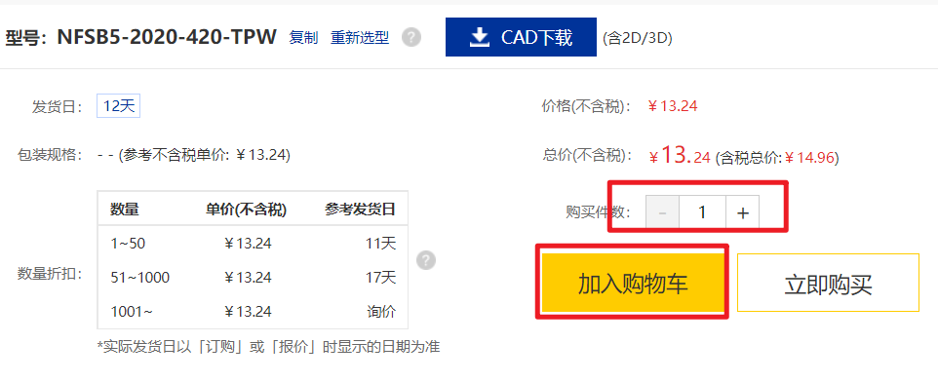
 | 3M VHB Tape 5952 | 1
 | Loctite Blue Threadlocker Stick | 1 | 乐泰螺纹胶
 | Mobil EP1/2 Grease | 1 | 滑轨专用润滑脂 | Female Spade Crimp Terminal | Fork Spade Crimp Terminal
 | Single Sided Foam Tape 1mm Thick (5m) | 1 | 泡沫胶带 | 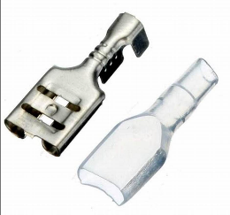
 | Single Sided Foam Tape 3mm Thick (5m) | 1
 | 6x3mm Neodimium Magnet | 8 | 铷钕磁铁
 | PTFE Tube (4mm OD 3mm ID) - 1000mm | 1
3.输入数量，加入购物车
 | PTFE Tube (4mm OD 2mm ID) - 300mm | 1
线材/Cables | Nylon Cable Ties | Small (.07-.10" | 尼龙轧带
 | 18AWG Wire (10ft/3m total) | 1 | 耐热硅胶电线 | Ring Crimp Terminal | JST XH Connector
 | 20AWG High-flex Wire (10ft/3m total) | 1
 | 22-24AWG High-flex Wire (min 19 strand)(250ft/76m total) | 1
 | Female Spade Crimp Terminal (18-22AWG | .250"
 | Fork Spade Crimp Terminal (18-22AWG | #10) | 5
 | Ring Crimp Terminal (16-22AWG | #6) | 1
 | JST XH Connector | 3 Position Male/Female Pair plus Pins | 1 | Crimp Ferrule Kit | MicroFit3 Connector
 | Connector kit matching your controller choice (usually JST-XH) | 1
 | Crimp Ferrule Kit (covering sizes 24AWG to 18AWG) | 1
 | MicroFit3 Connector Plug 4 Position | 4
 | MicroFit3 Connector Plug 3 Position | 1
 | MicroFit3 Connector Plug 2 Position | 2
 | MicroFit3 Connector Receptacle 4 Position | 4 |  | MLX Power Connector | Cable Chian
 | MicroFit3 Connector Receptacle 3 Position | 1
 | MicroFit3 Connector Receptacle 2 Position | 2
 | MLX Power Receptacle 3 Position (bed wiring) | 1
 | MLX Power Plug 3 Position | 1
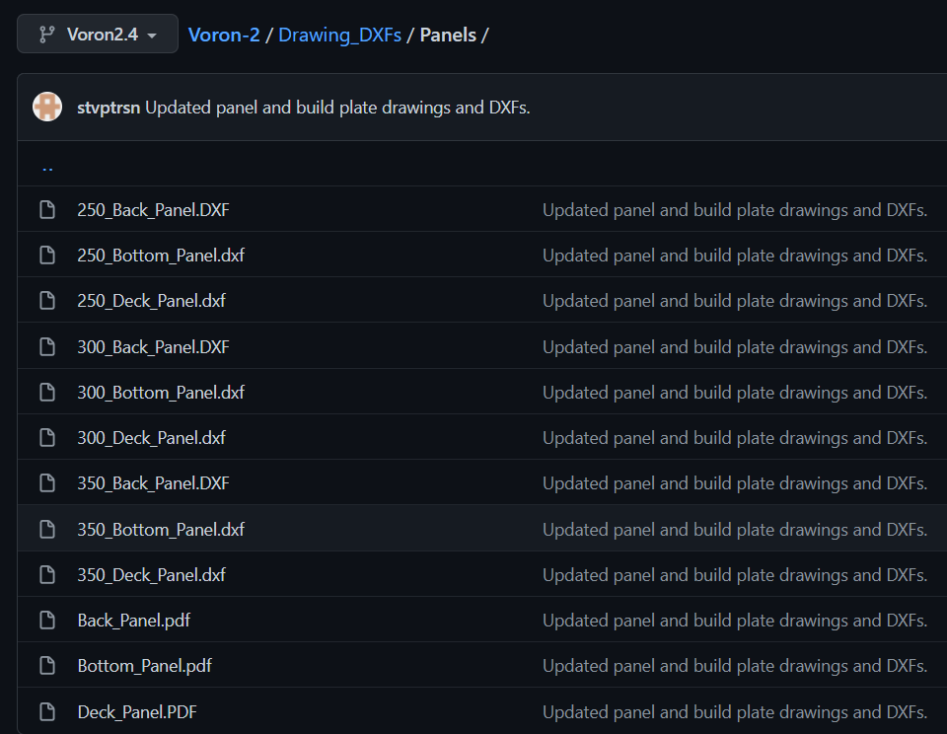
 | MLX Male Pin | 6
 | MLX Female Pin | 6
 | MicroFit3 Female Pin | 40
 | MicroFit3 Male Pin | 40
 | WAGO 221-415 Lever-Nuts | 3
 | 10x10 Generic Cable Chain (355mm) | 2 | 电缆拖链
 | 10x15 Generic Cable Chain (495mm) | 1
板材/Panels | Coroplast Sheet - 419x419x4 mm | 2 |  | 封箱板
 | Coroplast Sheet - 433x453x4 mm | 1 |  | 找附近的图文广告店切就行了，一般家具城边上，github有cad文件
 | Acrylic Sheet Clear - 216.5x453x3 mm | 2
 | Acrylic Sheet Clear - 433x453x3 mm | 2
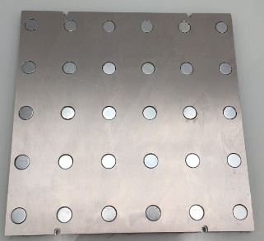
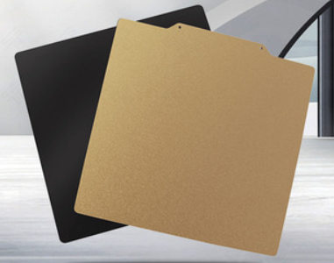
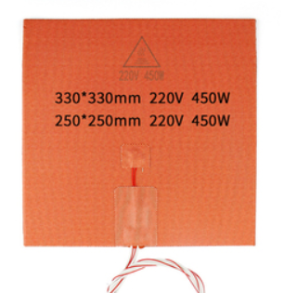
 | Acrylic Sheet Clear - 433x433x3 mm | 1
成型平台/Buildplate | MIC6 5/16" Plate - 12"x12" | 1 | MIC6超平铝板
 | Adhesive Magnetic Sheet - 12"x12" | 1
 | Spring Steel Flexible Print Surface - 12"x12" | 1
 | Keenovo Silicone AC Heater w/ thermistor - 250x250mm (450W) | 1 | 硅胶加热垫

MIC6磁吸铝板
PEI板
硅胶加热垫

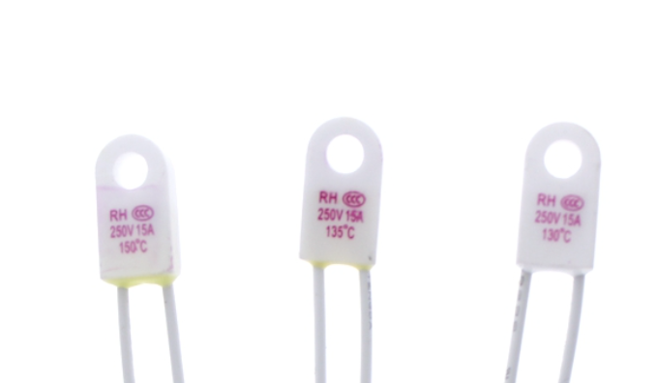

220V热床一定要配合温度保险丝使用，买125C的

