teams-solution
name | New York Mets
New York Mets Season Records
Row Labels | Win % | Loss % | Sum of Wpct | New York Mets Season Records
2018 | 77 | 85 | 47.5%
2017 | 70 | 92 | 43.2%
2016 | 87 | 75 | 53.7%
2015 | 90 | 72 | 55.6%
2014 | 79 | 83 | 48.8%
2013 | 74 | 88 | 45.7%
Grand Total | 477 | 495 | 49.1%

teams-solution-how-to
name | New York Mets
New York Mets Season Records
1. Create Pivot Chart & Pivot Table abased on data in the "teams" tab
2. Setup the Pivot Chart based on the below layout
3. Create Calculations for Win %, Loss %
4. Plot those, along with Sum of WPct in the Values part of the pivot charts
5. Change the plot type to a horizontal bar chart
Row Labels | Win % | Loss % | Sum of Wpct | New York Mets Season Records
2018 | 77 | 85 | 47.5%
2017 | 70 | 92 | 43.2%
2016 | 87 | 75 | 53.7%
2015 | 90 | 72 | 55.6%
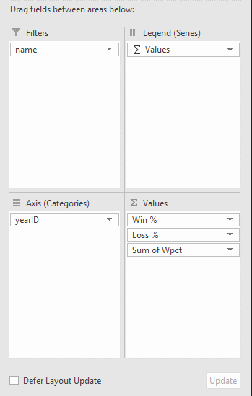
2014 | 79 | 83 | 48.8%
2013 | 74 | 88 | 45.7%
Grand Total | 477 | 495 | 49.1%

bar-ranges
Subject | Before | After | Change
English | 72 | 91 | 19
History | 80 | 93 | 13
Change in Grades
Math | 55 | 82 | 27
Spanish | 76 | 84 | 8
Chemistry | 66 | 91 | 25

bar-ranges-how-to
Subject | Before | After | Change
English | 72 | 91 | 19
History | 80 | 93 | 13
Change in Grades
1. Insert chart with cells A1:D6 as the cell range
2. Select all data as shown below
3. Fill the "Before" and "After" shapes with transparent data fill
4. Fill the "Change" shapes with a blue fill
5. Set the axis to 0 to 100 manual range.
Math | 55 | 82 | 27
Spanish | 76 | 84 | 8
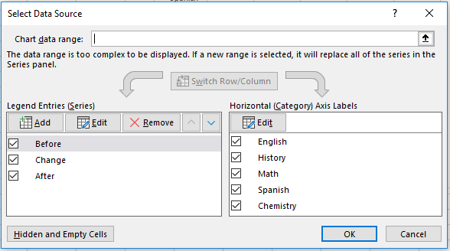
Chemistry | 66 | 91 | 25

