Sheet1
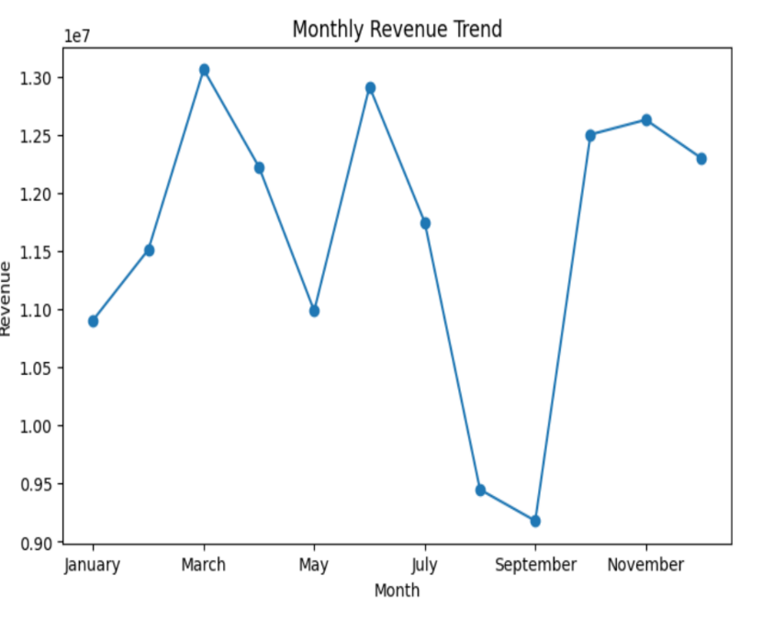
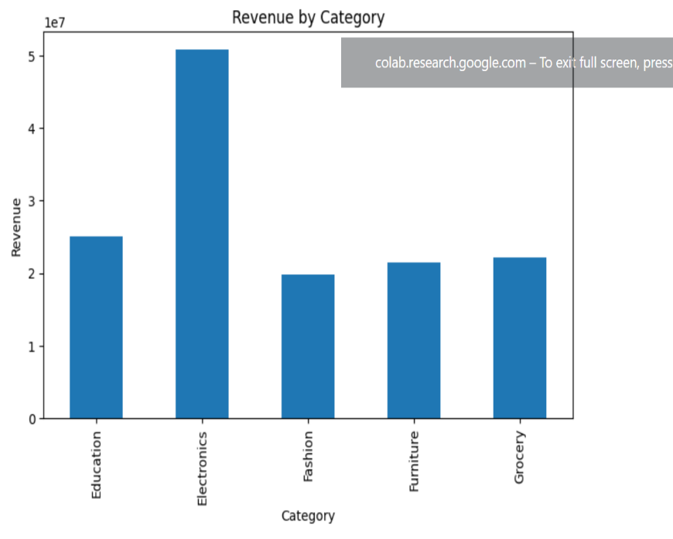
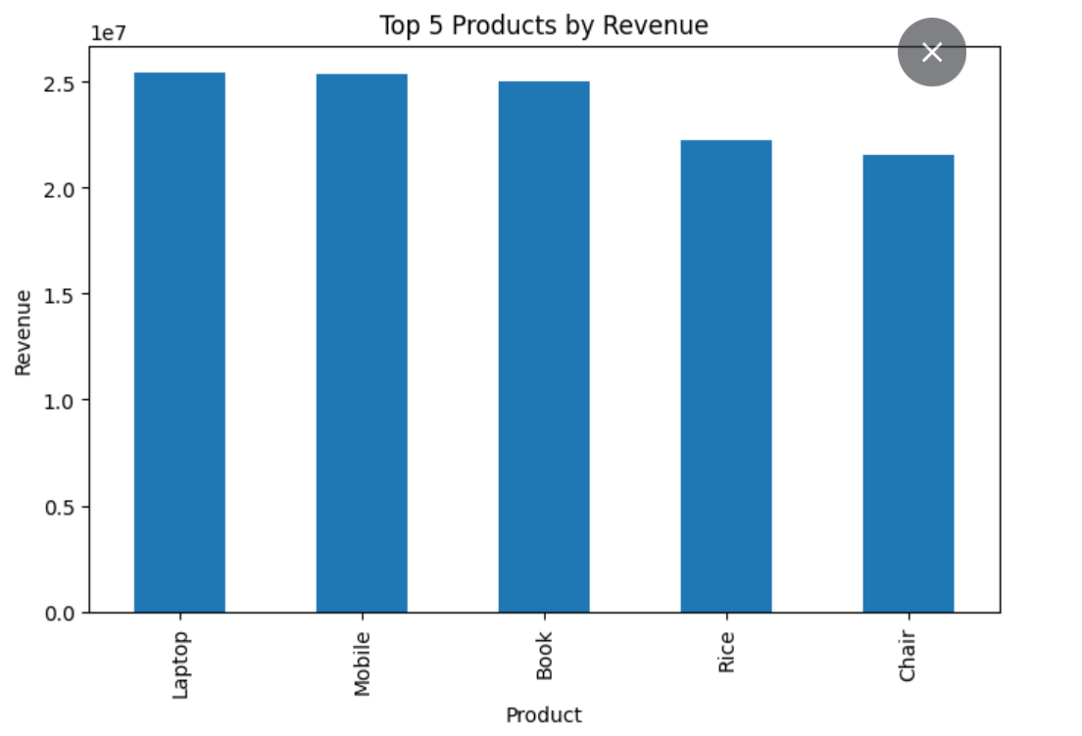
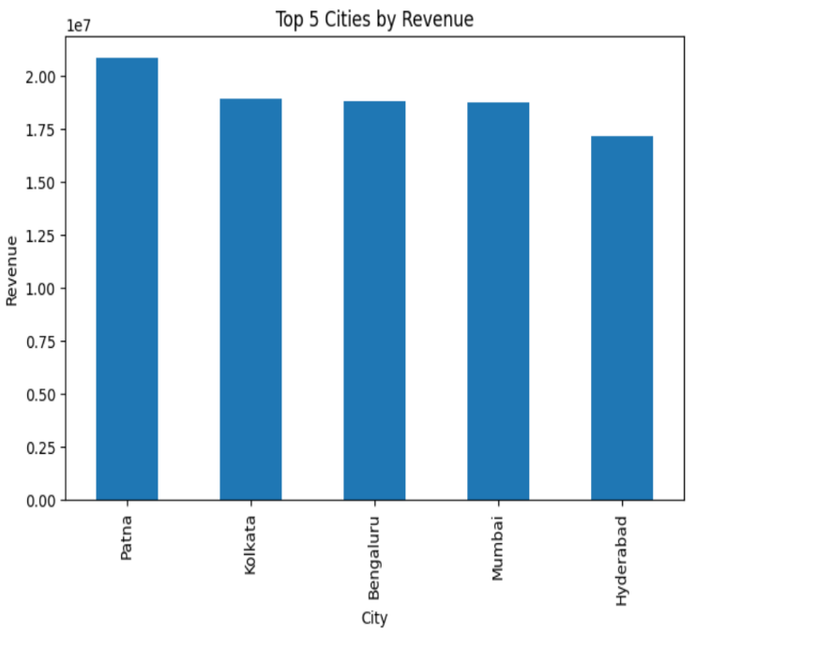
ApexPlanet sales Dashboard

Total Revenue | Total orders |  | Avg Order value
139,399,439.64 | 1000 |  | 139,399.44

Top Product |  | Top Category
Laptop |  | Electronics

