Sheet1
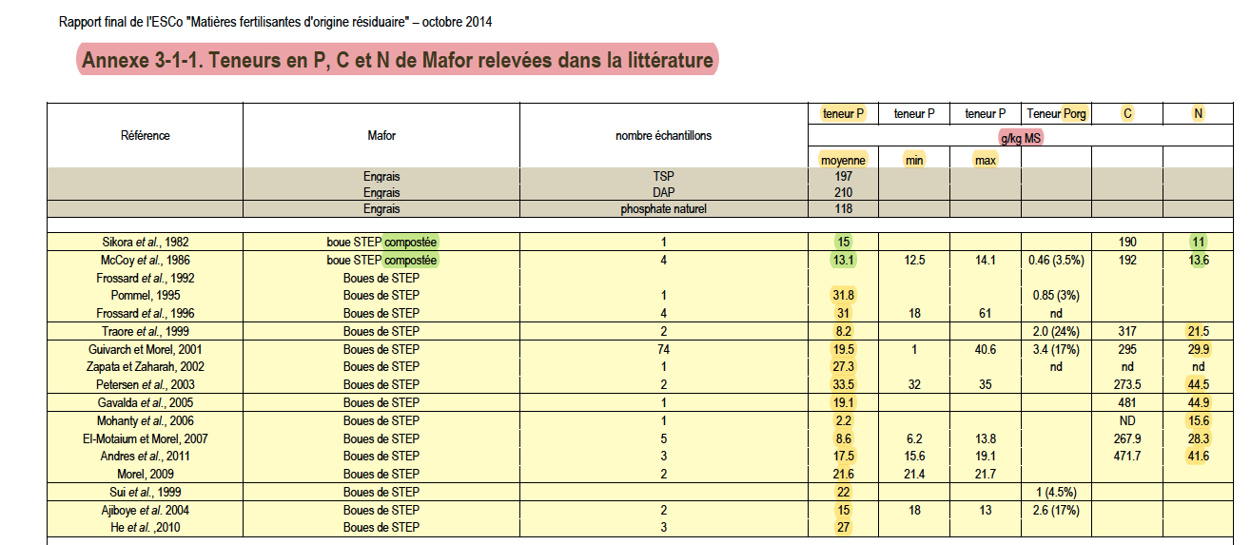

 |  |  | g/kgMS | g/kgMS
compost | Study | Year | P | N | N_P_ratio
composted | Sikora et al., 1982 | 1982 | 15 | 11 | 0.73
composted | McCoy et al., 1986 | 1986 | 13.1 | 13.6 | 1.04
not composted | Frossard et al., 1992 | 1992
not composted | Pommel, 1995 | 1995 | 31.8
not composted | Frossard et al., 1996 | 1996 | 31
not composted | Traore et al., 1999 | 1999 | 8.2 | 21.5 | 2.62
not composted | Guivarch et Morel, 2001 | 2001 | 19.5 | 29.9 | 1.53
not composted | Zapata et Zaharah, 2002 | 2002 | 27.3
not composted | Petersen et al., 2003 | 2003 | 33.5 | 44.5 | 1.33
not composted | Gavalda et al., 2005 | 2005 | 19.1 | 44.9 | 2.35
not composted | Mohanty et al., 2006 | 2006 | 2.2 | 15.6 | 7.09 | Mohanty outlier removed
not composted | El-Motaium et Morel, 2007 | 2007 | 8.6 | 28.3 | 3.29
not composted | Andres et al., 2011 | 2011 | 17.5 | 41.6 | 2.38
not composted | Morel, 2009 | 2009 | 21.6
not composted | Sui et al., 1999 | 1999 | 22
not composted | Ajiboye et al. 2004 | 2004 | 15
not composted | He et al. ,2010 | 2010 | 27

 | P
Mohanty et al., 2006 | 2.2
Traore et al., 1999 | 8.2
El-Motaium et Morel, 2007 | 8.6
McCoy et al., 1986 | 13.1
Sikora et al., 1982 | 15
Ajiboye et al. 2004 | 15
Andres et al., 2011 | 17.5
Gavalda et al., 2005 | 19.1
Guivarch et Morel, 2001 | 19.5
Morel, 2009 | 21.6
Sui et al., 1999 | 22
He et al. ,2010 | 27
Zapata et Zaharah, 2002 | 27.3
Frossard et al., 1996 | 31
Pommel, 1995 | 31.8
Petersen et al., 2003 | 33.5
Frossard et al., 1992
 | Study | Year | P
not composted | Mohanty et al., 2006 | 2006 | 2.2 |  | mean
not composted | Traore et al., 1999 | 1999 | 8.2 |  | 20.7
not composted | El-Motaium et Morel, 2007 | 2007 | 8.6
composted | McCoy et al., 1986 | 1986 | 13.1
composted | Sikora et al., 1982 | 1982 | 15
not composted | Ajiboye et al. 2004 | 2004 | 15
not composted | Andres et al., 2011 | 2011 | 17.5
not composted | Gavalda et al., 2005 | 2005 | 19.1
not composted | Guivarch et Morel, 2001 | 2001 | 19.5
not composted | Morel, 2009 | 2009 | 21.6
not composted | Sui et al., 1999 | 1999 | 22
not composted | He et al. ,2010 | 2010 | 27
not composted | Zapata et Zaharah, 2002 | 2002 | 27.3
not composted | Frossard et al., 1996 | 1996 | 31
not composted | Pommel, 1995 | 1995 | 31.8
not composted | Petersen et al., 2003 | 2003 | 33.5
not composted | Frossard et al., 1992 | 1992

 | N
Sikora et al., 1982 | 11
McCoy et al., 1986 | 13.6
Mohanty et al., 2006 | 15.6
Traore et al., 1999 | 21.5
El-Motaium et Morel, 2007 | 28.3
Guivarch et Morel, 2001 | 29.9
Andres et al., 2011 | 41.6
Petersen et al., 2003 | 44.5
Gavalda et al., 2005 | 44.9
Frossard et al., 1992
Pommel, 1995
Frossard et al., 1996
Zapata et Zaharah, 2002
Morel, 2009
Sui et al., 1999
Ajiboye et al. 2004
He et al. ,2010
 | Study | Year | N
composted | Sikora et al., 1982 | 1982 | 11
composted | McCoy et al., 1986 | 1986 | 13.6 |  | mean non composted
not composted | Mohanty et al., 2006 | 2006 | 15.6 |  | 35.1
not composted | Traore et al., 1999 | 1999 | 21.5
not composted | El-Motaium et Morel, 2007 | 2007 | 28.3
not composted | Guivarch et Morel, 2001 | 2001 | 29.9
not composted | Andres et al., 2011 | 2011 | 41.6
not composted | Petersen et al., 2003 | 2003 | 44.5
not composted | Gavalda et al., 2005 | 2005 | 44.9
not composted | Frossard et al., 1992 | 1992
not composted | Pommel, 1995 | 1995
not composted | Frossard et al., 1996 | 1996
not composted | Zapata et Zaharah, 2002 | 2002
not composted | Morel, 2009 | 2009
not composted | Sui et al., 1999 | 1999
not composted | Ajiboye et al. 2004 | 2004
not composted | He et al. ,2010 | 2010

 | Study | Year | N_P_ratio
composted | Sikora et al., 1982 | 1982 | 0.73 |  | mean non composted |  | ratio_of_mean
composted | McCoy et al., 1986 | 1986 | 1.04 |  | 2.25 |  | 1.70
not composted | Petersen et al., 2003 | 2003 | 1.33
 | N_P_ratio
Sikora et al., 1982 | 0.73
McCoy et al., 1986 | 1.04
Petersen et al., 2003 | 1.33
Guivarch et Morel, 2001 | 1.53
Gavalda et al., 2005 | 2.35
Andres et al., 2011 | 2.38
Traore et al., 1999 | 2.62
El-Motaium et Morel, 2007 | 3.29
Mohanty et al., 2006 | 7.09
Frossard et al., 1992
Pommel, 1995
Frossard et al., 1996
Zapata et Zaharah, 2002
Morel, 2009
Sui et al., 1999
Ajiboye et al. 2004
He et al. ,2010
not composted | Guivarch et Morel, 2001 | 2001 | 1.53
not composted | Gavalda et al., 2005 | 2005 | 2.35
not composted | Andres et al., 2011 | 2011 | 2.38
not composted | Traore et al., 1999 | 1999 | 2.62
not composted | El-Motaium et Morel, 2007 | 2007 | 3.29
not composted | Mohanty et al., 2006 | 2006 | 7.09
not composted | Frossard et al., 1992 | 1992
not composted | Pommel, 1995 | 1995
not composted | Frossard et al., 1996 | 1996
not composted | Zapata et Zaharah, 2002 | 2002
not composted | Morel, 2009 | 2009
not composted | Sui et al., 1999 | 1999
not composted | Ajiboye et al. 2004 | 2004
not composted | He et al. ,2010 | 2010

