BackProp
W1 Iteration 0 |  |  |  |  |  | b1 Iteration 0 |  |  |  |  |  | W2 Iteration 0 | Torch | b2 Iteration 0 | Torch
0.441 | 0.530 | -0.281 | -0.424 | 0.427 | -0.082 | -0.270 | 0.147 | -0.266 | -0.068 | -0.234 | 0.383 | -0.322 | -0.3223 | 0.369 | 0.36869276
0.479 | -0.126 | 0.339 | 0.502 | 0.078 | 0.445 | -0.2695 | 0.1472 | -0.2660 | -0.0677 | -0.2345 | 0.3830 | -0.188 | -0.1882
-0.135 | 0.117 | 0.509 | 0.108 | 0.278 | 0.085 |  |  |  |  |  |  | -0.115 | -0.1153
 |  |  |  |  |  |  |  |  |  |  |  | -0.245 | -0.2455
 |  |  |  |  |  |  |  |  |  |  |  | 0.039 | 0.0385
 |  |  |  |  |  |  |  |  |  |  |  | -0.403 | -0.4032

W1 Iteration 1 |  |  |  |  |  | b1 Iteration 1 |  |  |  |  |  | W2 Iteration 1 | Torch | b2 Iteration 1 | Torch
0.444 | 0.532 | -0.280 | -0.421 | 0.426 | -0.078 | -0.266 | 0.149 | -0.265 | -0.065 | -0.235 | 0.387 | -0.354 | -0.3537 | 0.320 | 0.32044262
0.484 | -0.124 | 0.341 | 0.506 | 0.078 | 0.450 | -0.2659 | 0.1493 | -0.2646 | -0.0647 | -0.2350 | 0.3869 | -0.219 | -0.2186
-0.132 | 0.118 | 0.510 | 0.110 | 0.278 | 0.089 |  |  |  |  |  |  | -0.144 | -0.1438
 |  |  |  |  |  |  |  |  |  |  |  | -0.274 | -0.2735
 |  |  |  |  |  |  |  |  |  |  |  | 0.009 | 0.0090
 |  |  |  |  |  |  |  |  |  |  |  | -0.438 | -0.4384

W1 Iteration 2 |  |  |  |  |  | b1 Iteration 2 |  |  |  |  |  | W2 Iteration 2 | Torch | b2 Iteration 2 | Torch
0.446 | 0.533 | -0.279 | -0.420 | 0.426 | -0.076 | -0.265 | 0.150 | -0.264 | -0.064 | -0.235 | 0.388 | -0.369 | -0.3685 | 0.303 | 0.30285522
0.488 | -0.121 | 0.343 | 0.509 | 0.077 | 0.455 | -0.2646 | 0.1503 | -0.2640 | -0.0635 | -0.2350 | 0.3881 | -0.230 | -0.2302
-0.130 | 0.120 | 0.511 | 0.112 | 0.278 | 0.091 |  |  |  |  |  |  | -0.157 | -0.1572
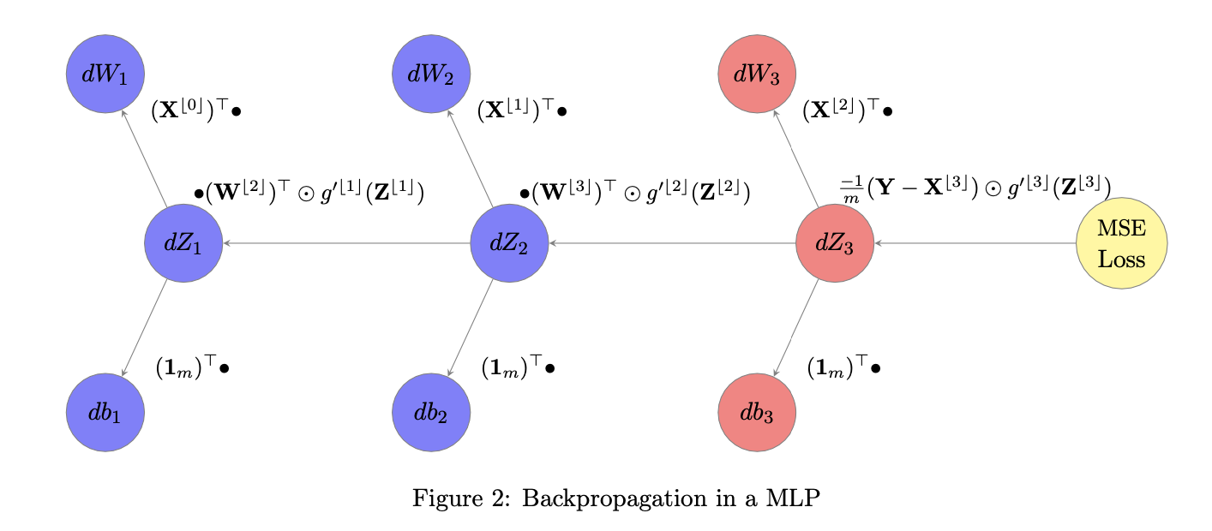
 |  |  |  |  |  |  |  |  |  |  |  | -0.286 | -0.2865
 |  |  |  |  |  |  |  |  |  |  |  | -0.004 | -0.0038
 |  |  |  |  |  |  |  |  |  |  |  | -0.454 | -0.4538

