Q1
Total sales closed
Row Labels | Close value
Dustin Brinkmann | $1,094,363.00
Cara Losch | $1,130,049.00
Celia Rouche | $1,603,897.00
Rocco Neubert | $1,960,545.00
Summer Sewald | $1,964,750.00
Melvin Marxen | $2,251,930.00
Grand Total | $10,005,534.00

Total deals engaged
 | Total
Dustin Brinkmann | 193
Rocco Neubert | 214
Melvin Marxen | 215
Cara Losch | 219
Celia Rouche | 334
Summer Sewald | 414
How is each sales team performing compared to the rest?
The team from Melvin Marxen is performing really well compared to other teams with a total sales closed of 2.2 M$. It is the only team above 2M$ in sales closed.
The engaged deals aren't taken into account. Summer's team has the most deals engaged, followed by Celia's. This could change the ranking of closed sales in the months to come.
Row Labels | Count of deal_stage
Engaging
Dustin Brinkmann | 193
Rocco Neubert | 214
Melvin Marxen | 215
Cara Losch | 219
Celia Rouche | 334
Summer Sewald | 414
Grand Total | 1589

Q2
Are any sales agents lagging behind?
By filtering sales agents below the average close value, we get to see the agents performing below average. We can also highlight in red the bottom 3 performers.
In this table, 2 agents closed for less than $175,000. Violet McIelland has the lowest average close value ($639,54) but she closed a good amount of deals.
Wilburn Farren closes more important deals but he only closed 79 of them (lowest total of deals closed). Both agents are in Cara Losch's team.
These results can be explained by a number of factors, some of which have nothing to do with the agents' intrinsic skills (vacation, sick leave, resignation or dismissal, etc.). However, it would be interesting for Cara to take the analysis a step further.
Row Labels | Sum of close_value | Average of close_value | Count of close_value
Cara Losch
Violet Mclelland | 123431 | 640 | 193
Wilburn Farren | 157640 | 1995 | 79
Garret Kinder | 197773 | 1608 | 123
Rosie Papadopoulos | 230169 | 1902 | 121
Corliss Cosme | 421036 | 1839 | 229
Celia Rouche
Rosalina Dieter | 235403 | 2140 | 110
Hayden Neloms | 272111 | 1790 | 152
Elease Gluck | 289195 | 2295 | 126
Markita Hansen | 328792 | 1448 | 227
Vicki Laflamme | 478396 | 1379 | 347
Dustin Brinkmann
Versie Hillebrand | 187693 | 711 | 264
Lajuana Vencill | 194632 | 843 | 231
Moses Frase | 207182 | 1062 | 195
Cecily Lampkin | 229800 | 1436 | 160
Anna Snelling | 275056 | 819 | 336
Melvin Marxen
Niesha Huffines | 176961 | 1011 | 175
Jonathan Berthelot | 284886 | 1079 | 264
Marty Freudenburg | 291195 | 1501 | 194
Gladys Colclough | 345674 | 1490 | 232
Darcel Schlecht | 1153214 | 2085 | 553
Rocco Neubert
Boris Faz | 261631 | 1710 | 153
Daniell Hammack | 364229 | 1948 | 187
Reed Clapper | 438336 | 1850 | 237
Donn Cantrell | 445860 | 1621 | 275
Cassey Cress | 450489 | 1726 | 261
Summer Sewald
Kami Bicknell | 316456 | 1163 | 272
Maureen Marcano | 350395 | 1645 | 213
James Ascencio | 413533 | 2007 | 206
Zane Levy | 430068 | 1648 | 261
Kary Hendrixson | 454298 | 1356 | 335
Grand Total | 10005534 | 1491 | 6711

sales_agent | manager | close_value | average_close | nb_close
Violet Mclelland | Cara Losch | $123,431.00 | $639.54 | 193
Wilburn Farren | Cara Losch | $157,640.00 | $1,995.44 | 79
Niesha Huffines | Melvin Marxen | $176,961.00 | $1,011.21 | 175
Versie Hillebrand | Dustin Brinkmann | $187,693.00 | $710.96 | 264
Lajuana Vencill | Dustin Brinkmann | $194,632.00 | $842.56 | 231
Garret Kinder | Cara Losch | $197,773.00 | $1,607.91 | 123
Moses Frase | Dustin Brinkmann | $207,182.00 | $1,062.47 | 195
Cecily Lampkin | Dustin Brinkmann | $229,800.00 | $1,436.25 | 160
Rosie Papadopoulos | Cara Losch | $230,169.00 | $1,902.22 | 121
Rosalina Dieter | Celia Rouche | $235,403.00 | $2,140.03 | 110
Boris Faz | Rocco Neubert | $261,631.00 | $1,710.01 | 153
Hayden Neloms | Celia Rouche | $272,111.00 | $1,790.20 | 152
Anna Snelling | Dustin Brinkmann | $275,056.00 | $818.62 | 336
Jonathan Berthelot | Melvin Marxen | $284,886.00 | $1,079.11 | 264
Elease Gluck | Celia Rouche | $289,195.00 | $2,295.20 | 126
Marty Freudenburg | Melvin Marxen | $291,195.00 | $1,501.01 | 194
Kami Bicknell | Summer Sewald | $316,456.00 | $1,163.44 | 272
Markita Hansen | Celia Rouche | $328,792.00 | $1,448.42 | 227

Q3
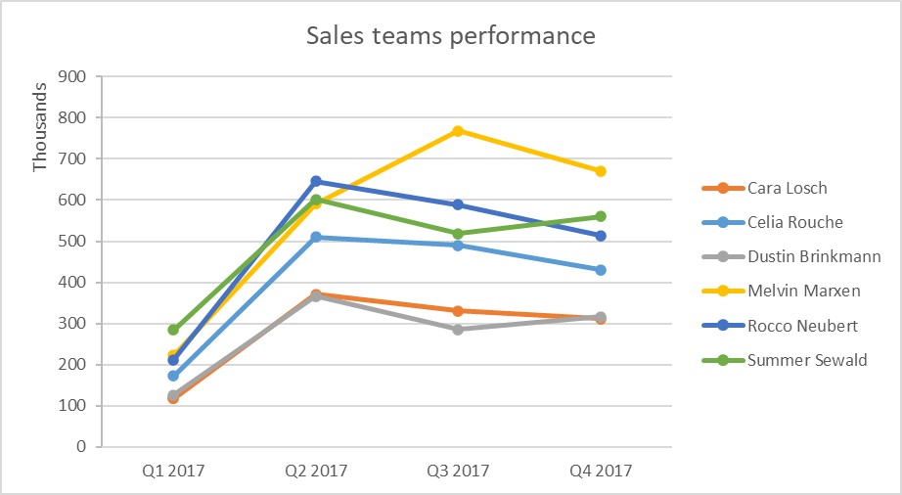
Sales teams performance
 | Cara Losch | Celia Rouche | Dustin Brinkmann | Melvin Marxen | Rocco Neubert | Summer Sewald
Row Labels | Sum of close_value
Q1 2017
Cara Losch | 117389
Celia Rouche | 172989
Dustin Brinkmann | 125934
Melvin Marxen | 222054
Rocco Neubert | 211762
Summer Sewald | 284544
Q2 2017
Cara Losch | 370692
Celia Rouche | 510177
Dustin Brinkmann | 365987
Melvin Marxen | 591334
Rocco Neubert | 646131
Summer Sewald | 601790
Q3 2017
Cara Losch | 330820
Celia Rouche | 490519
Can you identify any quarter-over-quarter trends?
With data over 1 year only, it is difficult to assume quarter-over-quarter trends. What we can see is that during Q1, all managers performances are the lowest when compared to the rest of the year. Q2 is the highest performing quarter for nearly all managers, except Melvin Marxen who continues to improve its record during Q3.
If Q1 is the lowest, this may be due to managers and sales agents pushing to close most of their opened deals during Q4 of the previous year (before the year ends) to boost their performance.
It would be interesting to follow the performance over several years to identify patterns.
Dustin Brinkmann | 285448
Melvin Marxen | 767754
Rocco Neubert | 588947
Summer Sewald | 518767
Q4 2017
Cara Losch | 311148
Celia Rouche | 430212
Dustin Brinkmann | 316994
Melvin Marxen | 670788
Rocco Neubert | 513705
Summer Sewald | 559649
Grand Total | 10005534

Q4
Do any products have better win rates?
MG Special is the product with the best win rate (64.8%). This higher rate may be due to its lowest price ($55).
The most expensive product is also the one with the lowest win rate. It is much more difficult to sell a product costing $26,768 than a $55 product.
What is interesting to identify, is that the GTX Plus Pro is the 2nd most expensive solution sold by the company, but also the 2nd in terms of win ratio.
Sales team should focus on this item.
product | nb_win | nb_lost | win_ratio | sales_price
GTX Plus Basic | 653 | 398 | 62.1% | 1096
GTX Pro | 729 | 418 | 63.6% | 4821
MG Special | 793 | 430 | 64.8% | 55
GTX Basic | 915 | 521 | 63.7% | 550
MG Advanced | 654 | 430 | 60.3% | 3393
GTX Plus Pro | 479 | 266 | 64.3% | 5482
GTK 500 | 15 | 10 | 60.0% | 26768

