Cover
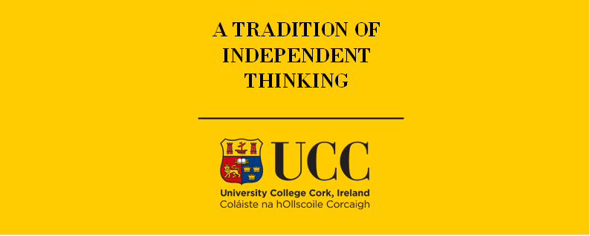

TIMES-Ireland Model

Document type: | New Technologies
Sector(s): | Power sector (PWR)
Purpose: | Specify techno-economic data for new generation technologies

Original developer(s): | Xiufeng Yue (UCC, xiufeng.yue@ucc.ie)
 | James Glynn (UCC, james.glynn@ucc.ie)

Current maintainer(s): | Olexandr Balyk (UCC, olexandr.balyk@ucc.ie)

Part of TIM version: | 1.0
Model repository: | https://github.com/MaREI-EPMG/TIMES-Ireland-model
Licence: | CC BY-NC-SA 4.0 (unless specified otherwise)
 | https://creativecommons.org/licenses/by-nc-sa/4.0/

