paracetamol_urea_prob_plots
paracetamol topic - binary - fragm in topic
paracetamol topic
binary
m/z | prob
65.03874 | 0.141577
110.0601 | 0.094424
60.04466 | 0.082636 | 60 and 61 fragments do not appear in
61.03989 | 0.082636 | paracetamol metabolites - found separate
92.04941 | 0.059059 | topic in multinominal - see below)
93.0335 | 0.047271
141.018 | 0.047271
152.0707 | 0.047271
97.02845 | 0.035483
121.0286 | 0.035483

paracetamol topic - multinominal - fragm in topic
multinominal
m/z | prob
110.0601 | 0.185319
152.0707 | 0.115419
65.03874 | 0.112168
92.04941 | 0.108592
93.0335 | 0.065351
80.04939 | 0.057874
108.0446 | 0.045194
122.0236 | 0.042918
135.0297 | 0.042268
67.04172 | 0.041618

paracetamol topic - binary - mtbs in topic
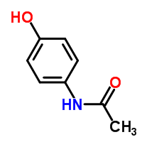
binary
m/z_rt | prob
237.06891_661.282 | 0.469231
237.07263_605.534 | 0.469231
297.10435_657.241 | 0.469231
328.10065_504.683 | 0.469231
232.02192_409.718 | 0.392308
249.05288_409.718 | 0.392308
177.07103_233.35 | 0.341667
292.10227_561.658 | 0.315385
373.14089_504.683 | 0.238462
137.07079_1066.96 | 0.238462

paracetamol topic - multinominal - mtbs in topic
multinominal |  |  | There are much more paracetamol metabolites in urine 37 - hence, the topic is present in urine 37 - and not so in urine 94.
m/z_rt | prob |  | Paracetamol sulfated and glucuronidated are among the topic selected metabolites.
249.05288_409.718 | 0.991091
232.02192_409.718 | 0.875181
153.06136_417.296 | 0.842695
328.10065_504.683 | 0.755458
110.05114_483.703 | 0.635505
184.06529_264.751 | 0.380603
137.07079_1066.96 | 0.372619 |  |  | possible structure, supported by multiple water losses
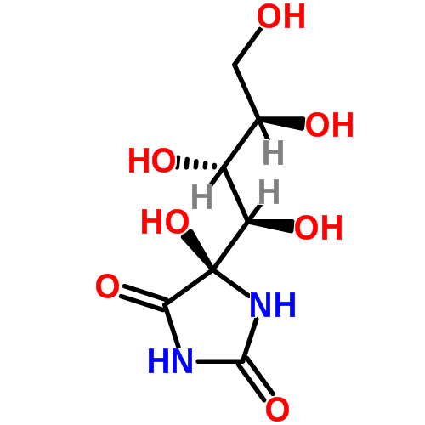
373.14089_504.683 | 0.280052
285.08148_537.06 | 0.264871
271.06593_538.944 | 0.252371

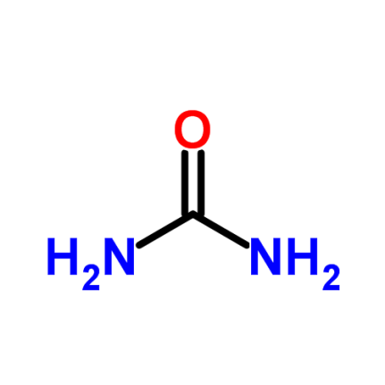

'urea' based topic - binary - mtbs in topic
Urea based topic in mutinominal
m/z | prob
60.04466 | 0.189193
61.03989 | 0.113797
176.0551 | 0.052976
97.02845 | 0.051575
158.0449 | 0.051294
84.04438 | 0.048211
141.018 | 0.047931 |  |  |  | Urea - CH4ON2 - CH5NO2 in pos mode
115.054 | 0.036159
197.0449 | 0.034197
95.01267 | 0.033356

m/z_rt | prob

'urea' based topic - multinominal - mtbs in topic
237.07263_605.534 |  | 0.990041
368.07452_218.709 |  | 0.989813
237.06891_661.282 |  | 0.98953
297.10435_657.241 |  | 0.986282
121.07122_535.15 |  | 0.948421
205.08877_548.385 |  | 0.630018
292.10227_561.658 |  | 0.609259
314.86922_683.02 |  | 0.561654
193.07294_592.215 |  | 0.264969
256.11561_461.019 |  | 0.258932

 |  | Scifinder results do not return a lot of biological known molecules for the 237 mtb - interesting to find out if they are more common in urine

 |  | The 297 appears to be not described before - again, it would be good to see them in several urines to confirm it is not an artefact of some sort

 |  | Not present in HMDB

pyrrolidone_prob_plots
pyrrolidone topic - binary - fragm in topic
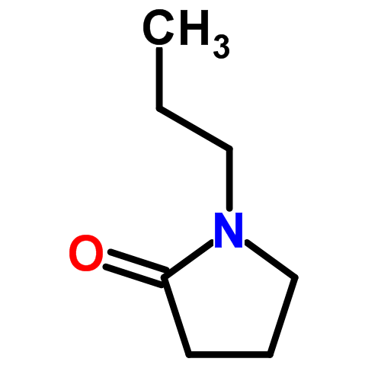
propylpyrrolidone topic
binary
m/z | prob | Scifinder research: likely to be spermidine metabolites - not many references - rat urine for the two smaller metabolites - human urine with GC for the larger one
70.06528 | 0.185698 | Not present in HMDB
68.04965 | 0.086725
69.03355 | 0.074354
98.05996 | 0.074354
112.0757 | 0.04961
116.0704 | 0.04961
126.0915 | 0.04961
72.08083 | 0.024867
125.1071 | 0.024867
126.0548 | 0.024867

pyrrolidone topic - multinominal - fragm in topic
multinominal
70.06528 | 0.274742
98.05996 | 0.127759
69.03355 | 0.082222
68.04965 | 0.080704
126.0915 | 0.061983
142.0862 | 0.050093
125.1071 | 0.038456
143.1181 | 0.036685
100.0756 | 0.035926
132.0652 | 0.033902

pyrrolidone topic - binary - mtbs in topic
binary
m/z_rt | prob
185.12285_293.437 | 0.546154
143.11757_810.923 | 0.51
158.07513_419.18 | 0.469231
185.12094_366.967 | 0.469231
217.11769_422.951 | 0.392308
217.11811_293.437 | 0.392308
158.08387_468.569 | 0.315385
229.11792_594.119 | 0.31
144.09369_504.683 | 0.190909
191.13804_440.195 | 0.190909

pyrrolidone topic - multinominal - mtbs in topic
multinominal
m/z_rt | prob
185.12285_293.437 | 0.991967
185.12094_366.967 | 0.991695
143.11757_810.923 | 0.985714
229.11792_594.119 | 0.798163
304.17109_639.819 | 0.722945
230.15657_477.992 | 0.626726
193.07294_592.215 | 0.491039
158.07513_419.18 | 0.463564
457.30066_481.81 | 0.383368
158.08387_468.569 | 0.197826

Amlodipine_two_topics
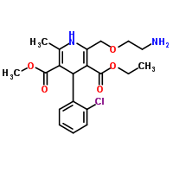
I specifically searched for amlodipine related topics, based on earlier analysis and known fragments containing the chloride ion of the drug.
 | ppm difference
113.01495 | -4.8665890962 |  | C6H6Cl | (series 1 below)
113.0155 |  |  | C6H6Cl | (series 2 below)

Same fragment, separated in matrix! So that is probably why the model creates two topics!

Could we run another 'unique' over the rows and combine rows that are within, let's say, 6 ppm.
I checked for these two fragments, and they are never present together in one MS1 parent.

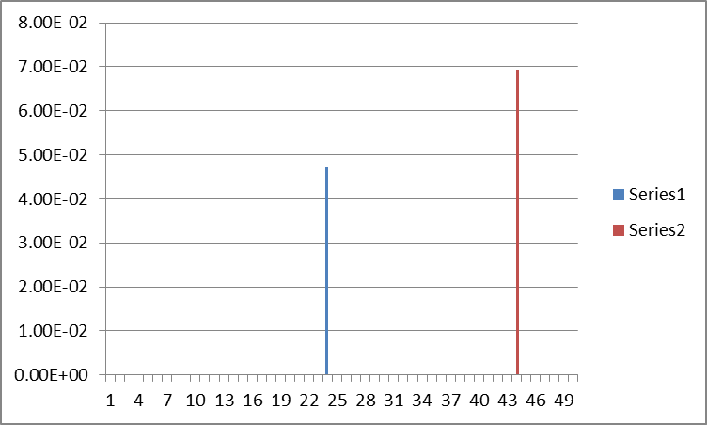

the two 113 fragments

the 125 fragment (two topics contain both the 113 and the same 125 ion….)

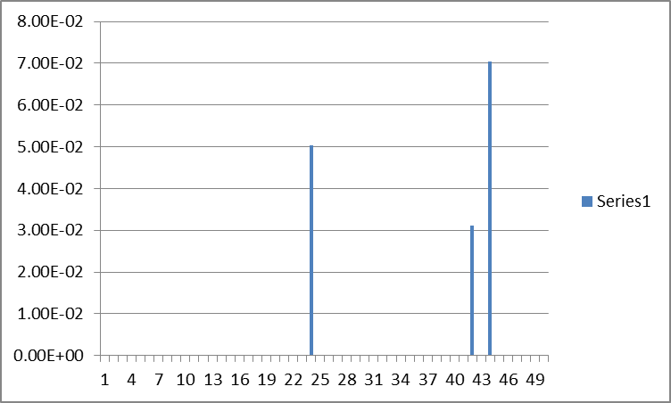

The third (lower) peak seems to be a negative ionization mode topic, and is not directly related to the two positive mode topics

Topic 43: |  |  | In bold drug metabolites that I have analyzed previously.
Top10 fragments:
72.08083 | 0.118364
125.0154 | 0.070333
141.0101 | 0.069647
53.03893 | 0.069304
113.0155 | 0.069304
169.0056 | 0.046661
152.0262 | 0.045632
198.0312 | 0.044603
114.0915 | 0.028479
136.0216 | 0.028135

Top10 docs:
484.08179_247.244 | 0.990926 | is also related to amlodipine!
426.08107_223.139 | 0.990772
340.03885_262.675 | 0.990559
79.95739_413.486 | 0.971676
90.05497_626.476 | 0.909259
304.05167_413.486 | 0.873891
103.0947_904.499 | 0.758966
131.11784_870.124 | 0.434026
118.08634_527.603 | 0.310465
144.09369_504.683 | 0.15423

Topic 23:
Top10 fragments:
65.03874 | 0.144634
149.0233 | 0.063133
121.0286 | 0.062131
125.0154 | 0.05044
141.0101 | 0.049104
152.0262 | 0.047768
113.015 | 0.0471
53.03893 | 0.046098
169.0046 | 0.045764
198.0312 | 0.029063

Top10 docs:
308.04998_247.244 | 0.992587
366.05687_220.879 | 0.990101
177.07103_233.35 | 0.9875
122.96913_1200.59 | 0.688571
223.08044_243.07 | 0.647021
184.06529_264.751 | 0.49548
181.07252_605.534 | 0.492008
137.02498_274.321 | 0.437324
278.82968_1252.68 | 0.276216
292.10227_561.658 | 0.259465

Histidine_related_topic
 |  | I searched for a possible histidine related topic (remember the ppt I gave..;-)..) and there was one in the urine data!
(multinominal)
Top10 fragments
83.06028 | 0.20342
56.04981 | 0.117568
93.04454 | 0.072708
82.05251 | 0.064587
110.071 | 0.054919 |  | Note that 110 is lower than the smaller fragments: this fragment is related merely to histidine (carboxylgroup loss) than the imidazole ring itself.
95.06039 | 0.054145
66.0341 | 0.04177
81.04461 | 0.029782
182.028 | 0.029395
139.0099 | 0.027074
 |  |  | Top hit here is histidine itself:
Top10 docs |  |  | (remember the pattern?! ;-)
156.07644_613.086 | 0.990875
311.0822_413.486 | 0.990702 | ???!!! No clue, cannot find it in pos mode….
256.08533_580.736 | 0.989462
110.0624_615.033 | 0.98563
129.07599_624.592 | 0.661246
124.08709_554.101 | 0.612472
212.01401_415.411 | 0.240858
143.07233_578.852 | 0.14428
262.05115_639.819 | 0.115939
259.16493_268.626 | 0.003962

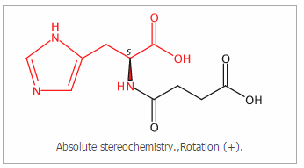

 |  | possible structure, not described as normal urine metabolite
 |  | Annotation based on substructure!
 |  | Suprisingly low amount of other 'documents' that show
 |  | imidazole/histidine related fragments - probably also in other
 |  | topics? (see below)

Methylimidazole got its 'own' topic (though some peaks seem to be missing, again, will have to check peak picking)

Top10 fragments
96.06809 | 0.14677657769
68.04965 | 0.12904899331
95.06039 | 0.1167961041
97.07605 | 0.094636623625
81.04461 | 0.054488858995
109.07616 | 0.053185360144
54.03419 | 0.047449965197
141.06572 | 0.039889671857
125.07113 | 0.038586173006
170.09246 | 0.035718475532
Top10 topics
171.07626_440.195 | 0.99187396352
423.16147_451.591 | 0.99090909091 |  |  | Have to check these ones at some point
353.08154_461.019 | 0.99023904382
339.15809_557.87 | 0.99006085193
126.10253_930.238 | 0.84184397163
212.01401_415.411 | 0.74832089552
197.06784_510.464 | 0.71452784504
453.17407_447.821 | 0.5102
124.08709_554.101 | 0.37664399093
142.08087_438.262 | 0.31009009009

Ornithine_related
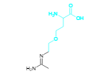
m/z | prob
71.06037 | 0.190111
57.04499 | 0.135795
71.04937 | 0.068614
158.129 | 0.035739
174.1236 | 0.035263
134.081 | 0.033833
100.0756 | 0.032404 |  | 71 and 57 could represent part in black
101.0792 | 0.032404
138.0549 | 0.032404
102.0559 | 0.030974

m/z_rt |  | prob
204.13494_546.482 |  | 0.991595
144.06644_440.195 |  | 0.988939
157.07118_616.937 |  | 0.967333
74.06883_663.25 |  | 0.943023
116.95958_1254.69 |  | 0.640561
291.19991_529.487 |  | 0.393666
175.09127_529.487 |  | 0.25156
205.08877_548.385 |  | 0.239595
304.17109_639.819 |  | 0.128298
202.08151_538.944 |  | 0.115184

 |  |  |  | skipped, because of
 |  |  |  | charge state = 0?!
 |  |  |  | peak = 5E8!!

 |  |  |  | Ornithine (C5H13N2O2)
 |  |  |  | related

 |  |  |  | skipped, because of
 |  |  |  | charge state = 0?!
 |  |  |  | peak = 6E8!!
 |  |  |  | Isotope (175) is included in the list (with lower prob)

 |  |  |  | (E)-N5-(1-Aminoethylidene)-L-ornithine ??

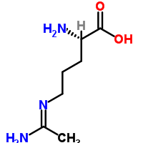

 |  |  |  | Not in HMDB

