Adenine based topic
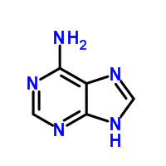

 |  |  |  | adenine:

topic fragments

119.03544 | 0.15563675279
136.06204 | 0.12842378841
94.03996 | 0.10793762422
137.04584 | 0.077972787036
150.07711 | 0.044338786118
92.02451 | 0.039140804158
192.06518 | 0.038529276869
109.05071 | 0.03791774958
164.07085 | 0.035165876777
89.03878 | 0.033942822198

topic docs |  | contains known adenine related
 |  | metabolites - and some 'noise'
282.11938_673.281 | 0.98756345178
136.0618_488.32 | 0.98661202186 |  | Adenine itself
298.09802_398.655 | 0.8742248062
282.11942_404.218 | 0.7451417004
268.10387_467.201 | 0.68665254237
238.07312_516.113 | 0.50019607843
314.18281_273.442 | 0.49081419624
137.05363_502.74 | 0.42082474227 |  | ??
252.10839_436.256 | 0.40991189427 |  | Why so low? --> see fragm:
177.05515_255.208 | 0.34766146993 |  | ??

Another topic with 136.0620 fragment in it:

98.98405 | 0.50012006465 |  |  | Mainly driven by phosphate peak (PO4H4)
73.06476 | 0.058651581621
136.06204 | 0.055880858924
146.05312 | 0.045259755253
180.06288 | 0.029558993304
86.03165 | 0.025864696375
127.0152 | 0.025402909259
74.06813 | 0.024941122143
137.06494 | 0.024941122143
155.08161 | 0.024941122143

Docs:
124.9969_604.323 | 0.92096774194 |  |  | Unclear what this is - perhaps cofragmentation of some low abundant adenine containing metabolites?
271.11709_472.728 | 0.73837471783
173.04438_552.234 | 0.5287037037
247.07104_529.653 | 0.50026315789
201.07665_436.256 | 0.48797327394
173.12695_624.05 | 0.38430913349
261.07938_619.56 | 0.37466367713
270.1105_467.201 | 0.37103321033
337.11101_626.264 | 0.31538461538
198.97097_604.323 | 0.22400932401

C8H10N_based_topic
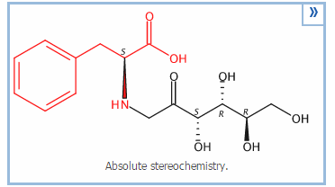
Top10 fragments |  |  | Phenylalanine based topic!
120.08072 | 0.22296791775
103.05425 | 0.16623560015 |  |  |  |  | Not reported before as glycoamine present in nature….(only 5 synthetic references in Scifinder
166.08595 | 0.11693546389
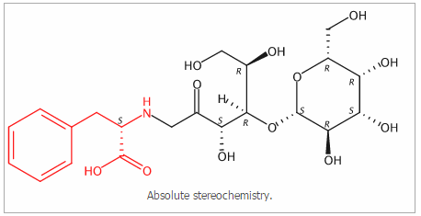
91.0543 | 0.083490647838
292.1179 | 0.059707667534
132.08104 | 0.057725752508
264.1235 | 0.042861389818
310.12868 | 0.032704075313
217.13419 | 0.027749287749
219.06549 | 0.014371361328
 |  |  | potential structure of 328
Top15 docs
328.13934_429.487 | 0.99102564103
490.19211_478.288 | 0.86745182013
310.12818_325.172 | 0.85608108108 | fragment of 328 isomer (not in list)
295.15597_452.828 | 0.74594017094 |  |  |  | (based on similarity to other fragmentation spectra within topic, i.e.,
310.12815_428.377 | 0.6997706422 | fragment of 328 |  |  | 328 and its fragment 310 (clearly visible here as wel)
245.1282_311.862 | 0.5939453125
568.27758_278.084 | 0.56037344398
306.13315_285.902 | 0.54839449541
347.09422_556.51 | 0.48430851064
435.1487_517.253 | 0.46421052632
374.16763_396.578 | 0.36895833333
374.17061_278.084 | 0.36639839034
208.09751_264.324 | 0.25827956989
194.08197_291.677 | 0.24669338677
267.16136_266.751 | 0.15532407407

 |  |  |  | Something with
 |  |  |  | Phenylalanine
 |  |  |  | Proline
 |  |  |  | and?

