BOM
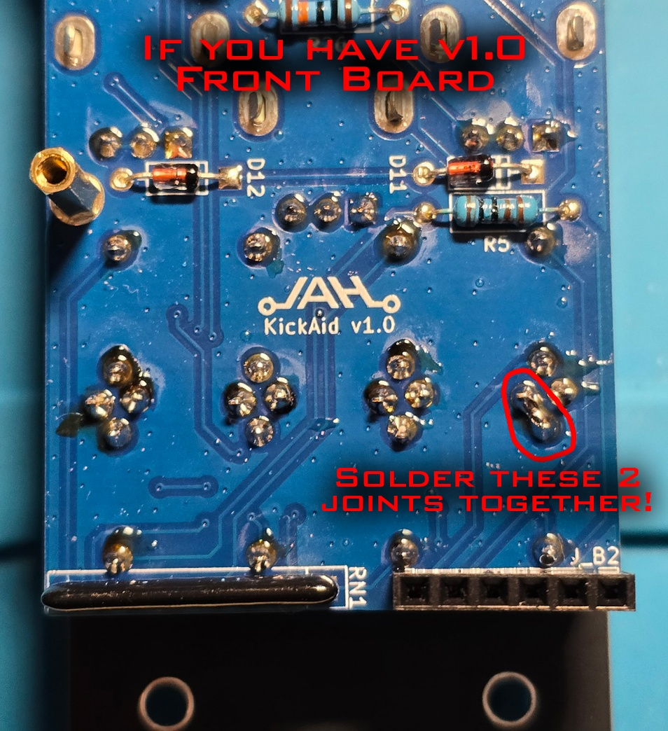
Avalon Harmonics KickAid
Qty | Value | Package | Ref | Description | Link | Alt Link
1 | 100 | R-1/4W | R2 | Resistor THT | https://www.buerklin.com/en/p/quadrios/wirewound-resistors/22p041/73P0029/ | https://www.aliexpress.com/item/1005002670881002.html
1 | 220 | R-1/4W | R3 | Resistor THT | https://www.buerklin.com/en/p/quadrios/wirewound-resistors/22p043/73P0031/ | https://www.aliexpress.com/item/1005002670881002.html
1 | 330 | R-1/4W | R4 | Resistor THT | https://www.buerklin.com/en/p/quadrios/wirewound-resistors/22p044/73P0032/ | https://www.aliexpress.com/item/1005002670881002.html
2 | 1k | R-1/4W | R1, R5 | Resistor THT | https://www.buerklin.com/en/p/quadrios/wirewound-resistors/22p046/73P0034/ | https://www.aliexpress.com/item/1005002670881002.html
4 | 2.2k | R-1/4W | R6, R7, R8, R9 | Resistor THT | https://www.buerklin.com/en/p/quadrios/wirewound-resistors/22p048/73P0036/ | https://www.aliexpress.com/item/1005002670881002.html
2 | 10k | R-1/4W | R11, R12 | Resistor THT | https://www.buerklin.com/en/p/quadrios/wirewound-resistors/22p050/73P0038/ | https://www.aliexpress.com/item/1005002670881002.html
2 | 10k 1% Tolerance | R-1/4W | R29, R30 | Resistor THT | https://www.tme.eu/de/en/details/mf0207fte-10k/tht-resistors/yageo/mf0207fte52-10k/
5 | 15k | R-1/4W | R10, R13, R14, R15, R16 | Resistor THT | https://www.aliexpress.com/item/1005002670881002.html | https://www.buerklin.com/en/p/vishay/wirewound-resistors/mba02040c1502fct00/14E605/
2 | 20k 0.1% Tolerance | R-1/4W | R31, R32 | Resistor THT | https://www.tme.eu/de/en/details/mp0.6w-20k/tht-resistors/royal-ohm/mf006bb2002a10/
1 | 33k | R-1/4W | R17 | Resistor THT | https://www.buerklin.com/en/p/quadrios/wirewound-resistors/22p052/73P0040/ | https://www.aliexpress.com/item/1005002670881002.html
6 | 47k | R-1/4W | R18-R23 | Resistor THT | https://www.buerklin.com/en/p/quadrios/wirewound-resistors/22p053/73P0041/ | https://www.aliexpress.com/item/1005002670881002.html
4 | 100k | R-1/4W | R24, R25, R26, R33 | Resistor THT | https://www.buerklin.com/en/p/quadrios/wirewound-resistors/22p054/73P0042/ | https://www.aliexpress.com/item/1005002670881002.html
1 | 120k | R-1/4W | R27 | Resistor THT | https://www.aliexpress.com/item/1005002670881002.html | https://www.buerklin.com/en/p/vishay/wirewound-resistors/mba02040c1203fct00/14E715/
1 | 160k | R-1/4W | R28 | Resistor THT | https://www.aliexpress.com/item/1005002670881002.html | https://www.buerklin.com/en/p/vishay/wirewound-resistors/mba02040c1603fct00/14E730/
1 | 240k | R-1/4W | R34 | Resistor THT | https://www.buerklin.com/en/p/vishay/wirewound-resistors/mba02040c2403fct00/14E750/ | https://www.aliexpress.com/item/1005002670881002.html
1 | 1k | R-Array-SIP8 | RN1 | Resistor Network THT, 4 Isolated Resistors | https://www.aliexpress.com/item/1005003256254825.html | https://www.tme.eu/de/en/details/dr1k-4_8/resistor-networks/royalohm/rnlb08g0102b0e/
2 | 10k | R-Array-SIP8 | RN2, RN3 | Resistor Network THT, 4 Isolated Resistors | https://www.aliexpress.com/item/1005003256254825.html | https://www.tme.eu/de/en/details/dr10k-4_8/resistor-networks/royalohm/rnlb08g0103b0e/
3 | 100k | R-Array-SIP8 | RN4, RN5, RN6 | Resistor Network THT, 4 Isolated Resistors | https://www.aliexpress.com/item/1005003256254825.html | https://www.tme.eu/de/en/details/dr100k-4_8/resistor-networks/royal-ohm/rnlb08g0104b0e/
2 | 47pF | C-P5mm | C6, C22 | Ceramic Capacitor THT | https://www.tme.eu/de/en/details/cct-47p_50v/mlcc-tht-capacitors/sr-passives/ct40805n470j500f3r/
16 | 0.1uF | C-P5mm | C7-C18, C19, C20, C21, C23 | Ceramic Capacitor THT | https://www.tme.eu/de/en/details/cm-100n-x7r_100/mlcc-tht-capacitors/sr-passives/
3 | 10uF | E-P2.5mm 5x7mm* | C3, C4, C5 | Electrolytic Capacitor THT | https://www.tme.eu/de/en/details/ecea1vka100i/tht-electrolytic-capacitors/panasonic/
2 | 47uF | E-P2.5mm 6.3x11.5mm | C1, C2 | Electrolytic Capacitor THT | https://www.tme.eu/de/en/details/jrg-47u_35/tht-electrolytic-capacitors/jb-capacitors/jrg1v470m02500630115000b/
2 | 1N4001 | DO-41 | D1, D2 | Rectifier Diode | https://www.tme.eu/de/en/details/1n4001-dio/tht-universal-diodes/diotec-semiconductor/1n4001/
10 | 1N4148 | DO-35 | D3-D6, D7-D12 | Switching Diode | https://www.tme.eu/de/en/details/1n4148-dio/tht-universal-diodes/diotec-semiconductor/1n4148/
1 | BCM847BS | SOT-363 | Q1 | NPN Dual Package | https://www.tme.eu/de/en/details/bcm847bs.115/npn-smd-transistors/nexperia/bcm847bs-115/
1 | IC Socket | DIP-8 Socket | U7 | IC Socket | https://www.tme.eu/de/en/details/icvt-8p/standard-dip-sockets/connfly/ds1009-08at1nx/ | https://www.aliexpress.com/item/1005003256812123.html
7 | IC Socket | DIP-14 Socket | U1-U6, U8 | IC Socket | https://www.tme.eu/de/en/details/icvt-14p/standard-dip-sockets/connfly/ds1009-14at1nx-0a2/ | https://www.aliexpress.com/item/1005003256812123.html
5 | TL074 | DIP-14 | U1-U5 | Quad Op Amp | https://www.tme.eu/de/en/details/tl074acn/tht-operational-amplifiers/texas-instruments/
1 | LM324 | DIP-14 | U6 | Quad Op Amp | https://www.tme.eu/de/en/details/lm324n-ti/tht-operational-amplifiers/texas-instruments/lm324n/
1 | LM358 | DIP-8 | U7 | Dual Op Amp | https://www.tme.eu/de/en/details/lm358n_nopb/tht-operational-amplifiers/texas-instruments/
1 | 74HC04 | DIP-14 | U8 | Hex Inverter | https://www.tme.eu/de/en/details/cd74hc04e/gates-inverters/texas-instruments/
1 | 78L05 | TO-92 Wide | U9 | Voltage Regulator 5V | https://www.tme.eu/de/en/details/l78l05abz/unregulated-voltage-regulators/stmicroelectronics/
1 | A100k | Pot 9mm Alpha D-Shaft | P_IN | Potentiometer Metal | https://www.thonk.co.uk/shop/alpha-9mm-pots-dshaft/
3 | B100k | Pot 9mm Alpha D-Shaft | P_EQ_K, P_EQ_F, P_MIX | Potentiometer Metal | https://www.thonk.co.uk/shop/alpha-9mm-pots-dshaft/
1 | A25k | Pot 9mm Tall Trimmer | P_ATTA | Potentiometer Plastic | https://www.thonk.co.uk/shop/ttpots/
1 | A100k | Pot 9mm Tall Trimmer | P_LENG | Potentiometer Plastic | https://www.thonk.co.uk/shop/ttpots/
2 | B100k | Pot 9mm Tall Trimmer | P_THRS, P_DUCK | Potentiometer Plastic | https://www.thonk.co.uk/shop/ttpots/
1 | A250k | Pot 9mm Tall Trimmer | P_DECA | Potentiometer Plastic | https://www.thonk.co.uk/shop/ttpots/
1 | A1M | Pot 9mm Tall Trimmer | P_FALL | Potentiometer Plastic | https://www.thonk.co.uk/shop/ttpots/
4 | OSO5PA3HE4B | LED 3mm Flat | LD_K, LD_F, LD_G, LD_E | LED Orange | https://www.tme.eu/de/en/details/oso5pa3he4b/tht-leds-3mm/optosupply/
1 | SPDT ON-ON | Sub-Mini SPDT** | SW_SRC | Switch | https://www.thonk.co.uk/shop/sub-mini-toggle-switches/
8 | Thonkiconn | PJ398SM | J_EXT, J_TRIG, J_GATE, J_ENV, J_IN***, J_SND, J_RET, J_OUT | Audio Jack | https://www.thonk.co.uk/shop/thonkiconn/
3 | 1x4 | Male Header 2.54mm | J_A1, J_A3, J_A5 | Header Connector | https://www.tme.eu/de/en/details/zl201-40g/pin-headers/connfly/ds1021-1-40sf11-b/
4 | 1x6 | Male Header 2.54mm | J_A2, J_A4, J_A6, J_A7 | Header Connector | https://www.tme.eu/de/en/details/zl201-40g/pin-headers/connfly/ds1021-1-40sf11-b/
3 | 1x4 | Female Header 2.54mm | J_B1, J_B3, J_B5 | Header Connector | https://www.tme.eu/de/en/details/zl262-4sg/pin-headers/connfly/ds1023-1-4s21/ | https://www.aliexpress.com/item/1005001557138121.html
4 | 1x6 | Female Header 2.54mm | J_B2, J_B4, J_B6, J_B7 | Header Connector | https://www.tme.eu/de/en/details/zl262-6sg/pin-headers/connfly/ds1023-1-6s21/ | https://www.aliexpress.com/item/1005001557138121.html
1 | 2x5 | Male Header 2.54mm | PWR | Header Connector | https://www.tme.eu/de/en/details/zl202-10g/pin-headers/connfly/ds1021-2-5sf11-b/

3 | M2*5 | M2 Screw |  | Screw | https://www.aliexpress.com/item/32810872544.html
3 | M2 | M2 Nut |  | Nut | https://www.aliexpress.com/item/1005002177898963.html
3 | M2, 11mm | M2 Standoff |  | Standoff | https://www.aliexpress.com/item/1005002952338852.html

3 | Black | Pushernut |  | Jack Nut | https://pushermanproductions.com/products/pushernuts-round-mini-jack-nuts-pack-of-25?variant=57164621578504
5 | Gold | Pushernut |  | Jack Nut | https://pushermanproductions.com/products/pushernuts-round-mini-jack-nuts-pack-of-25?variant=57166910816520
4 | Black | Alpha 9mm Nut**** |  | Potentiometer Nut | https://www.thonk.co.uk/shop/black-nuts-washers/
4 | Black D-Shaft Line | Bastl Style Alu Knob 10mm |  | Potentiometer Knob | https://www.thonk.co.uk/shop/bastl-knobs/
6 | Black | Thonk Trimmer Topper |  | Trimmer Knob | https://www.thonk.co.uk/shop/tall-trimmer-toppers/

 | Parts with underline are on the front PCB!

 | * Needs to be a low profile capacitor, maximum of 7mm in height.
 | ** Use the included extra nut as a washer between the switch and the panel.
 | *** IMPORTANT: If you have v1.0 Front Board, please solder the 2 joints together like shown on the image below.Otherwise, a buzzing sound could be heard when GAIN is set to high and there is nothing plugged into the IN jack.
 | **** For P_IN, P_EQ_K and P_EQ_F, do not use the included washer. Tighten very gently so the PCB doesn't get scratched. Install P_MIX normally.

