BOM
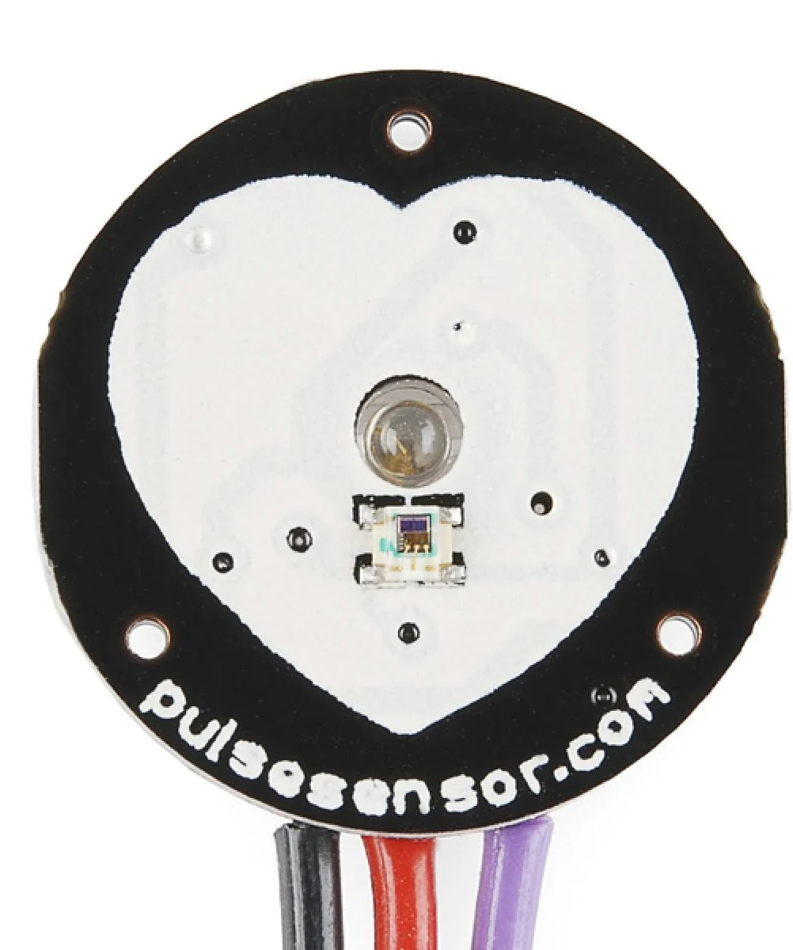
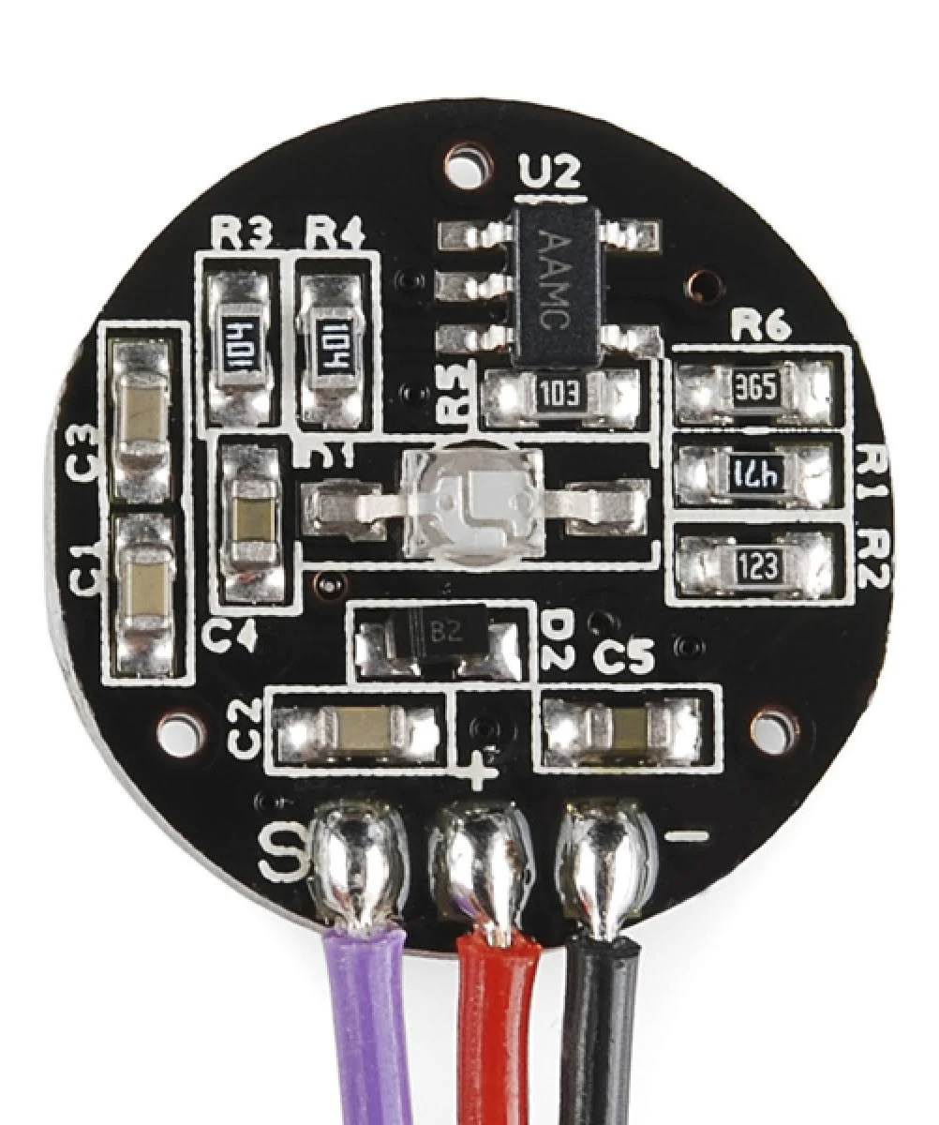
PulseSensor (AvalonHarmonics Pulse Compatible)
Qty | Value | Package | Ref | Description | Link
1 | 2.7k | R-0603 | R1 | Resistor SMD | https://www.mouser.de/ProductDetail/YAGEO/AC0603FR-102K7L?qs=r5DSvlrkXmI%252BoA55hl3CYA%3D%3D
1 | 10k | R-0603 | R5 | Resistor SMD | https://www.mouser.de/ProductDetail/YAGEO/RC0603FR-0710KL?qs=grNVn54RoB%252B3GtjbJj3wJQ%3D%3D
1 | 12k | R-0603 | R2 | Resistor SMD | https://www.mouser.de/ProductDetail/YAGEO/RC0603FR-0712KL?qs=uM1JSSdPjOAofBxPyV1SrA%3D%3D
2 | 100k | R-0603 | R3, R4 | Resistor SMD | https://www.mouser.de/ProductDetail/YAGEO/RC0603FR-07100KL?qs=e1ok2LiJcmaihem8Va5%2Fsw%3D%3D
1 | 3.3M | R-0603 | R6 | Resistor SMD | https://www.mouser.de/ProductDetail/YAGEO/RC0603FR-073M3L?qs=0yPvnVz5%2FmpXIpczTVzOJQ%3D%3D
2 | 2.2uF | C-0603 | C4, C5 | Ceramic Capacitor SMD | https://www.mouser.de/ProductDetail/YAGEO/CC0603ZRY5V7BB225?qs=57cj7OiSijl%252Bm8uadqyHTw%3D%3D
3 | 4.7uF | C-0603 | C1, C2, C3 | Ceramic Capacitor SMD | https://www.mouser.de/ProductDetail/Murata-Electronics/GRM188C81C475KE11D?qs=eeBpzGFlv%252B9pJxuKfcXzkQ%3D%3D
2 | CDBU00340 | D-0603 | D2* | Schottky Diode SMD | https://www.mouser.de/ProductDetail/Comchip-Technology/CDBU00340?qs=tw%252BuQ%2FB6PO1FOdTRnM2KCw%3D%3D
1 | MCP6001 | SOT-23-5 | U2 | Single Op Amp SMD | https://www.mouser.de/ProductDetail/Microchip-Technology/MCP6001T-I-OT?qs=Q%2Fw7XRh99iki9dglS7IqJg%3D%3D
1 | APDS-9008 | ChipLED-6 | U1* | Light Sensor SMD | https://www.mouser.de/ProductDetail/Broadcom-Avago/APDS-9008-020?qs=zR1%252BXmOs1xaaCokI57o9TA%3D%3D
1 | AM2520ZGC09 | SMD-2 | D1* ** | LED Green SMD | https://www.mouser.de/ProductDetail/Kingbright/AM2520ZGC09?qs=f499HRGa1RmlBH0mu6ZkNQ%3D%3D

 | Parts with underline are on the front side of the PCB!

 | PulseSensor PCB files can be found on the official GitHub repository. If you want to make your own, please have them manufactured: |  |  |  |  | https://github.com/WorldFamousElectronics/PulseSensorAmped_Hardware
 | * Check pictures below for orientation. Do not rely on the values shown on the pictures, they might be different than in the BOM.
 | ** The LED needs to be mounted upside down so it faces into the hole on the PCB.

