BOM
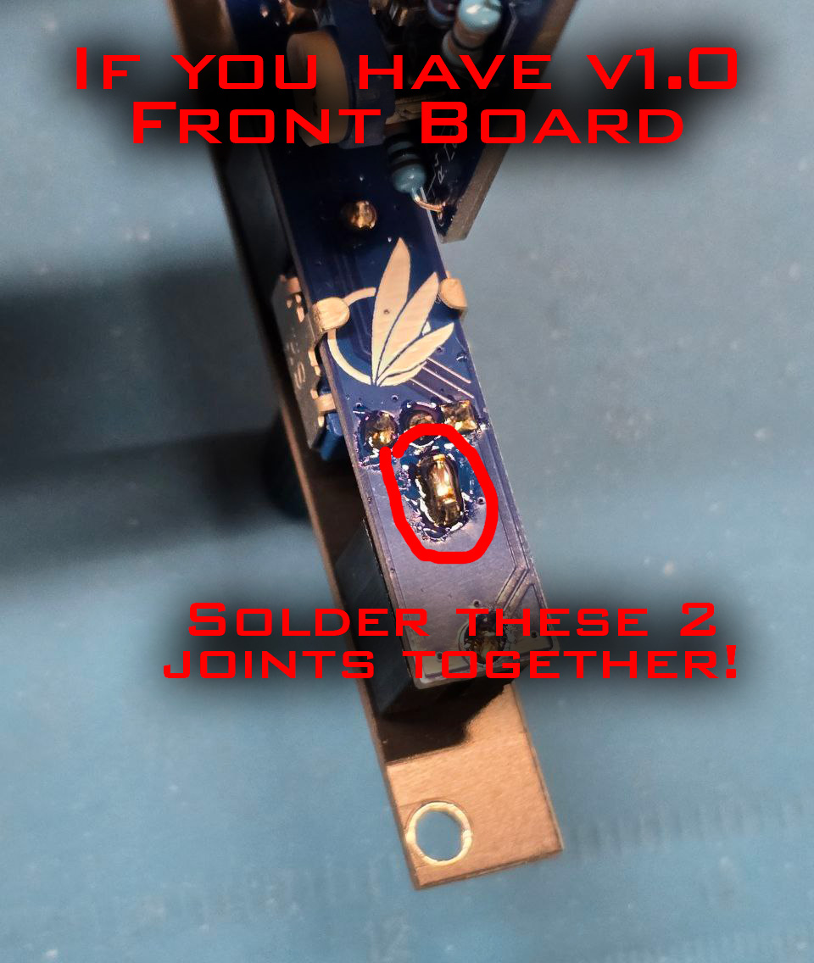
Avalon Harmonics VU
Qty | Value | Package | Ref | Description | Link | Alt Link
1 | 100 | R-0603 | R10 | Resistor SMD | https://www.tme.eu/de/en/details/smd0603-100r-1%25/smd-resistors/royalohm/0603saf1000t5e/
3 | 1k | R-0603 | R2, R3, R30 | Resistor SMD | https://www.tme.eu/de/en/details/smd0603-1k-1%25/smd-resistors/royalohm/0603saf1001t5e/
14 | 10k | R-0603 | R7-R9, R11, R12, R21-R28, R29* | Resistor SMD | https://www.tme.eu/de/en/details/smd0603-10k-1%25/smd-resistors/royalohm/0603saf1002t5e/
2 | 22k | R-0603 | R5, R13 | Resistor SMD | https://www.tme.eu/de/en/details/smd0603-22k-1%25/smd-resistors/royalohm/0603saf2202t5e/
2 | 100k | R-0603 | R1, R4 | Resistor SMD | https://www.tme.eu/de/en/details/smd0603-100k-1%25/smd-resistors/royalohm/0603saf1003t5e/
1 | 330k | R-0603 | R6 | Resistor SMD | https://www.tme.eu/de/en/details/smd0603-330k-1%25/smd-resistors/royalohm/0603saf3303t5e/
1 | B20k | G43BT | T_LED** | Trimmer SMD | https://www.tme.eu/de/en/details/g43bt-b203/single-turn-smd-trimmers/tocos/
1 | B100k | G43BT | T_GAIN*** | Trimmer SMD | https://www.tme.eu/de/en/details/g43bt-b104/single-turn-smd-trimmers/tocos/
1 | 47pF | C-0603 | C7 | Ceramic Capacitor SMD | https://www.tme.eu/de/en/details/06035a470kat2a/mlcc-smd-capacitors/kyocera-avx/
4 | 0.1uF | C-0603 | C3, C4, C5, C6 | Ceramic Capacitor SMD | https://www.tme.eu/de/en/details/0603b104k500ct/mlcc-smd-capacitors/walsin/
1 | 10uF | E-4x5.4mm | C8 | Electrolytic Capacitor SMD | https://www.tme.eu/de/en/details/vb1e100mb054000ce0/smd-electrolytic-capacitors/changzhou-huawei-electronic/
2 | 47uF | E-6.3x5.3mm | C1, C2 | Electrolytic Capacitor SMD | https://www.tme.eu/de/en/details/sc1e476m6l005vr/smd-electrolytic-capacitors/samwha/
2 | FM4001 | SOD123F | D1, D2 | Rectifier Diode SMD | https://www.tme.eu/de/en/details/fm4001-lge/smd-universal-diodes/luguang-electronic/fm4001/
4 | 1N4148W | SOD123F | D3, D4, D5, D6 | Switching Diode SMD | https://www.tme.eu/de/en/details/1n4148w-dio/smd-universal-diodes/diotec-semiconductor/1n4148w/
1 | IC Socket | DIP-18 Socket | U1 | IC Socket | https://www.tme.eu/de/en/details/icvt-18p/standard-dip-sockets/connfly/ds1009-18at1nx-0a2/ | https://www.aliexpress.com/item/1005003256812123.html
2 | TL074 | SO14 | U2, U3 | Quad Op Amp SMD | https://www.tme.eu/de/en/details/tl074bcdt/smd-operational-amplifiers/stmicroelectronics/
1 | LM391x**** | DIP-18 | U1 | VU LED Driver | https://www.aliexpress.com/item/33015029695.html
1 | 78L05 | SOT89 | U4 | Voltage Regulator 5V SMD | https://www.tme.eu/de/en/details/l78l05abutr/fixed-voltage-regulators/stmicroelectronics/
5 | OSY5PA3NE4A | LED 3mm Flat | LD1-LD5 | LED Yellow | https://www.tme.eu/de/en/details/osy5pa3ne4a/tht-leds-round/optosupply/
3 | OSO5PA3NE4A | LED 3mm Flat | LD6, LD7, LD8 | LED Orange | https://www.tme.eu/de/en/details/oso5pa3ne4a/tht-leds-round/optosupply/
2 | OSR5PA3NE4A | LED 3mm Flat | LD9, LD10 | LED Red | https://www.tme.eu/de/en/details/osr5pa3ne4a/tht-leds-round/optosupply/
1 | A1M | Pot 9mm Tall Trimmer | P_HOLD | Potentiometer Plastic | https://www.thonk.co.uk/shop/ttpots/
3 | Thonkiconn | PJ398SM | J_IN*****, J_PEAK, J_OUT | Audio Jack | https://www.thonk.co.uk/shop/thonkiconn/
3 | 1x6 | Male Header 2.54mm Angled | J_B1******, J_B2******, J_B3****** | Header Connector | https://www.tme.eu/de/en/details/zl211-40kg-s/pin-headers/connfly/ds1022-1-40ruf11/
1 | 1x2 | Male Header 2.54mm Angled | J_BAR | Header Connector | https://www.tme.eu/de/en/details/zl211-40kg-s/pin-headers/connfly/ds1022-1-40ruf11/
1 | 1x5 | Male Header 2.54mm Angled | PWR | Header Connector | https://www.tme.eu/de/en/details/zl211-40kg-s/pin-headers/connfly/ds1022-1-40ruf11/

1 | Black | Pushernut |  | Jack Nut | https://pushermanproductions.com/product/black-smooth-edge-jack-nuts-pack-of-25/
2 | Gold | Pushernut |  | Jack Nut | https://pushermanproductions.com/product/pushernuts-gold-smooth-edge-jack-nuts-pack-of-25/
1 | Black | Thonk Trimmer Topper |  | Trimmer Knob | https://www.thonk.co.uk/shop/tall-trimmer-toppers/
1 | Black | Jumper 2.54mm |  | Jumper | https://www.aliexpress.com/item/1005001470793144.html

 | Parts with underline are on the front PCB!

 | * Resistors R21-R29 control the brightness of the LEDs. The LEDs chosen in combination with these resistor values ensure low power consumption.
 | ** Brightness of the last LED can be controlled using the T_LED trimmer.
 | *** Input gain can be adjusted using the T_GAIN trimmer. This does not affect the output of the OUT jack.
 | **** Use a different IC for different VU response cuirve! LM3915 and LM3916 might be difficult to find. See the list below. NOTE: I was supplied relabeled LM3914 chips when I ordered the other ones. They were essentially "fake".
 | ***** IMPORTANT: If you have v1.0 Front Board, please solder the 2 joints together like shown on the image below. Otherwise, a buzzing sound could be heard when nothing is plugged into the IN jack.
 | ****** Solder the plastic side of the angled header on the J_B side, and the metal on J_A side. Cut off the excess length.

Compatible LM391x ICs:
 | LM3914 - Linear response curve
 | LM3915 - Logarithmic response curve, each LED is 3dB
 | LM3916 - VU meter response curve, each LED corresponds to following dB levels: +3, +2, +1, 0, -1, -3, -5, -7, -10, -20

