Nucleus
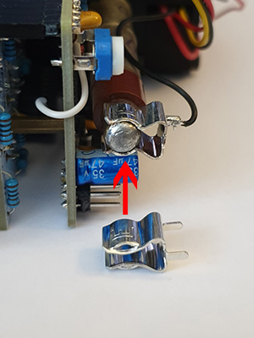
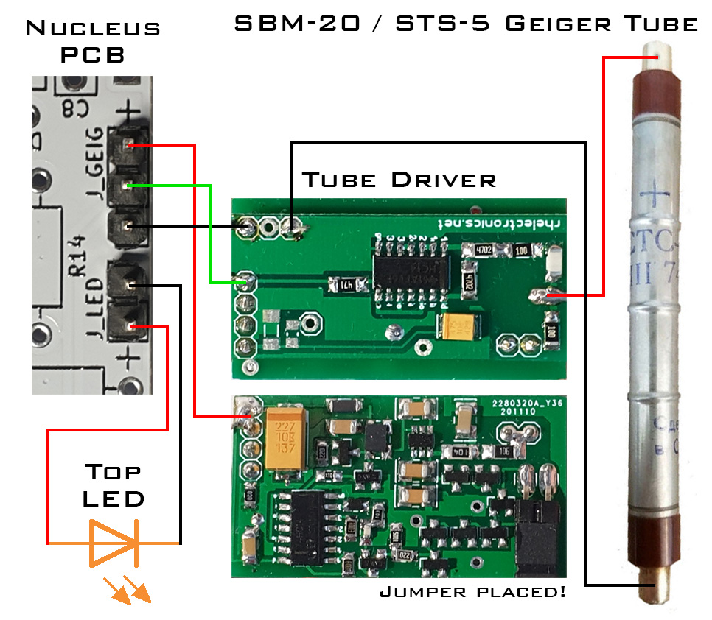
Qty | Value | Package | Ref | Description | Link
1 | 10 | R-W4 | R1 | Resistor THT | https://www.aliexpress.com/item/1005002670881002.html
1 | 220 | R-W4 | R5 | Resistor THT | https://www.aliexpress.com/item/1005002670881002.html
4 | 1k | R-W4 | R10, R11, R12, R14 | Resistor THT | https://www.aliexpress.com/item/1005002670881002.html
5 | 10k | R-W4 | R3, R4, R7, R8, R9 | Resistor THT | https://www.aliexpress.com/item/1005002670881002.html
2 | 120k | R-W4 | R2, R6 | Resistor THT | https://www.aliexpress.com/item/1005002670881002.html
1 | 1M | R-W4 | R13 | Resistor THT | https://www.aliexpress.com/item/1005002670881002.html
1 | B1M | 6mm Trimpot | T_TRIG | Trimmer THT | https://www.tme.eu/hr/en/details/rkt6v-1m/single-turn-tht-trimmers/sr-passives/
1 | 10nF | C-5mm | C8 | Capacitor Ceramic THT | https://www.tme.eu/hr/en/details/cm-10n/mlcc-tht-capacitors/sr-passives/
6 | 0.1uF | C-5mm | C2, C3, C4, C5, C6, C7 | Capacitor Ceramic THT | https://www.tme.eu/hr/en/details/cm-100n-x7r_100/mlcc-tht-capacitors/sr-passives/
1 | 10uF | E2.5-5* | C9 | Capacitor Polarized THT | https://www.thonk.co.uk/shop/eurorack-diy-essentials/
1 | 47uF | E2.5-6.3 | C1 | Capacitor Polarized THT | https://www.tme.eu/hr/en/details/jrg-47u_35/tht-electrolytic-capacitors/jb-capacitors/jrg1v470m02500630115000b/
1 | 1N4001 | DO-41 | D1 | Rectifier Diode | https://www.tme.eu/hr/en/details/1n4001-dio/tht-universal-diodes/diotec-semiconductor/1n4001/
4 | 1N4148 | DO-35 | D2, D3, D4, D5 | Switching Diode | https://www.tme.eu/hr/en/details/1n4148-dio/tht-universal-diodes/diotec-semiconductor/1n4148/
2 | IC Socket | DIP-8 Socket | U1, U2 | IC Socket | https://www.aliexpress.com/item/1005003256812123.html
2 | IC Socket | DIP-14 Socket | U3, U4 | IC Socket | https://www.aliexpress.com/item/1005003256812123.html
1 | LM358P | DIP-8 | U1** | Dual Op Amp FAST | https://www.tme.eu/hr/en/details/lm358p/tht-operational-amplifiers/texas-instruments/
1 | LM358 | DIP-8 | U2 | Dual Op Amp | https://www.tme.eu/hr/en/details/lm358n_nopb/tht-operational-amplifiers/texas-instruments/
1 | LM324 | DIP-14 | U3 | Quad Op Amp | https://www.tme.eu/hr/en/details/lm324n-ti/tht-operational-amplifiers/texas-instruments/lm324n/
1 | 74HC04 | DIP-14 | U4 | Hex Inverter | https://www.tme.eu/hr/en/details/cd74hc04e/gates-inverters/texas-instruments/
1 | 78L05 | TO-92 Wide | U5 | Voltage Regulator 5V | https://www.tme.eu/hr/en/details/l78l05abz/unregulated-voltage-regulators/stmicroelectronics/
1 | B100k | Pot 9mm Alpha 6.35mm | P_TIME | Potentiometer Metal | https://www.thonk.co.uk/shop/alpha-9mm-pots/
4 | OSO5PA3HE4B | LED 3mm Flat | LD_CLICK, LD_GATE, LD_TRIG*** | LED Orange | https://www.tme.eu/hr/en/details/oso5pa3he4b/tht-leds-3mm/optosupply/
1 | SPDT ON-ON | Sub-Mini SPDT | SW_ON | Switch | https://www.thonk.co.uk/shop/sub-mini-toggle-switches/
3 | PJ398SM | PJ398SM | J_GATE, J_INV, J_TRIG | Audio Jack | https://www.thonk.co.uk/shop/thonkiconn/
2 | 1x6 | Male Header 2.54mm | J_A1, J_A2 | Header Connector | https://www.tme.eu/hr/en/details/zl201-40g/pin-headers/connfly/ds1021-1-40sf11-b/
2 | 1x6 | Female Header 2.54mm | J_B1, J_B2 | Header Connector | https://www.aliexpress.com/item/1005001557138121.html
1 | 1x3 | Male Header 2.54mm | J_GEIG | Header Connector | https://www.tme.eu/hr/en/details/zl201-40g/pin-headers/connfly/ds1021-1-40sf11-b/
1 | 1x2 | Male Header 2.54mm | J_LED | Header Connector | https://www.tme.eu/hr/en/details/zl201-40g/pin-headers/connfly/ds1021-1-40sf11-b/
1 | 2x5 | Male Header 2.54mm | PWR | Header Connector

2 | M2*5 | M2 Screw |  | Screw | https://www.aliexpress.com/item/32810872544.html
2 | M2 | M2 Nut |  | Nut | https://www.aliexpress.com/item/1005002177898963.html
2 | M2, 11mm | M2 Standoff |  | Standoff | https://www.aliexpress.com/item/1005002952338852.html
4 | M3*8 | M3 Screw |  | Screw - Plate to Front | https://www.tme.eu/hr/en/details/b3x8_bn7/bolts/bossard/1006614/
4 | M3*10 | M3 Screw |  | Screw - Middle to Front | https://www.tme.eu/hr/en/details/b3x10_bn272/bolts/bossard/1000047/
4 | M3*16 | M3 Screw |  | Screw - Back to Middle | https://www.tme.eu/hr/en/details/b3x16_bn272/bolts/bossard/1000071/

1 | KEYS8309 | Keystone LED Holder |  | LED Holder | https://www.tme.eu/hr/en/details/keys8309/holders/keystone/8309/
1 | 1x3 | Dupont Female Connector |  | Dupont Parts | https://www.tme.eu/hr/en/details/nsr-03/pin-headers/ninigi/
1 | 1x2 | Dupont Female Connector |  | Dupont Parts | https://www.tme.eu/hr/en/details/nsr-02/pin-headers/ninigi/
5 | - | Dupont Female Crimp |  | Dupont Parts | https://www.tme.eu/hr/en/details/ndr-t/pin-headers/ninigi/
2 | 6.3mm | Fuse Holder**** |  | Fuse Holder | https://hr.mouser.com/ProductDetail/Littelfuse/01240061H?qs=81r%252BiQLm7BSgqEC6g%252BUS9Q%3D%3D
x | - | Wires |  | For connecting everything

3 | Gold | Pushernut |  | Jack Nut | https://pushermanproductions.com/product/pushernuts-gold-smooth-edge-jack-nuts-pack-of-25/
1 | Black | Alpha 9mm Nut |  | Potentiometer Nut | https://www.thonk.co.uk/shop/alpha-nuts-washers/
1 | Black 6.35mm-Round | Aliexpress Knob 15mm |  | Potentiometer Knob | https://www.aliexpress.com/item/32965476651.html

1 | High Voltage Power Supply Module for 400V 500V Geiger Tube |  |  | Prebuilt Board | https://www.ebay.co.uk/itm/222197033139 | https://www.rhelectronics.store/high-voltage-geiger-probe-driver-power-supply-module-420v-550v-with-ttl-digitized-pulse-output
1 | Geiger Muller Counter Tube (SBM-20 or STS-5) |  |  | Geiger Tube | https://www.ebay.co.uk/itm/185419609093 | https://soviet-tubes.com/product/sbm20-sbm-20-geiger-muller-counter-is-designed-to-detect-hard-beta-and-gamma-radiation-in-radio-engineering-devices/

 | Parts in itallic are on the front PCB!

 | * Needs to be a low profile capacitor, max height of 8mm.
 | ** Needs to be an LM358P with a very fast slew rate. 0.3V/us works best, otherwise performance of the module is highly unstable.
 | *** One LED is used for the printed case.
 | **** The end stoppers on the fuse holders need to be cut off with flush cutters. This saves 1.4mm of vertical internal height, making the module easier to install. The leg on the side of the cut should be removed too. See photo below!

3D Printed Parts:
1 | Front | https://github.com/Thorinair/Avalon-Harmonics/blob/master/Modules/Nucleus/printable/Nucleus_Front.stl |  |  |  |  | Purchase in Etsy Store: | https://avalonharmonics.etsy.com/listing/1627685702/printed-parts-avalon-harmonics-nucleus
1 | Middle | https://github.com/Thorinair/Avalon-Harmonics/blob/master/Modules/Nucleus/printable/Nucleus_Middle.stl |  |  |  |  | Purchase in Etsy Store: | https://avalonharmonics.etsy.com/listing/1627685702/printed-parts-avalon-harmonics-nucleus
1 | Back | https://github.com/Thorinair/Avalon-Harmonics/blob/master/Modules/Nucleus/printable/Nucleus_Back.stl |  |  |  |  | Purchase in Etsy Store: | https://avalonharmonics.etsy.com/listing/1627685702/printed-parts-avalon-harmonics-nucleus
1 | Sub-Mini Washer | https://github.com/Thorinair/Avalon-Harmonics/blob/master/Misc/Modular_Washers/printable/Modular_Washers__SubMini_Switch.stl |  |  |  |  | Purchase in Etsy Store: | https://avalonharmonics.etsy.com/uk/listing/1640523986/printed-parts-20x-submini-switch-washers

 | Remove these end stoppers and leg on fuse holders! |  |  | Wiring Diagram

