Sheet1
test cases | test data | test result
show the tasks assigned to me due in one day | {'type': 'Summarize', 'generated_sql': "EXEC usp_DashboardMyScheduled\n@CompanyGuid = '6c50a17b-45b1-4e38-a0e5-4eb5a422e926',\n@startDate = '04-30-2024',\n@stopDate = '04-30-2024',\n@RequestingUserName = 'Gaurangs',\n@LanguageCultureCode = 'en-US',\n@orderBy = 'ScheduledDate DESC'", 'user_query': 'show the tasks assigned to me due in one day', 'generated text': 'Based on the data provided in the database, the following tasks are assigned to you and are due today: \\textbf{Task Name}: Inspection of Equipment \\textbf{Entity Table Name}: Equipment \\textbf{Event Type Name}: Inspection \\textbf{Name or Serial Number}: 239_12092023, DFG7934822 \\textbf{Event Template Name}: GHTESTEQ \\textbf{Assigned User Display Name}: gaurang The tasks are scheduled to be completed today, as shown in the database query output: <table border="1" cellpadding="5" cellspacing="0"> <tr> <th>Task Name</th> <th>Entity Table Name</th> <th>Event Type Name</th> <th>Name or Serial Number</th> <th>Event Template Name</th> <th>Assigned User Display Name</th> </tr> <tr> <td>Inspection of Equipment</td> <td>Equipment</td> <td>Inspection</td> <td>239_12092023</td> <td>GHTESTEQ</td> <td>gaurang</td> </tr> <tr> <td>Inspection of Equipment</td> <td>Equipment</td> <td>Inspection</td> <td>DFG7934822</td> <td>GHTESTEQ</td> <td>gaurang</td> </tr> <tr> <td>Annual</td> <td>Issue</td> <td>PROD_SR_123</td> <td>NaT</td> <td>QA</td> <td>gaurang</td> </tr> </table> Please note that the tasks are listed in the format of a table, with each task listed on a new row. The task name, entity table name, event type name, name or serial number, event template name, and assigned user display name are all highlighted in bold for easy identification.', 'generated data': '<table border="1" class="dataframe"><thead><tr style="text-align: right;"><th>ScheduledDate</th><th>EntityTableName</th><th>EventTypeName</th><th>NameOrSerial</th><th>EventTemplateName</th><th>AssignedUserDisplayName</th></tr></thead><tbody><tr><td>2024-04-30
display details about tasks assigned to me due in 3 days | {'type': 'Summarize', 'generated_sql': "EXEC usp_DashboardMyScheduled\n @CompanyGuid = '6c50a17b-45b1-4e38-a0e5-4eb5a422e926',\n @startDate = '04-30-2024',\n @stopDate = '04-27-2024',\n @LanguageCultureCode = 'en-US',\n @RequestingUserName = 'Gaurangs',\n @orderBy = 'ScheduledDate DESC'", 'user_query': 'display details about tasks assigned to me due in 3 days', 'generated text': 'Sure, here are the details of tasks assigned to you that are due in 3 days based on the data provided in the query: \\textbf{Task Details}: * Scheduled Date: 2024-04-30 * Entity Table Name: Equipment * Event Type Name: Inspection * Name or Serial: 239_12092023 * Event Template Name: GHTESTEQ * Assigned User Display Name: gaurang \\textbf{Task Details}: * Scheduled Date: 2024-04-30 * Entity Table Name: Equipment * Event Type Name: Inspection * Name or Serial: DFG7934822 * Event Template Name: GHTESTEQ * Assigned User Display Name: gaurang \\textbf{Task Details}: * Scheduled Date: NaT (Not Available) * Entity Table Name: Issue * Event Type Name: Inspection * Name or Serial: PROD_SR_123 * Event Template Name: Annual * Assigned User Display Name: gaurang Please note that the "NaT" task is not available as the scheduled date is not provided in the query.', 'generated data': '<table border="1" class="dataframe"><thead><tr style="text-align: right;"><th>ScheduledDate</th><th>EntityTableName</th><th>EventTypeName</th><th>NameOrSerial</th><th>EventTemplateName</th><th>AssignedUserDisplayName</th></tr></thead><tbody><tr><td>2024-04-30 00:00:00</td><td>Equipment</td><td>Inspection</td><td>239_12092023</td><td>GHTESTEQ</td><td>QA, gaurang (Gaurangs)</td></tr><tr><td>2024-04-30 00:00:00</td><td>Equipment</td><td>Inspection</td><td>DFG7934822</td><td>GHTESTEQ</td><td>QA, gaurang (Gaurangs)</td></tr><tr><td>NaT</td><td>Issue</td><td>Inspection</td><td>PROD_SR_123</td><td>Annual </td><td>QA, gaurang (Gaurangs)</td></tr></tbody></table>'}
Display details about my tasks that are due in one day | Final response generated. {'type': 'Summarize', 'generated_sql': "EXEC usp_DashboardMyScheduled \n@CompanyGuid = '6c50a17b-45b1-4e38-a0e5-4eb5a422e926', \n@startDate = '04-30-2024', \n@stopDate = '04-29-2024', \n@LanguageCultureCode = 'en-US', \n@RequestingUserName = 'Gaurangs', \n@orderBy = 'ScheduledDate DESC';", 'user_query': 'Display details about my tasks that are due in one day', 'generated text': 'Sure! Based on the data provided in the database, here are the tasks that are due today: \\textbf{Task Details} | Scheduled Date | Entity Table Name | Event Type Name | Name or Serial | Event Template Name | Assigned User Display Name | | --- | --- | --- | --- | --- | --- | | 2024-04-30 | Equipment | Inspection | 239_12092023 | GHTESTEQ | QA | gaurang | (Gaurangs) | | 2024-04-30 | Equipment | Inspection | DFG7934822 | GHTESTEQ | QA | gaurang | (Gaurangs) | | NaT | Issue | Inspection | PROD_SR_123 | Annual | QA | gaurang | (Gaurangs) | Note: NaT represents "Not Available" as there are no tasks due today.', 'generated data': '<table border="1" class="dataframe"><thead><tr style="text-align: right;"><th>ScheduledDate</th><th>EntityTableName</th><th>EventTypeName</th><th>NameOrSerial</th><th>EventTemplateName</th><th>AssignedUserDisplayName</th></tr></thead><tbody><tr><td>2024-04-30 00:00:00</td><td>Equipment</td><td>Inspection</td><td>239_12092023</td><td>GHTESTEQ</td><td>QA, gaurang (Gaurangs)</td></tr><tr><td>2024-04-30 00:00:00</td><td>Equipment</td><td>Inspection</td><td>DFG7934822</td><td>GHTESTEQ</td><td>QA, gaurang (Gaurangs)</td></tr><tr><td>NaT</td><td>Issue</td><td>Inspection</td><td>PROD_SR_123</td><td>Annual </td><td>QA, gaurang (Gaurangs)</td></tr></tbody></table>'}
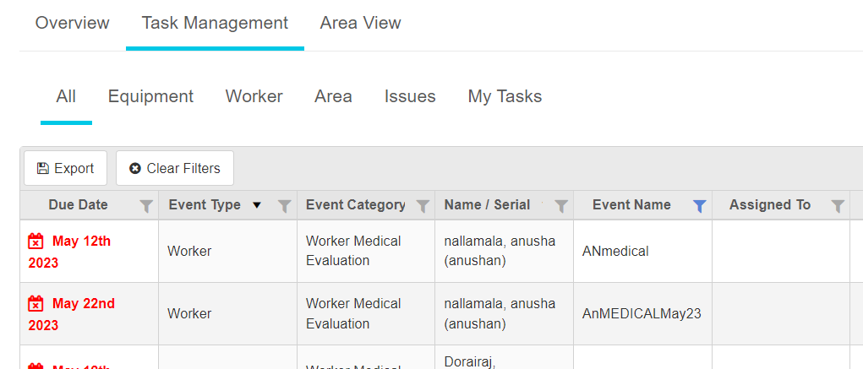
show details about all the checklists that are due in one month
show details about all the checklists that are due in one day
display details about all the checklists that are due

