Sheet1
Prompts shared by Rakesh | Query | Payload | Postman Output | Web Page | SSMS Output
Show me all my tasks | Show me all my tasks | { "userQuery": "Show me all my tasks", "sourcePlatform": "android", "preferredFormat": "html", "userName": "Darenkamp, Vinny (vdarenka)", "companyGuid":"8A656700-C6F0-444E-AA34-8377232D70F5", "s3Url": "" } | 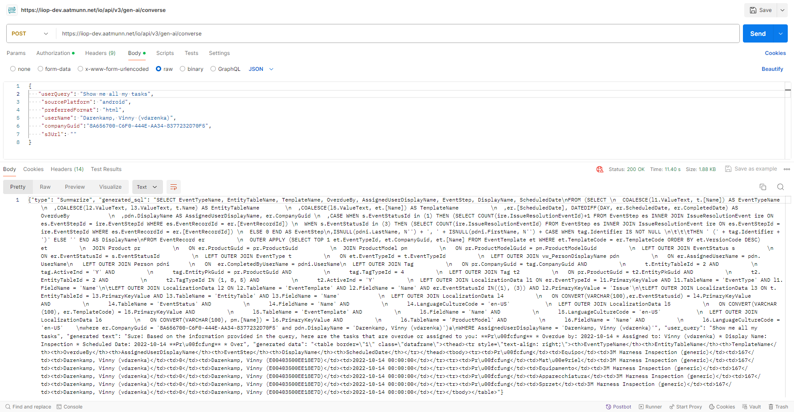
Show me tasks assigned to me | Show me tasks assigned to me | { "userQuery": "Show me tasks assigned to me", "sourcePlatform": "android", "preferredFormat": "html", "userName": "Darenkamp, Vinny (vdarenka)", "companyGuid":"8A656700-C6F0-444E-AA34-8377232D70F5", "s3Url": "" } | 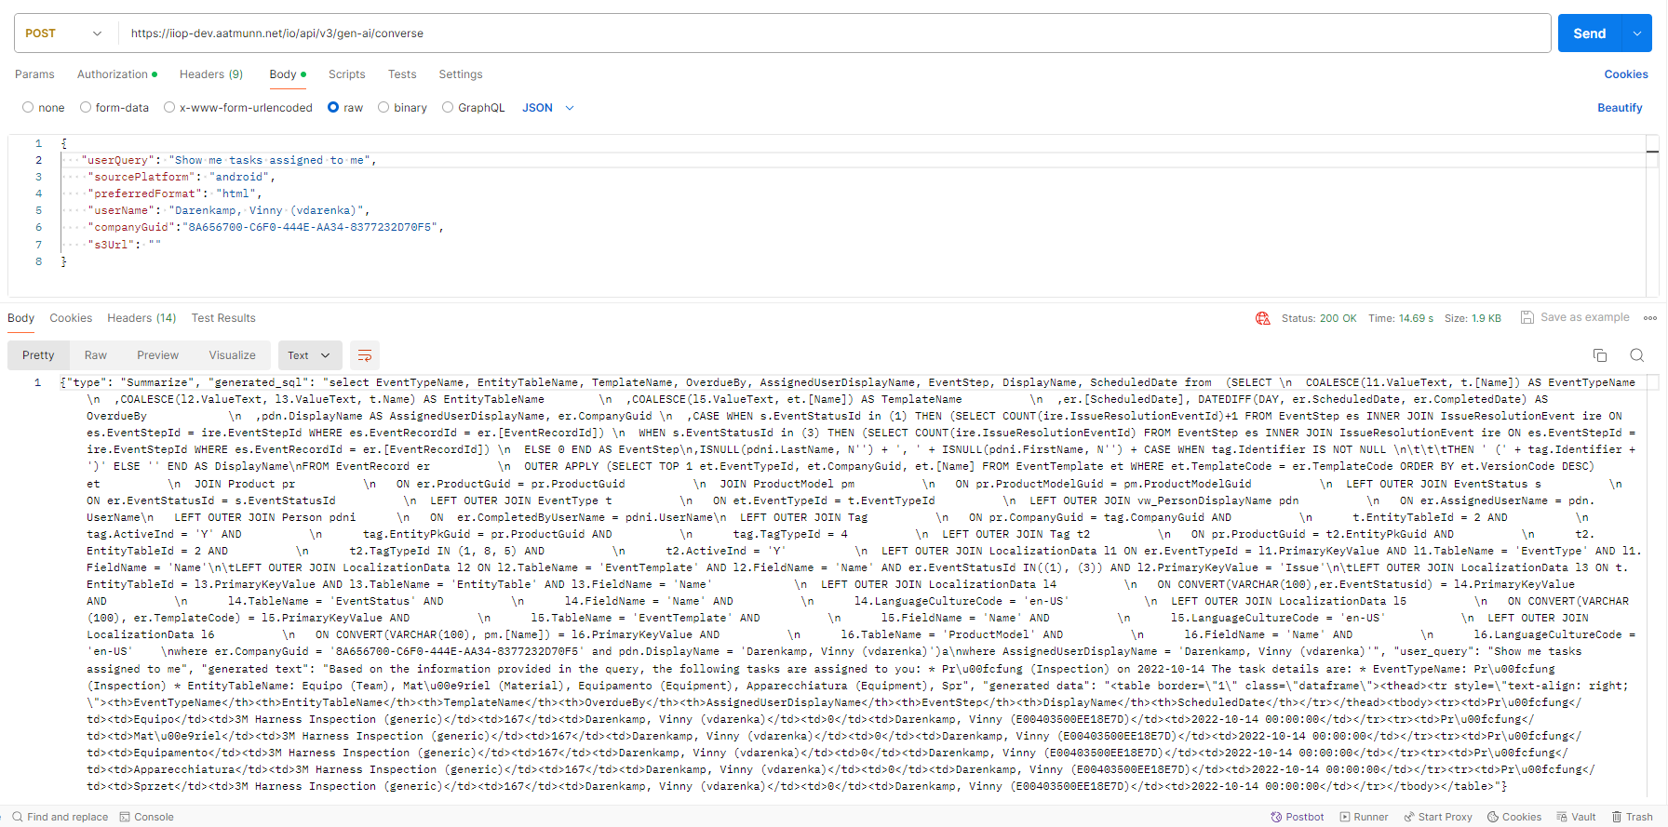
Show me all equipment inspections | Show me all equipment inspections | { "userQuery": "Show me all equipment inspections", "sourcePlatform": "android", "preferredFormat": "html", "userName": "Jennifer.Seymour@EVO", "companyGuid":"70F0677F-8A39-474F-95AE-3A3F33BC1457 ", "s3Url": "" } | 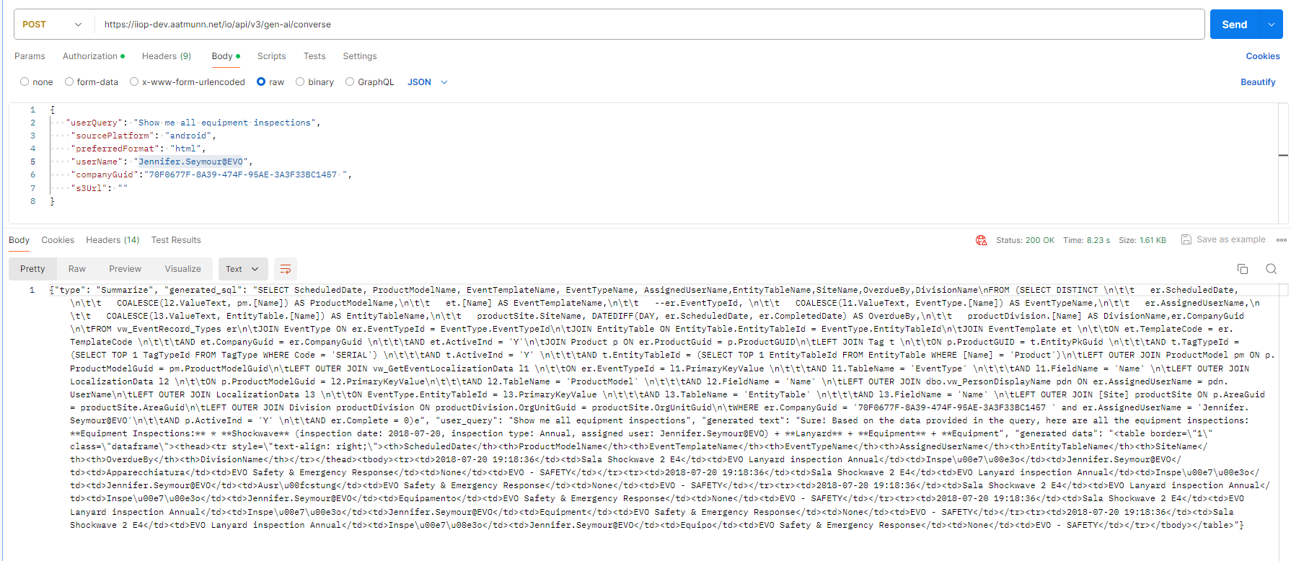
Show me issues assigned to me | Show me issues assigned to me | { "userQuery": "Show me issues assigned to me", "sourcePlatform": "android", "preferredFormat": "html", "userName": "terence.bekker@ingredion.com", "companyGuid":"2AA5D5C1-D824-4A0D-980E-1B0E6CF62FBA", "s3Url": "" } | 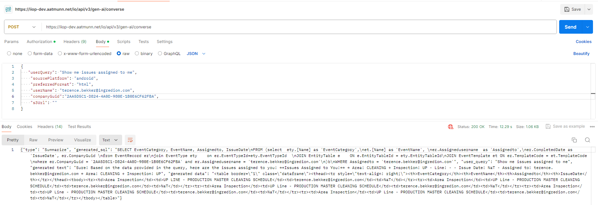 | 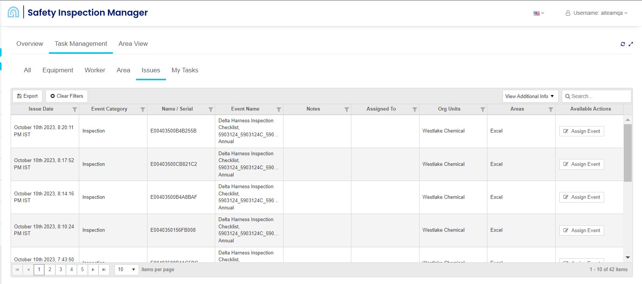
Show me all area inspections | Show me all area inspections | { "userQuery": "Show me all area inspections", "sourcePlatform": "android", "preferredFormat": "html", "userName": "terence.bekker@ingredion.com", "companyGuid":"2AA5D5C1-D824-4A0D-980E-1B0E6CF62FBA", "s3Url": "" } | 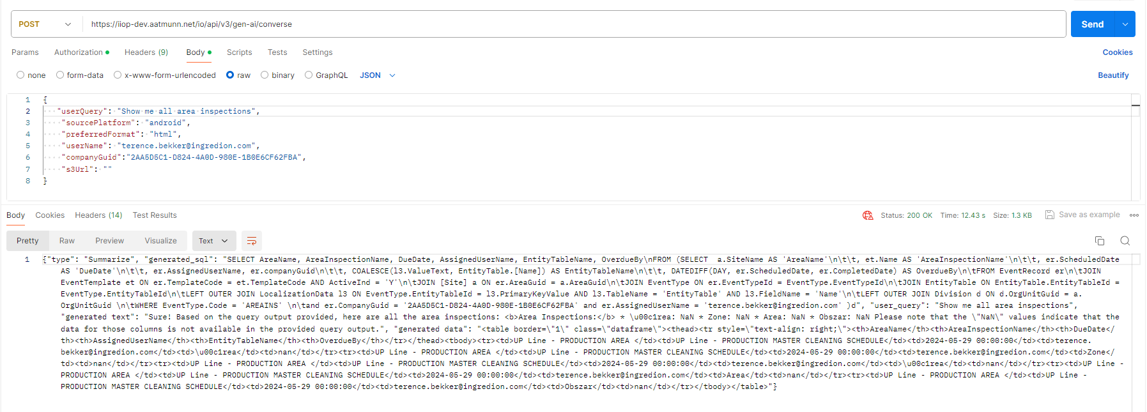
Show me all my overdue tasks | Show all my overdue tasks | { "userQuery": "Show all my overdue tasks", "sourcePlatform": "android", "preferredFormat": "html", "userName": "Darenkamp, Vinny (vdarenka)", "companyGuid":"8A656700-C6F0-444E-AA34-8377232D70F5", "s3Url": "" } | 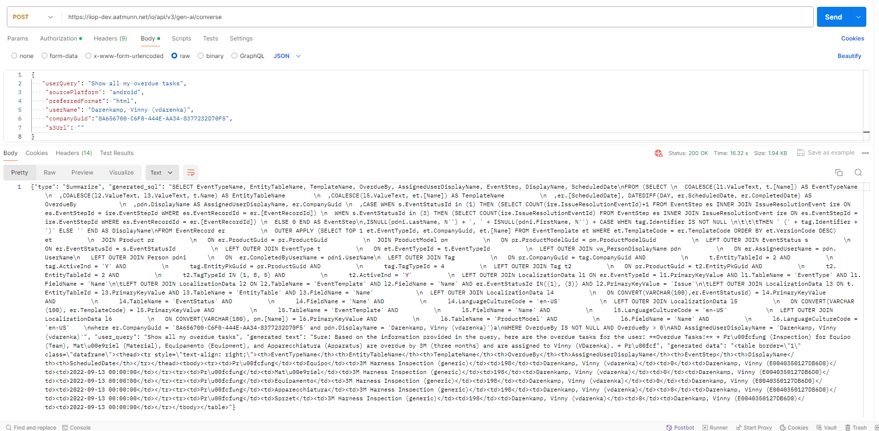
Show me all my upcoming tasks for next 1 day | Show me all my upcoming tasks for next 1 day | { "userQuery": "Show me all my upcoming tasks for next 1 day", "sourcePlatform": "android", "preferredFormat": "html", "userName": "Senga, Tom (004123)", "companyGuid":"041C8CD5-6389-46FD-A14C-D2C55AB1A0C4", "s3Url": "" } | 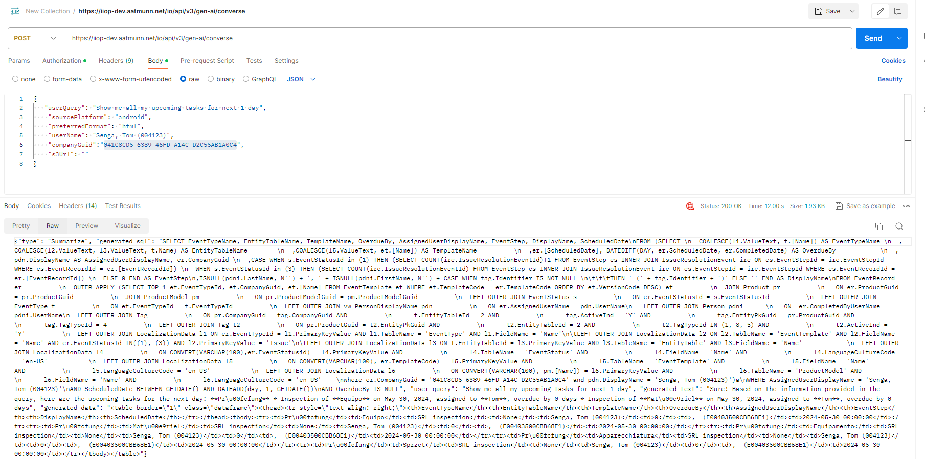
Show me all my upcoming tasks for the next week | Show all my upcoming tasks for the next week | { "userQuery": "Show all my upcoming tasks for the next week", "sourcePlatform": "android", "preferredFormat": "html", "userName": "Schweers, Eddie (eddie.schweers@logan-aluminum.com)", "companyGuid":"FE626C44-7EAD-4348-A297-E651A089D48E", "s3Url": "" } | 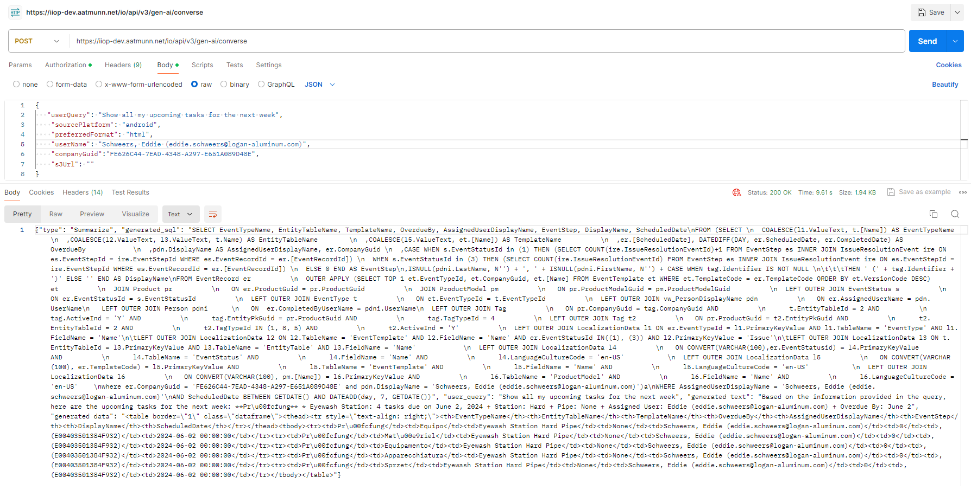
Show me all overdue tasks for area <Area Name> | Show me all overdue area inspections for area Mill Room | { "userQuery": "Show me all overdue area inspections for area Mill Room", "sourcePlatform": "android", "preferredFormat": "html", "userName": "bryce.dickerson", "companyGuid":"43DA7ECF-3B0B-4FB9-80B3-74D2A993B4CC", "s3Url": "" } | 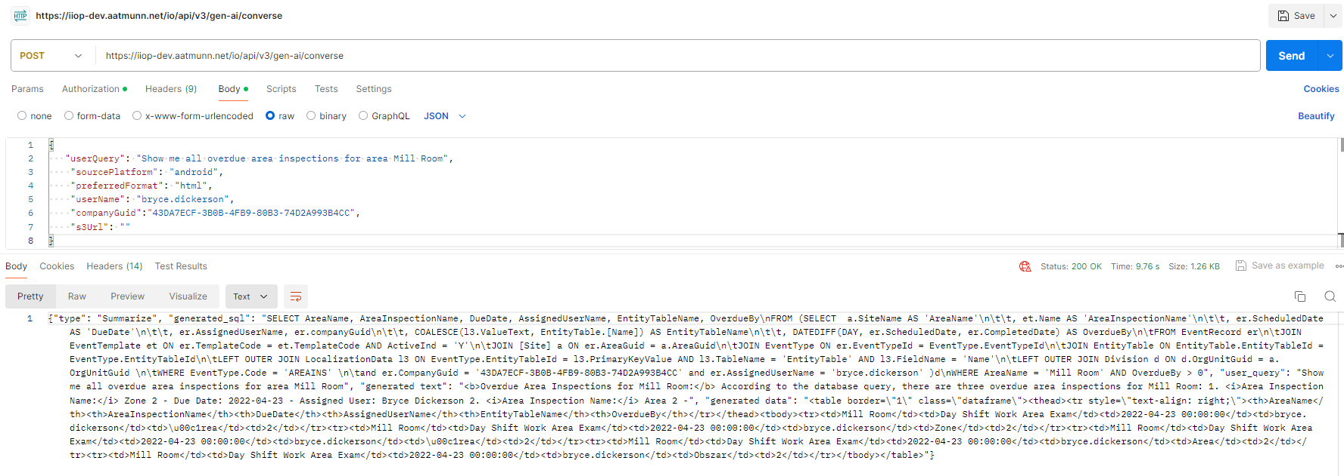
Show me all area inspections due | Show me all overdue area inspections | { "userQuery": "Show me all overdue area inspections", "sourcePlatform": "android", "preferredFormat": "html", "userName": "bryce.dickerson", "companyGuid":"43DA7ECF-3B0B-4FB9-80B3-74D2A993B4CC", "s3Url": "" } | 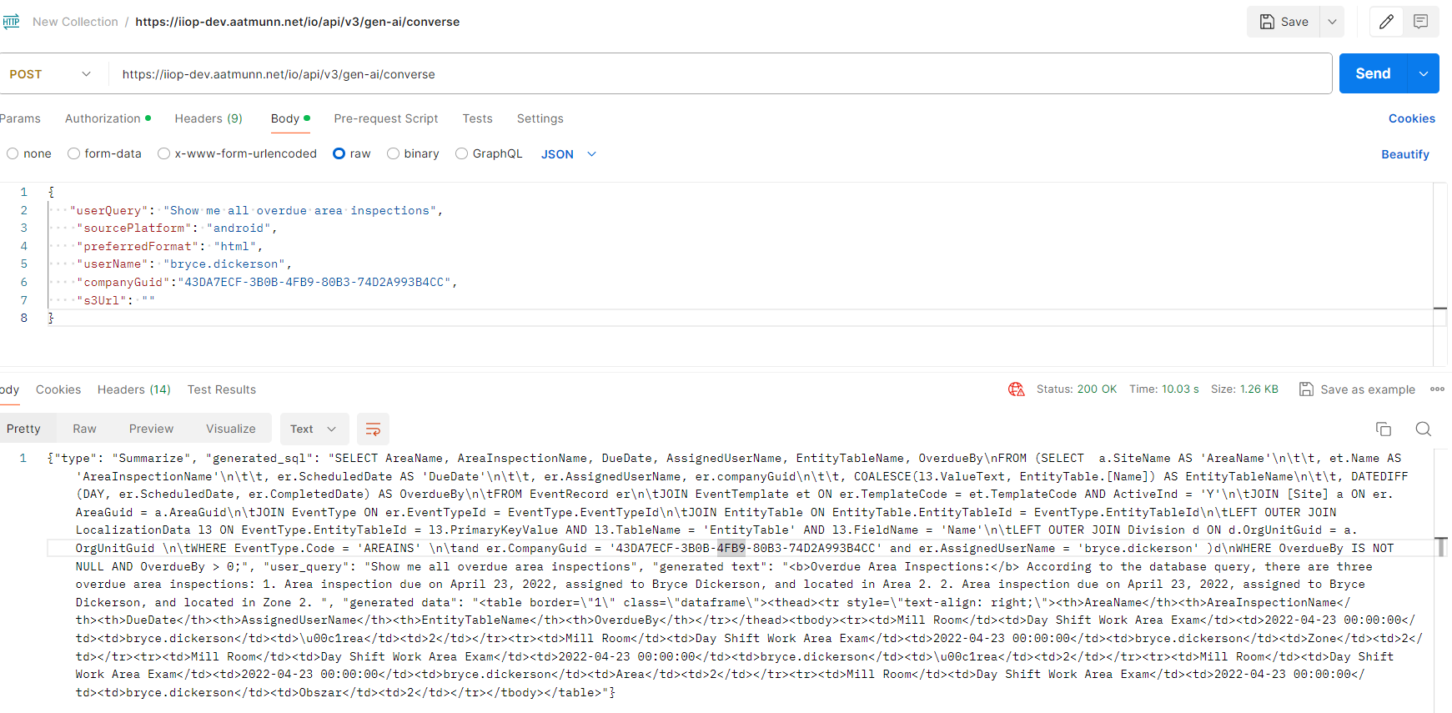
Show me a list of equipment that failed the last inspection | Show me a list of failed equipment checklist | { "userQuery": "Show me a list of failed equipment checklist", "sourcePlatform": "android", "preferredFormat": "html", "userName": "bryce.dickerson", "companyGuid":"AA8D17F9-B773-4395-B56E-A975BB027132", "s3Url": "" } | 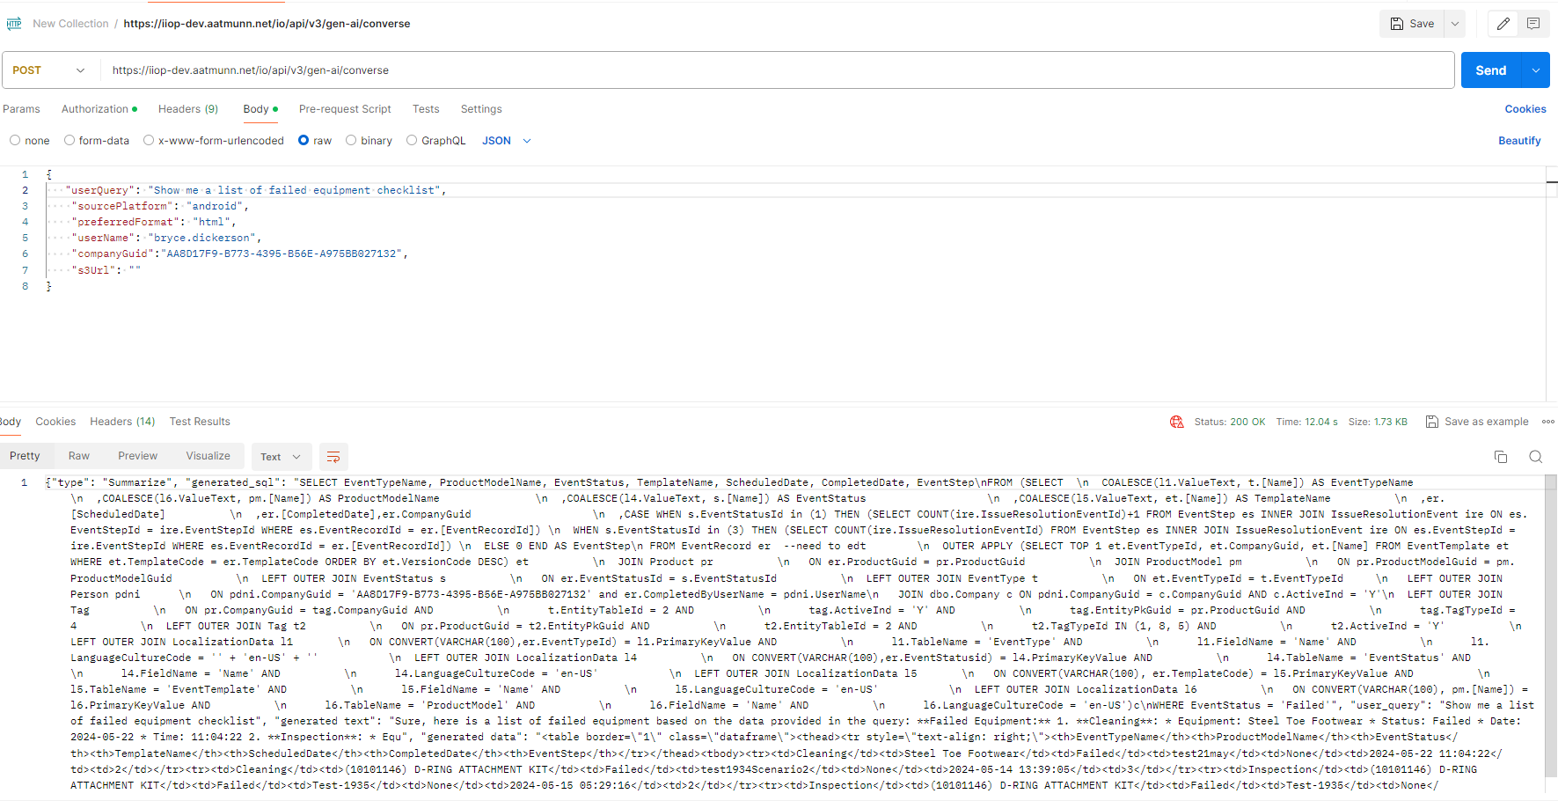
Show me a list of equipment that have missed their scheduled inspection | Show me a list of equipment checklist that have missed their scheduled inspection | Waiting for Anurodh to share the company guid and username which will populate data
Show me a list of equipment that have overdue inspections | Show me all overdue equipment inspections | Waiting for Anurodh to share the company guid and username which will populate data
Show me a list of all equipment that were inspected in last x days / weeks / months / years | Show me a list of all equipment checklist that were inspected in last 10 days | { "userQuery": "Show me a list of all equipment checklist that were inspected in last 10 days", "sourcePlatform": "android", "preferredFormat": "html", "userName": "bryce.dickerson", "companyGuid":"8F180716-AB89-4EAB-B5EA-0658CF3CA66B", "s3Url": "" } | 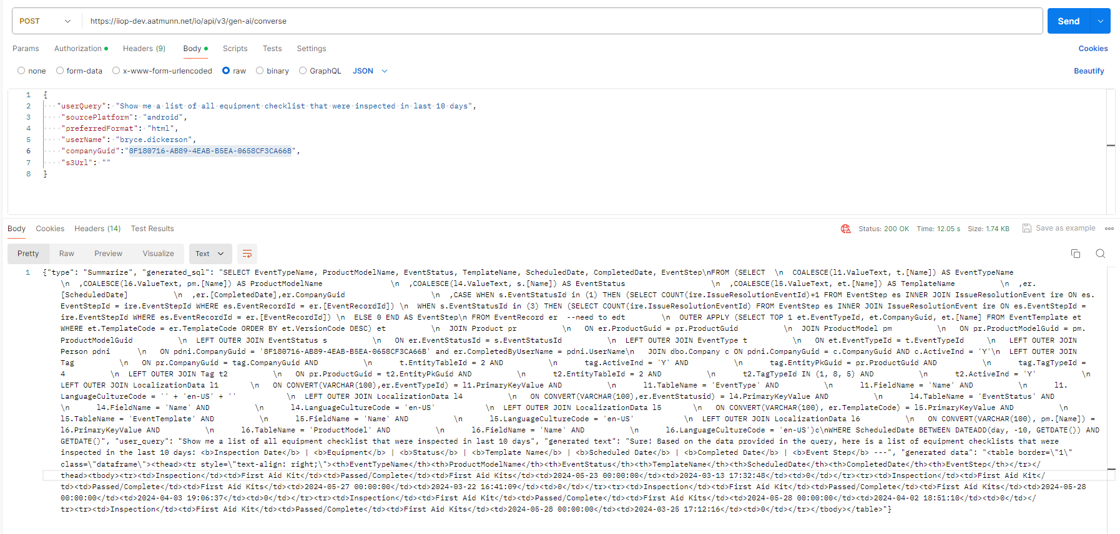
Show me a list of all equipment inspections (or checklists) that were completed in last x days / weeks / months / years | Show me a list of all completed equipment checklist in last one month | { "userQuery": "Show me a list of all completed equipment checklist in last one month", "sourcePlatform": "android", "preferredFormat": "html", "userName": "bryce.dickerson", "companyGuid":"00D4841E-6AF2-4E25-991A-00CE39918BB1", "s3Url": "" } | 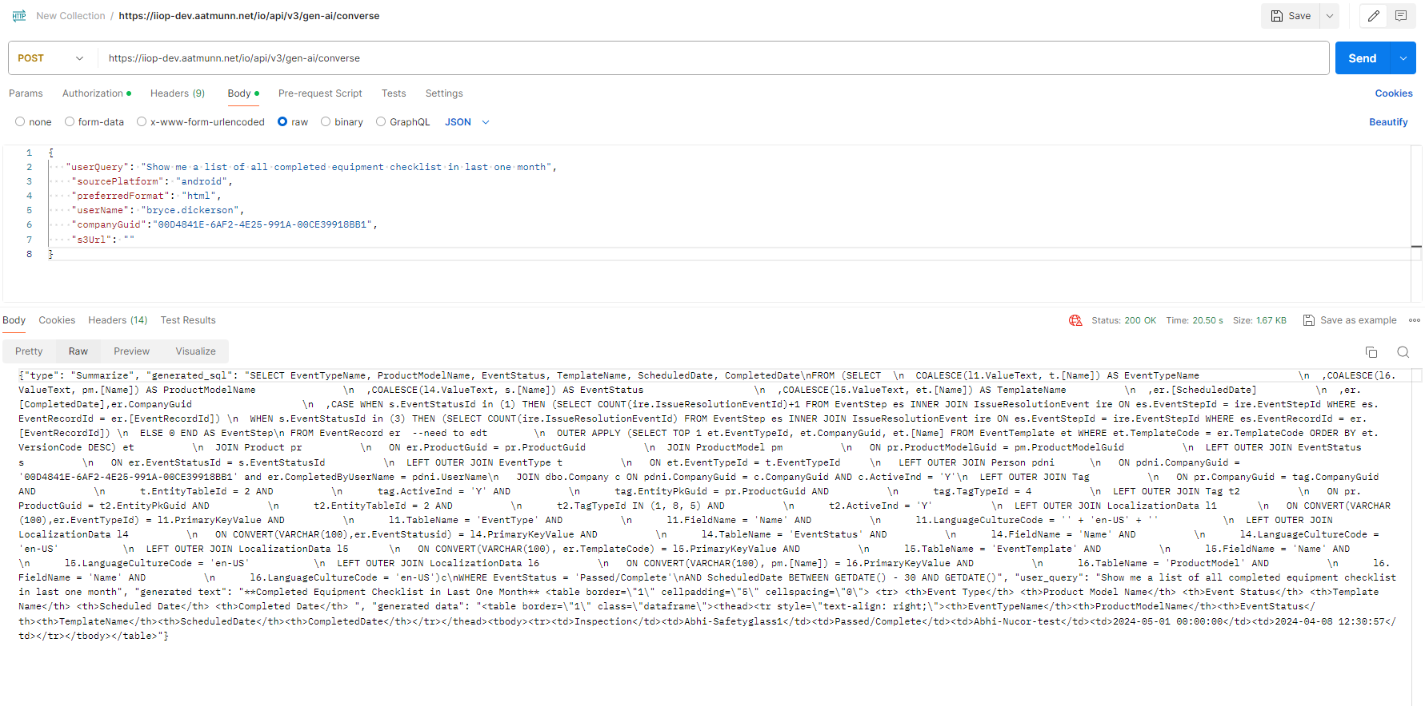
Show me a list of all area inspections (or checklists) that were completed in last x days / weeks / months / years | Show me a list of all completed area checklists in last one month | { "userQuery": "Show me a list of all completed area checklists in last one month", "sourcePlatform": "android", "preferredFormat": "html", "userName": "bryce.dickerson", "companyGuid":"AA8D17F9-B773-4395-B56E-A975BB027132", "s3Url": "" } | 