Φύλλο1



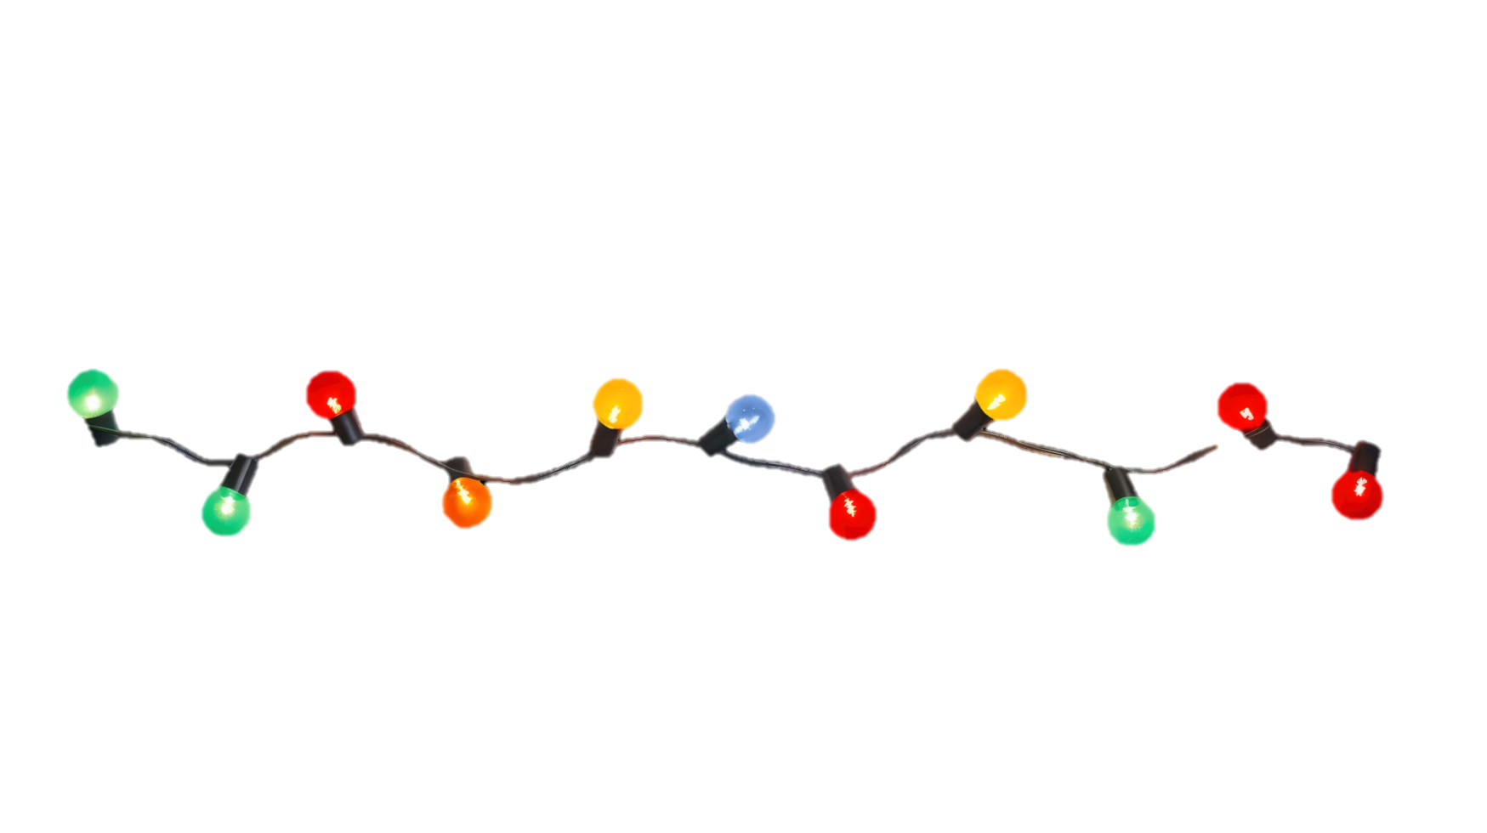


 | I have a little present for you

You are my sunshine, my only sunshine | FLAG :

