Hypothesis Energy efficiency
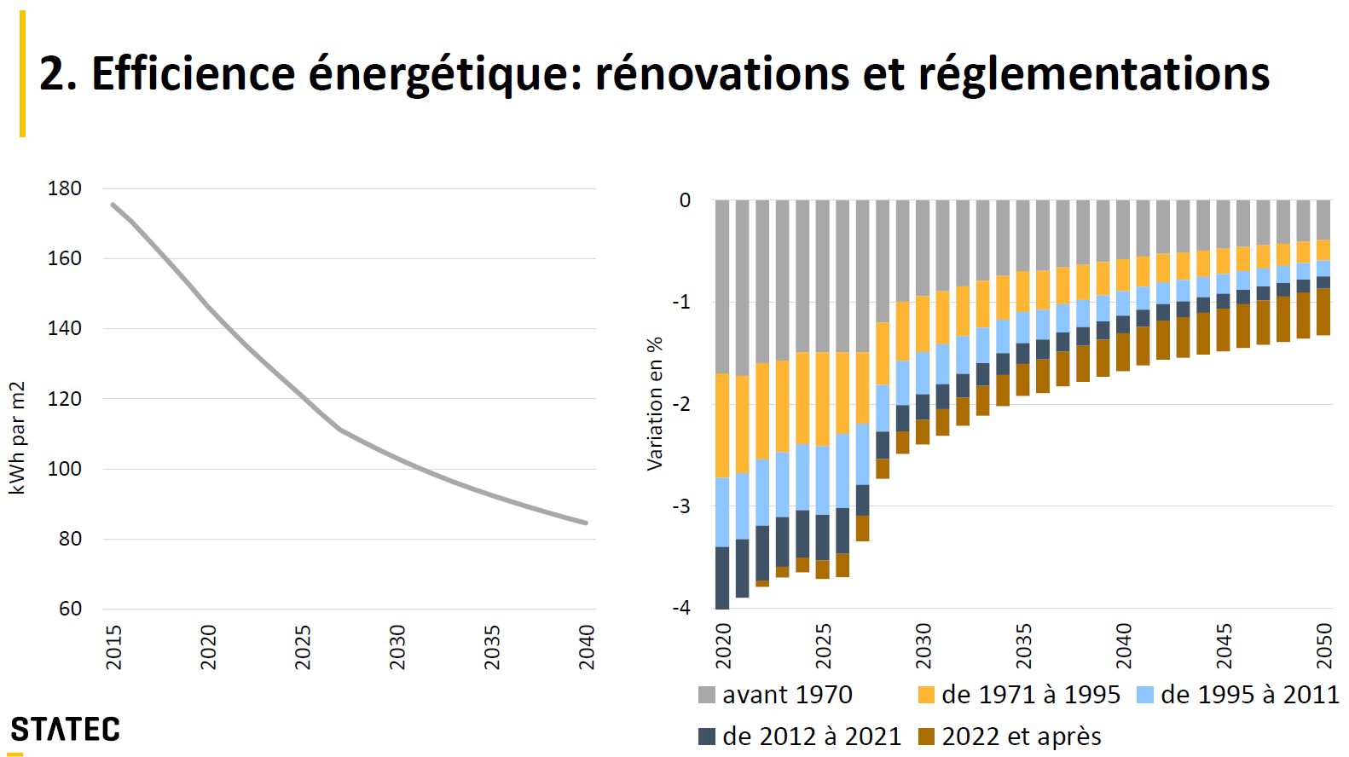
https://www.odyssee-mure.eu/publications/efficiency-trends-policies-profiles/luxembourg.html

 | 2020 | 2018 | Annual growth rate
Total | 100 | 75.1 | -1.58%
Transport | 100 | 95.7 | -0.24%
Residential | 100 | 64.6 | -2.40%
Services | 100 | 53 | -3.47%
Industry | 100 | 50.7 | -3.70%

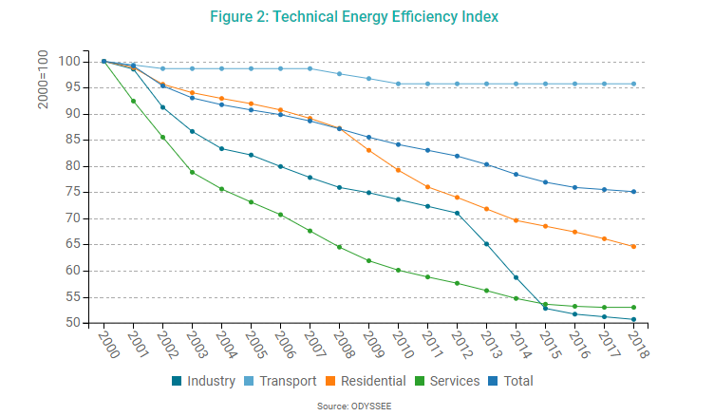

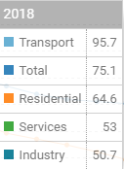

Tom Haas (2022), Projections macro démographiques et des émissions du secteur des bâtiments résidentiels, Colloque Mesurer et modéliser la transition écologique (29-30 juin 2022).
P. 34: Efficience énergétique: rénovations et réglementations
# 2015: 177 kWh par m2
# 2040: 83 kWh par m2
Average annual growth rate | 0.030755846829
 | 2020 | 2040 | 2050
Annual growth rate | -0.04 |  | -0.016

