Products with Images
Part Number/SKU | Brand/Manufacturer | Product Description | Discounted Price (AED) | Quantity Available | Image URL | Image
7005 | Aruba | Aruba 7005 Mobility Controller | 510 | 12 | https://store.jfxtechnologies.com/wp-content/uploads/2019/03/Jual-Aruba-7005-Mobility-Controller.jpg | 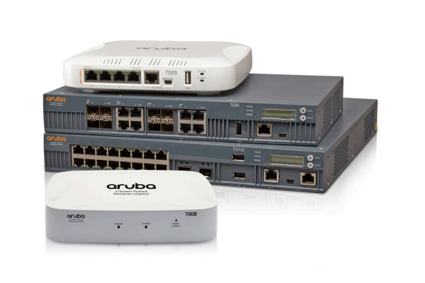
3400 | Aruba | Aruba 3400 Mobility Controller | 147 | 8 | http://amartastore.com/image/cache/data/20140182/Aruba+3400+Controller-600x800.jpg
AVE-W12S-6015B | Avoyo | 12U Wall mount Cabinet | 87 | 25 | https://www.pulsar.pl/img/produkty/RWD1266_1.png
9504 060U1000 | Belden | 9504 Multi-Conductor - Computer Cable for EIA RS-232 Applications | 32 | 50 | https://www.arco.gr/wp-content/uploads/2023/02/Belden-9504-Multi-Conductor-Cable.jpg
543945 009U1000 | Belden | 543945 Coax - Surveillance and CCTV Applications | 67 | 30 | https://www.alldatasheet.com/semiconductor/electronic_parts/datasheet/1828986/BELDEN/543945-009U1000.GIF | 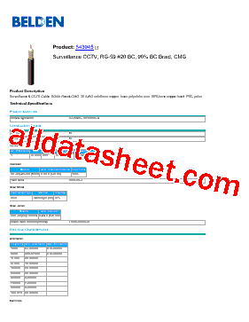
LBB1990/00 | Bosch | LBB 1990/00 Plena Voice Alarm Controller | 225 | 5 | https://www.sakthiavtronics.in/wp-content/uploads/2022/04/BOSCH-LBB-1990-Plena-Voice-Alarm-Controller-2.png

