Sheet1
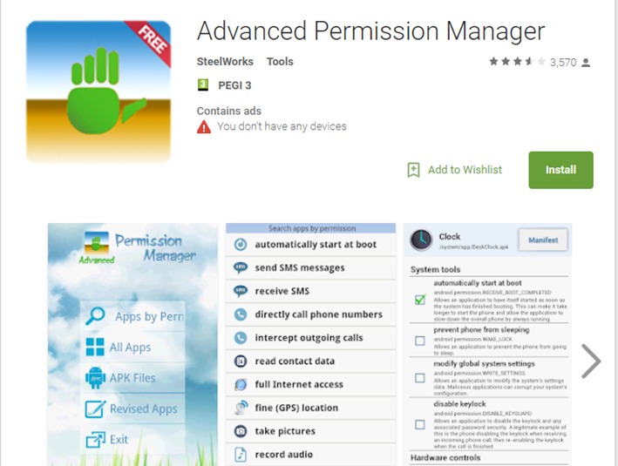
PROJECT ID | 40 | 41 |  | s
TITLE | Developing a Privacy Manager on Android Mobile | Recommender System for IoT privacy
PROPOSING | DIBRIS-AIMSLab | DIBRIS-AIMSLab
CONTACT | Ilaria Torre, Odnan Sanchez | Ilaria Torre, Odnan Sanchez
PHONE NUMBERS | ilaria.torre@unige.it, odnan.ref.sanchez@edu.unige.it | ilaria.torre@unige.it, odnan.ref.sanchez@edu.unige.it
KEYWORDS | Android, privacy, app developer | privacy, machine learning, IoT fitness data, recommender system
CONTEXT & MOTIVATIONS | In the advent of IoT, the number of user devices and apps have significantly increased. This also leads to the complexity of managing the privacy permissions for the users. The aim of this application is to support users by providing recommendations on their privacy settings and automatically grant/deny any app permisson request (notification pop-ups). | In the advent of IoT, the number of user personal information that are collected by IoT devices (e.g., Fitness trackers) have significantly increased. Such collected data might be also sensitive to the user. The aim of this project is to provide recommendations of user privacy settings using machine learning algorithms. These reccomendations support the user by capturing privacy settings that best describes them.
PROJECT DESCRIPTION | The job is to develop an application (prototype) that manages privacy permissions of the user apps in an android mobile. The app must be able to read and write android app permissions. It must also interrupt any app privacy permission request. Finally, it must be able to work in both the old (android 5.9 and below) and the new (android 6.0 and above) permission settings. | The job is to recommend privacy settings to the user. The main task is to derive privacy profiles which is composed of different privacy settings which can be recommended to the user. These profiles must be derived from a dataset of fitness tracker privacy settings (which will arrive in April, but we can generate a simulated dataset) using Machine Learning Algorithms (preferably Artificial Neural Network). Prior knowledge of Machine Learning is preferred.
DEVELOPMENT ENVIRONMENT / TOOLS USED | Java (or any other Android Language preferred) | Python, R, Matlab, or any statistics software preferred.
EXTERNAL REFERENCES | https://developer.android.com/guide/topics/permissions/overview.html
 | https://www.android-examples.com/manually-install-external-apk-files-android-emulator-android-studioeclipse/

STUDENT | Silvia Basso | Fabrizio Zavanone
Problem | • No. apps & IoT devices increase → increased no. of personal information access • complex management of privacy permission for each app & for each data type | • the number of privacy permissions increases due to IoT personal devices (e.g., fitness trackers) • it’s difficult and time consuming for users to set multiple permissions • optimal privacy settings that fits for every user do not exist
Goal | • enabling users to configure app privacy settings • automatically grant/deny app permission request (access notification) | • provide recommendations (profiles) of privacy settings to the user • use machine learning to identify privacy profiles (set of privacy permission setting)
MAIN TASK | 1) read/write Android Permission for each app 2)Take action (instead of the user) when a third-party app asks for data access | 1) derive privacy profiles using Machine Learning 2) find the optimum number of profiles 3) identify a subset of profiles which are best-suited for a given user | Conditions for students (preferably but not strictly): 1) having prior knowledge of Machine Learning 2) using Neural Network
 | Task 1: read/write Android Permission for each app 1) Create an app Tutorial: https://www.youtube.com/watch?v=mAJeK283j0I Need knowledge on: Android Studio and Java 2) retrieve Permissions for a given third party app (example Fitbit App) which is installed on the phone hints: a) hints on codes can be found with this app: https://play.google.com/store/apps/details?id=com.lb.app_manager b) https://stackoverflow.com/questions/5385957/how-to-get-apps-permission-for-each-app-how-to-do-it-programmatically-on-andro c) https://stackoverflow.com/questions/32822101/how-to-programmatically-open-the-permission-screen-for-a-specific-app-on-android d) https://stackoverflow.com/questions/37294242/how-to-get-all-granted-permissions-of-a-app 3) The App can set permissions for the Fitbit App hints: a) the same from above (a) b) https://developer.android.com/reference/android/app/admin/DevicePolicyManager.html#setPermissionGrantState(android.content.ComponentName c) https://stackoverflow.com/questions/22218339/modifying-installed-apps-permissions-android d) https://developer.android.com/reference/android/Manifest.permission.html#WRITE_SETTINGS Design: design and features are not needed. The strict requirement is just the things listed above | Task 1 : Use clustering using Artificial Neural Networks (ANNs) Originally, ANNs are used for classification (supervised learning). For unsupervised learning (such as our case), the most famous approach for clustering is the Self-Organizing Maps (SOM) by Kohnen Guide: 1) How can an artificial neural network ANN, be used for unsupervised clustering? https://stats.stackexchange.com/questions/140148/how-can-an-artificial-neural-network-ann-be-used-for-unsupervised-clustering 2) How can I use a neural network for clustering analysis? https://www.quora.com/How-can-I-use-a-neural-network-for-clustering-analysis Paper references: 1) Cluster Analysis and Neural Network http://dsp.vscht.cz/konference_matlab/MATLAB08/prispevky/025_dostal.pdf 2) CLustering: A Neural Network Approach https://www.sciencedirect.com/science/article/pii/S089360800900207X Matlab: http://it.mathworks.com/help/nnet/gs/cluster-data-with-a-self-organizing-map.html video tutorial: https://www.youtube.com/watch?v=1z5wDCubvV0 R: https://cran.r-project.org/web/packages/kohonen/index. https://cran.r-project.org/web/packages/som/index.html Python: https://github.com/ttlg/sompy Scikit-learn does not have SOM at the moment, but they have RBM but not for clustering http://scikit-learn.org/stable/modules/neural_networks_unsupervised.html
 | Task 2: Take action (instead of the user) when a third-party app asks for data access 1) Monitor runtime permission hints: a) https://stackoverflow.com/questions/30549561/how-to-check-grants-permissions-at-run-time 2) allow/deny permission instead of the user a) https://stackoverflow.com/questions/38568932/android-launch-app-show-can-modify-system-settings-dialog b) https://developer.android.com/reference/android/Manifest.permission.html#WRITE_SETTINGS | Task 2: find the optimum number of profiles This depends on your chosen approach. Usually, the optimum number of cluster, n, is the one with the smallest error for any n. 1) iterate each parameter in a loop. find the smallest error/biggest accuracy. 2) If error decreases as n increases, you can use the elbow method.
 |  | Task 3: identify a subset of profiles which are best-suited for a given user For a given unser input, choose which profile(s) best suits the user. 1) Find the strongest features from the clusters a) use feature selection algorithms b) plot the accuracy as you reduce features (identifiers) 2) Choose any classification algorithm (e.g., simple k-NN to label the incoming user)
 | Example of Task 1: retrieve the ff. Fitbit permissions
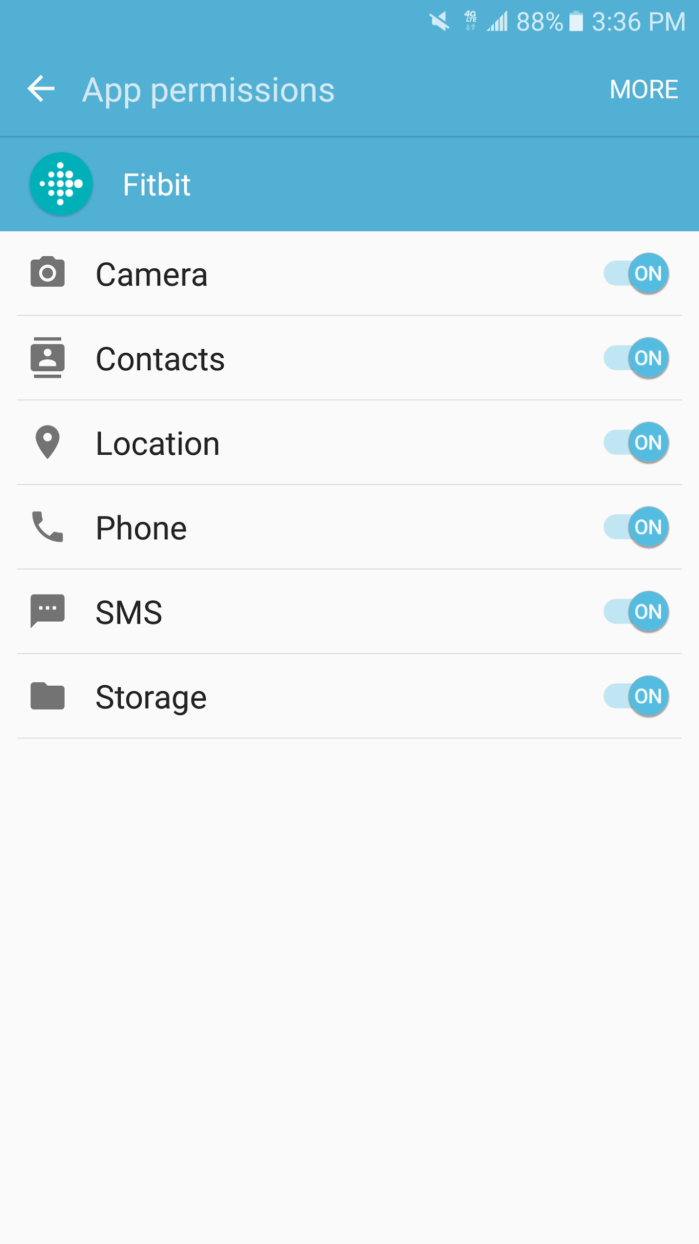
 |  | Example of profiles:

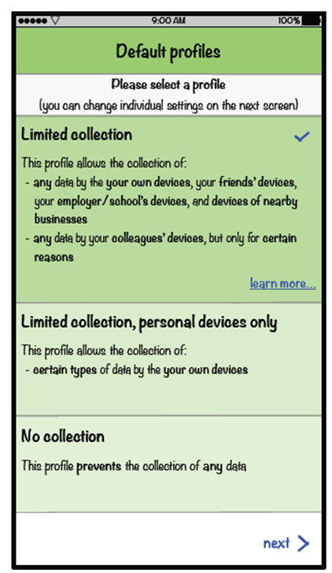

 | Example of Task 2 runtime permission: Deny/Allow permission
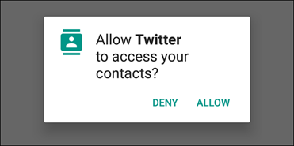

 | Check codes on this android manager

