Table1_Fig1
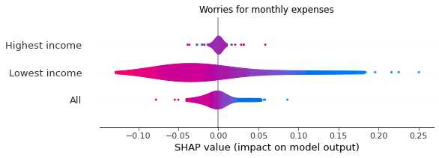
Financial worries | Increasing financial worries | SHAP value | Declining financial worries | SHAP value | Effects
Worries about not having enough money for monthly expenses or bills
Highest income group | slow down the economic growth rate | -0.003 | push up the economic growth rate | 0.019 | Negative left skewed effects
Lowest income group | slow down the economic growth rate | -0.038 | push up the economic growth rate | 0.123 | Negative left skewed effects
All income group |  | -0.010 |  | 0.038 | Negative left skewed effects
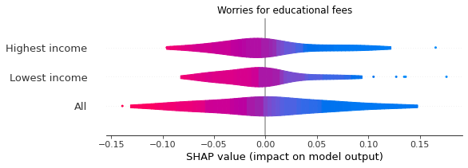
Worries about not being able to pay school fees or fees for education
Highest income group | slow down the economic growth rate | -0.024 | push up the economic growth rate | 0.071 | Negative left skewed effects
Lowest income group | slow down the economic growth rate | -0.021 | push up the economic growth rate | 0.068 | Negative left skewed effects
All income group |  | -0.037 |  | 0.068 | Negative left skewed effects
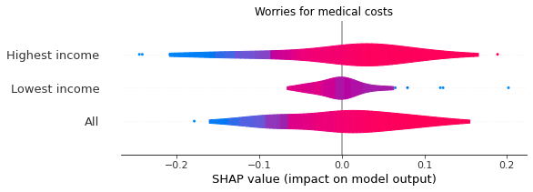
Worries about not being able to pay for medical cost in case of a serious illness or acciendent
Highest income group | push up the economic growth rate | 0.061 | Noise |  | Noise
Lowest income group | Noise |  | Noise |  | Noise
All income group | push up the economic growth rate | 0.064 | Noise |  | Noise
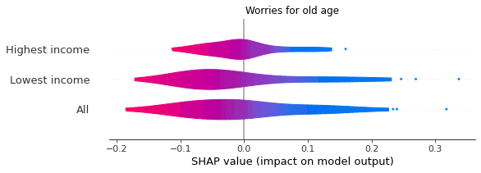
Worries about not having enough money for old age
Highest income group | slow down the economic growth rate | -0.029 | push up the economic growth rate | 0.082 | Negative left skewed effects
Lowest income group | slow down the economic growth rate | -0.058 | push up the economic growth rate | 0.140 | Negative left skewed effects
All income group |  | -0.056 |  | 0.114 | Negative left skewed effects

Fig3
