Feuil1
Navigation

Home Page | map Page | building page | add page |  | inscription page | connexion page | userAccount page
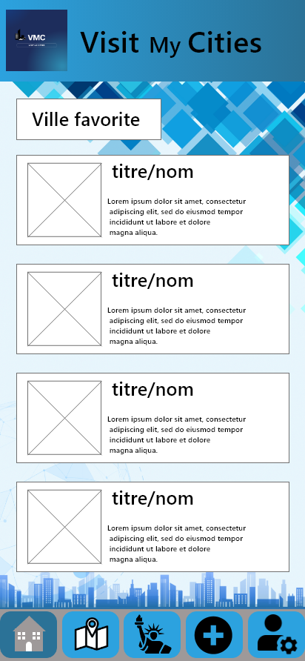 | 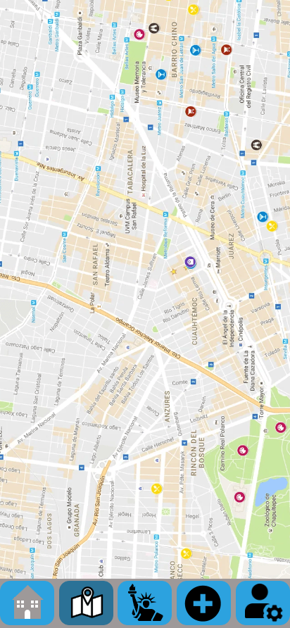 | 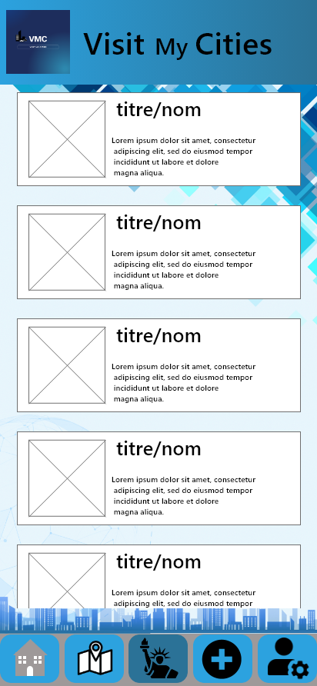 |  |  | 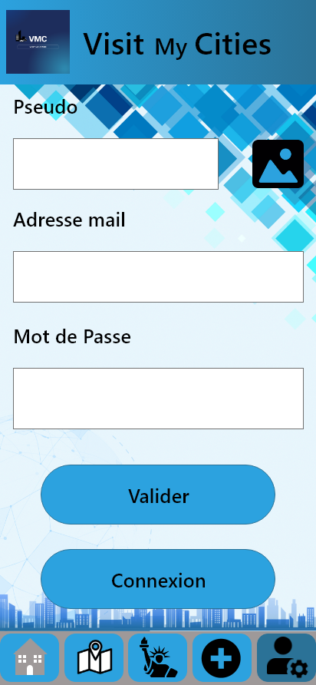 |  | 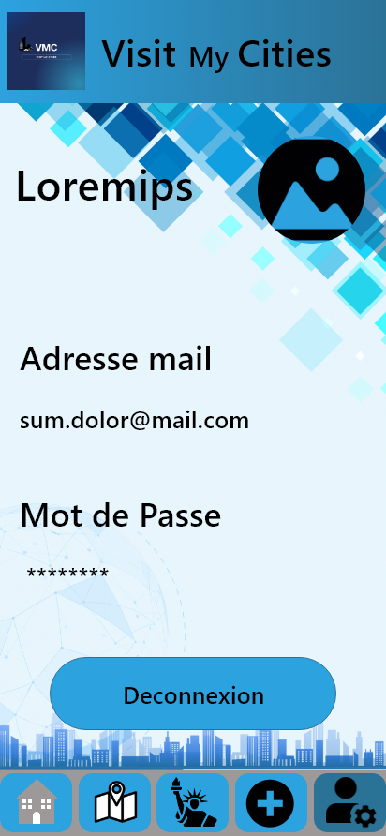

Navigation Bar |  |  |  | Navigation Button

Feuil2
Ressources

 | Nom | Dossier | Sous-Dossier | Dossier application | Source

 | background.png | style | Asset_Visit_My_Cities | drawable | https://pngtree.com/freebackground/company-profile-background-material_1007361.html

 | Nom | Dossier | Sous_Dossier | Dossier application | Source

 | banniere.png | style | Asset_Visit_My_Cities | drawable

 | Nom | Dossier | Sous-Dossier | Dossier application | Source

 | logo.png | style | Asset_Visit_My_Cities | drawable

 | Nom | Dossier | Sous_Dossier | Dossier application | Source

 | btn_valider.png | validationButton | Asset_Visit_My_Cities | drawable

 | Nom | Dossier | Sous_Dossier | Dossier application | Source

 | btn_inscription.png | validationButton | Asset_Visit_My_Cities | drawable

 | Nom | Dossier | Sous_Dossier | Dossier application | Source

 | btn_connexion.png | validationButton | Asset_Visit_My_Cities | drawable

 | Nom | Dossier | Sous_Dossier | Dossier application | Source

 | btn_favoris | validationButton | Asset_Visit_My_Cities | drawable

 | Nom | Dossier | Sous_Dossier | Dossier application | Source

 | btn_deconnect.png | validationButton | Asset_Visit_My_Cities | drawable

 | Nom | Dossier | Sous_Dossier | Dossier application | Source

 | btn_buildingImage.png | addButton | Asset_Visit_My_Cities | drawable

 | Nom | Dossier | Sous_Dossier | Dossier application | Source

 | btn_buildingAvatar | addButton | Asset_Visit_My_Cities | drawable

 | Nom | Dossier | Sous_Dossier | Dossier application | Source

 | ajout_favori_list | addButton | Asset_Visit_My_Cities | drawable

 | Nom | Dossier | Sous_Dossier | Dossier application | Source

 | btn_home1.png | navigationButton | Asset_Visit_My_Cities | drawable

 | Nom | Dossier | Sous_Dossier | Dossier application | Source

 | btn_home2.png | navigationButton | Asset_Visit_My_Cities | drawable

 | Nom | Dossier | Sous_Dossier | Dossier application | Source

 | btn_map1 | navigationButton | Asset_Visit_My_Cities | drawable

 | Nom | Dossier | Sous_Dossier | Dossier application | Source

 | btn_map2 | navigationButton | Asset_Visit_My_Cities | drawable

 | Nom | Dossier | Sous_Dossier | Dossier application | Source

 | btn_buildings1.png | navigationButton | Asset_Visit_My_Cities | drawable

 | Nom | Dossier | Sous_Dossier | Dossier application | Source

 | btn_buildings2.png | navigationButton | Asset_Visit_My_Cities | drawable

 | Nom | Dossier | Sous_Dossier | Dossier application | Source

 | btn_add1.png | navigationButton | Asset_Visit_My_Cities | drawable

 | Nom | Dossier | Sous_Dossier | Dossier application | Source

 | btn_add2.png | navigationButton | Asset_Visit_My_Cities | drawable

 | Nom | Dossier | Sous_Dossier | Dossier application | Source

 | btn_login1.png | navigationButton | Asset_Visit_My_Cities | drawable

 | Nom | Dossier | Sous_Dossier | Dossier application | Source

 | btn_login2.png | navigationButton | Asset_Visit_My_Cities | drawable

 | Nom | Dossier | Sous_Dossier | Dossier application | Source

 | btn_liste1.png | navigationButton | Asset_Visit_My_Cities | drawable

 | Nom | Dossier | Sous_Dossier | Dossier application | Source

 | btn_liste2.png | navigationButton | Asset_Visit_My_Cities | drawable

 | Nom | Dossier | Sous_Dossier | Dossier application | Source

 | btn_monument1.png | navigationButton | Asset_Visit_My_Cities | drawable

 | Nom | Dossier | Sous_Dossier | Dossier application | Source

 | btn_monument2.png | navigationButton | Asset_Visit_My_Cities | drawable

 | Nom | Dossier | Sous_Dossier | Dossier application | Source

 | btn_ville1.png | navigationButton | Asset_Visit_My_Cities | drawable

 | Nom | Dossier | Sous_Dossier | Dossier application | Source

 | btn_ville2.png | navigationButton | Asset_Visit_My_Cities | drawable

