Bài 1
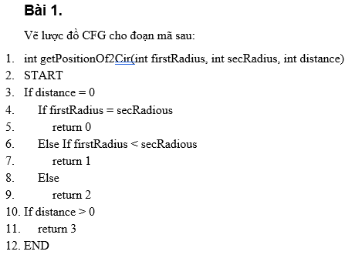
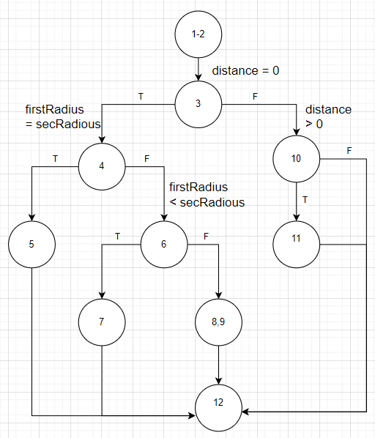

# | Test condition | Input |  |  | expected Result | Status
 |  | firstRadius | secRadius | distance
1 | distance = 0 (T) and firstRadius = secRadius (T) | 1 | 1 | 0 | 0 | P
2 | distance = 0 (T) and firstRadius < secRadius (F) | 1 | 2 | 0 | 1 | P
3 | distance = 0 (T) and firstRadius > secRadius (F) | 5 | 3 | 0 | 2 | P
4 | distance = 0 (F) | 1 | 2 | 3 | 3 | P
5 | distance = 0 (F) && distance <0 (F) | 1 | 1 | -2 | exception | P

Bài 2
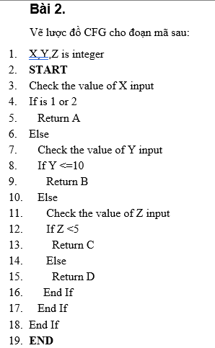
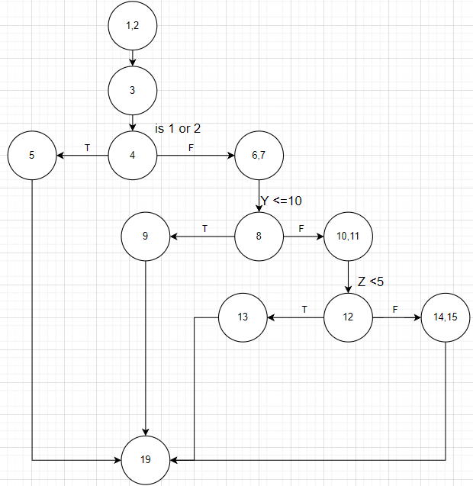

# | Test condition | Input |  |  | expected Result | Status
 |  | X | Y | Z
1 | X=1 or X =2 (T) | 1 | 2 | 3 | A | P
2 | X=1 or X =2 (F) and Y <=10 (T) | 3 | 3 | 3 | B | P
3 | X=1 or X =2 (F) and Y <=10 (F) and Z < 5(T) | 3 | 12 | 3 | C | P
4 | X=1 or X =2 (F) and Y <=10 (F) and Z < 5(F) | 3 | 12 | 10 | D | P

Bài 3
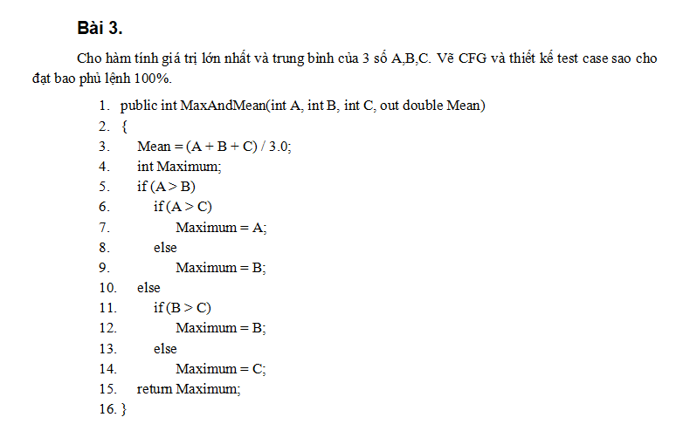

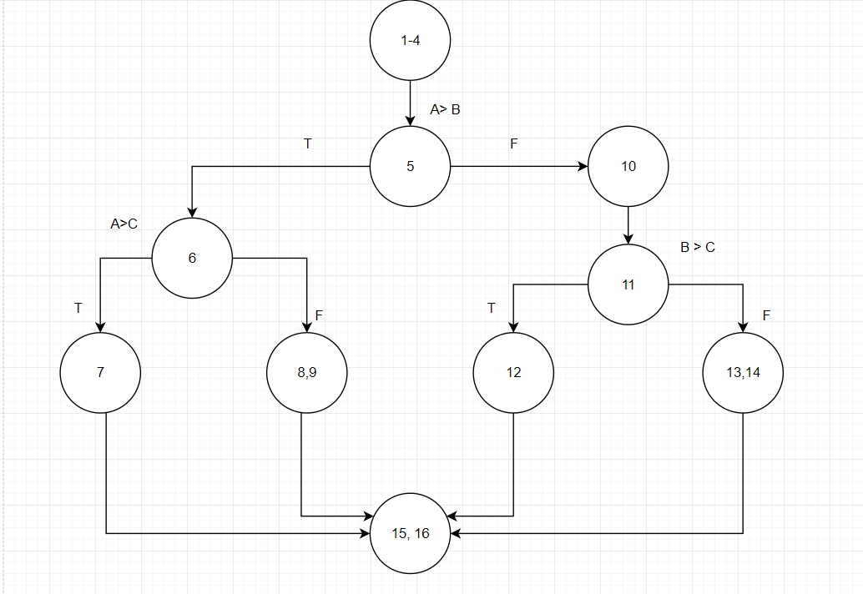

 |  |  |  |  |  |  |  |  |  | s

Thiết kế test case
# | Test condition | Input |  |  | Path | Expected result |  | Actual Result | Status
 |  | A | B | C |  | Max | Mean
1 | A>B && A>C | 3 | 2 | 1 | 1-4, 5,6,7,15,16 | 3 | 2 |  | P
2 | A>B && A<=C | 2 | 1 | 3 | 1-4, 5,6,8,9,15,16 | 3 | 2 | 1 | F
3 | A<=B && B>C | 1 | 3 | 2 | 1-4, 5, 10,11, 12, 15, 16 | 3 | 2 |  | P
4 | A<=B && B<=C | 1 | 2 | 3 | 1-4, 5, 10,11, 13, 14, 15, 16 | 3 | 2 |  | P

Bài 4
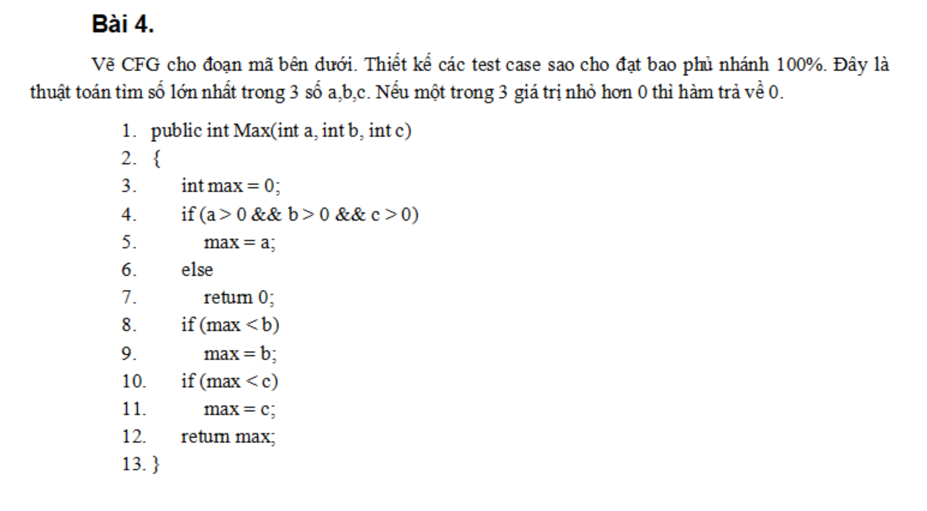
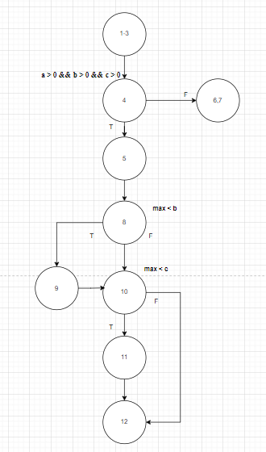

# | Test condition | Input |  |  | Path | Expected result | Status
 |  | a | b | c
1 | a>0 && b>0 && c>0 (T) && max < b (F) && max < c (F) | 3 | 2 | 1 | 1-3,4,5,8,12 | 3 | P
2 | a>0 && b>0 && c>0 (F) | -1 | 2 | 2 | 1-3,4,6,7 | 0 | P
3 | a>0 && b>0 && c>0 (T) && max < b (T) && max < c (F) | 1 | 3 | 1 | 1-3,4,5,8,9,10,12 | 3 | P
4 | a>0 && b>0 && c>0 (T) && max < b (T) && max < c (T) | 1 | 2 | 3 | 1-3,4,5,8,9,10, 11,12 | 3 | P
5 | a>0 && b>0 && c>0 (T) && max < b (F) && max < c (T) | 2 | 1 | 3 | 1-3,4,5,8, 10, 11,12 | 3 | P

Bài 5
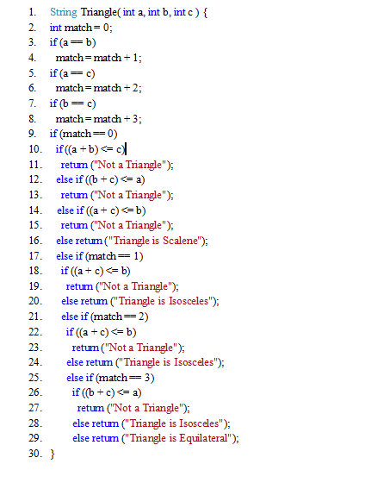
# | Case | Input |  |  | Expected result | Status
 |  | a | b | c
1 | a==b (F) and a==c (F) and b ==c(F) and match == 0(T) and (a+b) <= c (T) | 1 | 2 | 3 | "Not a Triangle" | P
2 | a==b (F) and a==c (F) and b ==c(F) and match == 0(T) and (a+b) <= c (F) and (b+c) <= a (T) | 4 | 1 | 3 | "Not a Triangle" | P
3 | a==b (F) and a==c (F) and b ==c(F) and match == 0(T) and (a+b) <= c (F) and (b+c) <= a (F) and (a+c) <=b (T) | 3 | 7 | 4 | "Not a Triangle" | P
4 | a==b (F) and a==c (F) and b ==c(F) and match == 0(T) and (a+b) <= c (F) and (b+c) <= a (F) and (a+c) <=b (F) | 3 | 2 | 4 | "Triangle is Scalene" | P
5 | a==b (T) and a==c (F) and b ==c(F) and match == 0(F) and match == 1 (T) and (a+c) <=b (T) | 3 | 3 | -1 | "Not a Triangle" | P
6 | a==b (T) and a==c (F) and b ==c(F) and match == 0(F) and match == 1 (T) and (a+c) <=b (F) | 3 | 3 | 2 | "Triangle is Isosceles" | P
7 | a==b (F) and a==c (T) and b ==c(F) and match == 0(F) and match == 1 (F) and match == 2 (T) and (a+c) <=b (T) | 3 | 10 | 3 | "Not a Triangle" | P
8 | a==b (F) and a==c (T) and b ==c(F) and match == 0(F) and match == 1 (F) and match == 2 (T) and (a+c) <=b (F) | 3 | 5 | 3 | "Triangle is Isosceles" | P
9 | a==b (F) and a==c (F) and b ==c(T) and match == 0(F) and match == 1 (F) and match == 2 (F) and match == 3 (T) and (b+c) <=a (T) | 7 | 3 | 3 | "Not a Triangle" | P
10 | a==b (F) and a==c (F) and b ==c(T) and match == 0(F) and match == 1 (F) and match == 2 (F) and match == 3 (T) and (b+c) <=a (F) | 5 | 3 | 3 | Triangle is Isosceles | P
11 | a==b (T) and a==c (T) and b ==c(T) and match == 0(F) and match == 1 (F) and match == 2 (F) and match == 3 (F) | 3 | 3 | 3 | Triangle is Equilateral | P

Bài 6
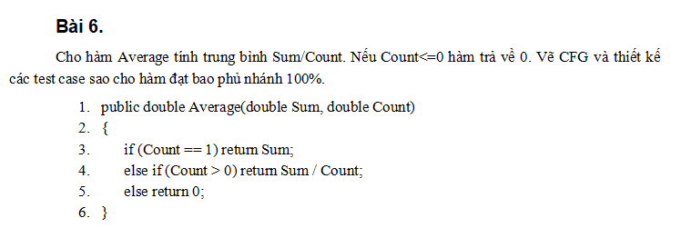
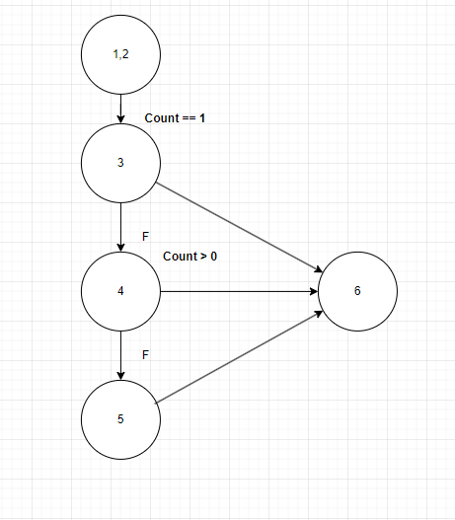

# | Case | input |  | Path | Expected result | Status
 |  | Sum | Count
1 | Count == 1 | 5 | 1 | 1,2,3,6 | 5 | P
2 | Count == 1(F) && Count > 0(T) | 6 | 2 | 1,2,3,4,6 | 3 | P
3 | Count == 1(F) && Count > 0(F) | 5 | -1 | 1,2,3,4,5,6 | 0 | P

Bài 13
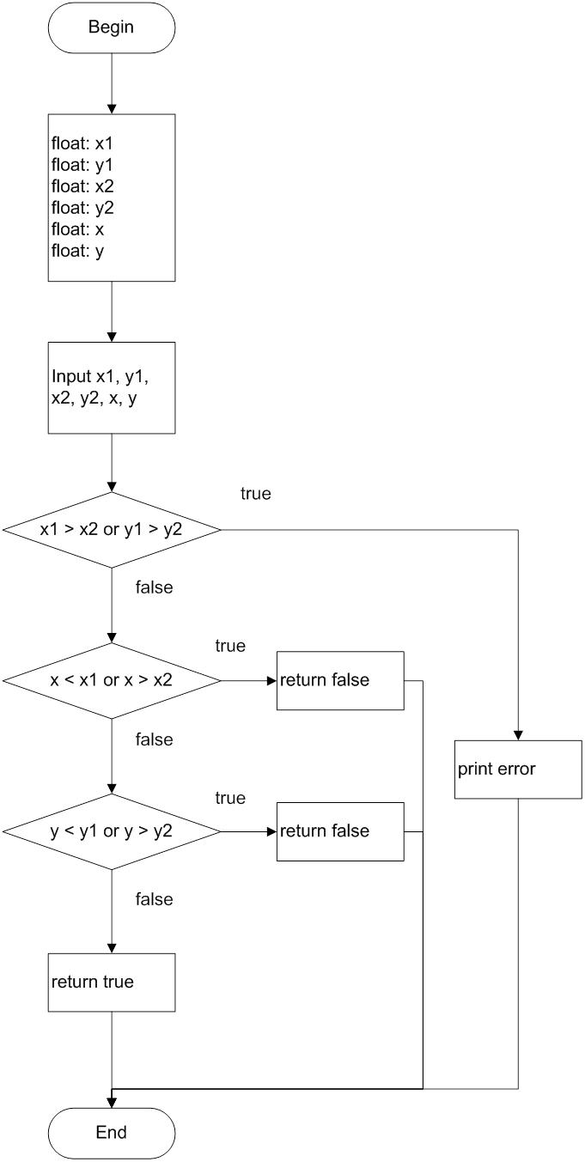
# | Case | Input |  |  |  |  |  | Expected result | Status
 |  | x1 | y1 | x2 | y2 | x | y
1 | x1 >x2 or y1>y2(T) | 5 | 4 | 3 | 2 | 1 | 1 | Print error | P
2 | x1 >x2 or y1>y2(F) and x<x1 or x >x2 (T) | 3 | 3 | 5 | 5 | 6 | 4 | FALSE | P
3 | x1 >x2 or y1>y2(F) and x<x1 or x >x2 (F) and y<y1 or y > y2(T) | 3 | 5 | 7 | 2 | 6 | 4 | FALSE | F
4 | x1 >x2 or y1>y2(F) and x<x1 or x >x2 (F) and y<y1 or y > y2(F) | 3 | 3 | 7 | 4 | 4 | 4 | TRUE | P

Bài 14
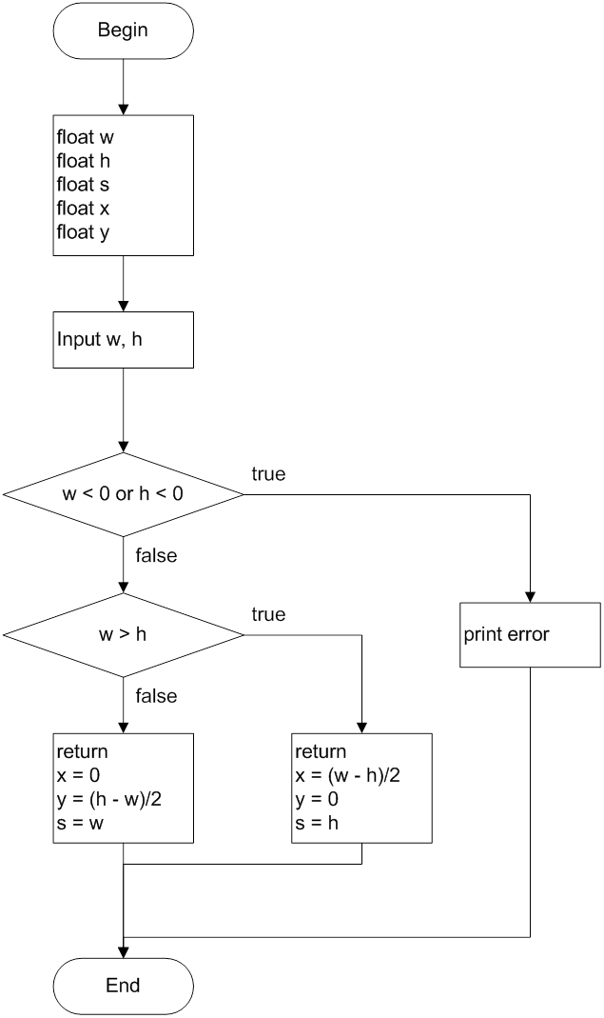

# | Case | Input |  | Expected result |  |  | Status
 |  | w | h | x | y | s
1 | w<0 or h <0(T) | -1 | 0 | Print error |  |  | P
2 | w<0 or h <0(F) and w>h(T) | 5 | 3 | 1 | 0 | 3 | P
3 | w<0 or h <0(F) and w>h(F) | 4 | 6 | 0 | 1 | 4 | P

Bài 15
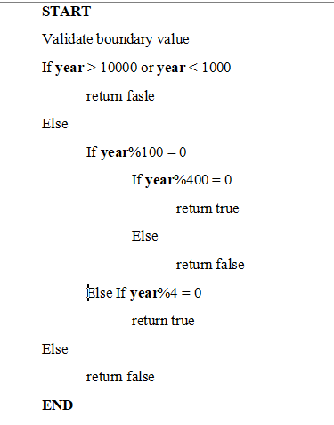
# | Case | Input | Expected result | Status
 |  | year
1 | year > 10000 or year <1000(T) | 99 | FALSE | P
2 | year > 10000 or year <1000(F) and year %100 = 0(T) and year % 400 = 0(T) | 2000 | TRUE | P
3 | year > 10000 or year <1000(F) and year %100 = 0(T) and year % 400 = 0(F) | 1700 | FALSE | P
4 | year > 10000 or year <1000(F) and year %100 = 0(F) and year %4 = 0(T) | 2004 | TRUE | P
5 | year > 10000 or year <1000(F) and year %100 = 0(F) and year %4 = 0(F) | 2003 | FALSE | P

Bài 20
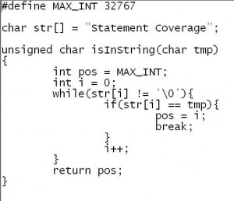
 | # | Case | Input | Expected result
 |  |  | tmp
 | 1 | str[i] != '\0' (T) | S | 0
 | 2 | str[i] != '\0' (F) | i | 32767

Vòng lặp tiếp tục duyệt chuỗi cho đến khi gặp ký tự kết thúc chuỗi (kí tự null \0).
if (str[i] == tmp): Nếu ký tự tại vị trí i của str bằng với ký tự tmp, nghĩa là đã tìm thấy ký tự.
pos = i;: Lưu vị trí của ký tự tmp vào biến pos.
break;: Thoát khỏi vòng lặp vì đã tìm thấy ký tự.
i++: Tăng i lên 1 để tiếp tục duyệt chuỗi.

return pos;: Trả về vị trí tìm thấy ký tự (hoặc MAX_INT nếu không tìm thấy).

Bài 21
 | Câu a
# | Case | Input | Expected result | mức bao phủ lệnh | Ghi chú | Status
1 | Chuỗi hợp lệ số thập lục phân | "0" | 0 | 100% |  | P
2 | Chuỗi hợp lệ số thập lục phân | "1A" | 26 | 100% |  | P
3 | Chuỗi hợp lệ có ký tự lớn nhỏ | "a1" | 161 | 100% |  | P
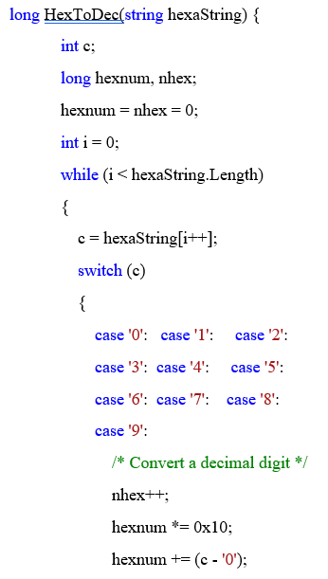
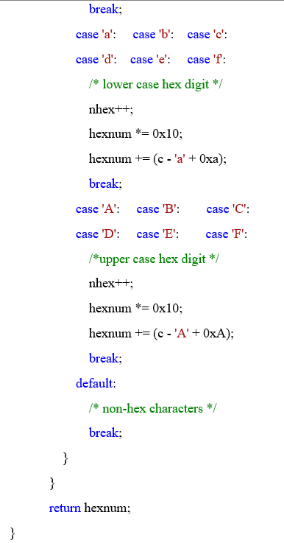
4 | Chuỗi trống | "" | 0 | 100% |  | P

 | hexnum là số sẽ được tính toán (giá trị thập phân cuối cùng).
 | nhex là bộ đếm cho số ký tự thập lục phân đã xử lý.

 | Câu b
# | Input |  | Expected result | mức bao phủ lệnh | Ghi chú
1 | "059" |  | 89 | 100% | số 0 ở đầu không cần thiết
2 | "ace" |  | 2766 | 100%
3 | "ACD" |  | 2765 | 100%

