Main
Click to paste Effectivity
Generate
Clear
 | Media Number |  |  |  |  |  |  |  |  |  |  | Create
 | Media Title |  |  |  |  |  |  |  |  |  |  | Revise
 |  |  |  |  |  |  |  |  |  |  |  | Check & Update
S.No | Titles | Part No | Ver | Chg | IE Available | Action | New IE's | Author | EGOs | Reference | Comments | Obsolete

Effectivity Sheet
Paste Here Model from HVC
0
All
 | 10 | Total Effectivity | 0
Enter Model and Version Here |  |  |  |  |  | 0

XA037 | MM | XA037MM | 0 | FJM | 0
XA098 | MM | XA098MM | 0 | YTF | 0
XA131 | MM | XA131MM | 0 | RGJ | 0
XX683 | HE | XX683HE | 0 | KTN | 0
XX683 | MM | XX683MM | 0 | XBJ | 0
XX684 | HE | XX684HE | 0 | HEX | 0
XX684 | MM | XX684MM | 0 | YCP | 0
XX685 | HE | XX685HE | 0 | RAZ | 0
XX685 | MM | XX685MM | 0 | HDT | 0
XX708 | G | XX708G | 0 | BR9 | 0
XX708 | HE | XX708HE | 0 | KTY | 0
XX708 | MM | XX708MM | 0 | YBL | 0
XX709 | G | XX709G | 0 | BR6 | 0
XX709 | GT | XX709GT | 0 | XAR | 0
XX709 | HE | XX709HE | 0 | DYT | 0
XX709 | Js | XX709JS | 0 | YBP | 0
XX709 | MM | XX709MM | 0 | ZBN | 0
XX710 | G | XX710G | 0 | BR4 | 0
XX710 | JS | XX710JS | 0 | ZBT | 0
XX710 | MM | XX710MM | 0 | DKJ | 0
XX939 | HE | XX939HE | 0 | LKS | 0
XX939 | MM | XX939MM | 0 | JGY | 0
XX940 | HE | XX940HE | 0 | MYK | 0
XX940 | MM | XX940MM | 0 | KFE | 0
XX941 | HE | XX941HE | 0 | NDL | 0
XX941 | MM | XX941MM | 0 | LTN | 0
XX947 | HE | XX947HE | 0 | DWF | 0
XX993 | MM | XX993MM | 0 | KPE | 0
...

Instructions
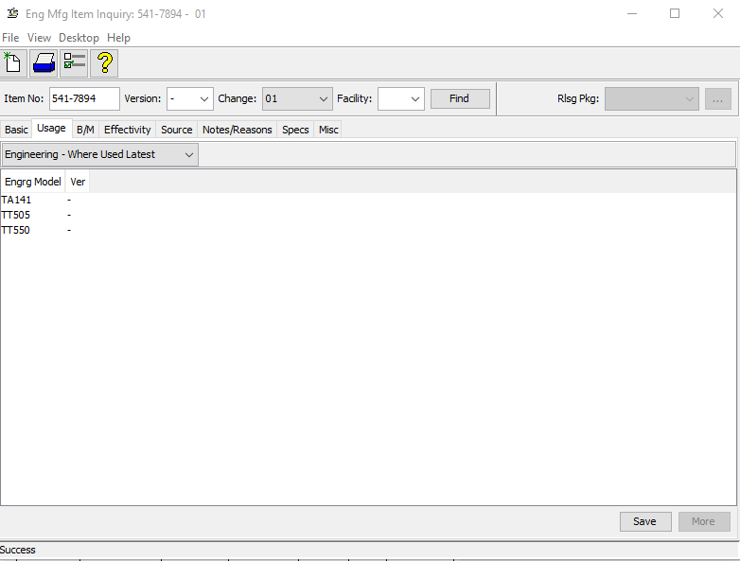
Instructions to use Buttons |  | Create
 |  | Revise
 | Main sheet 1. Copy the part number from the "D5" cell. 2. Paste the part number in PRWB to check "Where Used Latest". 3. Click "More" to load fully until it greyed out. 4. CTRL + A & CTRL + C to copy all the Engrg Model. 5. Click the button "Click to paste effectivity". 6. Follow till the end of the part number in that column. | Check & Update

 | 1. Click this button, once you completed the work.

 | 1. Click this button to clear the inputs in "Main Sheet"and "Output Sheet".

Main worksheet Instructions
Part No | 1. Don’t leave the cell as "blank" 2. Use only one part number in a cell. 3. If you have multiple part numbers for a IE make a new entries for each part number. 4. Enter the part number as in prints. (Eg: 431-4789). 5. Don’t use unnecessary space or characters in this column.
Available IE | 1. Use only one IE number (Existing IE) in a cell. 2. Don’t enter the New IE number. 3. This column is formatted as a text length according to the IE number for your reference.
Action | 1. Use drop down options to select the required action.
New IE No's | 1. Enter only the new IE number for both "create" and "Revise" 2. Leave new IE number cell as "blank" If the action cell has "check & update". 3. This column is formatted as a text length according to the IE number for your reference.
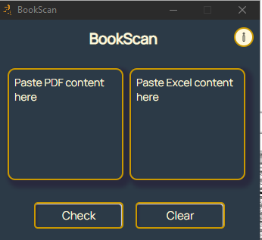
Prefix | 1. Enter only "0's" and "1's".
Note: Avoid entering graphic numbers or comments in the above five columns.

Book level check Instructions

PDF | 1. CTRL + A to select all. (From "Spections Section" title) 2. CTRL + C to copy. 3. CTRL + V to paste in the left side text box in the tool as mentioned.
Input Sheet (Excel) | 1. Once you hit generate button. Navigate to Input sheet. 2. CTRL + A to select all. 3. CTRL + C to copy. 4. CTRL + V to paste in the right side text box in the tool as mentioned.
Output Sheet (Excel) | 1. Once you hit check button in tool. Navigate to Output sheet. 2. CTRL + V to paste the output.

Help

For any information or issues related to this tool. Feel free to contact:
Thuyavan Tamilarasan (tamilt)
Simon Maria Louis (marias3)
Specification XF team

Effectivity sheet Instruction
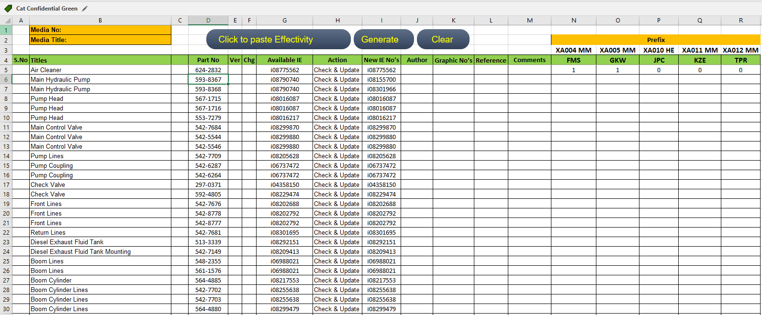
 |  | Effectivity Automation

Step 1

Select cells 4B and 4C and drag to 31B and 31C to delete the engineering models and versions (select and delete the cells but not the row).

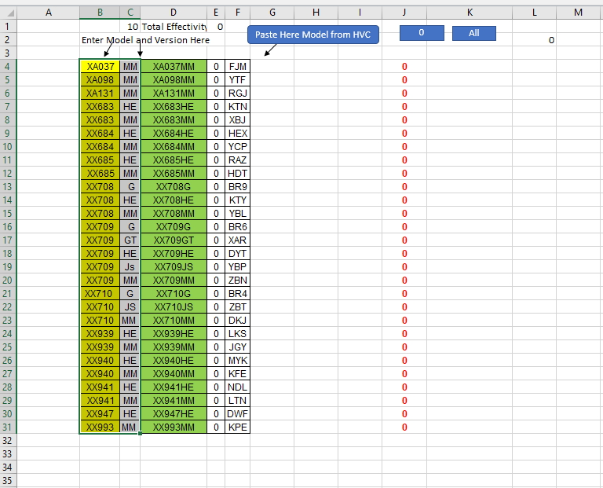
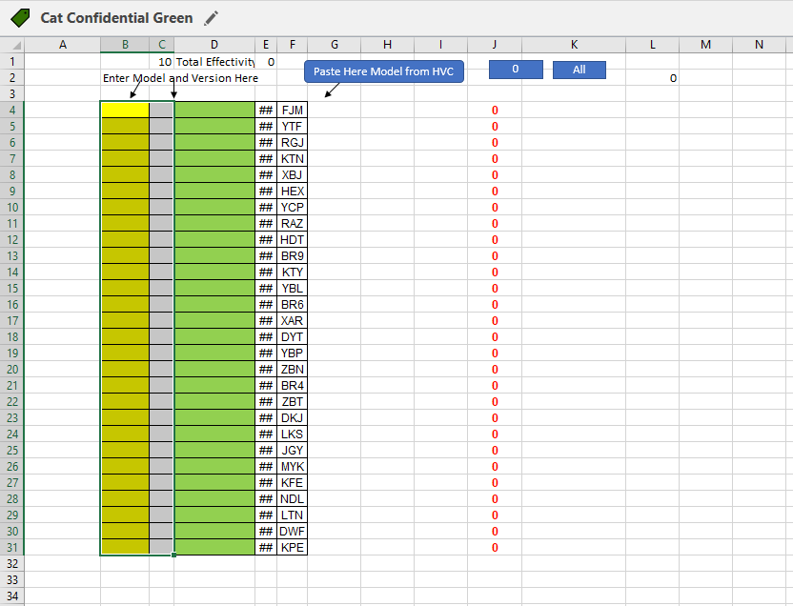

Step 2

Select the prefix by cells and erase it. (These cells are merely for reference and do not include any automation.)

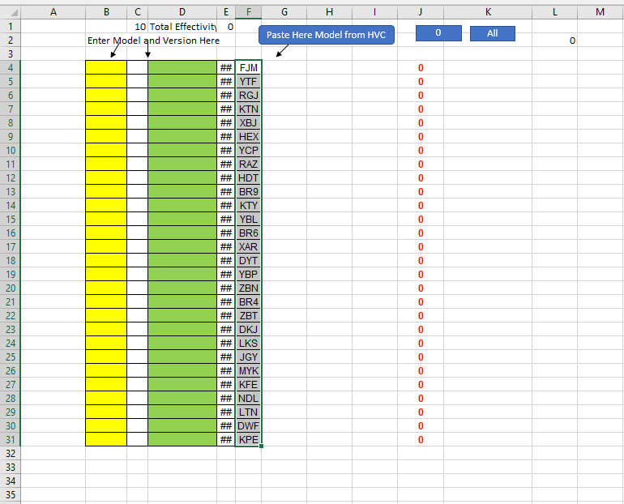
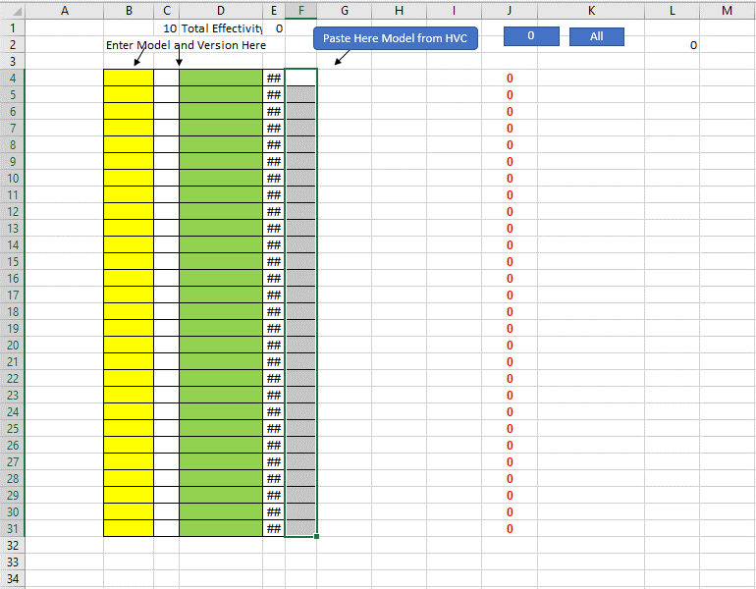

Step 3

Enter your engineering model and version in columns B and C, together with the prefix, and leave column D unchanged.

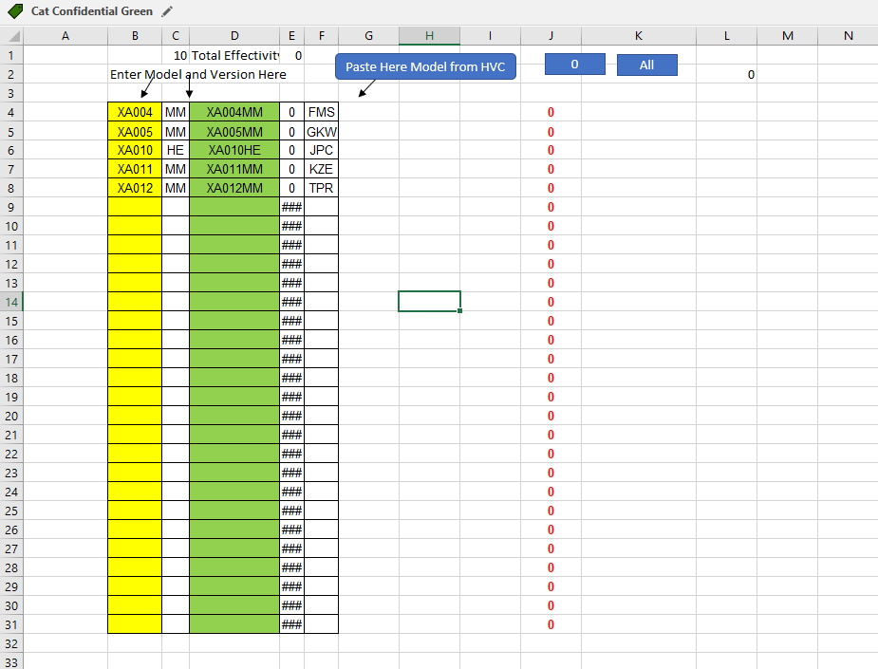

Step 4

After entering your engineering model and prefix, select the empty cells with formulae in columns D, E, and J and erase the formulas.

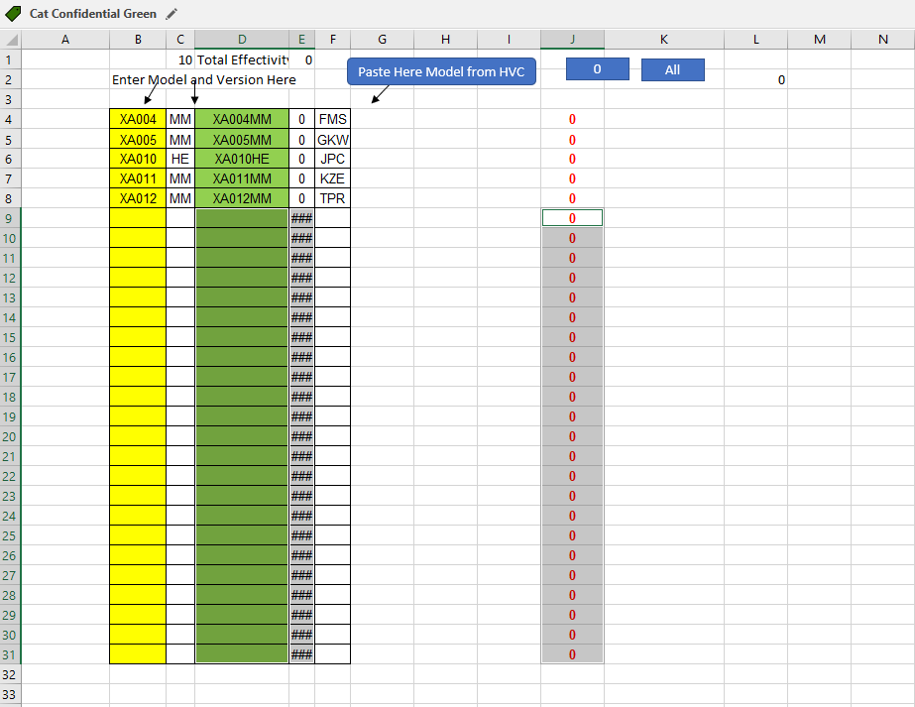

Step 5

Choose and copy the part number from the research sheet, then look for the copied part number in the PRWB's where-used latest engineering models.

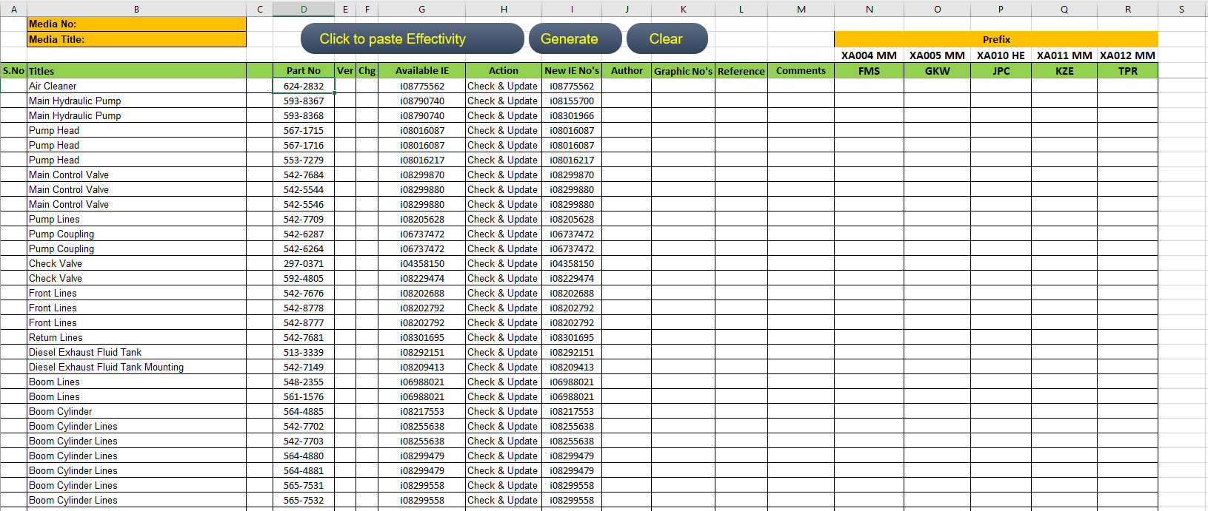

Step 6

 | Press Ctrl+A to select the engineering models and Ctrl+C to copy those selections.

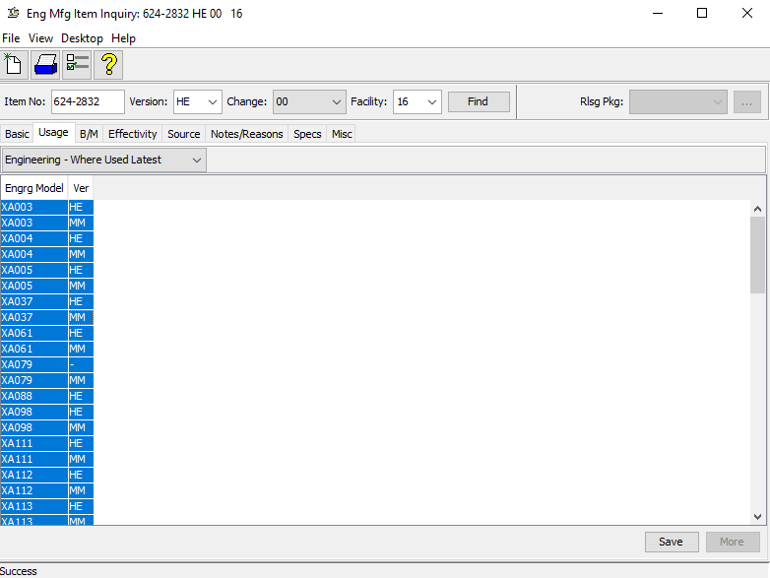

Step 7

 | Put the cursor on the cell for the chosen part number, then select "Click to Paste Effectivity"

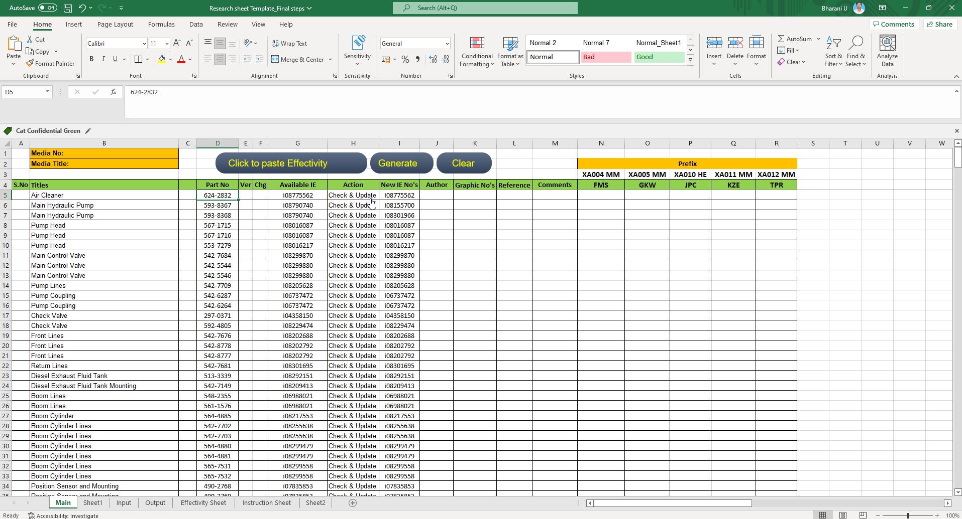

Step 8

 | The 1 & 0 in the corresponding cells will be updated by automation. 0 means not applicable, and 1 means it applies.

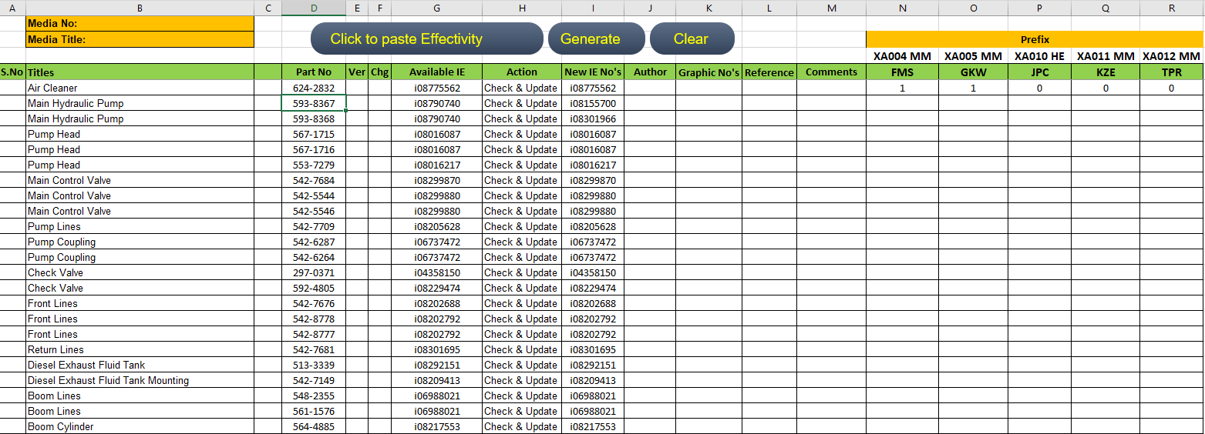

Step 9

 | After the effectivity is pasted, the subsequent part number in the cell below will be immediately transferred to the clipboard so that we can enter it directly into PRWB.

