Sheet1
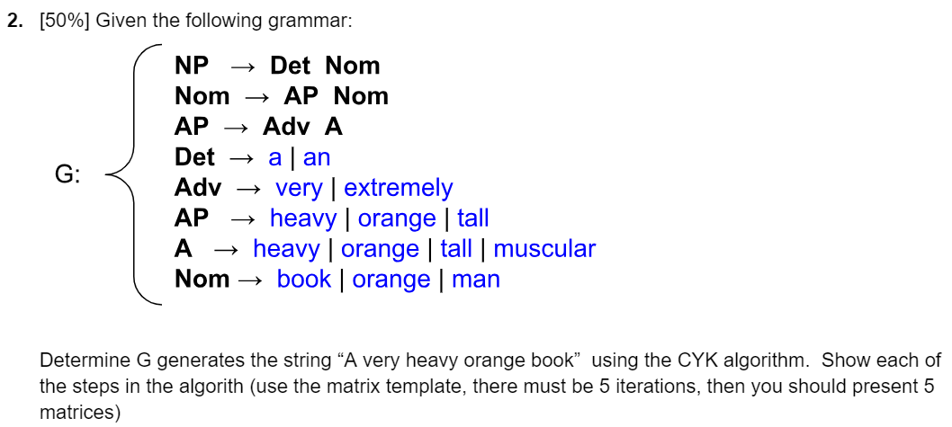
Iteración 1
 |  | 1 | 2 | 3 | 4 | 5 | Santiago Valencia García
 | 1 | A | very | heavy | orange | book
 |  | Det | Adj | AP, A | AP, Nom, A | Nom
 | 2

 | 3

 | 4

 | 5

Iteración 2
 |  | 1 | 2 | 3 | 4 | 5
 | 1 | A | very | heavy | orange | book
 |  | Det | Adj | AP, A | AP, Nom, A | Nom
 | 2 | A very | very heavy | heavy orange | orange book
 |  | - | - | AdjA->AP | APNom->Nom, APA->Empty, Anom->Empty
 | 3

 | 4

 | 5

Iteración 3
 |  | 1 | 2 | 3 | 4 | 5
 | 1 | A | very | heavy | orange | book
 |  | Det | Adj | AP, A | AP, Nom, A | Nom
 | 2 | A very | very heavy | heavy orange | orange book
 |  | - | AP | AdjA->AP | APNom->Nom, APA->Empty, Anom->Empty
 | 3 | A very heavy | very heavy orange | heavy orange book
 |  | A very ->empty, DetAp->Empty
 | 4

 | 5

Iteración 4
 |  | 1 | 2 | 3 | 4 | 5
 | 1 | A | very | heavy | orange | book
 |  | Det | Adj | AP, A | AP, Nom, A | Nom
 | 2 | A very | very heavy | heavy orange | orange book
 |  | DetAdj -> Empty
 | 3

 | 4

 | 5

Iteración 5
 |  | 1 | 2 | 3 | 4 | 5
 | 1 | A | very | heavy | orange | book
 |  | Det | Adj | AP, A | AP, Nom, A | Nom
 | 2 | A very | very heavy | heavy orange | orange book
 |  | DetAdj -> Empty
 | 3

 | 4

 | 5

