Sheet1
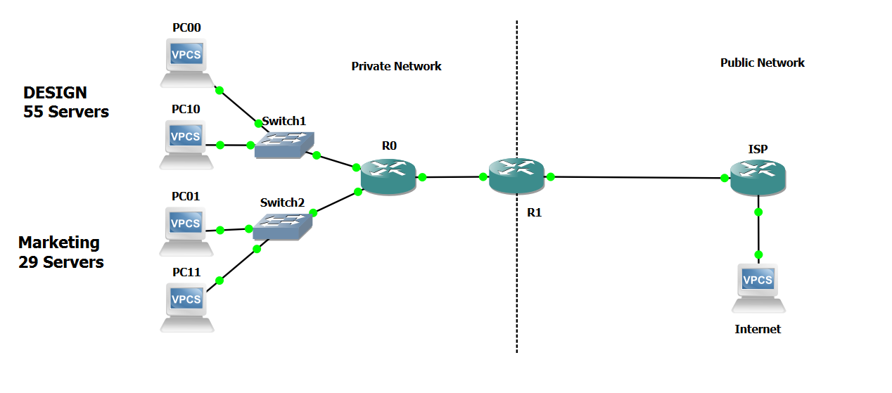
 |  |  |  | Pub | Links | Name | Intefaces | IP | Mask | Subnet | Broadcast | Range
 |  |  |  |  | ISP | R1 | 1/0 | 200.194.189.225 to 200.194.189.235 | 28 | 200.194.189.224 | 200.194.189.239 | 16
 |  |  |  |  | R0 |  | 0/0 | / | / | / | / | /

 |  |  |  |  | R1 | R0 | 0/0 | / | / | / | / | /
 |  |  |  |  | Design |  | 1/0 | 200.194.189.190 | 26 | 200.194.189.128 | 200.194.189.191 | 64
 |  |  |  |  | Marketing |  | 1//1 | 200.194.189.222 | 27 | 200.194.189.192 | 200.194.189.223 | 32

 |  |  |  |  | Design | PC00 | Pu | 200.194.189.129 | 26 | 200.194.189.128 | 200.194.189.191 | 64 | 55 needed
 |  |  |  |  | Marketing | PC01 | Pu | 200.194.189.193 | 27 | 200.194.189.192 | 200.194.189.223 | 32 | 29 needed

 |  |  |  |  | R1 | ISP | 0/0 | 220.3.4.5 | 30 | 220.3.4.4 | 220.3.4.7 | 4
 |  |  |  |  | ISP | R1 | 1/0 | 220.3.4.6 | 30 | 220.3.4.4 | 220.3.4.7 | 4

 |  |  |  | Pri | Links | Name | Interfaces | IP | Mask | Subnet | Broadcast | Range
 |  |  |  |  | R0 | R1 | 0/0 | 10.149.2.2 | 30 | 10.149.2.0 | 10.149.2.3 | 4
PCClient1 | 200.194.189.150 | /26 | Design
PCClient2 | 200.194.189.200 | /27 | Marketing |  | R1 | R0 | 0/0 | 10.149.2.1 | 30 | 10.149.2.0 | 10.149.2.3 | 4
PCServer | 200.194.189.160 | /26 | / |  | Design |  | 1/0 | 10.149.0.254 | 24 | 10.149.0.0 | 10.149.0.255 | 256
 |  |  |  |  | Marketing |  | 1//1 | 10.149.1.254 | 24 | 10.149.1.0 | 10.149.1.255 | 256

 |  |  |  |  | Design | PC10 | Priv | 10.149.0.1 | 24 | 10.149.0.0 | 10.149.0.255 | 256
 |  |  |  |  | Marketing | PC11 | Priv | 10.149.1.1 | 24 | 10.149.1.0 | 10.149.1.255 | 256

