hERG
Index_ID | Structure | Predict_Score | Entropy_Uncertainty | MCDropout_Uncertainty | Smiles
0 | 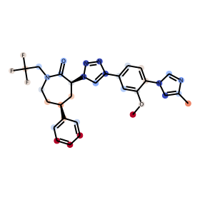 | 0.99807965755 | 0.013930722852 | 9.6269784543E-06 | COc1cc(-c2cn([C@H]3C[C@@H](c4ccccc4)CCN(CC(F)(F)F)C3=O)nn2)ccc1-n1cnc(C)c1
1 | 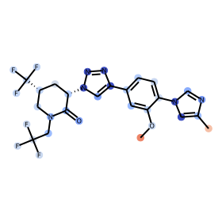 | 0.2597604394 | 0.5728061951 | 0.032791742331 | COc1cc(-c2cn([C@H]3C[C@@H](C(F)(F)F)CN(CC(F)(F)F)C3=O)nn2)ccc1-n1cnc(C)c1
2 | 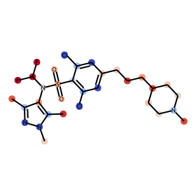 | 0.99967813492 | 0.0029100520978 | 9.7673276258E-08 | Cc1nn(C)c(C)c1N(C(F)F)S(=O)(=O)c1c(Cl)cc(CCCC2CCN(C)CC2)cc1Cl
3 | 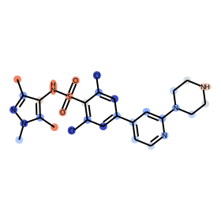 | 0.30332431197 | 0.61365472758 | 0.014759834418 | Cc1nn(C)c(C)c1NS(=O)(=O)c1c(Cl)cc(-c2ccnc(N3CCNCC3)c2)cc1Cl

