Sheet1
LGA | CASES | VAR | NET | Country
Wyndham | 1764 |  | - | Australia
Brimbank | 1655 |  | - | Australia
Hume | 1355 |  | - | Australia
Whittlesea | 1004 |  | - | Australia
Melton | 891 |  | - | Australia
Moreland | 853 |  | - | Australia
Melbourne | 796 |  | - | Australia
Casey | 729 |  | - | Australia
Moonee Valley | 676 |  | - | Australia
Darebin | 499 |  | - | Australia
Maribyrnong | 474 |  | - | Australia
Banyule | 403 |  | - | Australia
Yarra | 388 |  | - | Australia
Greater Dandenong | 352 |  | - | Australia
Hobsons Bay | 323 |  | - | Australia
Greater Geelong | 300 |  | - | Australia
Stonnington | 237 |  | - | Australia
Boroondara | 218 |  | - | Australia

Yarra Ranges | 217 |  | - | Australia
Monash | 216 |  | - | Australia
Kingston | 207 |  | - | Australia
Port Phillip | 194 |  | - | Australia
Whitehorse | 171 |  | - | Australia
Glen Eira | 170 |  | - | Australia
Bayside | 168 |  | - | Australia
Frankston | 161 |  | - | Australia
Manningham | 156 |  | - | Australia
Cardinia | 154 |  | - | Australia
Knox | 129 |  | - | Australia
Mornington Peninsula | 127 |  | - | Australia
Nillumbik | 117 |  | - | Australia
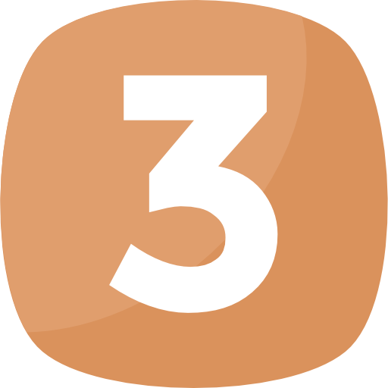
Colac Otway | 101 |  | - | Australia
Interstate | 93 |  | - | Australia
Maroondah | 93 |  | - | Australia
Greater Bendigo | 80 |  | - | Australia
Mitchell | 72 |  | - | Australia
Ballarat | 56 |  | - | Australia
Macedon Ranges | 52 |  | - | Australia
Latrobe | 44 |  | - | Australia
Greater Shepparton | 35 |  | - | Australia
Moorabool | 26 |  | - | Australia
Golden Plains | 20 |  | - | Australia
Glenelg | 19 |  | - | Australia
Surf Coast | 15 |  | - | Australia
Baw Baw | 13 |  | - | Australia
Wellington | 13 |  | - | Australia
South Gippsland | 12 |  | - | Australia
Horsham | 11 |  | - | Australia
Moira | 11 |  | - | Australia
Bass Coast | 10 |  | - | Australia
Mount Alexander | 10 |  | - | Australia
Mansfield | 9 |  | - | Australia
Campaspe | 7 |  | - | Australia
Ararat | 6 |  | - | Australia
Mildura | 6 |  | - | Australia
Warrnambool | 6 |  | - | Australia
Overseas | 5 |  | - | Australia
Swan Hill | 5 |  | - | Australia
Loddon | 4 |  | - | Australia
Murrindindi | 4 |  | - | Australia
Northern Grampians | 4 |  | - | Australia
Benalla | 3 |  | - | Australia
East Gippsland | 3 |  | - | Australia
Southern Grampians | 3 |  | - | Australia
West Wimmera | 3 |  | - | Australia
Central Goldfields | 2 |  | - | Australia
Gannawarra | 2 |  | - | Australia
Hepburn | 2 |  | - | Australia
Moyne | 2 |  | - | Australia
Pyrenees | 2 |  | - | Australia
Strathbogie | 2 |  | - | Australia
Wangaratta | 2 |  | - | Australia
Wodonga | 2 |  | - | Australia
Alpine | 1 |  | - | Australia
Corangamite | 1 |  | - | Australia
Indigo | 1 |  | - | Australia
Queenscliffe | 1 |  | - | Australia
Yarriambiack | 1 |  | - | Australia
Buloke | 0 |  | - | Australia
Hindmarsh | 0 |  | - | Australia
Towong | 0 |  | - | Australia

