Readme
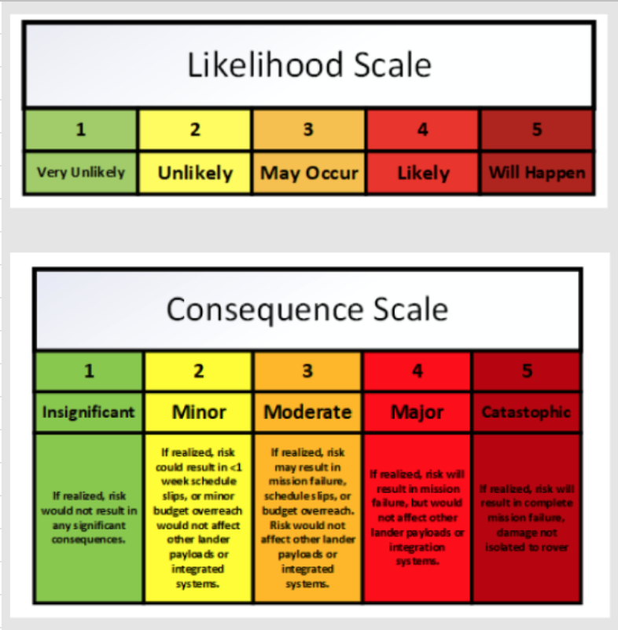
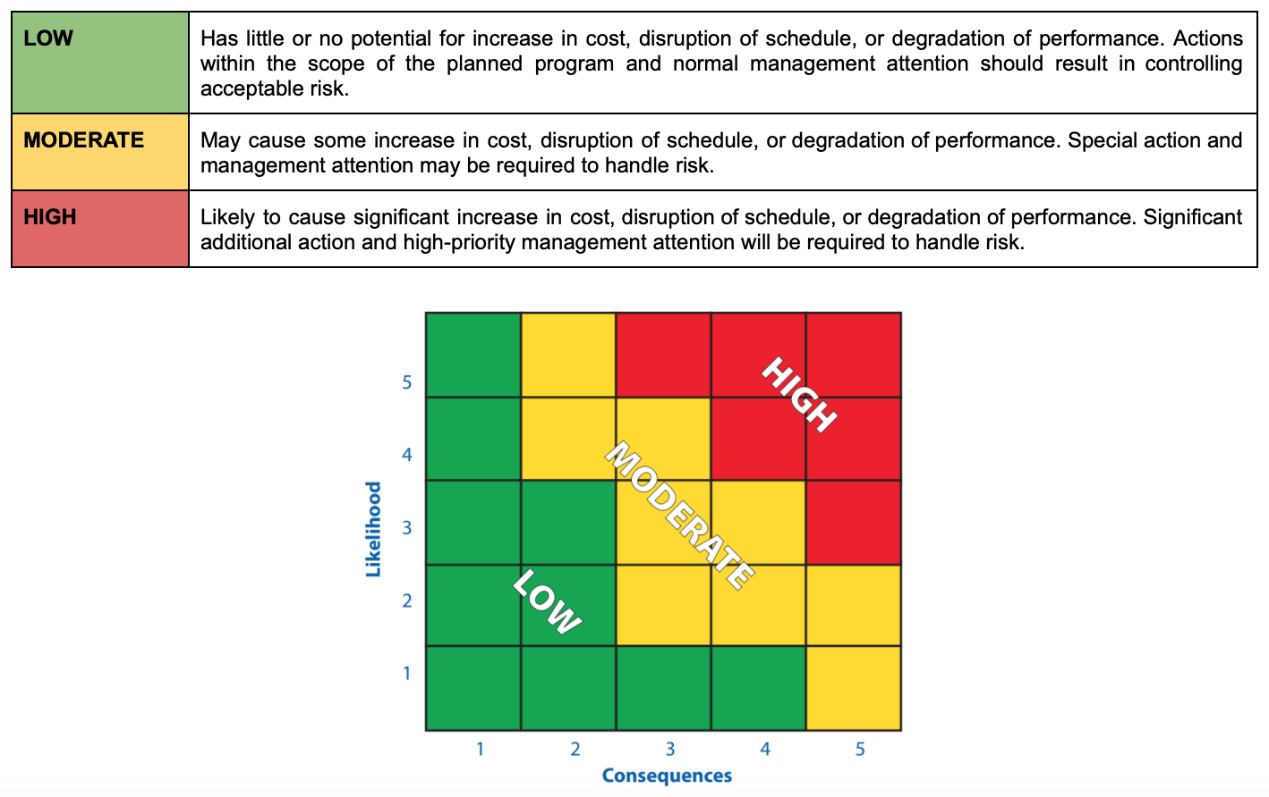
Column Breakdown
Component | The name of the individual unit in the subsystem that is prone to failure
Function | A brief description of the component function relevant to the mission phase.
Mission Phase | The phase of the mission in which the specific failure mode will occur. [1] - Launch, [2] - Transit, [3] - Descent/Landing, [4] - (Pre)Deployment, [5] - Surface Operations
Risk ID | This is a unique ID specific to each risk/failure, which is representative of the subsystem in which the failure mode may occur. E.g. hardware failures may be denoted as “HW-01, HW-02…”
Failure Mode | Brief description of the way in which the unit may fail
Cause | The reason(s) for which the failure mode occurs.
Local Effect | The subsequent effect(s) within the unit’s specific subsystem.
System Effect | The subsequent effect(s) on the overall system itself.
Isolation | A True or False value representing whether or not the failure can be isolated from the rest of the system (TRUE) or whether its failure will affect other parts of the system (FALSE).
Likelihood | The scale value depicts how likely this specific failure is to occur, given that the specific cause has occured. Refer to 1.3.3.1 Risk Likelihood in the RMP.
Consequence | The scale value depicts the severity of this failure’s impact on the program, system, or external bodies. Refer to 1.3.3.2 Risk Consequence in the RMP.
Risk Score | The score depicts the overall impact this specific failure will have based upon its likelihood and consequence scale values. Refer to 1.3.3.3 Risk Score in the RMP.
Detection Method | The possible way(s) in which the failure mode is detectable in the system during operation. This may be based on local or system effects, or other telemetry data.
Treatment Method | The defined treatment method that informs an appropriate team response to the specific risk/failure. Refer to 1.2 Treating Risks.
Operator Response | Dictates the proper operator response given the failure mode if there is one.

Reference Diagrams

