Sheet1
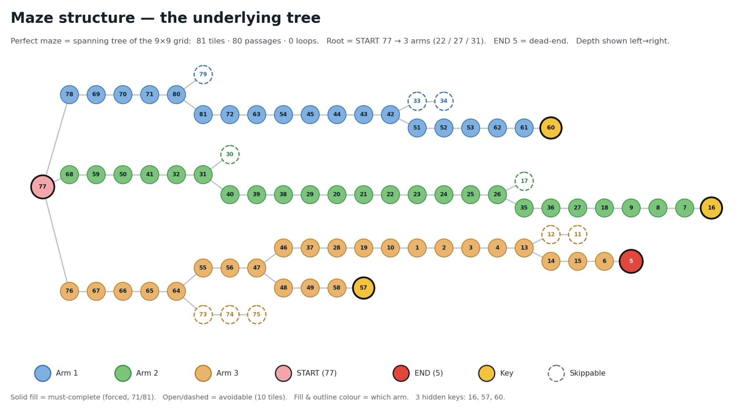
Description | Task | Tile | Arm | Depth
Wait this isn't Leagues? | Run 150 laps of Draynor | 77 | Arm 1 | 0
Here fishy fishies! | Complete 100x Tempoross | 78 | Arm 1 | 1
In the beninging | Complete 50 beginner clue(s) | 69 | Arm 1 | 2
You're gonna need some keys | Kill 50x Obor | 70 | Arm 1 | 3
I think that's a Pokémon | Kill 50x Amoxliatl | 71 | Arm 1 | 4
Bonk! | Receive 1x Sarachnis cudgel | 80 | Arm 1 | 5
Whack-A-Mole | Kill 1.000x Giant Mole | 79 | Arm 1 | 6
The special kind of anime | Kill 250x Kraken | 81 | Arm 1 | 6
Gawk gawk 3000 | Receive 3x Kbd heads | 72 | Arm 1 | 7
Shard tale | Receive 1x Odium shard 1, Odium shard 2, Odium shard 3 | 63 | Arm 1 | 8
Six feet under | Receive 5x Ahrim's hood, Ahrim's robetop, Ahrim's robeskirt, Ahrim's staff, Dharok's helm, Dharok's platebody, Dharok's platelegs, Dharok's greataxe, Guthan's helm, Guthan's platebody, Guthan's chainskirt, Guthan's warspear, Karil's coif, Karil's leathertop, Karil's leatherskirt, Karil's crossbow, Torag's helm, Torag's platebody, Torag's platelegs, Torag's hammers | 54 | Arm 1 | 9
Imagine Dragon deez nuts across your face | Kill 100x each of: Green dragon, Blue dragon, Red dragon, Black dragon | 45 | Arm 1 | 10
Lotr but different | Receive 1x each of: Mithril 2h sword, Mud battlestaff, Seercull | 44 | Arm 1 | 11
They're stackable now | Receive 3x Unsired | 43 | Arm 1 | 12
Cardio? In this economy? | Run 500 laps of Draynor, Al Kharid, Varrock, Canifis, Falador, Seers' Village, Pollnivneach, Rellekka, Ardougne | 42 | Arm 1 | 13
Feel free to put them together | Receive 1x each of: Godsword shard 1, Godsword shard 2, Godsword shard 3 | 33 | Arm 1 | 14
O R B | Receive 5x Awakener's orb | 51 | Arm 1 | 14
1 would have been useless | Receive 2x Burning claw | 34 | Arm 1 | 15
Upgradescape is fun | Receive 1x Skull of vet'ion, Claws of callisto, Fangs of venenatis | 52 | Arm 1 | 15
Steve Rogers would be proud | Kill 250x Alchemical Hydra | 53 | Arm 1 | 16
Angry birds | Receive 1x Armadyl helmet, Armadyl chestplate, Armadyl chainskirt, Armadyl hilt | 62 | Arm 1 | 17
Git gut | Receive 1x Infernal cape | 61 | Arm 1 | 18
Olm's greatest hits | Receive 1x Twisted bow, Kodai insignia, Elder maul, Ancestral hat, Ancestral robe top, Ancestral robe bottom, Dragon claws, Twisted buckler, Dinh's bulwark, Dragon hunter crossbow | 60 | Arm 1 | 19
Crazy? I was crazy once | Kill 100x each of: Crazy archaeologist, Deranged archaeologist | 68 | Arm 2 | 1
Poor crab keeps getting harassed | Deal 20.000 damage to Gemstone Crab | 59 | Arm 2 | 2
Easy peasy lemon squeezy | Complete 40 easy clue(s) | 50 | Arm 2 | 3
My neck, my back ft Thomas the engine | Receive 5x Scurrius' spine | 41 | Arm 2 | 4
Welcome to Domino's | Receive 5x Fire cape | 31 | Arm 2 | 6
I can shardly believe it | Receive 1x Malediction shard 1, Malediction shard 2, Malediction shard 3 | 40 | Arm 2 | 7
Be glad it's only 1 piece | Receive 1x Voidwaker hilt, Voidwaker gem, Voidwaker blade | 30 | Arm 2 | 7
Difficult, difficult, lemon difficult | Complete 20 hard clue(s) | 39 | Arm 2 | 8
Next destination: Madagascar | Run 300 laps of Penguin | 38 | Arm 2 | 9
It's only game, why you heff to be mad | Kill 250x Mad Angel | 29 | Arm 2 | 10
Everyone's favorite slayer task | Receive 1x Granite gloves, Granite ring, Granite hammer, Black tourmaline core | 20 | Arm 2 | 11
This used to be endgame | Kill 50x each of: General Graardor, K'ril Tsutsaroth, Kree'arra, Commander Zilyana | 21 | Arm 2 | 12
Reject humanity, return to monkey | Receive 1x Zenyte shard | 22 | Arm 2 | 13
Plenty of options | Receive 1.000x Crystal shard | 23 | Arm 2 | 14
You could fish for it | Receive 1x Chromium ingot | 24 | Arm 2 | 15
Are we there yet? | Complete 20x Hallowed Sepulchre (Floor 5) | 25 | Arm 2 | 16
Dangerous tourism | Kill 50x each of: Venenatis, Vet'ion, Callisto | 26 | Arm 2 | 17
Smoking kills | Kill 150x Thermonuclear smoke devil | 35 | Arm 2 | 18
Kolan asked for this | Receive 1x Gull | 17 | Arm 2 | 18
Smash or pass | Receive 1x Saradomin sword, Saradomin's light, Saradomin hilt, Armadyl crossbow | 36 | Arm 2 | 19
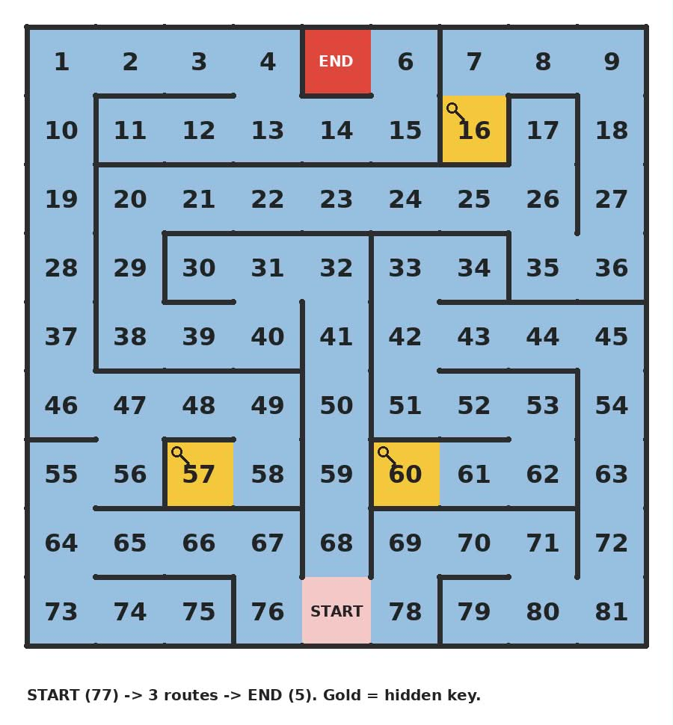
The student becomes the master | Complete 5 master clue(s) | 27 | Arm 2 | 20
General Garagedoor | Receive 1x Bandos chestplate, Bandos tassets, Bandos boots, Bandos hilt | 18 | Arm 2 | 21
It finally has a use | Receive 1x Crystal weapon seed | 9 | Arm 2 | 22
Budget infinity stones | Receive 1x Blood quartz, Ice quartz, Shadow quartz, Smoke quartz | 8 | Arm 2 | 23
Quiver me timbers | Receive 10x Dizana's quiver | 7 | Arm 2 | 24
10/10, would die again | Receive 1x Scythe of vitur, Sanguinesti staff, Ghrazi rapier, Justiciar faceguard, Justiciar chestguard, Justiciar legguards | 16 | Arm 2 | 25
Dragon slayer 2: Electric Boogaloo | Kill 300x Vorkath | 32 | Arm 2 | 5
Chop chop! | Complete 100x Wintertodt | 76 | Arm 3 | 1
Fedorable | Receive 1x Fedora | 67 | Arm 3 | 2
The key to success is…. | Kill 50x Bryophyta | 66 | Arm 3 | 3
I like my steak medium rare | Complete 30 medium clue(s) | 65 | Arm 3 | 4
Live like an ironman | Receive 1x each of: Serpentine visage, Magic fang, Tanzanite fang, Uncut onyx | 64 | Arm 3 | 5
50 shades of Dragon | Kill 50x each of: Bronze dragon, Iron dragon, Steel dragon, Mithril dragon, Adamant dragon, Rune dragon | 73 | Arm 3 | 6
Jack of all trades | Gain 100.000 XP in each of: Attack, Strength, Defence, Ranged, Prayer, Magic, Runecraft, Construction, Hitpoints, Agility, Herblore, Thieving, Crafting, Fletching, Slayer, Hunter, Mining, Smithing, Fishing, Cooking | 55 | Arm 3 | 6
Peak fashion | Receive 1x Dragon chainbody | 56 | Arm 3 | 7
Smashing! | Receive 1x Dragon pickaxe | 74 | Arm 3 | 7
Beef Wellington | Receive 1x Beef | 47 | Arm 3 | 8
Better luck Nex time | Deal 15.000 damage to Nex | 75 | Arm 3 | 8
A Song of Ice and Fire | Receive 1x each of: Ice element staff crown, Fire element staff crown | 46 | Arm 3 | 9
These boots are made for walking | Receive 1x Primordial crystal, Pegasian crystal, Eternal crystal | 48 | Arm 3 | 9
Oi Huey | Deal 30.000 damage to Hueycoatl | 37 | Arm 3 | 10
Collecting participation trophies | Receive 1.000x Hallowed mark | 49 | Arm 3 | 10
Moon moon was here | Receive 5x Blood moon helm, Blood moon chestplate, Blood moon tassets, Dual macuahuitl, Blue moon helm, Blue moon chestplate, Blue moon tassets, Blue moon spear, Eclipse moon helm, Eclipse moon chestplate, Eclipse moon tassets, Eclipse atlatl | 28 | Arm 3 | 11
The Forgotten Four | Kill 100x each of: Vardorvis, The Leviathan, The Whisperer, Duke Sucellus | 58 | Arm 3 | 11
I hope you have some totems | Kill 10x Skotizo | 19 | Arm 3 | 12
Get in loser, we're raiding | Receive 1x Tumeken's shadow, Elidinis' ward, Masori mask, Masori body, Masori chaps | 57 | Arm 3 | 12
Ancient problems require ancient solutions | Receive 4x Ancient icon | 10 | Arm 3 | 13
Lord of the Rings 2.0 | Receive 1x Treasonous ring, Ring of the gods, Tyrannical ring | 1 | Arm 3 | 14
Zammy's lost & found | Receive 1x Steam battlestaff, Zamorakian spear, Staff of the dead, Zamorak hilt | 2 | Arm 3 | 15
Arachnophobia simulator | Receive 1x Noxious point, Noxious blade, Noxious pommel | 3 | Arm 3 | 16
No horny allowed | Receive 1x Oathplate helm, Oathplate chest, Oathplate legs | 4 | Arm 3 | 17
I cry evrytiem | Receive 22.000x Demon tear | 13 | Arm 3 | 18
I'm something of an elite myself | Complete 10 elite clue(s) | 12 | Arm 3 | 19
Sweet dreams | Receive 1x Inquisitor's great helm, Inquisitor's hauberk, Inquisitor's plateskirt, Inquisitor's mace, Nightmare staff, Eldritch orb, Harmonised orb, Volatile orb | 14 | Arm 3 | 19
Look at all those chickens | Deal 20.000 damage to Corporeal Beast | 11 | Arm 3 | 20
Clerqy was (not) here | Receive 1x Elder venator fang | 15 | Arm 3 | 20
Blue's Clues | Complete 5 each of: beginner, easy, medium, hard, elite, master clue(s) | 6 | Arm 3 | 21
Champion's league | Receive 1x Imp champion scroll, Goblin champion scroll, Skeleton champion scroll, Zombie champion scroll, Giant champion scroll, Hobgoblin champion scroll, Ghoul champion scroll, Earth warrior champion scroll, Jogre champion scroll, Lesser demon champion scroll | 5 | Arm 3 | 22

Column1 | Column2
1 | Lord of the Rings 2.0
2 | Zammy's lost & found
3 | Arachnophobia simulator
4 | No horny allowed
5 | Champion's league
6 | Blue's Clues
7 | Quiver me timbers
8 | Budget infinity stones
9 | It finally has a use
10 | Ancient problems require ancient solutions
11 | Look at all those chickens
12 | I'm something of an elite myself
13 | I cry evrytiem
14 | Sweet dreams
15 | Clerqy was (not) here
16 | 10/10, would die again
17 | Kolan asked for this
18 | General Garagedoor
19 | I hope you have some totems
20 | Everyone's favorite slayer task
21 | This used to be endgame
22 | Reject humanity, return to monkey
23 | Plenty of options
24 | You could fish for it
25 | Are we there yet?
26 | Dangerous tourism
27 | The student becomes the master
28 | Moon moon was here
29 | It's only game, why you heff to be mad
30 | Be glad it's only 1 piece
31 | Welcome to Domino's
32 | Dragon slayer 2: Electric Boogaloo
33 | Feel free to put them together
34 | 1 would have been useless
35 | Smoking kills
36 | Smash or pass
37 | Oi Huey
38 | Next destination: Madagascar
39 | Difficult, difficult, lemon difficult
40 | I can shardly believe it
41 | My neck, my back ft Thomas the engine
42 | Cardio? In this economy?
43 | They're stackable now
44 | Lotr but different
45 | Imagine Dragon deez nuts across your face
46 | A Song of Ice and Fire
47 | Beef Wellington
48 | These boots are made for walking
49 | Collecting participation trophies
50 | Easy peasy lemon squeezy
51 | O R B
52 | Upgradescape is fun
53 | Steve Rogers would be proud
54 | Six feet under
55 | Jack of all trades
56 | Peak fashion
57 | Get in loser, we're raiding
58 | The Forgotten Four
59 | Poor crab keeps getting harassed
60 | Olm's greatest hits
61 | Git gut
62 | Angry birds
63 | Shard tale
64 | Live like an ironman
65 | I like my steak medium rare
66 | The key to success is….
67 | Fedorable
68 | Crazy? I was crazy once
69 | In the beninging
70 | You're gonna need some keys
71 | I think that's a Pokémon
72 | Gawk gawk 3000
73 | 50 shades of Dragon
74 | Smashing!
75 | Better luck Nex time
76 | Chop chop!
77 | Wait this isn't Leagues?
78 | Here fishy fishies!
79 | Whack-A-Mole
80 | Bonk!
81 | The special kind of anime

