线性回归、逻辑回归
20000000
const
offset
30000002
const
weight

10000000
const
input
30000001
agg_concat_x
40000001
prod_mx
50000001
sigmoid

xor
array
[[1.0]
,[1.0]
,[1.0]
,[1.0]]
array
[[1.0]
,[1.0]
,[1.0]
,[1.0]]

array
[[w32_00]
, [w32_01]
, [w32_02]]

20000000
const
offset
50000000
const
offset
array
[[w62_00]
, [w62_01]
, [w62_02]]

array
[[v41_01]
,[v41_02]
,[v41_03]
,[v41_04]]
30000002
const
weight

array
[[v51_01]
,[v51_02]
,[v51_03]
,[v51_04]]
60000002
const
weight
array
[[0.0]
,[0.0]
,[1.0]
,[1.0]]
40000001
prod_mx
50000001
sigmoid
20000001
slice_x

10000000
const
input
30000001
agg_concat_x
60000001
agg_concat_x
70000001
prod_mx
80000001
sigmoid

20000002
slice_x
array
[[1.0, 0.0, 0.0]
,[1.0, 0.0, 1.0]
,[1.0, 1.0, 0.0]
,[1.0, 1.0, 1.0]]
40000002
prod_mx
50000002
sigmoid
array
[[0.0, 0.0]
,[0.0, 1.0]
,[1.0, 0.0]
,[1.0, 1.0]]
array
[[v61_01_01, v61_01_02, v61_01_03]
,[v61_02_01, v61_02_02, v61_02_03]
,[v61_03_01, v61_03_02, v61_03_03]
,[v61_04_01, v61_04_02, v61_04_03]]
array
[[v71_01]
,[v71_02]
,[v71_03]
,[v71_04]]
array
[[v81_01]
,[v81_02]
,[v81_03]
,[v81_04]]

array
[[v52_01]
,[v52_02]
,[v52_03]
,[v52_04]]
30000003
const
weight
array
[[0.0]
,[1.0]
,[0.0]
,[1.0]]
array
[[v42_01]
,[v42_02]
,[v42_03]
,[v42_04]]

array
[[w33_00]
, [w33_01
, [w33_02]]

xor (2)
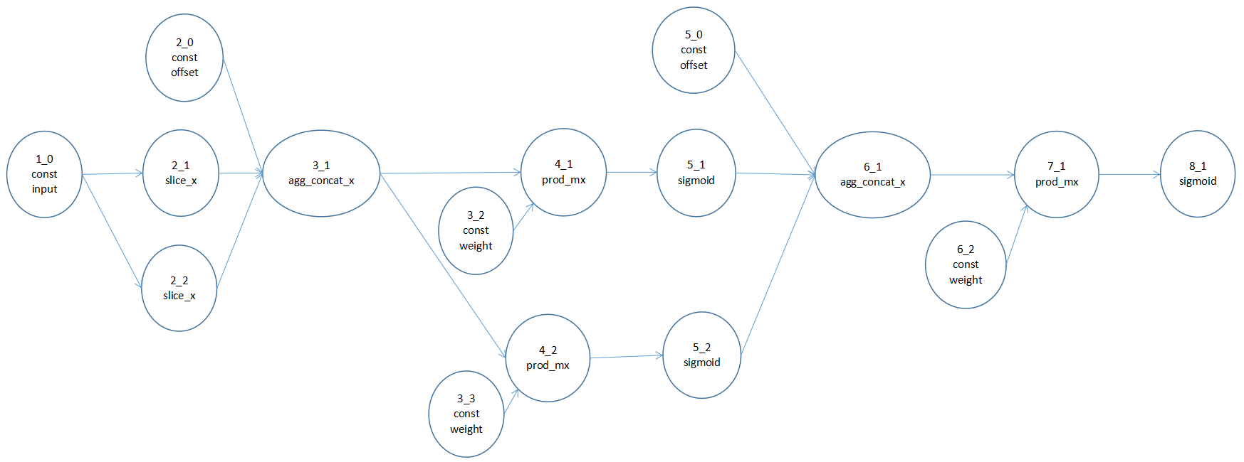

5_0
const
2_0
const

1_0
buff_slice_rand_pick
input
3_1
aggr_mx_concat_x
4_1
prod_mx
5_1
sigmoid
6_1
aggr_mx_concat_x
7_1
prod_mx
8_1
sigmoid

3_2
const
weight
6_2
const
weight

